Monthly Portfolio
 | Baroda BNP Paribas Innovation Fund

 | Monthly Portfolio Statement as on March 31, 2026
 | Name of the Instrument | ISIN | Industry / Rating | Quantity | Market/Fair Value (Rs. in Lakhs) | % to Net Assets | YTM~ | YTC^ | null
 | Equity & Equity related
 | (a) Listed / awaiting listing on Stock Exchanges
BOCL01 | Linde India Limited | INE473A01011 | Chemicals & Petrochemicals | 55,274 | 3,782.95 | 4.85%
ABBP01 | Hitachi Energy India Limited | INE07Y701011 | Electrical Equipment | 13,924 | 3,374.48 | 4.33%
ONCO02 | One 97 Communications Limited | INE982J01020 | Financial Technology (Fintech) | 305,000 | 2,924.95 | 3.75%
AMIO02 | Acutaas Chemicals Limited | INE00FF01025 | Pharmaceuticals & Biotechnology | 108,462 | 2,775.11 | 3.56%
ZMPL01 | Eternal Limited | INE758T01015 | Retailing | 1,194,500 | 2,735.17 | 3.51%
MCEX02 | Multi Commodity Exchange of India Limited | INE745G01043 | Capital Markets | 112,250 | 2,682.10 | 3.44%
KCUL02 | Cummins India Limited | INE298A01020 | Industrial Products | 55,723 | 2,507.59 | 3.22%
PRRC03 | Navin Fluorine International Limited | INE048G01026 | Chemicals & Petrochemicals | 39,427 | 2,429.69 | 3.12%
SAEL02 | TVS Motor Company Limited | INE494B01023 | Automobiles | 71,400 | 2,401.75 | 3.08%
BTVL02 | Bharti Airtel Limited | INE397D01024 | Telecom - Services | 133,108 | 2,372.52 | 3.04%
ESMC02 | PB Fintech Limited | INE417T01026 | Financial Technology (Fintech) | 166,100 | 2,371.58 | 3.04%
RIND01 | Reliance Industries Limited | INE002A01018 | Petroleum Products | 162,600 | 2,185.18 | 2.80%
IBCL05 | ICICI Bank Limited | INE090A01021 | Banks | 180,000 | 2,170.62 | 2.79%
DIVI02 | Divi's Laboratories Limited | INE361B01024 | Pharmaceuticals & Biotechnology | 35,300 | 2,099.29 | 2.69%
SAGI01 | Sagility Limited | INE0W2G01015 | IT - Services | 4,777,920 | 1,908.78 | 2.45%
BIRM01 | 3M India Limited | INE470A01017 | Diversified | 6,264 | 1,886.72 | 2.42%
BAFL03 | Bajaj Finance Limited | INE296A01032 | Finance | 230,000 | 1,843.57 | 2.37%
FSNE01 | FSN E-Commerce Ventures Limited | INE388Y01029 | Retailing | 740,000 | 1,739.00 | 2.23%
MAHI02 | Mahindra & Mahindra Limited | INE101A01026 | Automobiles | 56,700 | 1,675.31 | 2.15%
KFIN01 | KFin Technologies Limited | INE138Y01010 | Capital Markets | 180,000 | 1,577.79 | 2.02%
IEIN02 | Info Edge (India) Limited | INE663F01032 | Retailing | 163,000 | 1,577.35 | 2.02%
BLTE01 | Swiggy Limited | INE00H001014 | Retailing | 590,000 | 1,534.30 | 1.97%
LENS01 | Lenskart Solutions Limited | INE956O01016 | Retailing | 301,638 | 1,506.08 | 1.93%
INAV01 | InterGlobe Aviation Limited | INE646L01027 | Transport Services | 37,950 | 1,496.56 | 1.92%
TRFO01 | Travel Food Services Limited | INE103V01028 | Leisure Services | 116,000 | 1,463.69 | 1.88%
USFB01 | Ujjivan Small Finance Bank Limited | INE551W01018 | Banks | 2,641,407 | 1,334.17 | 1.71%
MAXI02 | Max Financial Services Limited | INE180A01020 | Insurance | 88,500 | 1,319.27 | 1.69%
BSEL02 | BSE Limited | INE118H01025 | Capital Markets | 49,000 | 1,314.92 | 1.69%
ALLI02 | GE Vernova T&D India Limited | INE200A01026 | Electrical Equipment | 36,000 | 1,310.54 | 1.68%
MOTI02 | Bosch Limited | INE323A01026 | Auto Components | 4,539 | 1,304.74 | 1.67%
AMBE01 | Amber Enterprises India Limited | INE371P01015 | Consumer Durables | 19,900 | 1,303.25 | 1.67%
TBOT01 | TBO Tek Limited | INE673O01025 | Leisure Services | 113,073 | 1,195.52 | 1.53%
INFS02 | Infosys Limited | INE009A01021 | IT - Software | 87,998 | 1,100.50 | 1.41%
PFIZ01 | Pfizer Limited | INE182A01018 | Pharmaceuticals & Biotechnology | 22,879 | 1,080.00 | 1.39%
TAEL01 | Tata Elxsi Limited | INE670A01012 | IT - Software | 26,300 | 1,045.85 | 1.34%
FRAN01 | Fractal Analytics Ltd | INE212S01015 | IT - Software | 132,693 | 1,007.74 | 1.29%
PSYL02 | Persistent Systems Limited | INE262H01021 | IT - Software | 20,000 | 975.44 | 1.25%
SOKO03 | Jtekt India Limited | INE643A01035 | Auto Components | 807,136 | 948.79 | 1.22%
AMLL01 | Amagi Media Labs Limited | INE121R01077 | IT - Services | 272,636 | 889.20 | 1.14%
LGEL01 | LG Electronics India Ltd | INE324D01010 | Consumer Durables | 57,994 | 835.69 | 1.07%
PINP01 | Pine Labs Limited | INE15B701018 | Financial Technology (Fintech) | 500,000 | 780.90 | 1.00%
KPEL01 | KPIT Technologies Limited | INE04I401011 | IT - Software | 121,000 | 768.05 | 0.99%
PRUD01 | Prudent Corporate Advisory Services Limited | INE00F201020 | Capital Markets | 21,925 | 476.87 | 0.61%
 | Sub Total |  |  |  | 74,013.57 | 94.93%
 | (b) Unlisted |  |  |  | NIL | NIL
 | Sub Total |  |  |  | NIL | NIL
 | Total |  |  |  | 74,013.57 | 94.93%
 | Derivatives
 | Index / Stock Futures
BHAHAPR26 | Bharat Heavy Electricals Limited April 2026 Future |  |  | 393,750 | 969.61 | 1.24%
 | Sub Total |  |  |  | 969.61 | 1.24%
 | Total |  |  |  | 969.61 | 1.24%
 | Debt Instruments
 | (a) Listed / awaiting listing on Stock Exchange
SAEL21PS | 6% TVS Motor Company Limited | INE494B04019 | CARE A1+ | 472,000 | 48.38 | 0.06%
 | Sub Total |  |  |  | 48.38 | 0.06%
 | (b) Privately placed / Unlisted |  |  |  | NIL | NIL
 | Sub Total |  |  |  | NIL | NIL
 | Total |  |  |  | 48.38 | 0.06%
 | Money Market Instruments
 | Treasury Bill
TBIL2503 | 364 Days Tbill (MD 01/05/2026) | IN002025Z054 | Sovereign | 1,000,000 | 995.71 | 1.28% | 5.25%
 | Sub Total |  |  |  | 995.71 | 1.28%
 | Total |  |  |  | 995.71 | 1.28%
 | Reverse Repo / TREPS
TRP_020426 | Clearing Corporation of India Ltd |  |  |  | 3,089.22 | 3.96% | 6.64%
 | Sub Total |  |  |  | 3,089.22 | 3.96%
 | (b) Privately placed / Unlisted |  |  |  | NIL | NIL
 | Sub Total |  |  |  | NIL | NIL
 | Total |  |  |  | 3,089.22 | 3.96%
 | Net Receivables / (Payables) |  |  |  | (1,178.66) | (1.47)%
 | GRAND TOTAL |  |  |  | 77,937.83 | 100.00%

 | ~ YTM as on March 31, 2026
 | ^ YTC represents Yield to Call provided by valuation agencies as on March 31, 2026. It is disclosed for Perpetual Bond issued by Banks (i.e. AT-1 Bond / Tier 1 Bond / Tier 2 Bond), as per AMFI Best Practices Guidelines Circular no. 135/BP/91/2020-21 read with SEBI circular No. SEBI/HO/IMD/DF4/CIR/P/2021/034 on Valuation of AT-1 Bonds and Tier 2 Bonds.
 | Details of Stock Future / Index Future
 | Long/Short | Name of the Instrument | Industry | Quantity. | Market/Fair Value (Rs. in Lacs). | % to NAV.
 | Long | Bharat Heavy Electricals Limited_28/04/2026 | Electrical Equipment | 393,750 | 969.61 | 1.24%

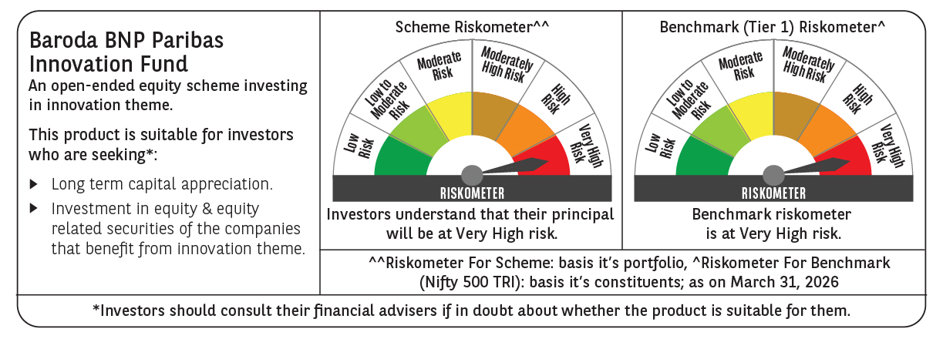

 | Monthly Performance Link: https://www.barodabnpparibasmf.in/assets/download_documents/Performance_of_Schemes-march_2026_17502.pdf

