Monthly Portfolio
 | Baroda BNP Paribas Nifty 50 Index Fund

 | Monthly Portfolio Statement as on March 31, 2026
 | Name of the Instrument | ISIN | Industry | Quantity | Market/Fair Value (Rs. in Lakhs) | % to Net Assets | YTM~ | YTC^ | null
 | Equity & Equity related
 | (a) Listed / awaiting listing on Stock Exchanges
HDFB03 | HDFC Bank Limited | INE040A01034 | Banks | 83,945 | 614.10 | 11.30%
RIND01 | Reliance Industries Limited | INE002A01018 | Petroleum Products | 35,926 | 482.81 | 8.88%
IBCL05 | ICICI Bank Limited | INE090A01021 | Banks | 38,593 | 465.39 | 8.56%
BTVL02 | Bharti Airtel Limited | INE397D01024 | Telecom - Services | 16,839 | 300.14 | 5.52%
INFS02 | Infosys Limited | INE009A01021 | IT - Software | 18,907 | 236.45 | 4.35%
SBAI02 | State Bank of India | INE062A01020 | Banks | 22,834 | 223.64 | 4.12%
LARS02 | Larsen & Toubro Limited | INE018A01030 | Construction | 6,338 | 222.09 | 4.09%
UTIB02 | Axis Bank Limited | INE238A01034 | Banks | 15,795 | 183.43 | 3.38%
ITCL02 | ITC Limited | INE154A01025 | Diversified FMCG | 52,450 | 150.90 | 2.78%
MAHI02 | Mahindra & Mahindra Limited | INE101A01026 | Automobiles | 4,850 | 143.30 | 2.64%
KOMA03 | Kotak Mahindra Bank Limited | INE237A01036 | Banks | 40,245 | 142.23 | 2.62%
TCSL01 | Tata Consultancy Services Limited | INE467B01029 | IT - Software | 5,508 | 129.93 | 2.39%
BAFL03 | Bajaj Finance Limited | INE296A01032 | Finance | 14,936 | 119.72 | 2.20%
SPIL03 | Sun Pharmaceutical Industries Limited | INE044A01036 | Pharmaceuticals & Biotechnology | 5,707 | 100.28 | 1.85%
HLEL02 | Hindustan Unilever Limited | INE030A01027 | Diversified FMCG | 4,764 | 97.91 | 1.80%
NTPC01 | NTPC Limited | INE733E01010 | Power | 25,430 | 94.26 | 1.73%
ZMPL01 | Eternal Limited | INE758T01015 | Retailing | 38,884 | 89.04 | 1.64%
TWAT02 | Titan Company Limited | INE280A01028 | Consumer Durables | 2,212 | 87.40 | 1.61%
MAUD01 | Maruti Suzuki India Limited | INE585B01010 | Automobiles | 699 | 86.02 | 1.58%
TISC03 | Tata Steel Limited | INE081A01020 | Ferrous Metals | 44,231 | 84.86 | 1.56%
BHEL02 | Bharat Electronics Limited | INE263A01024 | Aerospace & Defense | 19,132 | 76.65 | 1.41%
HCLT02 | HCL Technologies Limited | INE860A01027 | IT - Software | 5,690 | 76.34 | 1.40%
PGCI01 | Power Grid Corporation of India Limited | INE752E01010 | Power | 24,000 | 71.06 | 1.31%
ULCC01 | UltraTech Cement Limited | INE481G01011 | Cement & Cement Products | 649 | 69.74 | 1.28%
SHTR02 | Shriram Finance Limited | INE721A01047 | Finance | 7,694 | 67.10 | 1.23%
HINI02 | Hindalco Industries Limited | INE038A01020 | Non - Ferrous Metals | 7,514 | 66.46 | 1.22%
ONGC02 | Oil & Natural Gas Corporation Limited | INE213A01029 | Oil | 20,441 | 58.19 | 1.07%
JVSL04 | JSW Steel Limited | INE019A01038 | Ferrous Metals | 5,023 | 56.38 | 1.04%
GRAS02 | Grasim Industries Limited | INE047A01021 | Cement & Cement Products | 2,085 | 53.33 | 0.98%
COAL01 | Coal India Limited | INE522F01014 | Consumable Fuels | 11,818 | 53.23 | 0.98%
ASPA02 | Asian Paints Limited | INE021A01026 | Consumer Durables | 2,446 | 52.96 | 0.97%
MUND02 | Adani Ports and Special Economic Zone Limited | INE742F01042 | Transport Infrastructure | 3,981 | 52.25 | 0.96%
BALN01 | Bajaj Auto Limited | INE917I01010 | Automobiles | 595 | 52.25 | 0.96%
BFSL02 | Bajaj Finserv Limited | INE918I01026 | Finance | 3,187 | 52.01 | 0.96%
EIML02 | Eicher Motors Limited | INE066A01021 | Automobiles | 754 | 49.66 | 0.91%
INAV01 | InterGlobe Aviation Limited | INE646L01027 | Transport Services | 1,232 | 48.58 | 0.89%
TEMA02 | Tech Mahindra Limited | INE669C01036 | IT - Software | 3,410 | 47.19 | 0.87%
NEST02 | Nestle India Limited | INE239A01024 | Food Products | 3,860 | 45.35 | 0.83%
SLIF01 | SBI Life Insurance Company Limited | INE123W01016 | Insurance | 2,463 | 43.77 | 0.81%
APOL02 | Apollo Hospitals Enterprise Limited | INE437A01024 | Healthcare Services | 558 | 41.40 | 0.76%
DRRL03 | Dr. Reddy's Laboratories Limited | INE089A01031 | Pharmaceuticals & Biotechnology | 3,292 | 41.31 | 0.76%
RELS01 | Jio Financial Services Limited | INE758E01017 | Finance | 18,050 | 40.45 | 0.74%
LAKM02 | Trent Limited | INE849A01020 | Retailing | 1,213 | 39.98 | 0.74%
MAHE01 | Max Healthcare Institute Limited | INE027H01010 | Healthcare Services | 3,988 | 38.38 | 0.71%
CIPL03 | Cipla Limited | INE059A01026 | Pharmaceuticals & Biotechnology | 3,027 | 37.06 | 0.68%
TTEA02 | Tata Consumer Products Limited | INE192A01025 | Agricultural Food & other Products | 3,567 | 36.20 | 0.67%
HDLI01 | HDFC Life Insurance Company Limited | INE795G01014 | Insurance | 5,882 | 34.74 | 0.64%
TELC03 | Tata Motors Passenger Vehicles Limited | INE155A01022 | Automobiles | 11,391 | 33.74 | 0.62%
WIPR02 | Wipro Limited | INE075A01022 | IT - Software | 15,512 | 29.11 | 0.54%
ADAN02 | Adani Enterprises Limited | INE423A01024 | Metals & Minerals Trading | 1,432 | 25.19 | 0.46%
 | Sub Total |  |  |  | 5,543.96 | 102.00%
 | (b) Unlisted |  |  |  | NIL | NIL
 | Sub Total |  |  |  | NIL | NIL
 | Total |  |  |  | 5,543.96 | 102.00%
 | Reverse Repo / TREPS
TRP_020426 | Clearing Corporation of India Ltd |  |  |  | 25.98 | 0.48% | 6.64%
 | Sub Total |  |  |  | 25.98 | 0.48%
 | Total |  |  |  | 25.98 | 0.48%
 | Net Receivables / (Payables) |  |  |  | (135.86) | (2.48)%
 | GRAND TOTAL |  |  |  | 5,434.08 | 100.00%

 | ~ YTM as on March 31, 2026
 | ^ YTC represents Yield to Call provided by valuation agencies as on March 31, 2026. It is disclosed for Perpetual Bond issued by Banks (i.e. AT-1 Bond / Tier 1 Bond / Tier 2 Bond), as per AMFI Best Practices Guidelines Circular no. 135/BP/91/2020-21 read with SEBI circular No. SEBI/HO/IMD/DF4/CIR/P/2021/034 on Valuation of AT-1 Bonds and Tier 2 Bonds.

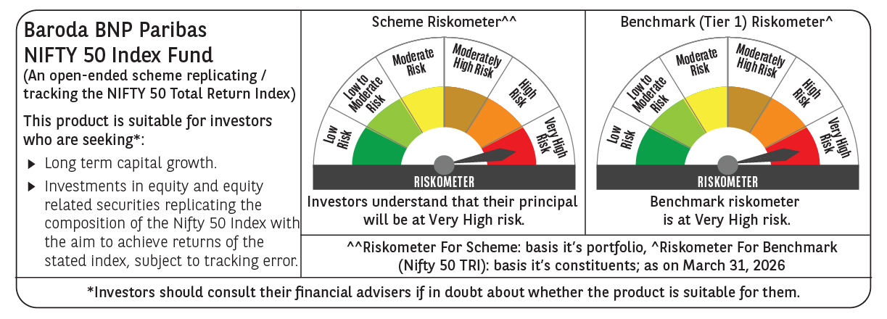

 | Monthly Performance Link: https://www.barodabnpparibasmf.in/assets/download_documents/Performance_of_Schemes-march_2026_17502.pdf

