Monthly Portfolio
 | Baroda BNP Paribas Small Cap Fund

 | Monthly Portfolio Statement as on March 31, 2026
 | Name of the Instrument | ISIN | Industry | Quantity | Market/Fair Value (Rs. in Lakhs) | % to Net Assets | YTM~ | YTC^ | null
 | Equity & Equity related
 | (a) Listed / awaiting listing on Stock Exchanges
NACL03 | National Aluminium Company Limited | INE139A01034 | Non - Ferrous Metals | 1,000,000 | 3,861.00 | 3.62%
MCEX02 | Multi Commodity Exchange of India Limited | INE745G01043 | Capital Markets | 150,000 | 3,584.10 | 3.36%
PRRC03 | Navin Fluorine International Limited | INE048G01026 | Chemicals & Petrochemicals | 56,706 | 3,494.51 | 3.28%
LAUR02 | Laurus Labs Limited | INE947Q01028 | Pharmaceuticals & Biotechnology | 325,000 | 3,226.28 | 3.03%
BHAH02 | Bharat Heavy Electricals Limited | INE257A01026 | Electrical Equipment | 1,300,000 | 3,191.50 | 2.99%
KAVY06 | Karur Vysya Bank Limited | INE036D01028 | Banks | 1,000,000 | 2,894.00 | 2.71%
JBCH03 | JB Chemicals & Pharmaceuticals Limited | INE572A01036 | Pharmaceuticals & Biotechnology | 138,667 | 2,862.64 | 2.68%
CANH02 | Can Fin Homes Limited | INE477A01020 | Finance | 347,000 | 2,748.41 | 2.58%
BHAE02 | BEML Limited | INE258A01024 | Agricultural, Commercial & Construction Vehicles | 200,000 | 2,738.80 | 2.57%
EMPH02 | Emcure Pharmaceuticals Limited | INE168P01015 | Pharmaceuticals & Biotechnology | 170,465 | 2,719.77 | 2.55%
SAGI01 | Sagility Limited | INE0W2G01015 | IT - Services | 6,800,000 | 2,716.60 | 2.55%
USFB01 | Ujjivan Small Finance Bank Limited | INE551W01018 | Banks | 5,250,000 | 2,651.78 | 2.49%
SSNL02 | Delhivery Limited | INE148O01028 | Transport Services | 625,000 | 2,604.38 | 2.44%
ASPH02 | AstraZeneca Pharma India Limited | INE203A01020 | Pharmaceuticals & Biotechnology | 32,200 | 2,500.49 | 2.35%
ECLE01 | eClerx Services Limited | INE738I01010 | Commercial Services & Supplies | 180,000 | 2,496.96 | 2.34%
SOKO03 | Jtekt India Limited | INE643A01035 | Auto Components | 2,100,377 | 2,468.99 | 2.32%
CUBI02 | City Union Bank Limited | INE491A01021 | Banks | 1,000,000 | 2,398.50 | 2.25%
ADHL01 | Aster DM Healthcare Limited | INE914M01019 | Healthcare Services | 350,000 | 2,345.00 | 2.20%
PHWL01 | PhysicsWallah Limited | INE0LP301011 | Other Consumer Services | 2,600,000 | 2,269.80 | 2.13%
MFSL01 | Mas Financial Services Limited | INE348L01012 | Finance | 800,000 | 2,237.20 | 2.10%
DLPL01 | Dr. Lal Path Labs Limited | INE600L01024 | Healthcare Services | 170,000 | 2,230.57 | 2.09%
AFFI02 | Affle 3i Limited | INE00WC01027 | IT - Services | 150,000 | 2,173.65 | 2.04%
IINF02 | IIFL Finance Limited | INE530B01024 | Finance | 500,000 | 2,152.25 | 2.02%
RAKH02 | Radico Khaitan Limited | INE944F01028 | Beverages | 80,000 | 2,103.44 | 1.97%
MSUW01 | Motherson Sumi Wiring India Limited | INE0FS801015 | Auto Components | 5,500,000 | 2,029.50 | 1.90%
CEES01 | Clean Max Enviro Energy Solutions Limited | INE647U01026 | Power | 250,000 | 1,924.25 | 1.80%
AMIO02 | Acutaas Chemicals Limited | INE00FF01025 | Pharmaceuticals & Biotechnology | 75,000 | 1,918.95 | 1.80%
CNAF02 | Zydus Wellness Limited | INE768C01028 | Food Products | 423,400 | 1,805.17 | 1.69%
ICEM01 | The India Cements Limited | INE383A01012 | Cement & Cement Products | 524,385 | 1,802.84 | 1.69%
CRAF01 | Craftsman Automation Limited | INE00LO01017 | Auto Components | 23,976 | 1,672.81 | 1.57%
AMBE01 | Amber Enterprises India Limited | INE371P01015 | Consumer Durables | 25,000 | 1,637.25 | 1.54%
MALE02 | Poonawalla Fincorp Limited | INE511C01022 | Finance | 430,000 | 1,584.12 | 1.49%
NHSP02 | Nephrocare Health Services Ltd | INE428V01029 | Healthcare Services | 300,014 | 1,520.62 | 1.43%
TRFO01 | Travel Food Services Limited | INE103V01028 | Leisure Services | 120,000 | 1,514.16 | 1.42%
ABBP01 | Hitachi Energy India Limited | INE07Y701011 | Electrical Equipment | 6,000 | 1,454.10 | 1.36%
PFIZ01 | Pfizer Limited | INE182A01018 | Pharmaceuticals & Biotechnology | 30,000 | 1,416.15 | 1.33%
INKN01 | Inventurus Knowledge Solutions Limited | INE115Q01022 | IT - Services | 105,000 | 1,394.82 | 1.31%
FRAN01 | Fractal Analytics Ltd | INE212S01015 | IT - Software | 170,000 | 1,291.07 | 1.21%
PHFP02 | PNB Housing Finance Limited | INE572E01012 | Finance | 170,000 | 1,283.59 | 1.20%
MNGF02 | Manappuram Finance Limited | INE522D01027 | Finance | 500,000 | 1,255.50 | 1.18%
KAYN01 | Kaynes Technology India Limited | INE918Z01012 | Industrial Manufacturing | 35,000 | 1,200.36 | 1.13%
RATN01 | RBL Bank Limited | INE976G01028 | Banks | 400,000 | 1,159.00 | 1.09%
KSPL02 | KSB Limited | INE999A01023 | Industrial Products | 145,000 | 1,155.43 | 1.08%
TIIN01 | Timken India Limited | INE325A01013 | Industrial Products | 35,000 | 1,128.86 | 1.06%
SCLB01 | Leela Palaces Hotels & Resorts Limited | INE0AQ201015 | Leisure Services | 270,000 | 1,105.92 | 1.04%
MCEL03 | The Ramco Cements Limited | INE331A01037 | Cement & Cement Products | 110,000 | 1,012.11 | 0.95%
DOMS01 | Doms Industries Limited | INE321T01012 | Household Products | 39,870 | 916.37 | 0.86%
BSLM02 | Aditya Birla Sun Life AMC Limited | INE404A01024 | Capital Markets | 75,000 | 658.73 | 0.62%
GUOL01 | Gulf Oil Lubricants India Limited | INE635Q01029 | Petroleum Products | 52,979 | 471.25 | 0.44%
DCMC02 | DCM Shriram Limited | INE499A01024 | Diversified | 28,188 | 314.72 | 0.30%
 | Sub Total |  |  |  | 99,298.27 | 93.15%
 | (b) Unlisted |  |  |  | NIL | NIL
 | Sub Total |  |  |  | NIL | NIL
 | Total |  |  |  | 99,298.27 | 93.15%
 | Reverse Repo / TREPS
TRP_020426 | Clearing Corporation of India Ltd |  |  |  | 7,934.15 | 7.44% | 6.64%
 | Sub Total |  |  |  | 7,934.15 | 7.44%
 | Total |  |  |  | 7,934.15 | 7.44%
 | Net Receivables / (Payables) |  |  |  | (616.26) | (0.59)%
 | GRAND TOTAL |  |  |  | 106,616.16 | 100.00%

 | ~ YTM as on March 31, 2026
 | ^ YTC represents Yield to Call provided by valuation agencies as on March 31, 2026. It is disclosed for Perpetual Bond issued by Banks (i.e. AT-1 Bond / Tier 1 Bond / Tier 2 Bond), as per AMFI Best Practices Guidelines Circular no. 135/BP/91/2020-21 read with SEBI circular No. SEBI/HO/IMD/DF4/CIR/P/2021/034 on Valuation of AT-1 Bonds and Tier 2 Bonds.

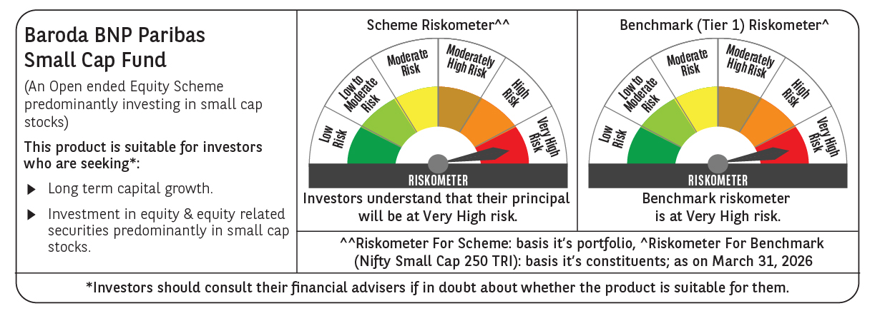

 | Monthly Performance Link: https://www.barodabnpparibasmf.in/assets/download_documents/Performance_of_Schemes-march_2026_17502.pdf

