Monthly Portfolio
 | Baroda BNP Paribas Value Fund

 | Monthly Portfolio Statement as on March 31, 2026
 | Name of the Instrument | ISIN | Industry / Rating | Quantity | Market/Fair Value (Rs. in Lakhs) | % to Net Assets | YTM~ | YTC^ | null
 | Equity & Equity related
 | (a) Listed / awaiting listing on Stock Exchanges
RIND01 | Reliance Industries Limited | INE002A01018 | Petroleum Products | 513,000 | 6,894.21 | 7.07%
HDFB03 | HDFC Bank Limited | INE040A01034 | Banks | 721,400 | 5,277.40 | 5.41%
IBCL05 | ICICI Bank Limited | INE090A01021 | Banks | 360,000 | 4,341.24 | 4.45%
ALLI02 | GE Vernova T&D India Limited | INE200A01026 | Electrical Equipment | 108,000 | 3,931.63 | 4.03%
LARS02 | Larsen & Toubro Limited | INE018A01030 | Construction | 103,500 | 3,626.74 | 3.72%
DIVI02 | Divi's Laboratories Limited | INE361B01024 | Pharmaceuticals & Biotechnology | 49,500 | 2,943.77 | 3.02%
BHAH02 | Bharat Heavy Electricals Limited | INE257A01026 | Electrical Equipment | 1,170,000 | 2,872.35 | 2.95%
SESA02 | Vedanta Limited | INE205A01025 | Diversified Metals | 396,000 | 2,593.01 | 2.66%
INFS02 | Infosys Limited | INE009A01021 | IT - Software | 207,000 | 2,588.74 | 2.65%
HERO02 | Hero MotoCorp Limited | INE158A01026 | Automobiles | 45,000 | 2,278.35 | 2.34%
KOMA03 | Kotak Mahindra Bank Limited | INE237A01036 | Banks | 621,000 | 2,194.61 | 2.25%
OIIL01 | Oil India Limited | INE274J01014 | Oil | 450,000 | 2,139.53 | 2.19%
TCSL01 | Tata Consultancy Services Limited | INE467B01029 | IT - Software | 90,000 | 2,123.01 | 2.18%
SPIL03 | Sun Pharmaceutical Industries Limited | INE044A01036 | Pharmaceuticals & Biotechnology | 120,000 | 2,108.64 | 2.16%
PGCI01 | Power Grid Corporation of India Limited | INE752E01010 | Power | 693,000 | 2,051.97 | 2.10%
JBCH03 | JB Chemicals & Pharmaceuticals Limited | INE572A01036 | Pharmaceuticals & Biotechnology | 99,000 | 2,043.76 | 2.10%
TEMA02 | Tech Mahindra Limited | INE669C01036 | IT - Software | 144,000 | 1,992.96 | 2.04%
BHEL02 | Bharat Electronics Limited | INE263A01024 | Aerospace & Defense | 450,000 | 1,802.93 | 1.85%
SBAI02 | State Bank of India | INE062A01020 | Banks | 180,000 | 1,762.92 | 1.81%
NACL03 | National Aluminium Company Limited | INE139A01034 | Non - Ferrous Metals | 432,000 | 1,667.95 | 1.71%
NHPC01 | NHPC Limited | INE848E01016 | Power | 2,250,000 | 1,658.70 | 1.70%
ULCC01 | UltraTech Cement Limited | INE481G01011 | Cement & Cement Products | 15,300 | 1,643.99 | 1.69%
EIML02 | Eicher Motors Limited | INE066A01021 | Automobiles | 24,300 | 1,600.40 | 1.64%
CHEL02 | Zydus Lifesciences Limited | INE010B01027 | Pharmaceuticals & Biotechnology | 180,000 | 1,568.16 | 1.61%
ITCL02 | ITC Limited | INE154A01025 | Diversified FMCG | 540,000 | 1,553.58 | 1.59%
SOKO03 | Jtekt India Limited | INE643A01035 | Auto Components | 1,260,000 | 1,481.13 | 1.52%
TMLC01 | Tata Motors Ltd | INE1TAE01010 | Agricultural, Commercial & Construction Vehicles | 375,000 | 1,480.50 | 1.52%
ICEM01 | The India Cements Limited | INE383A01012 | Cement & Cement Products | 386,491 | 1,328.76 | 1.36%
CANB02 | Canara Bank | INE476A01022 | Banks | 1,035,000 | 1,277.71 | 1.31%
HDLI01 | HDFC Life Insurance Company Limited | INE795G01014 | Insurance | 216,000 | 1,275.70 | 1.31%
MAUD01 | Maruti Suzuki India Limited | INE585B01010 | Automobiles | 10,000 | 1,230.60 | 1.26%
ALKE01 | Alkem Laboratories Limited | INE540L01014 | Pharmaceuticals & Biotechnology | 22,500 | 1,192.28 | 1.22%
TENN01 | Tenneco Clean Air India Limited | INE19RI01016 | Auto Components | 225,000 | 1,158.98 | 1.19%
SJVN01 | SJVN Limited | INE002L01015 | Power | 1,800,000 | 1,140.30 | 1.17%
SCHI01 | Sanofi Consumer Healthcare India Limited | INE0UOS01011 | Pharmaceuticals & Biotechnology | 26,000 | 1,117.53 | 1.15%
HLEL02 | Hindustan Unilever Limited | INE030A01027 | Diversified FMCG | 54,000 | 1,109.81 | 1.14%
LGEL01 | LG Electronics India Ltd | INE324D01010 | Consumer Durables | 76,500 | 1,102.37 | 1.13%
YESB03 | Yes Bank Limited | INE528G01035 | Banks | 6,030,000 | 1,040.18 | 1.07%
KPIT03 | Birlasoft Limited | INE836A01035 | IT - Software | 297,000 | 987.67 | 1.01%
TPOW02 | Tata Power Company Limited | INE245A01021 | Power | 252,000 | 954.45 | 0.98%
UTIB02 | Axis Bank Limited | INE238A01034 | Banks | 81,000 | 940.65 | 0.96%
WIPR02 | Wipro Limited | INE075A01022 | IT - Software | 495,000 | 928.82 | 0.95%
ICII01 | Akzo Nobel India Limited | INE133A01011 | Consumer Durables | 31,500 | 896.08 | 0.92%
MAGL01 | Mahanagar Gas Limited | INE002S01010 | Gas | 90,000 | 834.93 | 0.86%
HZIN02 | Hindustan Zinc Limited | INE267A01025 | Non - Ferrous Metals | 162,000 | 813.48 | 0.83%
IIBL01 | IndusInd Bank Limited | INE095A01012 | Banks | 108,000 | 812.65 | 0.83%
USFB01 | Ujjivan Small Finance Bank Limited | INE551W01018 | Banks | 1,440,000 | 727.34 | 0.75%
HOCH01 | Sanofi India Limited | INE058A01010 | Pharmaceuticals & Biotechnology | 20,700 | 664.41 | 0.68%
SCDL01 | Sundaram Clayton Limited | INE0Q3R01026 | Auto Components | 54,851 | 653.93 | 0.67%
CALC03 | CESC Limited | INE486A01021 | Power | 360,000 | 540.61 | 0.55%
 | Sub Total |  |  |  | 90,951.42 | 93.26%
 | (b) Unlisted |  |  |  | NIL | NIL
 | Sub Total |  |  |  | NIL | NIL
 | Total |  |  |  | 90,951.42 | 93.26%
 | Derivatives
 | Index / Stock Futures
MCEXAPR26 | Multi Commodity Exchange of India Limited April 2026 Future |  |  | 45,000 | 1,077.35 | 1.10%
 | Sub Total |  |  |  | 1,077.35 | 1.10%
 | Total |  |  |  | 1,077.35 | 1.10%
 | Money Market Instruments
 | Treasury Bill
TBIL2499 | 364 Days Tbill (MD 16/04/2026) | IN002025Z039 | Sovereign | 500,000 | 498.92 | 0.51% | 5.25%
TBIL2636 | 364 Days Tbill (MD 04/02/2027) | IN002025Z443 | Sovereign | 500,000 | 477.18 | 0.49% | 5.65%
 | Sub Total |  |  |  | 976.10 | 1.00%
 | Total |  |  |  | 976.10 | 1.00%
 | Reverse Repo / TREPS
TRP_020426 | Clearing Corporation of India Ltd |  |  |  | 5,672.37 | 5.82% | 6.64%
 | Sub Total |  |  |  | 5,672.37 | 5.82%
 | Total |  |  |  | 5,672.37 | 5.82%
 | Net Receivables / (Payables) |  |  |  | (1,163.03) | (1.18)%
 | GRAND TOTAL |  |  |  | 97,514.21 | 100.00%

 | ~ YTM as on March 31, 2026
 | ^ YTC represents Yield to Call provided by valuation agencies as on March 31, 2026. It is disclosed for Perpetual Bond issued by Banks (i.e. AT-1 Bond / Tier 1 Bond / Tier 2 Bond), as per AMFI Best Practices Guidelines Circular no. 135/BP/91/2020-21 read with SEBI circular No. SEBI/HO/IMD/DF4/CIR/P/2021/034 on Valuation of AT-1 Bonds and Tier 2 Bonds.
 | Details of Stock Future / Index Future
 | Long/Short | Name of the Instrument | Industry | Quantity. | Market/Fair Value (Rs. in Lacs). | % to NAV.
 | Long | Multi Commodity Exchange of India Limited_28/04/2026 | Capital Markets | 45,000 | 1,077.35 | 1.10%

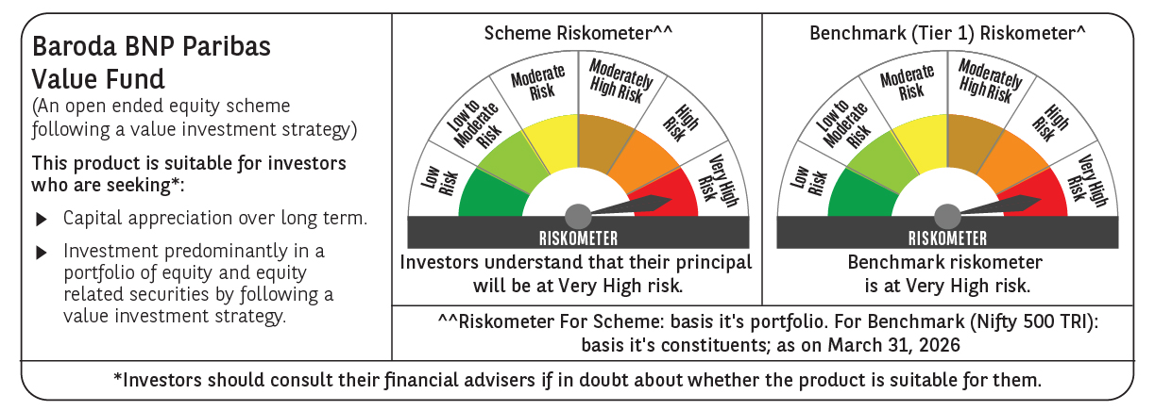

 | Monthly Performance Link: https://www.barodabnpparibasmf.in/assets/download_documents/Performance_of_Schemes-march_2026_17502.pdf

