Monthly Portfolio
 | Baroda BNP Paribas Flexi Cap Fund

 | Monthly Portfolio Statement as on March 31, 2026
 | Name of the Instrument | ISIN | Industry / Rating | Quantity | Market/Fair Value (Rs. in Lakhs) | % to Net Assets | YTM~ | YTC^ | null
 | Equity & Equity related
 | (a) Listed / awaiting listing on Stock Exchanges
HDFB03 | HDFC Bank Limited | INE040A01034 | Banks | 725,000 | 5,303.74 | 4.88%
BTVL02 | Bharti Airtel Limited | INE397D01024 | Telecom - Services | 225,000 | 4,010.40 | 3.69%
RIND01 | Reliance Industries Limited | INE002A01018 | Petroleum Products | 280,000 | 3,762.92 | 3.46%
FEBA02 | The Federal Bank Limited | INE171A01029 | Banks | 1,450,000 | 3,761.30 | 3.46%
JSPL03 | Jindal Steel Limited | INE749A01030 | Ferrous Metals | 300,000 | 3,339.30 | 3.07%
IIBL01 | IndusInd Bank Limited | INE095A01012 | Banks | 425,000 | 3,197.91 | 2.94%
UTIB02 | Axis Bank Limited | INE238A01034 | Banks | 275,000 | 3,193.58 | 2.94%
BHAH02 | Bharat Heavy Electricals Limited | INE257A01026 | Electrical Equipment | 1,300,000 | 3,191.50 | 2.94%
SPIL03 | Sun Pharmaceutical Industries Limited | INE044A01036 | Pharmaceuticals & Biotechnology | 165,000 | 2,899.38 | 2.67%
ZMPL01 | Eternal Limited | INE758T01015 | Retailing | 1,200,000 | 2,747.76 | 2.53%
PSYL02 | Persistent Systems Limited | INE262H01021 | IT - Software | 55,000 | 2,682.46 | 2.47%
ONCO02 | One 97 Communications Limited | INE982J01020 | Financial Technology (Fintech) | 275,000 | 2,637.25 | 2.43%
LARS02 | Larsen & Toubro Limited | INE018A01030 | Construction | 75,000 | 2,628.08 | 2.42%
CANB02 | Canara Bank | INE476A01022 | Banks | 2,100,000 | 2,592.45 | 2.39%
KAVY06 | Karur Vysya Bank Limited | INE036D01028 | Banks | 850,000 | 2,459.90 | 2.26%
SOEL02 | Solar Industries India Limited | INE343H01029 | Chemicals & Petrochemicals | 20,000 | 2,415.20 | 2.22%
SHTR02 | Shriram Finance Limited | INE721A01047 | Finance | 275,000 | 2,398.28 | 2.21%
RAKH02 | Radico Khaitan Limited | INE944F01028 | Beverages | 90,000 | 2,366.37 | 2.18%
MAHI02 | Mahindra & Mahindra Limited | INE101A01026 | Automobiles | 80,000 | 2,363.76 | 2.17%
INFS02 | Infosys Limited | INE009A01021 | IT - Software | 185,000 | 2,313.61 | 2.13%
EIML02 | Eicher Motors Limited | INE066A01021 | Automobiles | 35,000 | 2,305.10 | 2.12%
TEMA02 | Tech Mahindra Limited | INE669C01036 | IT - Software | 160,000 | 2,214.40 | 2.04%
HINI02 | Hindalco Industries Limited | INE038A01020 | Non - Ferrous Metals | 250,000 | 2,211.13 | 2.03%
KCUL02 | Cummins India Limited | INE298A01020 | Industrial Products | 48,812 | 2,196.59 | 2.02%
ABBP01 | Hitachi Energy India Limited | INE07Y701011 | Electrical Equipment | 9,000 | 2,181.15 | 2.01%
IBCL05 | ICICI Bank Limited | INE090A01021 | Banks | 180,000 | 2,170.62 | 2.00%
ULCC01 | UltraTech Cement Limited | INE481G01011 | Cement & Cement Products | 20,000 | 2,149.00 | 1.98%
HYUN01 | Hyundai Motor India Ltd | INE0V6F01027 | Automobiles | 120,000 | 2,133.60 | 1.96%
KOMA03 | Kotak Mahindra Bank Limited | INE237A01036 | Banks | 597,000 | 2,109.80 | 1.94%
SAGI01 | Sagility Limited | INE0W2G01015 | IT - Services | 5,252,101 | 2,098.21 | 1.93%
VMML01 | Vishal Mega Mart Limited | INE01EA01019 | Retailing | 1,900,000 | 2,000.70 | 1.84%
BLUS03 | Blue Star Limited | INE472A01039 | Consumer Durables | 120,000 | 1,932.84 | 1.78%
BOCL01 | Linde India Limited | INE473A01011 | Chemicals & Petrochemicals | 27,000 | 1,847.88 | 1.70%
ALLI02 | GE Vernova T&D India Limited | INE200A01026 | Electrical Equipment | 46,441 | 1,690.64 | 1.56%
METR01 | Metropolis Healthcare Limited | INE112L01020 | Healthcare Services | 355,568 | 1,543.17 | 1.42%
AMLL01 | Amagi Media Labs Limited | INE121R01077 | IT - Services | 471,491 | 1,537.77 | 1.41%
TTEA02 | Tata Consumer Products Limited | INE192A01025 | Agricultural Food & other Products | 150,000 | 1,522.20 | 1.40%
AJPH03 | Ajanta Pharma Limited | INE031B01049 | Pharmaceuticals & Biotechnology | 52,500 | 1,472.68 | 1.36%
NHPC01 | NHPC Limited | INE848E01016 | Power | 1,900,000 | 1,400.68 | 1.29%
MALE02 | Poonawalla Fincorp Limited | INE511C01022 | Finance | 335,000 | 1,234.14 | 1.14%
MAHE01 | Max Healthcare Institute Limited | INE027H01010 | Healthcare Services | 125,000 | 1,202.88 | 1.11%
FRAN01 | Fractal Analytics Ltd | INE212S01015 | IT - Software | 133,335 | 1,012.61 | 0.93%
HPEC01 | Hindustan Petroleum Corporation Limited | INE094A01015 | Petroleum Products | 200,000 | 670.80 | 0.62%
 | Sub Total |  |  |  | 101,103.74 | 93.05%
 | (b) Unlisted |  |  |  | NIL | NIL
 | Sub Total |  |  |  | NIL | NIL
 | Total |  |  |  | 101,103.74 | 93.05%
 | Money Market Instruments
 | Treasury Bill
TBIL2566 | 364 Days Tbill (MD 17/09/2026) | IN002025Z252 | Sovereign | 1,500,000 | 1,462.56 | 1.35% | 5.53%
 | Sub Total |  |  |  | 1,462.56 | 1.35%
 | Total |  |  |  | 1,462.56 | 1.35%
 | Reverse Repo / TREPS
TRP_020426 | Clearing Corporation of India Ltd |  |  |  | 6,397.65 | 5.89% | 6.64%
 | Sub Total |  |  |  | 6,397.65 | 5.89%
 | Total |  |  |  | 6,397.65 | 5.89%
 | Net Receivables / (Payables) |  |  |  | (283.92) | (0.29)%
 | GRAND TOTAL |  |  |  | 108,680.03 | 100.00%

 | ~ YTM as on March 31, 2026
 | ^ YTC represents Yield to Call provided by valuation agencies as on March 31, 2026. It is disclosed for Perpetual Bond issued by Banks (i.e. AT-1 Bond / Tier 1 Bond / Tier 2 Bond), as per AMFI Best Practices Guidelines Circular no. 135/BP/91/2020-21 read with SEBI circular No. SEBI/HO/IMD/DF4/CIR/P/2021/034 on Valuation of AT-1 Bonds and Tier 2 Bonds.

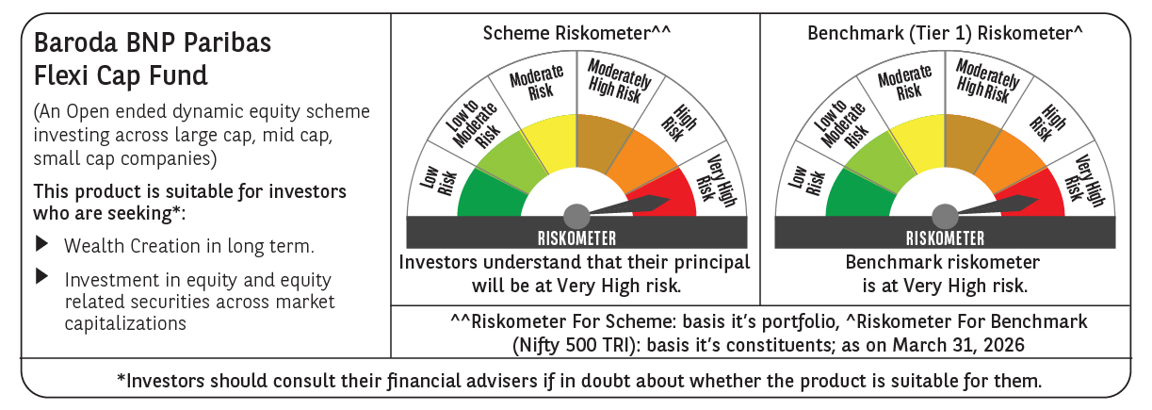

 | Monthly Performance Link: https://www.barodabnpparibasmf.in/assets/download_documents/Performance_of_Schemes-march_2026_17502.pdf

