Monthly Portfolio
 | Baroda BNP Paribas India Consumption Fund

 | Monthly Portfolio Statement as on March 31, 2026
 | Name of the Instrument | ISIN | Industry / Rating | Quantity | Market/Fair Value (Rs. in Lakhs) | % to Net Assets | YTM~ | YTC^ | null
 | Equity & Equity related
 | (a) Listed / awaiting listing on Stock Exchanges
BTVL02 | Bharti Airtel Limited | INE397D01024 | Telecom - Services | 600,000 | 10,694.40 | 8.22%
MAUD01 | Maruti Suzuki India Limited | INE585B01010 | Automobiles | 66,300 | 8,158.88 | 6.27%
TWAT02 | Titan Company Limited | INE280A01028 | Consumer Durables | 200,000 | 7,902.80 | 6.07%
MAHI02 | Mahindra & Mahindra Limited | INE101A01026 | Automobiles | 262,500 | 7,756.09 | 5.96%
EIML02 | Eicher Motors Limited | INE066A01021 | Automobiles | 95,000 | 6,256.70 | 4.81%
SAEL02 | TVS Motor Company Limited | INE494B01023 | Automobiles | 165,000 | 5,550.27 | 4.26%
ITCL02 | ITC Limited | INE154A01025 | Diversified FMCG | 1,700,000 | 4,890.90 | 3.76%
HLEL02 | Hindustan Unilever Limited | INE030A01027 | Diversified FMCG | 235,000 | 4,829.72 | 3.71%
ZMPL01 | Eternal Limited | INE758T01015 | Retailing | 1,800,000 | 4,121.64 | 3.17%
BRIT03 | Britannia Industries Limited | INE216A01030 | Food Products | 75,000 | 4,067.25 | 3.13%
PHMI02 | The Phoenix Mills Limited | INE211B01039 | Realty | 240,000 | 3,615.12 | 2.78%
MARC02 | Marico Limited | INE196A01026 | Agricultural Food & other Products | 484,000 | 3,562.00 | 2.74%
AVSP01 | Avenue Supermarts Limited | INE192R01011 | Retailing | 90,000 | 3,561.12 | 2.74%
NEST02 | Nestle India Limited | INE239A01024 | Food Products | 275,000 | 3,230.70 | 2.48%
GCPL02 | Godrej Consumer Products Limited | INE102D01028 | Personal Products | 323,000 | 3,180.90 | 2.44%
LGEL01 | LG Electronics India Ltd | INE324D01010 | Consumer Durables | 220,000 | 3,170.20 | 2.44%
HERO02 | Hero MotoCorp Limited | INE158A01026 | Automobiles | 50,000 | 2,531.50 | 1.95%
RAKH02 | Radico Khaitan Limited | INE944F01028 | Beverages | 85,000 | 2,234.91 | 1.72%
LAKM02 | Trent Limited | INE849A01020 | Retailing | 66,000 | 2,175.23 | 1.67%
BLTE01 | Swiggy Limited | INE00H001014 | Retailing | 800,000 | 2,080.40 | 1.60%
MAHE01 | Max Healthcare Institute Limited | INE027H01010 | Healthcare Services | 200,000 | 1,924.60 | 1.48%
MEBR01 | Metro Brands Limited | INE317I01021 | Consumer Durables | 212,821 | 1,907.09 | 1.47%
DABU02 | Dabur India Limited | INE016A01026 | Personal Products | 450,000 | 1,847.03 | 1.42%
BINL01 | Indus Towers Limited | INE121J01017 | Telecom - Services | 435,000 | 1,818.95 | 1.40%
BEFS02 | Mrs. Bectors Food Specialities Limited | INE495P01020 | Food Products | 950,000 | 1,700.98 | 1.31%
TTEA02 | Tata Consumer Products Limited | INE192A01025 | Agricultural Food & other Products | 165,000 | 1,674.42 | 1.29%
FSNE01 | FSN E-Commerce Ventures Limited | INE388Y01029 | Retailing | 700,000 | 1,645.00 | 1.26%
JUFL02 | Jubilant Foodworks Limited | INE797F01020 | Leisure Services | 360,000 | 1,562.76 | 1.20%
SCLB01 | Leela Palaces Hotels & Resorts Limited | INE0AQ201015 | Leisure Services | 380,000 | 1,556.48 | 1.20%
ICII01 | Akzo Nobel India Limited | INE133A01011 | Consumer Durables | 52,692 | 1,498.93 | 1.15%
ESMC02 | PB Fintech Limited | INE417T01026 | Financial Technology (Fintech) | 100,000 | 1,427.80 | 1.10%
HAIL03 | Havells India Limited | INE176B01034 | Consumer Durables | 115,000 | 1,369.19 | 1.05%
VMML01 | Vishal Mega Mart Limited | INE01EA01019 | Retailing | 1,300,000 | 1,368.90 | 1.05%
CNAF02 | Zydus Wellness Limited | INE768C01028 | Food Products | 300,000 | 1,279.05 | 0.98%
ORKL01 | Orkla India Limited | INE16NZ01023 | Food Products | 211,280 | 1,236.09 | 0.95%
VNBL03 | Varun Beverages Limited | INE200M01039 | Beverages | 320,000 | 1,229.12 | 0.94%
PROG01 | Procter & Gamble Hygiene and Health Care Limited | INE179A01014 | Personal Products | 13,000 | 1,211.99 | 0.93%
ISHA01 | Gillette India Limited | INE322A01010 | Personal Products | 15,000 | 1,088.03 | 0.84%
TBOT01 | TBO Tek Limited | INE673O01025 | Leisure Services | 55,000 | 581.52 | 0.45%
UBBL02 | United Breweries Limited | INE686F01025 | Beverages | 24,000 | 369.60 | 0.28%
KWWA01 | Kwality Walls (India) Limited | INE2KCE01013 | Food Products | 265,000 | 59.55 | 0.05%
 | Sub Total |  |  |  | 121,927.81 | 93.72%
 | (b) Unlisted |  |  |  | NIL | NIL
 | Sub Total |  |  |  | NIL | NIL
 | Total |  |  |  | 121,927.81 | 93.72%
 | Derivatives
 | Index / Stock Futures
MCSPAPR26 | United Spirits Limited April 2026 Future |  |  | 96,000 | 1,173.02 | 0.90%
 | Sub Total |  |  |  | 1,173.02 | 0.90%
 | Total |  |  |  | 1,173.02 | 0.90%
 | Debt Instruments
 | (a) Listed / awaiting listing on Stock Exchange
SAEL21PS | 6% TVS Motor Company Limited | INE494B04019 | CARE A1+ | 540,000 | 55.35 | 0.04%
 | Sub Total |  |  |  | 55.35 | 0.04%
 | (b) Privately placed / Unlisted |  |  |  | NIL | NIL
 | Sub Total |  |  |  | NIL | NIL
 | Total |  |  |  | 55.35 | 0.04%
 | Money Market Instruments
 | Treasury Bill
TBIL2525 | 364 Days Tbill (MD 25/06/2026) | IN002025Z138 | Sovereign | 1,000,000 | 987.60 | 0.76% | 5.39%
 | Sub Total |  |  |  | 987.60 | 0.76%
 | Total |  |  |  | 987.60 | 0.76%
 | Reverse Repo / TREPS
TRP_020426 | Clearing Corporation of India Ltd |  |  |  | 7,532.43 | 5.79% | 6.64%
 | Sub Total |  |  |  | 7,532.43 | 5.79%
 | (b) Privately placed / Unlisted |  |  |  | NIL | NIL
 | Sub Total |  |  |  | NIL | NIL
 | Total |  |  |  | 7,532.43 | 5.79%
 | Net Receivables / (Payables) |  |  |  | (1,534.64) | (1.21)%
 | GRAND TOTAL |  |  |  | 130,141.57 | 100.00%

 | ~ YTM as on March 31, 2026
 | ^ YTC represents Yield to Call provided by valuation agencies as on March 31, 2026. It is disclosed for Perpetual Bond issued by Banks (i.e. AT-1 Bond / Tier 1 Bond / Tier 2 Bond), as per AMFI Best Practices Guidelines Circular no. 135/BP/91/2020-21 read with SEBI circular No. SEBI/HO/IMD/DF4/CIR/P/2021/034 on Valuation of AT-1 Bonds and Tier 2 Bonds.
 | Details of Stock Future / Index Future
 | Long/Short | Name of the Instrument | Industry | Quantity. | Market/Fair Value (Rs. in Lacs). | % to NAV.
 | Long | United Spirits Limited_28/04/2026 | Beverages | 96,000 | 1,173.02 | 0.90%

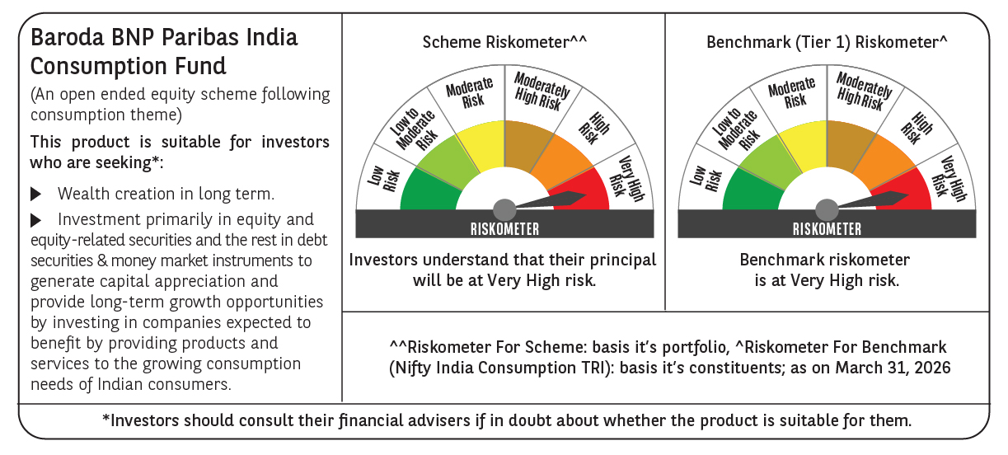

 | Monthly Performance Link: https://www.barodabnpparibasmf.in/assets/download_documents/Performance_of_Schemes-march_2026_17502.pdf

