Monthly Portfolio
 | Baroda BNP Paribas Focused Fund

 | Monthly Portfolio Statement as on March 31, 2026
 | Name of the Instrument | ISIN | Industry | Quantity | Market/Fair Value (Rs. in Lakhs) | % to Net Assets | YTM~ | YTC^ | null
 | Equity & Equity related
 | (a) Listed / awaiting listing on Stock Exchanges
BTVL02 | Bharti Airtel Limited | INE397D01024 | Telecom - Services | 300,000 | 5,347.20 | 8.98%
UTIB02 | Axis Bank Limited | INE238A01034 | Banks | 300,000 | 3,483.90 | 5.85%
BHAH02 | Bharat Heavy Electricals Limited | INE257A01026 | Electrical Equipment | 1,350,000 | 3,314.25 | 5.57%
HDFB03 | HDFC Bank Limited | INE040A01034 | Banks | 425,000 | 3,109.09 | 5.22%
SPIL03 | Sun Pharmaceutical Industries Limited | INE044A01036 | Pharmaceuticals & Biotechnology | 165,000 | 2,899.38 | 4.87%
IIBL01 | IndusInd Bank Limited | INE095A01012 | Banks | 375,000 | 2,821.69 | 4.74%
MCEX02 | Multi Commodity Exchange of India Limited | INE745G01043 | Capital Markets | 110,000 | 2,628.34 | 4.41%
MAHI02 | Mahindra & Mahindra Limited | INE101A01026 | Automobiles | 85,000 | 2,511.50 | 4.22%
PRRC03 | Navin Fluorine International Limited | INE048G01026 | Chemicals & Petrochemicals | 40,000 | 2,465.00 | 4.14%
PGCI01 | Power Grid Corporation of India Limited | INE752E01010 | Power | 800,000 | 2,368.80 | 3.98%
NHPC01 | NHPC Limited | INE848E01016 | Power | 3,200,000 | 2,359.04 | 3.96%
TEMA02 | Tech Mahindra Limited | INE669C01036 | IT - Software | 167,500 | 2,318.20 | 3.89%
BAFL03 | Bajaj Finance Limited | INE296A01032 | Finance | 250,000 | 2,003.88 | 3.36%
VMML01 | Vishal Mega Mart Limited | INE01EA01019 | Retailing | 1,750,000 | 1,842.75 | 3.09%
BHEL02 | Bharat Electronics Limited | INE263A01024 | Aerospace & Defense | 450,000 | 1,802.93 | 3.03%
LARS02 | Larsen & Toubro Limited | INE018A01030 | Construction | 50,000 | 1,752.05 | 2.94%
CANB02 | Canara Bank | INE476A01022 | Banks | 1,400,000 | 1,728.30 | 2.90%
KOMA03 | Kotak Mahindra Bank Limited | INE237A01036 | Banks | 475,000 | 1,678.65 | 2.82%
HYUN01 | Hyundai Motor India Ltd | INE0V6F01027 | Automobiles | 85,000 | 1,511.30 | 2.54%
PSYL02 | Persistent Systems Limited | INE262H01021 | IT - Software | 30,000 | 1,463.16 | 2.46%
ONCO02 | One 97 Communications Limited | INE982J01020 | Financial Technology (Fintech) | 150,000 | 1,438.50 | 2.42%
BRIT03 | Britannia Industries Limited | INE216A01030 | Food Products | 25,000 | 1,355.75 | 2.28%
LGEL01 | LG Electronics India Ltd | INE324D01010 | Consumer Durables | 79,220 | 1,141.56 | 1.92%
MAHE01 | Max Healthcare Institute Limited | INE027H01010 | Healthcare Services | 100,000 | 962.30 | 1.62%
ZMPL01 | Eternal Limited | INE758T01015 | Retailing | 400,000 | 915.92 | 1.54%
IBCL05 | ICICI Bank Limited | INE090A01021 | Banks | 75,000 | 904.43 | 1.52%
INKN01 | Inventurus Knowledge Solutions Limited | INE115Q01022 | IT - Services | 47,680 | 633.38 | 1.06%
 | Sub Total |  |  |  | 56,761.25 | 95.33%
 | (b) Unlisted |  |  |  | NIL | NIL
 | Sub Total |  |  |  | NIL | NIL
 | Total |  |  |  | 56,761.25 | 95.33%
 | Reverse Repo / TREPS
TRP_020426 | Clearing Corporation of India Ltd |  |  |  | 2,967.44 | 4.98% | 6.64%
 | Sub Total |  |  |  | 2,967.44 | 4.98%
 | Total |  |  |  | 2,967.44 | 4.98%
 | Net Receivables / (Payables) |  |  |  | (176.69) | (0.31)%
 | GRAND TOTAL |  |  |  | 59,552.00 | 100.00%

 | ~ YTM as on March 31, 2026
 | ^ YTC represents Yield to Call provided by valuation agencies as on March 31, 2026. It is disclosed for Perpetual Bond issued by Banks (i.e. AT-1 Bond / Tier 1 Bond / Tier 2 Bond), as per AMFI Best Practices Guidelines Circular no. 135/BP/91/2020-21 read with SEBI circular No. SEBI/HO/IMD/DF4/CIR/P/2021/034 on Valuation of AT-1 Bonds and Tier 2 Bonds.

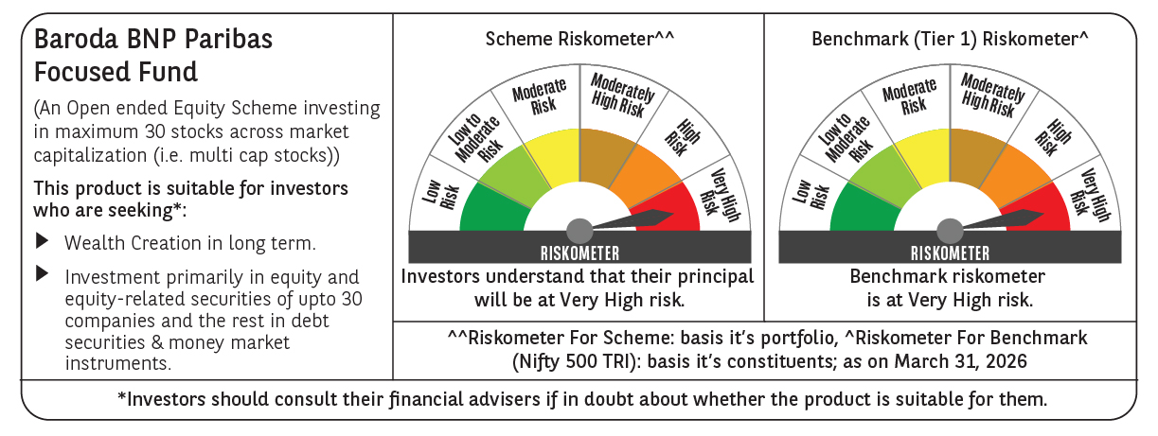

 | Monthly Performance Link: https://www.barodabnpparibasmf.in/assets/download_documents/Performance_of_Schemes-march_2026_17502.pdf

