Monthly Portfolio
 | Baroda BNP Paribas ELSS Tax Saver Fund

 | Monthly Portfolio Statement as on March 31, 2026
 | Name of the Instrument | ISIN | Industry / Rating | Quantity | Market/Fair Value (Rs. in Lakhs) | % to Net Assets | YTM~ | YTC^ | null
 | Equity & Equity related
 | (a) Listed / awaiting listing on Stock Exchanges
HDFB03 | HDFC Bank Limited | INE040A01034 | Banks | 656,320 | 4,801.31 | 5.94%
IBCL05 | ICICI Bank Limited | INE090A01021 | Banks | 329,900 | 3,978.26 | 4.92%
RIND01 | Reliance Industries Limited | INE002A01018 | Petroleum Products | 281,800 | 3,787.11 | 4.68%
SBAI02 | State Bank of India | INE062A01020 | Banks | 278,000 | 2,722.73 | 3.37%
BTVL02 | Bharti Airtel Limited | INE397D01024 | Telecom - Services | 144,966 | 2,583.87 | 3.20%
ABBP01 | Hitachi Energy India Limited | INE07Y701011 | Electrical Equipment | 8,766 | 2,124.44 | 2.63%
LARS02 | Larsen & Toubro Limited | INE018A01030 | Construction | 60,000 | 2,102.46 | 2.60%
KCUL02 | Cummins India Limited | INE298A01020 | Industrial Products | 45,502 | 2,047.64 | 2.53%
SAEL02 | TVS Motor Company Limited | INE494B01023 | Automobiles | 60,500 | 2,035.10 | 2.52%
BHAH02 | Bharat Heavy Electricals Limited | INE257A01026 | Electrical Equipment | 821,380 | 2,016.49 | 2.49%
INFS02 | Infosys Limited | INE009A01021 | IT - Software | 158,994 | 1,988.38 | 2.46%
PRRC03 | Navin Fluorine International Limited | INE048G01026 | Chemicals & Petrochemicals | 31,685 | 1,952.59 | 2.41%
HINI02 | Hindalco Industries Limited | INE038A01020 | Non - Ferrous Metals | 220,000 | 1,945.79 | 2.41%
BOCL01 | Linde India Limited | INE473A01011 | Chemicals & Petrochemicals | 28,225 | 1,931.72 | 2.39%
TWAT02 | Titan Company Limited | INE280A01028 | Consumer Durables | 48,500 | 1,916.43 | 2.37%
SAGI01 | Sagility Limited | INE0W2G01015 | IT - Services | 4,778,400 | 1,908.97 | 2.36%
TEMA02 | Tech Mahindra Limited | INE669C01036 | IT - Software | 134,100 | 1,855.94 | 2.30%
ZMPL01 | Eternal Limited | INE758T01015 | Retailing | 790,813 | 1,810.80 | 2.24%
SPIL03 | Sun Pharmaceutical Industries Limited | INE044A01036 | Pharmaceuticals & Biotechnology | 101,500 | 1,783.56 | 2.21%
BRIT03 | Britannia Industries Limited | INE216A01030 | Food Products | 30,150 | 1,635.03 | 2.02%
RAKH02 | Radico Khaitan Limited | INE944F01028 | Beverages | 60,000 | 1,577.58 | 1.95%
MAUD01 | Maruti Suzuki India Limited | INE585B01010 | Automobiles | 12,500 | 1,538.25 | 1.90%
TRFO01 | Travel Food Services Limited | INE103V01028 | Leisure Services | 117,883 | 1,487.45 | 1.84%
UTIB02 | Axis Bank Limited | INE238A01034 | Banks | 120,000 | 1,393.56 | 1.72%
MAXI02 | Max Financial Services Limited | INE180A01020 | Insurance | 90,700 | 1,352.06 | 1.67%
MAHI02 | Mahindra & Mahindra Limited | INE101A01026 | Automobiles | 45,000 | 1,329.62 | 1.64%
KOMA03 | Kotak Mahindra Bank Limited | INE237A01036 | Banks | 375,000 | 1,325.25 | 1.64%
TMLC01 | Tata Motors Ltd | INE1TAE01010 | Agricultural, Commercial & Construction Vehicles | 330,000 | 1,302.84 | 1.61%
FEBA02 | The Federal Bank Limited | INE171A01029 | Banks | 500,000 | 1,297.00 | 1.60%
RCAM01 | Nippon Life India Asset Management Limited | INE298J01013 | Capital Markets | 160,000 | 1,282.64 | 1.59%
TCAL01 | Tata Capital Limited | INE976I01016 | Finance | 400,000 | 1,220.00 | 1.51%
NTPC01 | NTPC Limited | INE733E01010 | Power | 315,000 | 1,167.55 | 1.44%
LTIL01 | LTIMindtree Limited | INE214T01019 | IT - Software | 28,700 | 1,151.96 | 1.42%
ESMC02 | PB Fintech Limited | INE417T01026 | Financial Technology (Fintech) | 80,000 | 1,142.24 | 1.41%
USFB01 | Ujjivan Small Finance Bank Limited | INE551W01018 | Banks | 2,246,633 | 1,134.77 | 1.40%
VMML01 | Vishal Mega Mart Limited | INE01EA01019 | Retailing | 1,026,667 | 1,081.08 | 1.34%
ULCC01 | UltraTech Cement Limited | INE481G01011 | Cement & Cement Products | 10,000 | 1,074.50 | 1.33%
ONCO02 | One 97 Communications Limited | INE982J01020 | Financial Technology (Fintech) | 110,000 | 1,054.90 | 1.30%
DIVI02 | Divi's Laboratories Limited | INE361B01024 | Pharmaceuticals & Biotechnology | 16,200 | 963.41 | 1.19%
ABFS01 | Aditya Birla Capital Limited | INE674K01013 | Finance | 327,600 | 957.41 | 1.18%
CHOL02 | Cholamandalam Investment and Finance Company Ltd | INE121A01024 | Finance | 69,471 | 941.12 | 1.16%
BHEL02 | Bharat Electronics Limited | INE263A01024 | Aerospace & Defense | 218,000 | 873.42 | 1.08%
AFPL02 | AU Small Finance Bank Limited | INE949L01017 | Banks | 94,500 | 796.35 | 0.98%
TAEL01 | Tata Elxsi Limited | INE670A01012 | IT - Software | 18,000 | 715.79 | 0.89%
LGEL01 | LG Electronics India Ltd | INE324D01010 | Consumer Durables | 45,000 | 648.45 | 0.80%
CAMS02 | Computer Age Management Services Limited | INE596I01020 | Capital Markets | 100,000 | 625.80 | 0.77%
AMLL01 | Amagi Media Labs Limited | INE121R01077 | IT - Services | 150,000 | 489.23 | 0.61%
 | Sub Total |  |  |  | 76,852.85 | 95.02%
 | (b) Unlisted
SDSL01 | DSQ SOFTWARE # | INE286A01017 | Software | 2,500 | $0.00 | 0.00%
SHMM01 | TRANSTREAM INDIA COM LTD # | INE981A01013 | Miscellaneous | 1,000 | $0.00 | 0.00%
 | Sub Total |  |  |  | 0.00 | 0.00%
 | Total |  |  |  | 76,852.85 | 95.02%
 | Debt Instruments
 | (a) Listed / awaiting listing on Stock Exchange
SAEL21PS | 6% TVS Motor Company Limited | INE494B04019 | CARE A1+ | 242,000 | 24.81 | 0.03%
 | Sub Total |  |  |  | 24.81 | 0.03%
 | (b) Privately placed / Unlisted |  |  |  | NIL | NIL
 | Sub Total |  |  |  | NIL | NIL
 | Total |  |  |  | 24.81 | 0.03%
 | Reverse Repo / TREPS
TRP_020426 | Clearing Corporation of India Ltd |  |  |  | 4,697.82 | 5.81% | 6.64%
 | Sub Total |  |  |  | 4,697.82 | 5.81%
 | (b) Privately placed / Unlisted |  |  |  | NIL | NIL
 | Sub Total |  |  |  | NIL | NIL
 | Total |  |  |  | 4,697.82 | 5.81%
 | Net Receivables / (Payables) |  |  |  | (717.51) | (0.86)%
 | GRAND TOTAL |  |  |  | 80,857.97 | 100.00%

 | # Unlisted Security
 | $ Less Than 0.01% of Net Asset Value
 | ~ YTM as on March 31, 2026
 | ^ YTC represents Yield to Call provided by valuation agencies as on March 31, 2026. It is disclosed for Perpetual Bond issued by Banks (i.e. AT-1 Bond / Tier 1 Bond / Tier 2 Bond), as per AMFI Best Practices Guidelines Circular no. 135/BP/91/2020-21 read with SEBI circular No. SEBI/HO/IMD/DF4/CIR/P/2021/034 on Valuation of AT-1 Bonds and Tier 2 Bonds.

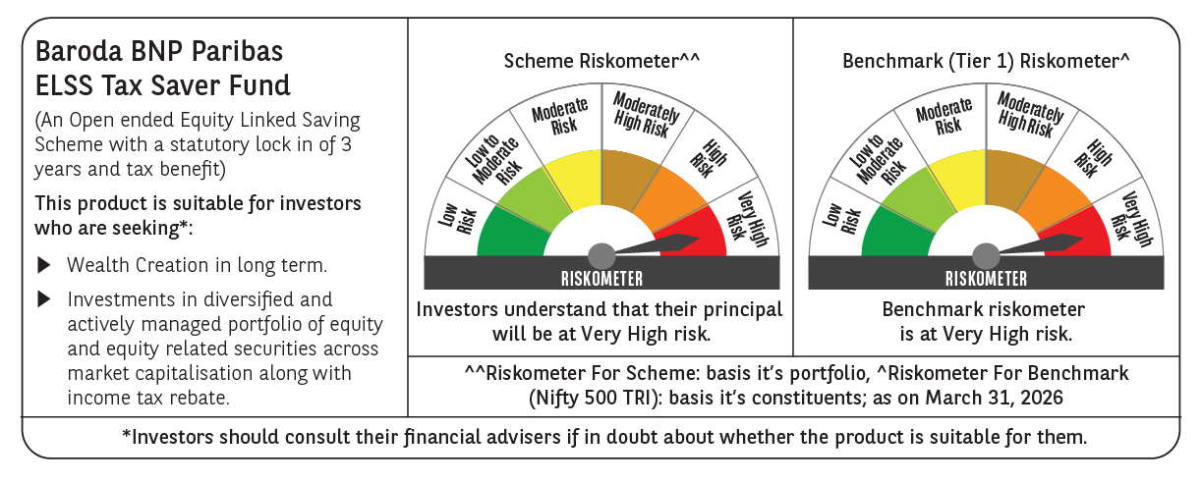

 | Monthly Performance Link: https://www.barodabnpparibasmf.in/assets/download_documents/Performance_of_Schemes-march_2026_17502.pdf

