Monthly Portfolio
 | Baroda BNP Paribas Large Cap Fund

 | Monthly Portfolio Statement as on March 31, 2026
 | Name of the Instrument | ISIN | Industry / Rating | Quantity | Market/Fair Value (Rs. in Lakhs) | % to Net Assets | YTM~ | YTC^ | null
 | Equity & Equity related
 | (a) Listed / awaiting listing on Stock Exchanges
RIND01 | Reliance Industries Limited | INE002A01018 | Petroleum Products | 1,134,000 | 15,239.83 | 6.50%
HDFB03 | HDFC Bank Limited | INE040A01034 | Banks | 1,980,000 | 14,484.69 | 6.18%
IBCL05 | ICICI Bank Limited | INE090A01021 | Banks | 1,143,000 | 13,783.44 | 5.88%
ABBP01 | Hitachi Energy India Limited | INE07Y701011 | Electrical Equipment | 42,300 | 10,251.41 | 4.37%
BTVL02 | Bharti Airtel Limited | INE397D01024 | Telecom - Services | 549,000 | 9,785.38 | 4.17%
LARS02 | Larsen & Toubro Limited | INE018A01030 | Construction | 270,000 | 9,461.07 | 4.04%
SBAI02 | State Bank of India | INE062A01020 | Banks | 774,000 | 7,580.56 | 3.23%
INFS02 | Infosys Limited | INE009A01021 | IT - Software | 540,000 | 6,753.24 | 2.88%
KOMA03 | Kotak Mahindra Bank Limited | INE237A01036 | Banks | 1,800,000 | 6,361.20 | 2.71%
SESA02 | Vedanta Limited | INE205A01025 | Diversified Metals | 900,000 | 5,893.20 | 2.51%
NTPC01 | NTPC Limited | INE733E01010 | Power | 1,530,000 | 5,670.95 | 2.42%
ZMPL01 | Eternal Limited | INE758T01015 | Retailing | 2,430,000 | 5,564.21 | 2.37%
TEMA02 | Tech Mahindra Limited | INE669C01036 | IT - Software | 360,000 | 4,982.40 | 2.13%
SPIL03 | Sun Pharmaceutical Industries Limited | INE044A01036 | Pharmaceuticals & Biotechnology | 279,000 | 4,902.59 | 2.09%
TCSL01 | Tata Consultancy Services Limited | INE467B01029 | IT - Software | 198,000 | 4,670.62 | 1.99%
DIVI02 | Divi's Laboratories Limited | INE361B01024 | Pharmaceuticals & Biotechnology | 73,800 | 4,388.89 | 1.87%
ULCC01 | UltraTech Cement Limited | INE481G01011 | Cement & Cement Products | 39,100 | 4,201.30 | 1.79%
TCAL01 | Tata Capital Limited | INE976I01016 | Finance | 1,350,000 | 4,117.50 | 1.76%
DRRL03 | Dr. Reddy's Laboratories Limited | INE089A01031 | Pharmaceuticals & Biotechnology | 315,000 | 3,952.94 | 1.69%
NEST02 | Nestle India Limited | INE239A01024 | Food Products | 324,000 | 3,806.35 | 1.62%
ITCL02 | ITC Limited | INE154A01025 | Diversified FMCG | 1,260,000 | 3,625.02 | 1.55%
PUBA02 | Punjab National Bank | INE160A01022 | Banks | 3,600,000 | 3,620.16 | 1.54%
EIML02 | Eicher Motors Limited | INE066A01021 | Automobiles | 54,000 | 3,556.44 | 1.52%
HLEL02 | Hindustan Unilever Limited | INE030A01027 | Diversified FMCG | 162,000 | 3,329.42 | 1.42%
BHAH02 | Bharat Heavy Electricals Limited | INE257A01026 | Electrical Equipment | 1,350,000 | 3,314.25 | 1.41%
BAFL03 | Bajaj Finance Limited | INE296A01032 | Finance | 405,000 | 3,246.28 | 1.38%
PGCI01 | Power Grid Corporation of India Limited | INE752E01010 | Power | 1,080,000 | 3,197.88 | 1.36%
TMLC01 | Tata Motors Ltd | INE1TAE01010 | Agricultural, Commercial & Construction Vehicles | 810,000 | 3,197.88 | 1.36%
HERO02 | Hero MotoCorp Limited | INE158A01026 | Automobiles | 63,000 | 3,189.69 | 1.36%
TWAT02 | Titan Company Limited | INE280A01028 | Consumer Durables | 77,400 | 3,058.38 | 1.30%
MAUD01 | Maruti Suzuki India Limited | INE585B01010 | Automobiles | 24,300 | 2,990.36 | 1.28%
HYUN01 | Hyundai Motor India Ltd | INE0V6F01027 | Automobiles | 162,000 | 2,880.36 | 1.23%
MOTI02 | Bosch Limited | INE323A01026 | Auto Components | 9,720 | 2,794.01 | 1.19%
JVSL04 | JSW Steel Limited | INE019A01038 | Ferrous Metals | 243,000 | 2,727.68 | 1.16%
LGEL01 | LG Electronics India Ltd | INE324D01010 | Consumer Durables | 189,000 | 2,723.49 | 1.16%
BHEL02 | Bharat Electronics Limited | INE263A01024 | Aerospace & Defense | 675,000 | 2,704.39 | 1.15%
OIIL01 | Oil India Limited | INE274J01014 | Oil | 558,000 | 2,653.01 | 1.13%
BFSL02 | Bajaj Finserv Limited | INE918I01026 | Finance | 162,000 | 2,643.52 | 1.13%
UTIB02 | Axis Bank Limited | INE238A01034 | Banks | 225,000 | 2,612.93 | 1.11%
NHPC01 | NHPC Limited | INE848E01016 | Power | 3,330,000 | 2,454.88 | 1.05%
PSYL02 | Persistent Systems Limited | INE262H01021 | IT - Software | 49,500 | 2,414.21 | 1.03%
MCSP02 | United Spirits Limited | INE854D01024 | Beverages | 198,000 | 2,413.22 | 1.03%
VNBL03 | Varun Beverages Limited | INE200M01039 | Beverages | 603,000 | 2,316.12 | 0.99%
HDLI01 | HDFC Life Insurance Company Limited | INE795G01014 | Insurance | 378,000 | 2,232.47 | 0.95%
ESCO01 | Escorts Kubota Limited | INE042A01014 | Agricultural, Commercial & Construction Vehicles | 75,600 | 2,071.67 | 0.88%
IIBL01 | IndusInd Bank Limited | INE095A01012 | Banks | 270,000 | 2,031.62 | 0.87%
HZIN02 | Hindustan Zinc Limited | INE267A01025 | Non - Ferrous Metals | 333,000 | 1,672.16 | 0.71%
TOPH02 | Torrent Pharmaceuticals Limited | INE685A01028 | Pharmaceuticals & Biotechnology | 36,000 | 1,519.27 | 0.65%
TPOW02 | Tata Power Company Limited | INE245A01021 | Power | 360,000 | 1,363.50 | 0.58%
GMRI03 | GMR Airports Limited | INE776C01039 | Transport Infrastructure | 1,260,000 | 1,067.85 | 0.46%
 | Sub Total |  |  |  | 225,473.89 | 96.14%
 | (b) Unlisted |  |  |  | NIL | NIL
 | Sub Total |  |  |  | NIL | NIL
 | Total |  |  |  | 225,473.89 | 96.14%
 | Derivatives
 | Index / Stock Futures
MCEXAPR26 | Multi Commodity Exchange of India Limited April 2026 Future |  |  | 118,125 | 2,828.03 | 1.21%
PGCIAPR26 | Power Grid Corporation of India Limited April 2026 Future |  |  | 342,000 | 1,014.20 | 0.43%
 | Sub Total |  |  |  | 3,842.23 | 1.64%
 | Total |  |  |  | 3,842.23 | 1.64%
 | Money Market Instruments
 | Treasury Bill
TBIL2525 | 364 Days Tbill (MD 25/06/2026) | IN002025Z138 | Sovereign | 1,500,000 | 1,481.40 | 0.63% | 5.39%
TBIL2636 | 364 Days Tbill (MD 04/02/2027) | IN002025Z443 | Sovereign | 1,200,000 | 1,145.22 | 0.49% | 5.65%
 | Sub Total |  |  |  | 2,626.62 | 1.12%
 | Total |  |  |  | 2,626.62 | 1.12%
 | Reverse Repo / TREPS
TRP_020426 | Clearing Corporation of India Ltd |  |  |  | 7,430.72 | 3.17% | 6.64%
 | Sub Total |  |  |  | 7,430.72 | 3.17%
 | Total |  |  |  | 7,430.72 | 3.17%
 | Net Receivables / (Payables) |  |  |  | (4,952.96) | (2.07)%
 | GRAND TOTAL |  |  |  | 234,420.50 | 100.00%

 | ~ YTM as on March 31, 2026
 | ^ YTC represents Yield to Call provided by valuation agencies as on March 31, 2026. It is disclosed for Perpetual Bond issued by Banks (i.e. AT-1 Bond / Tier 1 Bond / Tier 2 Bond), as per AMFI Best Practices Guidelines Circular no. 135/BP/91/2020-21 read with SEBI circular No. SEBI/HO/IMD/DF4/CIR/P/2021/034 on Valuation of AT-1 Bonds and Tier 2 Bonds.
 | Details of Stock Future / Index Future
 | Long/Short | Name of the Instrument | Industry | Quantity. | Market/Fair Value (Rs. in Lacs). | % to NAV.
 | Long | Multi Commodity Exchange of India Limited_28/04/2026 | Capital Markets | 118,125 | 2,828.03 | 1.21%
 | Long | Power Grid Corporation of India Limited_28/04/2026 | Power | 342,000 | 1,014.20 | 0.43%

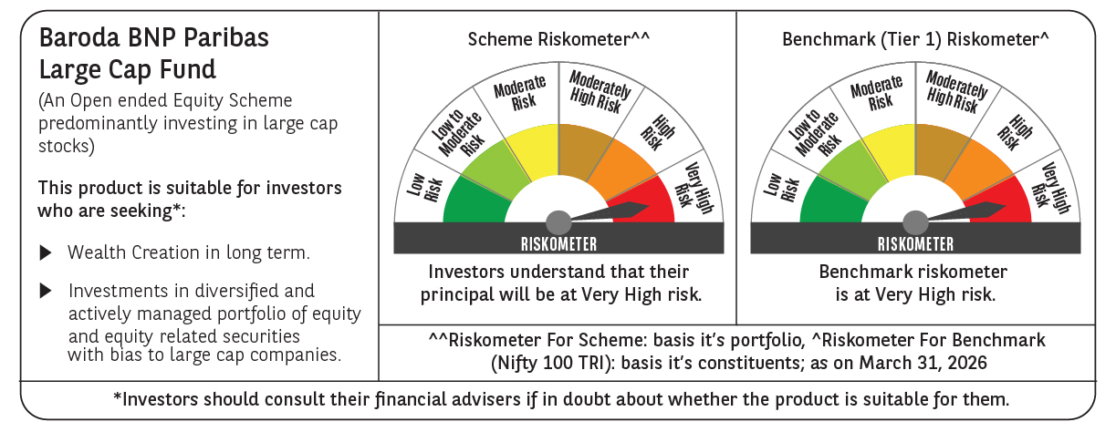

 | Monthly Performance Link: https://www.barodabnpparibasmf.in/assets/download_documents/Performance_of_Schemes-march_2026_17502.pdf

