Monthly Portfolio
 | Baroda BNP Paribas NIFTY SDL December 2026 Index Fund

 | Monthly Portfolio Statement as on March 31, 2026
 | Name of the Instrument | ISIN | Rating | Quantity | Market/Fair Value (Rs. in Lakhs) | % to Net Assets | YTM~ | YTC^ | null
 | Debt Instruments
 | (a) Listed / awaiting listing on Stock Exchange
GOI1686 | 7.25% State Government Securities (28/12/2026) | IN2220160120 | Sovereign | 4,700,000 | 4,745.28 | 35.82% | 5.97%
GOI2505 | 7.24% State Government Securities (28/12/2026) | IN1520160160 | Sovereign | 2,500,000 | 2,523.91 | 19.05% | 5.97%
GOI2497 | 7.08% State Government Securities (14/12/2026) | IN1920160059 | Sovereign | 2,500,000 | 2,519.97 | 19.02% | 5.97%
GOI2070 | 7.27% State Government Securities (28/12/2026) | IN1920160067 | Sovereign | 1,500,000 | 1,514.67 | 11.43% | 5.97%
GOI2529 | 7.07% State Government Securities (14/12/2026) | IN3120160152 | Sovereign | 1,000,000 | 1,007.92 | 7.61% | 5.97%
GOI6803 | 7.25% State Government Securities (28/12/2026) | IN1020160413 | Sovereign | 500,000 | 504.61 | 3.81% | 6.03%
 | Sub Total |  |  |  | 12,816.36 | 96.74%
 | (b) Privately placed / Unlisted |  |  |  | NIL | NIL
 | Sub Total |  |  |  | NIL | NIL
 | Total |  |  |  | 12,816.36 | 96.74%
 | Reverse Repo / TREPS
TRP_020426 | Clearing Corporation of India Ltd |  |  |  | 2,769.61 | 20.91% | 6.64%
 | Sub Total |  |  |  | 2,769.61 | 20.91%
 | (b) Privately placed / Unlisted |  |  |  | NIL | NIL
 | Sub Total |  |  |  | NIL | NIL
 | Total |  |  |  | 2,769.61 | 20.91%
 | Net Receivables / (Payables) |  |  |  | (2,338.79) | (17.65)%
 | GRAND TOTAL |  |  |  | 13,247.18 | 100.00%

 | Issuer | Index Weight | Portfolio Weight | Replication Factor
 | G-Secs / T-Bills | 0% | 0% | 0%
 | SDLs | 100% | 97% | 97%
 | Cash & Cash Equivalents | 0% | 3% | 0%
 | Total | 100% | 100% | 97%

 | ~ YTM as on March 31, 2026
 | ^ YTC represents Yield to Call provided by valuation agencies as on March 31, 2026. It is disclosed for Perpetual Bond issued by Banks (i.e. AT-1 Bond / Tier 1 Bond / Tier 2 Bond), as per AMFI Best Practices Guidelines Circular no. 135/BP/91/2020-21 read with SEBI circular No. SEBI/HO/IMD/DF4/CIR/P/2021/034 on Valuation of AT-1 Bonds and Tier 2 Bonds.

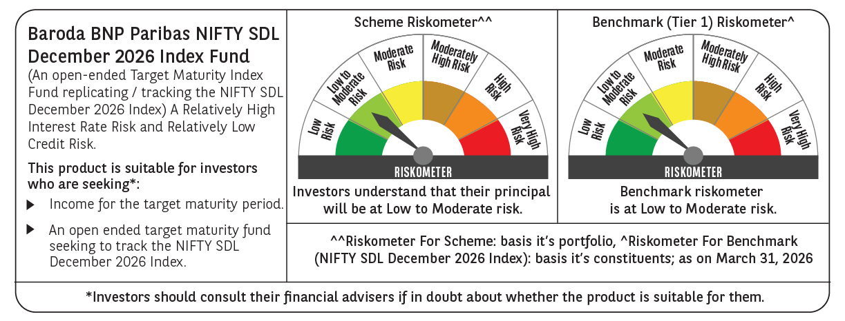



 | Monthly Performance Link: https://www.barodabnpparibasmf.in/assets/download_documents/Performance_of_Schemes-march_2026_17502.pdf

