Monthly Portfolio
 | Baroda BNP Paribas Corporate Bond Fund

 | Monthly Portfolio Statement as on March 31, 2026
 | Name of the Instrument | ISIN | Industry / Rating | Quantity | Market/Fair Value (Rs. in Lakhs) | % to Net Assets | YTM~ | YTC^ | null
 | Equity & Equity related
 | (b) Invits
NHIT01 | National Highways Infra Trust | INE0H7R23014 | Transport Infrastructure | 450,000 | 738.00 | 2.70%
PIIT01 | Powergrid Infrastructure Investment Trust | INE0GGX23010 | Power | 301,229 | 271.68 | 0.99%
IGIF01 | IndiGrid Infrastructure Trust | INE219X23014 | Power | 115,337 | 190.81 | 0.70%
RIIT01 | Raajmarg Infra Investment Trust | INE2PB023011 | Transport Infrastructure | 7,764 | 8.55 | 0.03%
 | Sub Total |  |  |  | 1,209.04 | 4.42%
 | Total |  |  |  | 1,209.04 | 4.42%
 | Debt Instruments
 | (a) Listed / awaiting listing on Stock Exchange
NTPC166 | 7.32% NTPC Limited (17/07/2029) ** | INE733E07KL3 | CRISIL AAA | 150 | 1,499.41 | 5.48% | 7.31%
SIDB598 | 7.39% Small Industries Dev Bank of India (21/03/2030) | INE556F08KY6 | CRISIL AAA | 1,200 | 1,193.11 | 4.36% | 7.56%
HPEC303 | 7.74% Hindustan Petroleum Corporation Limited (02/03/2028) ** | INE094A08150 | CRISIL AAA | 1,000 | 1,006.71 | 3.68% | 7.34%
LICH680 | 7.74% LIC Housing Finance Limited (11/02/2028) ** | INE115A07QW5 | CRISIL AAA | 1,000 | 1,001.18 | 3.66% | 7.65%
TCHF414 | 7.712% Tata Capital Housing Finance Limited (14/01/2028) ** | INE033L07IK9 | CRISIL AAA | 1,000 | 999.97 | 3.66% | 7.69%
GAIL40 | 7.34% GAIL (India) Limited (20/12/2027) ** | INE129A08014 | CARE AAA | 100 | 999.95 | 3.66% | 7.31%
LICH678 | 7.8650% LIC Housing Finance Limited (20/08/2026) ** | INE115A07QT1 | CRISIL AAA | 1,000 | 999.62 | 3.65% | 7.60%
ULCC169 | 7.34% UltraTech Cement Limited (03/03/2028) ** | INE481G08123 | CRISIL AAA | 1,000 | 999.40 | 3.65% | 7.37%
HPEC301 | 7.54% Hindustan Petroleum Corporation Limited (15/04/2033) ** | INE094A08143 | CRISIL AAA | 100 | 999.00 | 3.65% | 7.56%
BAFL943 | 7.7951% Bajaj Finance Limited (10/12/2027) | INE296A07TF2 | CRISIL AAA | 1,000 | 998.54 | 3.65% | 7.85%
IRLY383 | 7.37% Indian Railway Finance Corporation Limited (31/07/2029) ** | INE053F08411 | CRISIL AAA | 1,000 | 996.20 | 3.64% | 7.52%
IOIC673 | 7.25% Indian Oil Corporation Limited (05/01/2030) ** | INE242A08569 | CRISIL AAA | 1,000 | 995.89 | 3.64% | 7.37%
EOPR38 | 7.21% Embassy Office Parks REIT (17/03/2028) ** | INE041007167 | CRISIL AAA | 1,000 | 991.81 | 3.63% | 7.88%
MEBP36 | 7% Mindspace Business Parks REIT (14/09/2027) ** | INE0CCU07165 | CRISIL AAA | 1,000 | 991.12 | 3.62% | 7.87%
BAFL990 | 7.07% Bajaj Finance Limited (21/09/2028) ** | INE296A07TN6 | CRISIL AAA | 1,000 | 982.35 | 3.59% | 7.84%
RIND263 | 8.65% Reliance Industries Limited (11/12/2028) ** | INE002A08567 | CRISIL AAA | 80 | 824.79 | 3.02% | 7.32%
GOI6919 | 6.01% Government of India (21/07/2030) | IN0020250067 | Sovereign | 800,000 | 777.62 | 2.84% | 6.88%
PGCI455 | 7.52% Power Grid Corporation of India Limited (23/03/2033) ** | INE752E08684 | CRISIL AAA | 1,000 | 728.09 | 2.66% | 7.59%
GOI5228 | 7.18% Government of India (14/08/2033) | IN0020230085 | Sovereign | 600,000 | 603.00 | 2.20% | 7.22%
RUPL50 | 7.90% Jamnagar Utilities & Power Private Limited (10/08/2028) ** | INE936D07182 | CRISIL AAA | 500 | 502.22 | 1.84% | 7.66%
NHBA329 | 7.59% National Housing Bank (14/07/2027) ** | INE557F08FY4 | CRISIL AAA | 500 | 500.95 | 1.83% | 7.42%
EXIM794 | 7.35% Export Import Bank of India (27/07/2028) ** | INE514E08GE8 | CRISIL AAA | 500 | 499.42 | 1.83% | 7.42%
NBAR719 | 7.50% National Bank For Agriculture and Rural Development (31/08/2026) ** | INE261F08EA6 | CRISIL AAA | 500 | 499.23 | 1.83% | 7.55%
SIDB657 | 7.22% Small Industries Dev Bank of India (10/04/2029) | INE556F08LC0 | CRISIL AAA | 500 | 495.83 | 1.81% | 7.54%
BHAT85 | 7.35% Bharti Telecom Limited (15/10/2027) ** | INE403D08272 | CRISIL AAA | 500 | 495.18 | 1.81% | 7.99%
BSNL21 | 6.79% Bharat Sanchar Nigam Limited (23/09/2030) ** | INE103D08021 | CRISIL AAA(CE) | 30 | 288.86 | 1.06% | 7.94%
GOI4485 | 7.38% Government of India (20/06/2027) | IN0020220037 | Sovereign | 100,000 | 101.80 | 0.37% | 5.90%
 | Sub Total |  |  |  | 21,971.25 | 80.32%
 | (b) Privately placed / Unlisted |  |  |  | NIL | NIL
 | Sub Total |  |  |  | NIL | NIL
 | (d) Securitised Debt
VAJR29 | Vajra Trust (20/06/2031) ** | INE20NI15047 | CRISIL AAA(SO) | 5 | 494.93 | 1.81% | 10.20%
IUNT24 | India Universal Trust (21/11/2027) ** | INE1CBK15029 | CRISIL AAA(SO) | 5 | 341.02 | 1.25% | 8.39%
VAJR28 | Vajra Trust (20/01/2029) ** | INE20NI15039 | CRISIL AAA(SO) | 3 | 298.10 | 1.09% | 10.19%
SATR47 | Sansar Trust (25/09/2029) ** | INE17O215012 | CRISIL AAA(SO) | 30,000,000 | 104.07 | 0.38% | 9.30%
 | Sub Total |  |  |  | 1,238.12 | 4.53%
 | (b) Privately placed / Unlisted |  |  |  | NIL | NIL
 | Sub Total |  |  |  | NIL | NIL
 | Total |  |  |  | 23,209.37 | 84.85%
 | Money Market Instruments
 | Certificate of Deposit
INBK515 | Indian Bank (12/01/2027) ** # | INE562A16QE7 | CRISIL A1+ | 140 | 662.13 | 2.42% | 7.30%
 | Sub Total |  |  |  | 662.13 | 2.42%
 | Total |  |  |  | 662.13 | 2.42%
 | Others
 | Corporate Debt Market Development Fund
CDMD50ME | Corporate Debt Market Development Fund # | INF0RQ622028 |  | 1,106 | 129.30 | 0.47% | 5.72%
 | Sub Total |  |  |  | 129.30 | 0.47%
 | Total |  |  |  | 129.30 | 0.47%
 | Reverse Repo / TREPS
TRP_020426 | Clearing Corporation of India Ltd |  |  |  | 848.62 | 3.10% | 6.64%
 | Sub Total |  |  |  | 848.62 | 3.10%
 | (b) Privately placed / Unlisted |  |  |  | NIL | NIL
 | Sub Total |  |  |  | NIL | NIL
 | Total |  |  |  | 848.62 | 3.10%
 | Net Receivables / (Payables) |  |  |  | 1,291.84 | 4.74%
 | GRAND TOTAL |  |  |  | 27,350.30 | 100.00%

 | ** Thinly Traded / Non Traded Security
 | # Unlisted Security
 | ~ YTM as on March 31, 2026
 | ^ YTC represents Yield to Call provided by valuation agencies as on March 31, 2026. It is disclosed for Perpetual Bond issued by Banks (i.e. AT-1 Bond / Tier 1 Bond / Tier 2 Bond), as per AMFI Best Practices Guidelines Circular no. 135/BP/91/2020-21 read with SEBI circular No. SEBI/HO/IMD/DF4/CIR/P/2021/034 on Valuation of AT-1 Bonds and Tier 2 Bonds.

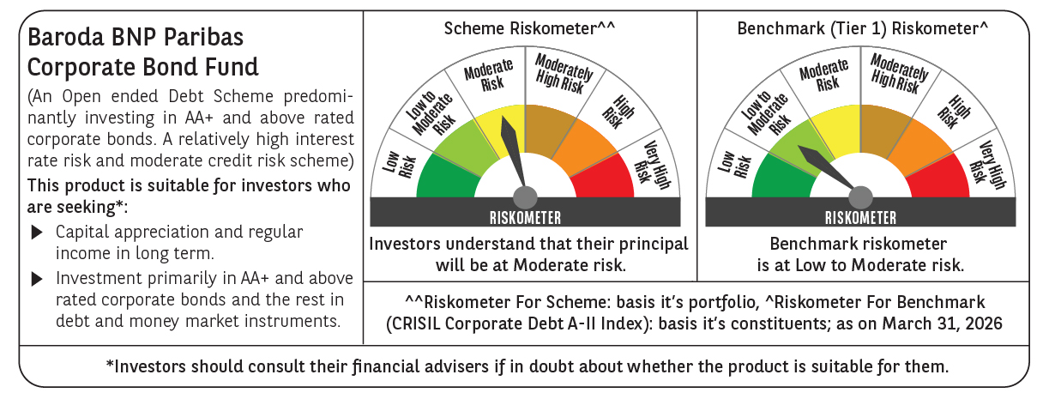



 | Monthly Performance Link: https://www.barodabnpparibasmf.in/assets/download_documents/Performance_of_Schemes-march_2026_17502.pdf

