Monthly Portfolio
 | Baroda BNP Paribas Dynamic Bond Fund

 | Monthly Portfolio Statement as on March 31, 2026
 | Name of the Instrument | ISIN | Industry / Rating | Quantity | Market/Fair Value (Rs. in Lakhs) | % to Net Assets | YTM~ | YTC^ | null
 | Equity & Equity related
 | (b) Invits
RIIT01 | Raajmarg Infra Investment Trust | INE2PB023011 | Transport Infrastructure | 15,527 | 17.09 | 0.13%
 | Sub Total |  |  |  | 17.09 | 0.13%
 | Total |  |  |  | 17.09 | 0.13%
 | Debt Instruments
 | (a) Listed / awaiting listing on Stock Exchange
GOI6919 | 6.01% Government of India (21/07/2030) | IN0020250067 | Sovereign | 2,500,000 | 2,430.07 | 18.13% | 6.88%
EXIM794 | 7.35% Export Import Bank of India (27/07/2028) ** | INE514E08GE8 | CRISIL AAA | 1,000 | 998.84 | 7.45% | 7.42%
NBAR838 | 7.48% National Bank For Agriculture and Rural Development (15/09/2028) | INE261F08EO7 | CRISIL AAA | 1,000 | 998.02 | 7.45% | 7.54%
GOI6156 | 6.79% Government of India (07/10/2034) | IN0020240126 | Sovereign | 1,000,000 | 982.68 | 7.33% | 7.19%
RECL473 | 6.87% REC Limited (31/05/2030) ** | INE020B08FU0 | ICRA AAA | 900 | 878.28 | 6.55% | 7.56%
GOI7094 | 6.48% Government of India (06/10/2035) | IN0020250091 | Sovereign | 850,000 | 818.54 | 6.11% | 7.14%
NHBA329 | 7.59% National Housing Bank (14/07/2027) ** | INE557F08FY4 | CRISIL AAA | 700 | 701.34 | 5.23% | 7.42%
GOI7411 | 6.36% Government of India (16/02/2031) | IN0020250141 | Sovereign | 500,000 | 492.07 | 3.67% | 6.86%
GOI6960 | 7.24% Government of India (18/08/2055) | IN0020250075 | Sovereign | 500,000 | 470.71 | 3.51% | 7.90%
GOI5228 | 7.18% Government of India (14/08/2033) | IN0020230085 | Sovereign | 400,000 | 402.00 | 3.00% | 7.22%
GOI2174 | 8.26% State Government Securities (02/01/2029) | IN2220180060 | Sovereign | 500 | 0.52 | 0.00% | 7.00%
GOI1830 | 7.64% State Government Securities (29/03/2027) | IN1620160292 | Sovereign | 300 | 0.30 | 0.00% | 6.12%
 | Sub Total |  |  |  | 9,173.37 | 68.43%
 | (b) Privately placed / Unlisted |  |  |  | NIL | NIL
 | Sub Total |  |  |  | NIL | NIL
 | Total |  |  |  | 9,173.37 | 68.43%
 | Money Market Instruments
 | Certificate of Deposit
INBK515 | Indian Bank (12/01/2027) ** # | INE562A16QE7 | CRISIL A1+ | 260 | 1,229.66 | 9.17% | 7.30%
CANB1077 | Canara Bank (03/06/2026) # | INE476A16F60 | CRISIL A1+ | 100 | 493.72 | 3.68% | 7.36%
IBCL1180 | ICICI Bank Limited (27/01/2027) ** # | INE090AD6279 | ICRA A1+ | 100 | 471.98 | 3.52% | 7.20%
 | Sub Total |  |  |  | 2,195.36 | 16.37%
 | Total |  |  |  | 2,195.36 | 16.37%
 | Others
 | Corporate Debt Market Development Fund
CDMD50ME | Corporate Debt Market Development Fund # | INF0RQ622028 |  | 516 | 60.34 | 0.45% | 5.72%
 | Sub Total |  |  |  | 60.34 | 0.45%
 | Total |  |  |  | 60.34 | 0.45%
 | Reverse Repo / TREPS
TRP_020426 | Clearing Corporation of India Ltd |  |  |  | 1,410.66 | 10.52% | 6.64%
 | Sub Total |  |  |  | 1,410.66 | 10.52%
 | (b) Privately placed / Unlisted |  |  |  | NIL | NIL
 | Sub Total |  |  |  | NIL | NIL
 | Total |  |  |  | 1,410.66 | 10.52%
 | Net Receivables / (Payables) |  |  |  | 546.41 | 4.10%
 | GRAND TOTAL |  |  |  | 13,403.23 | 100.00%

 | ** Thinly Traded / Non Traded Security
 | # Unlisted Security
 | $ Less Than 0.01% of Net Asset Value
 | ~ YTM as on March 31, 2026
 | ^ YTC represents Yield to Call provided by valuation agencies as on March 31, 2026. It is disclosed for Perpetual Bond issued by Banks (i.e. AT-1 Bond / Tier 1 Bond / Tier 2 Bond), as per AMFI Best Practices Guidelines Circular no. 135/BP/91/2020-21 read with SEBI circular No. SEBI/HO/IMD/DF4/CIR/P/2021/034 on Valuation of AT-1 Bonds and Tier 2 Bonds.

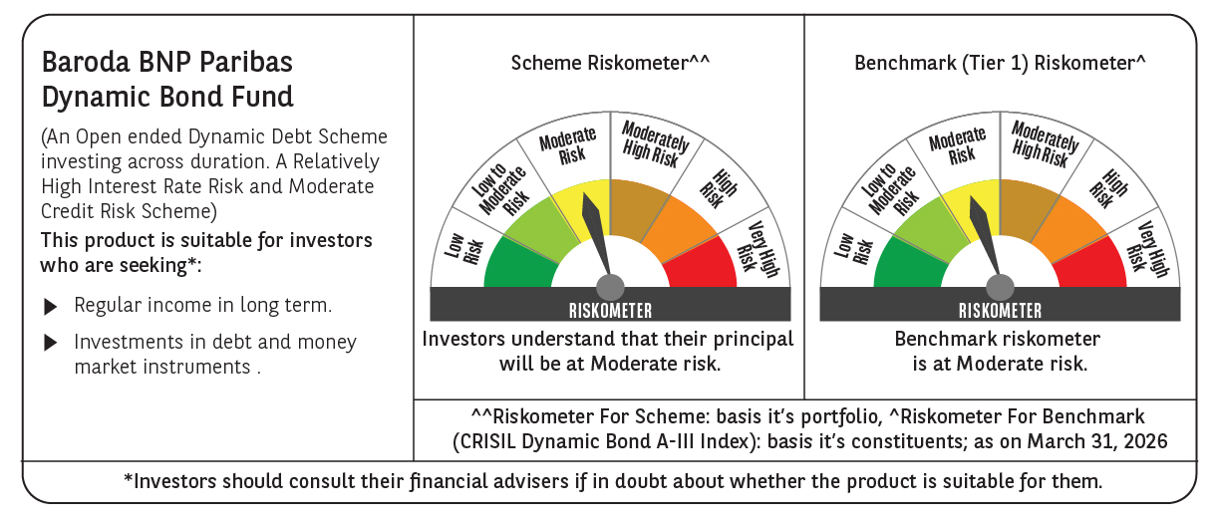



 | Monthly Performance Link: https://www.barodabnpparibasmf.in/assets/download_documents/Performance_of_Schemes-march_2026_17502.pdf

