Monthly Portfolio
 | Baroda BNP Paribas Low Duration Fund

 | Monthly Portfolio Statement as on March 31, 2026
 | Name of the Instrument | ISIN | Rating | Quantity | Market/Fair Value (Rs. in Lakhs) | % to Net Assets | YTM~ | YTC^ | null
 | Debt Instruments
 | (a) Listed / awaiting listing on Stock Exchange
IRLY371 | 7.23% Indian Railway Finance Corporation Limited (15/10/2026) ** | INE053F08304 | CRISIL AAA | 2,000 | 1,999.61 | 7.69% | 7.37%
NBAR719 | 7.50% National Bank For Agriculture and Rural Development (31/08/2026) ** | INE261F08EA6 | CRISIL AAA | 1,900 | 1,897.08 | 7.30% | 7.55%
RECL474 | 6.52% REC Limited (31/01/2028) ** | INE020B08FW6 | ICRA AAA | 1,300 | 1,278.89 | 4.92% | 7.48%
PHFP225 | 8.15% PNB Housing Finance Limited (29/07/2027) ** | INE572E07183 | CARE AA+ | 1,000 | 1,003.64 | 3.86% | 7.80%
PFPL129 | 9% Piramal Finance Limited (28/06/2027) ** | INE202B07JT0 | ICRA AA+ | 1,000 | 1,002.08 | 3.86% | 8.77%
SHTR490 | 8.75% Shriram Finance Limited (15/06/2026) ** | INE721A07RH9 | CRISIL AA+ | 1,000 | 1,000.59 | 3.85% | 8.42%
LICH678 | 7.8650% LIC Housing Finance Limited (20/08/2026) ** | INE115A07QT1 | CRISIL AAA | 1,000 | 999.62 | 3.85% | 7.60%
MEBP36 | 7% Mindspace Business Parks REIT (14/09/2027) ** | INE0CCU07165 | CRISIL AAA | 1,000 | 991.12 | 3.81% | 7.87%
TOPL49 | 8.32% Torrent Power Limited (28/02/2027) ** | INE813H07382 | CRISIL AA+ | 900 | 904.49 | 3.48% | 7.72%
RECL428 | 7.56% REC Limited (30/06/2026) ** | INE020B08ED9 | CRISIL AAA | 900 | 899.27 | 3.46% | 7.47%
BAFL943 | 7.7951% Bajaj Finance Limited (10/12/2027) | INE296A07TF2 | CRISIL AAA | 700 | 698.98 | 2.69% | 7.85%
GOI5817 | 7.04% Government of India (03/06/2029) | IN0020240050 | Sovereign | 600,000 | 608.43 | 2.34% | 6.64%
ICFP147 | 10.5% IndoStar Capital Finance Limited (25/09/2026) ** | INE896L07983 | CARE AA- | 50,000 | 502.96 | 1.94% | 8.75%
GOI6306 | 6.75% Government of India (23/12/2029) | IN0020240183 | Sovereign | 500,000 | 502.08 | 1.93% | 6.73%
EOPR38 | 7.21% Embassy Office Parks REIT (17/03/2028) ** | INE041007167 | CRISIL AAA | 500 | 495.91 | 1.91% | 7.88%
BHAT85 | 7.35% Bharti Telecom Limited (15/10/2027) ** | INE403D08272 | CRISIL AAA | 500 | 495.18 | 1.91% | 7.99%
MEBP27 | 8.02% Mindspace Business Parks REIT (13/04/2026) ** | INE0CCU07074 | CRISIL AAA | 400 | 399.98 | 1.54% | 8.18%
GOI4485 | 7.38% Government of India (20/06/2027) | IN0020220037 | Sovereign | 200,000 | 203.60 | 0.78% | 5.90%
SHTR526 | 8.7% Shriram Finance Limited (09/04/2028) ** | INE721A07SL9 | CRISIL AA+ | 200 | 201.71 | 0.78% | 8.22%
 | Sub Total |  |  |  | 16,085.22 | 61.90%
 | (b) Privately placed / Unlisted |  |  |  | NIL | NIL
 | Sub Total |  |  |  | NIL | NIL
 | (c) Securitised Debt
VAJR28 | Vajra Trust (20/01/2029) ** | INE20NI15039 | CRISIL AAA(SO) | 5 | 496.83 | 1.91% | 10.19%
IUNT23 | India Universal Trust (21/11/2026) ** | INE1CBK15011 | CRISIL AAA(SO) | 5 | 104.30 | 0.40% | 8.15%
 | Sub Total |  |  |  | 601.13 | 2.31%
 | (b) Privately placed / Unlisted |  |  |  | NIL | NIL
 | Sub Total |  |  |  | NIL | NIL
 | Total |  |  |  | 16,686.35 | 64.21%
 | Money Market Instruments
 | Certificate of Deposit
IIBL1010 | IndusInd Bank Limited (27/01/2027) ** # | INE095A169C7 | CRISIL A1+ | 400 | 1,880.57 | 7.24% | 7.70%
EXIM808 | Export Import Bank of India (11/06/2026) ** # | INE514E16CM3 | CRISIL A1+ | 300 | 1,478.87 | 5.69% | 7.35%
UTIB1363 | Axis Bank Limited (25/06/2026) ** # | INE238AD6AZ4 | CRISIL A1+ | 200 | 983.11 | 3.78% | 7.38%
IBCL1180 | ICICI Bank Limited (27/01/2027) ** # | INE090AD6279 | ICRA A1+ | 200 | 943.95 | 3.63% | 7.20%
CANB1077 | Canara Bank (03/06/2026) # | INE476A16F60 | CRISIL A1+ | 180 | 888.70 | 3.42% | 7.36%
HDFB1041 | HDFC Bank Limited (24/02/2027) ** # | INE040A16IO0 | CARE A1+ | 160 | 750.20 | 2.89% | 7.37%
UNBI444 | Union Bank of India (25/06/2026) ** # | INE692A16JQ1 | ICRA A1+ | 100 | 491.55 | 1.89% | 7.38%
 | Sub Total |  |  |  | 7,416.95 | 28.54%
 | Commercial Paper
CHOL1101 | Cholamandalam Investment and Finance Company Ltd (27/11/2026) ** | INE121A14YB7 | ICRA A1+ | 200 | 950.83 | 3.66% | 7.86%
 | Sub Total |  |  |  | 950.83 | 3.66%
 | Total |  |  |  | 8,367.78 | 32.20%
 | Others
 | Corporate Debt Market Development Fund
CDMD50ME | Corporate Debt Market Development Fund # | INF0RQ622028 |  | 746 | 87.27 | 0.34% | 5.72%
 | Sub Total |  |  |  | 87.27 | 0.34%
 | Total |  |  |  | 87.27 | 0.34%
 | Reverse Repo / TREPS
TRP_020426 | Clearing Corporation of India Ltd |  |  |  | 62.54 | 0.24% | 6.64%
 | Sub Total |  |  |  | 62.54 | 0.24%
 | (b) Privately placed / Unlisted |  |  |  | NIL | NIL
 | Sub Total |  |  |  | NIL | NIL
 | Total |  |  |  | 62.54 | 0.24%
 | Net Receivables / (Payables) |  |  |  | 788.68 | 3.01%
 | GRAND TOTAL |  |  |  | 25,992.62 | 100.00%

 | ** Thinly Traded / Non Traded Security
 | # Unlisted Security
 | ~ YTM as on March 31, 2026
 | ^ YTC represents Yield to Call provided by valuation agencies as on March 31, 2026. It is disclosed for Perpetual Bond issued by Banks (i.e. AT-1 Bond / Tier 1 Bond / Tier 2 Bond), as per AMFI Best Practices Guidelines Circular no. 135/BP/91/2020-21 read with SEBI circular No. SEBI/HO/IMD/DF4/CIR/P/2021/034 on Valuation of AT-1 Bonds and Tier 2 Bonds.

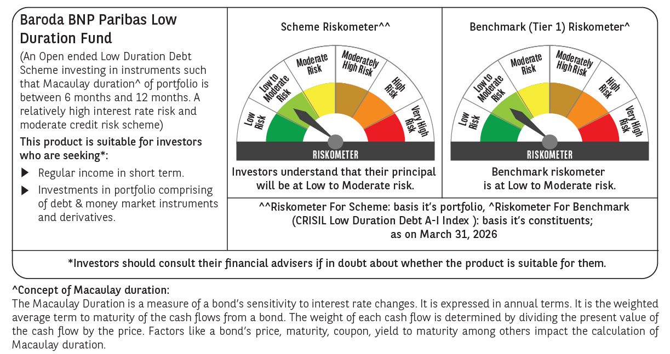




 | Monthly Performance Link: https://www.barodabnpparibasmf.in/assets/download_documents/Performance_of_Schemes-march_2026_17502.pdf

