YR56
 | Baroda BNP Paribas Business Cycle Fund

 | Monthly Portfolio Statement as on February 28, 2026
 | Name of the Instrument | ISIN | Industry / Rating | Quantity | Market/Fair Value (Rs. in Lakhs) | % to Net Assets | YTM~ | YTC^ | null
 | Equity & Equity related
 | (a) Listed / awaiting listing on Stock Exchanges
IBCL05 | ICICI Bank Limited | INE090A01021 | Banks | 225,000 | 3,102.53 | 5.47%
HDFB03 | HDFC Bank Limited | INE040A01034 | Banks | 342,000 | 3,036.11 | 5.35%
RIND01 | Reliance Industries Limited | INE002A01018 | Petroleum Products | 207,000 | 2,885.37 | 5.08%
ABBP01 | Hitachi Energy India Limited | INE07Y701011 | Electrical Equipment | 10,980 | 2,806.71 | 4.95%
LARS02 | Larsen & Toubro Limited | INE018A01030 | Construction | 63,000 | 2,695.33 | 4.75%
SPIL03 | Sun Pharmaceutical Industries Limited | INE044A01036 | Pharmaceuticals & Biotechnology | 94,500 | 1,641.47 | 2.89%
SBAI02 | State Bank of India | INE062A01020 | Banks | 130,500 | 1,568.22 | 2.76%
KOMA03 | Kotak Mahindra Bank Limited | INE237A01036 | Banks | 315,000 | 1,307.88 | 2.30%
SAEL02 | TVS Motor Company Limited | INE494B01023 | Automobiles | 32,400 | 1,253.78 | 2.21%
BTVL02 | Bharti Airtel Limited | INE397D01024 | Telecom - Services | 63,000 | 1,183.96 | 2.09%
DIVI02 | Divi's Laboratories Limited | INE361B01024 | Pharmaceuticals & Biotechnology | 18,000 | 1,153.53 | 2.03%
EIML02 | Eicher Motors Limited | INE066A01021 | Automobiles | 13,500 | 1,081.42 | 1.91%
INFS02 | Infosys Limited | INE009A01021 | IT - Software | 81,000 | 1,053.08 | 1.86%
NEST02 | Nestle India Limited | INE239A01024 | Food Products | 81,000 | 1,046.28 | 1.84%
PSYL02 | Persistent Systems Limited | INE262H01021 | IT - Software | 20,700 | 979.73 | 1.73%
WABT01 | ZF Commercial Vehicle Control Systems India Limited | INE342J01019 | Auto Components | 6,300 | 955.33 | 1.68%
TMLC01 | Tata Motors Ltd | INE1TAE01010 | Agricultural, Commercial & Construction Vehicles | 189,000 | 955.02 | 1.68%
BHAH02 | Bharat Heavy Electricals Limited | INE257A01026 | Electrical Equipment | 360,000 | 953.82 | 1.68%
ZMPL01 | Eternal Limited | INE758T01015 | Retailing | 378,000 | 931.01 | 1.64%
PINP01 | Pine Labs Limited | INE15B701018 | Financial Technology (Fintech) | 450,000 | 855.95 | 1.51%
BOCL01 | Linde India Limited | INE473A01011 | Chemicals & Petrochemicals | 12,600 | 847.98 | 1.49%
HZIN02 | Hindustan Zinc Limited | INE267A01025 | Non - Ferrous Metals | 135,000 | 815.13 | 1.44%
FEBA02 | The Federal Bank Limited | INE171A01029 | Banks | 270,000 | 809.60 | 1.43%
ICEM01 | The India Cements Limited | INE383A01012 | Cement & Cement Products | 198,000 | 803.88 | 1.42%
MAUD01 | Maruti Suzuki India Limited | INE585B01010 | Automobiles | 5,400 | 802.28 | 1.41%
PHMI02 | The Phoenix Mills Limited | INE211B01039 | Realty | 46,800 | 776.22 | 1.37%
UTIB02 | Axis Bank Limited | INE238A01034 | Banks | 54,000 | 747.31 | 1.32%
ITCL02 | ITC Limited | INE154A01025 | Diversified FMCG | 225,000 | 705.60 | 1.24%
YESB03 | Yes Bank Limited | INE528G01035 | Banks | 3,330,000 | 689.98 | 1.22%
BFSL02 | Bajaj Finserv Limited | INE918I01026 | Finance | 34,200 | 681.74 | 1.20%
BHEL02 | Bharat Electronics Limited | INE263A01024 | Aerospace & Defense | 153,000 | 680.39 | 1.20%
FRHL01 | Fortis Healthcare Limited | INE061F01013 | Healthcare Services | 72,000 | 678.71 | 1.20%
SOKO03 | Jtekt India Limited | INE643A01035 | Auto Components | 441,000 | 658.32 | 1.16%
LGEL01 | LG Electronics India Ltd | INE324D01010 | Consumer Durables | 41,400 | 657.85 | 1.16%
ASEA02 | ABB India Limited | INE117A01022 | Electrical Equipment | 10,800 | 655.88 | 1.16%
IIFM02 | 360 One WAM Limited | INE466L01038 | Capital Markets | 58,500 | 645.61 | 1.14%
TCSL01 | Tata Consultancy Services Limited | INE467B01029 | IT - Software | 24,300 | 640.89 | 1.13%
NHPC01 | NHPC Limited | INE848E01016 | Power | 828,000 | 623.73 | 1.10%
SCLB01 | Leela Palaces Hotels & Resorts Limited | INE0AQ201015 | Leisure Services | 135,000 | 612.29 | 1.08%
COLG02 | Colgate Palmolive (India) Limited | INE259A01022 | Personal Products | 27,000 | 608.72 | 1.07%
TCAL01 | Tata Capital Limited | INE976I01016 | Finance | 180,000 | 600.48 | 1.06%
MOTI02 | Bosch Limited | INE323A01026 | Auto Components | 1,620 | 590.09 | 1.04%
TOPH02 | Torrent Pharmaceuticals Limited | INE685A01028 | Pharmaceuticals & Biotechnology | 13,500 | 585.00 | 1.03%
HYUN01 | Hyundai Motor India Ltd | INE0V6F01027 | Automobiles | 27,000 | 584.66 | 1.03%
TWAT02 | Titan Company Limited | INE280A01028 | Consumer Durables | 13,500 | 584.21 | 1.03%
HDLI01 | HDFC Life Insurance Company Limited | INE795G01014 | Insurance | 81,000 | 579.39 | 1.02%
DRRL03 | Dr. Reddy's Laboratories Limited | INE089A01031 | Pharmaceuticals & Biotechnology | 45,000 | 578.84 | 1.02%
ICII01 | Akzo Nobel India Limited | INE133A01011 | Consumer Durables | 19,000 | 557.71 | 0.98%
SAGI01 | Sagility Limited | INE0W2G01015 | IT - Services | 1,350,000 | 533.93 | 0.94%
IFEL01 | Oracle Financial Services Software Limited | INE881D01027 | IT - Software | 7,650 | 530.30 | 0.93%
IDBK01 | IDFC First Bank Limited | INE092T01019 | Banks | 720,000 | 529.06 | 0.93%
VNBL03 | Varun Beverages Limited | INE200M01039 | Beverages | 117,000 | 528.14 | 0.93%
PFIZ01 | Pfizer Limited | INE182A01018 | Pharmaceuticals & Biotechnology | 7,290 | 369.03 | 0.65%
SCDL01 | Sundaram Clayton Limited | INE0Q3R01026 | Auto Components | 23,792 | 338.25 | 0.60%
TAEL01 | Tata Elxsi Limited | INE670A01012 | IT - Software | 4,500 | 203.09 | 0.36%
IINF02 | IIFL Finance Limited | INE530B01024 | Finance | 36,000 | 178.63 | 0.31%
GMRI03 | GMR Airports Limited | INE776C01039 | Transport Infrastructure | 173,553 | 174.65 | 0.31%
 | Sub Total |  |  |  | 53,634.10 | 94.52%
 | (b) Unlisted |  |  |  | NIL | NIL
 | Sub Total |  |  |  | NIL | NIL
 | Total |  |  |  | 53,634.10 | 94.52%
 | Derivatives
 | Index / Stock Futures
MCEXMAR26 | Multi Commodity Exchange of India Limited March 2026 Future |  |  | 28,125 | 689.06 | 1.21%
PGCIMAR26 | Power Grid Corporation of India Limited March 2026 Future |  |  | 171,000 | 513.60 | 0.90%
 | Sub Total |  |  |  | 1,202.66 | 2.11%
 | Total |  |  |  | 1,202.66 | 2.11%
 | Debt Instruments
 | (a) Preference Shares
SAEL21PS | 6% TVS Motor Company Limited ** | INE494B04019 | CARE A1+ | 136,800 | 14.05 | 0.02%
 | Sub Total |  |  |  | 14.05 | 0.02%
 | Total |  |  |  | 14.05 | 0.02%
 | Money Market Instruments
 | Treasury Bill
TBIL2525 | 364 Days Tbill (MD 25/06/2026) | IN002025Z138 | Sovereign | 500,000 | 491.74 | 0.87% | 5.28%
 | Sub Total |  |  |  | 491.74 | 0.87%
 | Total |  |  |  | 491.74 | 0.87%
 | Reverse Repo / TREPS
TRP_020326 | Clearing Corporation of India Ltd |  |  |  | 2,718.62 | 4.79% | 4.93%
 | Sub Total |  |  |  | 2,718.62 | 4.79%
 | Total |  |  |  | 2,718.62 | 4.79%
 | Net Receivables / (Payables) |  |  |  | (1,303.20) | (2.31)%
 | GRAND TOTAL |  |  |  | 56,757.97 | 100.00%

 | ** Thinly Traded / Non Traded Security
 | ~ YTM as on February 28, 2026
 | ^ YTC represents Yield to Call provided by valuation agencies as on February 28, 2026. It is disclosed for Perpetual Bond issued by Banks (i.e. AT-1 Bond / Tier 1 Bond / Tier 2 Bond), as per AMFI Best Practices Guidelines Circular no. 135/BP/91/2020-21 read with SEBI circular No. SEBI/HO/IMD/DF4/CIR/P/2021/034 on Valuation of AT-1 Bonds and Tier 2 Bonds.
 | Details of Stock Future / Index Future
 | Long/Short | Name of the Instrument | Industry | Quantity. | Market/Fair Value (Rs. in Lacs). | % to NAV.
 | Long | Multi Commodity Exchange of India Limited_30/03/2026 | Capital Markets | 28,125 | 689.06 | 1.21%
 | Long | Power Grid Corporation of India Limited_30/03/2026 | Power | 171,000 | 513.60 | 0.90%

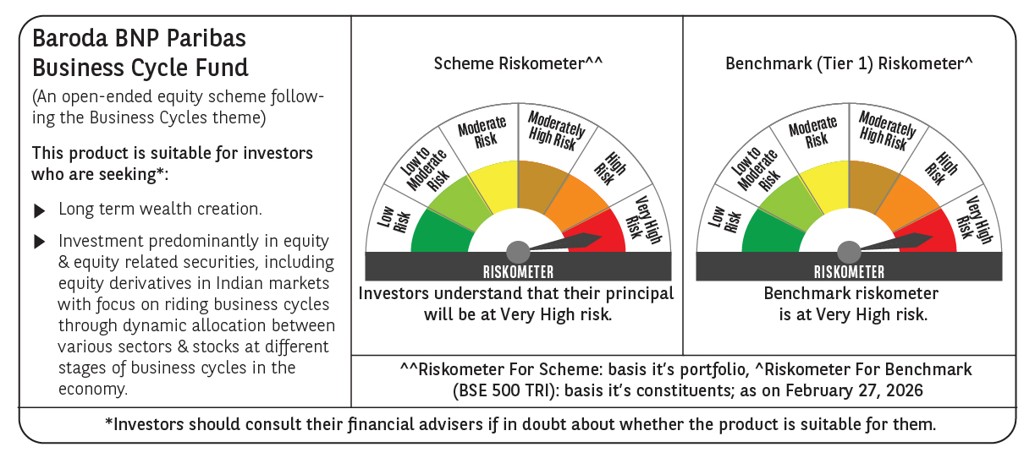

 | Monthly Performance Link: https://www.barodabnpparibasmf.in/assets/download_documents/Performance_of_Schemes_17049.pdf

