YR54
 | Baroda BNP Paribas Large & Mid Cap Fund

 | Monthly Portfolio Statement as on February 28, 2026
 | Name of the Instrument | ISIN | Industry / Rating | Quantity | Market/Fair Value (Rs. in Lakhs) | % to Net Assets | YTM~ | YTC^ | null
 | Equity & Equity related
 | (a) Listed / awaiting listing on Stock Exchanges
HDFB03 | HDFC Bank Limited | INE040A01034 | Banks | 850,000 | 7,545.88 | 4.37%
IIBL01 | IndusInd Bank Limited | INE095A01012 | Banks | 600,000 | 5,740.50 | 3.33%
FEBA02 | The Federal Bank Limited | INE171A01029 | Banks | 1,850,000 | 5,547.23 | 3.21%
RIND01 | Reliance Industries Limited | INE002A01018 | Petroleum Products | 385,000 | 5,366.52 | 3.11%
JKCE01 | JK Cement Limited | INE823G01014 | Cement & Cement Products | 90,000 | 5,090.40 | 2.95%
BHAH02 | Bharat Heavy Electricals Limited | INE257A01026 | Electrical Equipment | 1,900,000 | 5,034.05 | 2.92%
LARS02 | Larsen & Toubro Limited | INE018A01030 | Construction | 110,000 | 4,706.13 | 2.73%
BTVL02 | Bharti Airtel Limited | INE397D01024 | Telecom - Services | 250,000 | 4,698.25 | 2.72%
HPEC01 | Hindustan Petroleum Corporation Limited | INE094A01015 | Petroleum Products | 1,050,000 | 4,606.88 | 2.67%
IHOT02 | The Indian Hotels Company Limited | INE053A01029 | Leisure Services | 650,000 | 4,335.83 | 2.51%
EIML02 | Eicher Motors Limited | INE066A01021 | Automobiles | 50,000 | 4,005.25 | 2.32%
MOSU03 | Samvardhana Motherson International Limited | INE775A01035 | Auto Components | 3,000,000 | 4,000.20 | 2.32%
RAKH02 | Radico Khaitan Limited | INE944F01028 | Beverages | 150,000 | 3,974.25 | 2.30%
BRIT03 | Britannia Industries Limited | INE216A01030 | Food Products | 65,000 | 3,901.63 | 2.26%
BLUS03 | Blue Star Limited | INE472A01039 | Consumer Durables | 200,000 | 3,882.40 | 2.25%
ESCO01 | Escorts Kubota Limited | INE042A01014 | Agricultural, Commercial & Construction Vehicles | 110,000 | 3,870.46 | 2.24%
CANB02 | Canara Bank | INE476A01022 | Banks | 2,450,000 | 3,855.57 | 2.23%
PRRC03 | Navin Fluorine International Limited | INE048G01026 | Chemicals & Petrochemicals | 61,241 | 3,831.54 | 2.22%
JSPL03 | Jindal Steel Limited | INE749A01030 | Ferrous Metals | 300,000 | 3,732.60 | 2.16%
ILOM01 | ICICI Lombard General Insurance Company Limited | INE765G01017 | Insurance | 190,000 | 3,612.85 | 2.09%
INFS02 | Infosys Limited | INE009A01021 | IT - Software | 275,000 | 3,575.28 | 2.07%
MAHI02 | Mahindra & Mahindra Limited | INE101A01026 | Automobiles | 105,000 | 3,567.27 | 2.07%
SHTR02 | Shriram Finance Limited | INE721A01047 | Finance | 325,000 | 3,508.05 | 2.03%
SPIL03 | Sun Pharmaceutical Industries Limited | INE044A01036 | Pharmaceuticals & Biotechnology | 200,000 | 3,474.00 | 2.01%
HYUN01 | Hyundai Motor India Ltd | INE0V6F01027 | Automobiles | 160,000 | 3,464.64 | 2.01%
ZMPL01 | Eternal Limited | INE758T01015 | Retailing | 1,400,000 | 3,448.20 | 2.00%
IBCL05 | ICICI Bank Limited | INE090A01021 | Banks | 250,000 | 3,447.25 | 2.00%
KAVY06 | Karur Vysya Bank Limited | INE036D01028 | Banks | 1,050,000 | 3,425.10 | 1.98%
KOMA03 | Kotak Mahindra Bank Limited | INE237A01036 | Banks | 755,000 | 3,134.76 | 1.82%
PSYL02 | Persistent Systems Limited | INE262H01021 | IT - Software | 65,000 | 3,076.45 | 1.78%
MCEX02 | Multi Commodity Exchange of India Limited | INE745G01043 | Capital Markets | 120,000 | 2,931.96 | 1.70%
SOEL02 | Solar Industries India Limited | INE343H01029 | Chemicals & Petrochemicals | 20,000 | 2,700.80 | 1.56%
ALLI02 | GE Vernova T&D India Limited | INE200A01026 | Electrical Equipment | 67,161 | 2,585.83 | 1.50%
SAGI01 | Sagility Limited | INE0W2G01015 | IT - Services | 6,302,521 | 2,492.65 | 1.44%
ONCO02 | One 97 Communications Limited | INE982J01020 | Financial Technology (Fintech) | 225,000 | 2,471.18 | 1.43%
TEMA02 | Tech Mahindra Limited | INE669C01036 | IT - Software | 180,000 | 2,444.04 | 1.42%
AJPH03 | Ajanta Pharma Limited | INE031B01049 | Pharmaceuticals & Biotechnology | 80,000 | 2,395.12 | 1.39%
MAXI02 | Max Financial Services Limited | INE180A01020 | Insurance | 125,000 | 2,266.75 | 1.31%
IIFM02 | 360 One WAM Limited | INE466L01038 | Capital Markets | 200,000 | 2,207.20 | 1.28%
LGEL01 | LG Electronics India Ltd | INE324D01010 | Consumer Durables | 135,000 | 2,145.15 | 1.24%
BOCL01 | Linde India Limited | INE473A01011 | Chemicals & Petrochemicals | 31,000 | 2,086.30 | 1.21%
SMAW01 | Smartworks Coworking Spaces Ltd | INE0NAZ01010 | Commercial Services & Supplies | 507,384 | 2,080.53 | 1.21%
MALE02 | Poonawalla Fincorp Limited | INE511C01022 | Finance | 445,000 | 2,023.86 | 1.17%
JLLH01 | Jupiter Life Line Hospitals Limited | INE682M01012 | Healthcare Services | 128,626 | 1,623.00 | 0.94%
NHPC01 | NHPC Limited | INE848E01016 | Power | 2,000,000 | 1,506.60 | 0.87%
UTIB02 | Axis Bank Limited | INE238A01034 | Banks | 80,000 | 1,107.12 | 0.64%
FRAN01 | Fractal Analytics Ltd | INE212S01015 | IT - Software | 75,000 | 583.88 | 0.34%
 | Sub Total |  |  |  | 161,111.39 | 93.33%
 | (b) Unlisted |  |  |  | NIL | NIL
 | Sub Total |  |  |  | NIL | NIL
 | Total |  |  |  | 161,111.39 | 93.33%
 | Money Market Instruments
 | Treasury Bill
TBIL2566 | 364 Days Tbill (MD 17/09/2026) | IN002025Z252 | Sovereign | 1,500,000 | 1,456.74 | 0.84% | 5.42%
TBIL2490 | 364 Days Tbill (MD 26/03/2026) | IN002024Z503 | Sovereign | 500,000 | 498.45 | 0.29% | 4.55%
 | Sub Total |  |  |  | 1,955.19 | 1.13%
 | Total |  |  |  | 1,955.19 | 1.13%
 | Reverse Repo / TREPS
TRP_020326 | Clearing Corporation of India Ltd |  |  |  | 9,635.96 | 5.58% | 4.93%
 | Sub Total |  |  |  | 9,635.96 | 5.58%
 | Total |  |  |  | 9,635.96 | 5.58%
 | Net Receivables / (Payables) |  |  |  | (68.59) | (0.04)%
 | GRAND TOTAL |  |  |  | 172,633.95 | 100.00%

 | ~ YTM as on February 28, 2026
 | ^ YTC represents Yield to Call provided by valuation agencies as on February 28, 2026. It is disclosed for Perpetual Bond issued by Banks (i.e. AT-1 Bond / Tier 1 Bond / Tier 2 Bond), as per AMFI Best Practices Guidelines Circular no. 135/BP/91/2020-21 read with SEBI circular No. SEBI/HO/IMD/DF4/CIR/P/2021/034 on Valuation of AT-1 Bonds and Tier 2 Bonds.

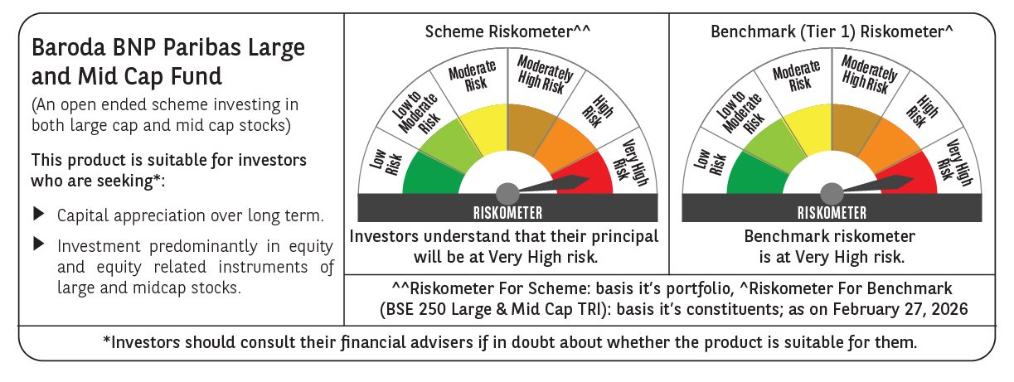

 | Monthly Performance Link: https://www.barodabnpparibasmf.in/assets/download_documents/Performance_of_Schemes_17049.pdf

