YR51
 | Baroda BNP Paribas Overnight Fund

 | Monthly Portfolio Statement as on February 28, 2026
 | Name of the Instrument | ISIN | Rating | Quantity | Market/Fair Value (Rs. in Lakhs) | % to Net Assets | YTM~ | YTC^ | null
 | Money Market Instruments
 | Treasury Bill
TBIL2563 | 182 Days Tbill (MD 05/03/2026) | IN002025Y230 | Sovereign | 1,500,000 | 1,499.18 | 1.96% | 5.00%
TBIL2559 | 182 Days Tbill (MD 12/03/2026) | IN002025Y248 | Sovereign | 1,000,000 | 998.55 | 1.30% | 4.81%
TBIL2487 | 364 Days Tbill (MD 19/03/2026) | IN002024Z495 | Sovereign | 1,000,000 | 997.74 | 1.30% | 4.60%
TBIL2562 | 182 Days Tbill (MD 19/03/2026) | IN002025Y255 | Sovereign | 1,000,000 | 997.74 | 1.30% | 4.60%
 | Sub Total |  |  |  | 4,493.21 | 5.86%
 | Total |  |  |  | 4,493.21 | 5.86%
 | Reverse Repo / TREPS
REP13_270226 | Clearing Corporation of India Ltd |  |  |  | 49,999.31 | 65.25% | 5.05%
TRP_020326 | Clearing Corporation of India Ltd |  |  |  | 13,429.42 | 17.53% | 4.93%
REP12_270226 | Clearing Corporation of India Ltd |  |  |  | 7,499.92 | 9.79% | 5.10%
REP11_270226 | Clearing Corporation of India Ltd |  |  |  | 2,799.20 | 3.65% | 5.01%
 | Sub Total |  |  |  | 73,727.85 | 96.22%
 | Total |  |  |  | 73,727.85 | 96.22%
 | Net Receivables / (Payables) |  |  |  | (1,597.63) | (2.08)%
 | GRAND TOTAL |  |  |  | 76,623.43 | 100.00%

 | ~ YTM as on February 28, 2026
 | ^ YTC represents Yield to Call provided by valuation agencies as on February 28, 2026. It is disclosed for Perpetual Bond issued by Banks (i.e. AT-1 Bond / Tier 1 Bond / Tier 2 Bond), as per AMFI Best Practices Guidelines Circular no. 135/BP/91/2020-21 read with SEBI circular No. SEBI/HO/IMD/DF4/CIR/P/2021/034 on Valuation of AT-1 Bonds and Tier 2 Bonds.

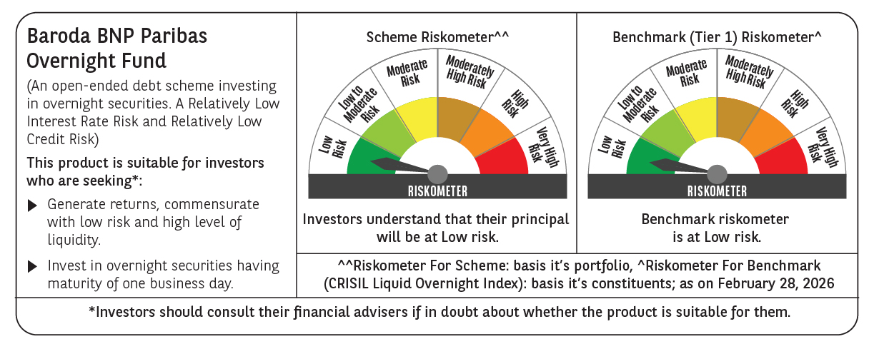

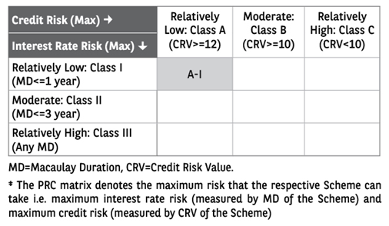

 | Monthly Performance Link: https://www.barodabnpparibasmf.in/assets/download_documents/Performance_of_Schemes_17049.pdf

