YR47
 | Baroda BNP Paribas Ultra Short Duration Fund

 | Monthly Portfolio Statement as on February 28, 2026
 | Name of the Instrument | ISIN | Rating | Quantity | Market/Fair Value (Rs. in Lakhs) | % to Net Assets | YTM~ | YTC^ | null
 | Debt Instruments
 | (a) Listed / awaiting listing on Stock Exchange
MUFL464 | 8.05% Muthoot Finance Limited (25/11/2027) ** | INE414G07JQ6 | CRISIL AA+ | 2,500 | 2,509.73 | 3.75% | 7.77%
MEBP27 | 8.02% Mindspace Business Parks REIT (13/04/2026) ** | INE0CCU07074 | CRISIL AAA | 2,100 | 2,101.92 | 3.14% | 7.42%
SIDB519 | 7.44% Small Industries Dev Bank of India (04/09/2026) | INE556F08KI9 | CRISIL AAA | 2,000 | 1,998.05 | 2.98% | 7.37%
RECL428 | 7.56% REC Limited (30/06/2026) ** | INE020B08ED9 | CRISIL AAA | 1,600 | 1,600.21 | 2.39% | 7.16%
PFPL129 | 9% Piramal Finance Limited (28/06/2027) ** | INE202B07JT0 | CARE AA | 1,500 | 1,507.70 | 2.25% | 8.52%
SHTR490 | 8.75% Shriram Finance Limited (15/06/2026) ** | INE721A07RH9 | CRISIL AA+ | 1,500 | 1,504.53 | 2.25% | 7.83%
LICH678 | 7.8650% LIC Housing Finance Limited (20/08/2026) | INE115A07QT1 | CRISIL AAA | 500 | 500.63 | 0.75% | 7.29%
IRLY371 | 7.23% Indian Railway Finance Corporation Limited (15/10/2026) ** | INE053F08304 | CRISIL AAA | 500 | 500.18 | 0.75% | 7.23%
 | Sub Total |  |  |  | 12,222.95 | 18.26%
 | (b) Privately placed / Unlisted |  |  |  | NIL | NIL
 | Sub Total |  |  |  | NIL | NIL
 | (c) Securitised Debt
VAJR27 | Vajra Trust (20/01/2028) ** | INE20NI15021 | CRISIL AAA(SO) | 19 | 1,742.48 | 2.60% | 9.97%
IUNT23 | India Universal Trust (21/11/2026) ** | INE1CBK15011 | CRISIL AAA(SO) | 13 | 334.40 | 0.50% | 7.90%
 | Sub Total |  |  |  | 2,076.88 | 3.10%
 | (b) Privately placed / Unlisted |  |  |  | NIL | NIL
 | Sub Total |  |  |  | NIL | NIL
 | Total |  |  |  | 14,299.83 | 21.36%
 | Money Market Instruments
 | Certificate of Deposit
UNBI444 | Union Bank of India (25/06/2026) ** # | INE692A16JQ1 | ICRA A1+ | 900 | 4,401.82 | 6.57% | 7.02%
NBAR874 | National Bank For Agriculture and Rural Development (28/01/2027) # | INE261F16AH2 | CRISIL A1+ | 600 | 2,820.40 | 4.21% | 6.98%
IIBL1010 | IndusInd Bank Limited (27/01/2027) ** # | INE095A169C7 | CRISIL A1+ | 600 | 2,810.81 | 4.20% | 7.40%
CANB1077 | Canara Bank (03/06/2026) ** # | INE476A16F60 | CRISIL A1+ | 520 | 2,553.83 | 3.81% | 7.02%
SBAI244 | State Bank of India (27/03/2026) # | INE062A16614 | CRISIL A1+ | 500 | 2,490.14 | 3.72% | 5.56%
IIBL1002 | IndusInd Bank Limited (15/05/2026) ** # | INE095A160C6 | CRISIL A1+ | 500 | 2,461.86 | 3.68% | 7.54%
HDFB1006 | HDFC Bank Limited (24/06/2026) ** # | INE040A16HB9 | CRISIL A1+ | 500 | 2,445.68 | 3.65% | 7.05%
UTIB1369 | Axis Bank Limited (11/08/2026) # | INE238AD6BD9 | CRISIL A1+ | 500 | 2,423.69 | 3.62% | 7.05%
AFPL169 | AU Small Finance Bank Limited (28/08/2026) ** # | INE949L16DQ5 | CARE A1+ | 500 | 2,411.41 | 3.60% | 7.45%
KMBK889 | Kotak Mahindra Bank Limited (24/09/2026) ** # | INE237AD6042 | CRISIL A1+ | 500 | 2,404.94 | 3.59% | 6.97%
INBK521 | Indian Bank (04/12/2026) ** # | INE562A16QM0 | CRISIL A1+ | 500 | 2,375.09 | 3.55% | 6.91%
CANB1089 | Canara Bank (12/02/2027) ** # | INE476A16H01 | CRISIL A1+ | 500 | 2,346.74 | 3.50% | 6.85%
UTIB1363 | Axis Bank Limited (25/06/2026) ** # | INE238AD6AZ4 | CRISIL A1+ | 300 | 1,467.13 | 2.19% | 7.05%
HDFB1041 | HDFC Bank Limited (24/02/2027) # | INE040A16IO0 | CARE A1+ | 240 | 1,123.85 | 1.68% | 6.87%
 | Sub Total |  |  |  | 34,537.39 | 51.57%
 | Commercial Paper
MUFL472 | Muthoot Finance Limited (11/09/2026) ** | INE414G14UU1 | CRISIL A1+ | 600 | 2,882.12 | 4.30% | 7.69%
EOPR36 | Embassy Office Parks REIT (20/03/2026) ** | INE041014064 | CRISIL A1+ | 500 | 2,492.01 | 3.72% | 6.16%
SCIN342 | Standard Chartered Capital Limited (23/09/2026) ** | INE403G14TV4 | CRISIL A1+ | 500 | 2,394.59 | 3.58% | 7.80%
EXIM817 | Export Import Bank of India (07/05/2026) ** | INE514E14TD1 | CRISIL A1+ | 460 | 2,270.02 | 3.39% | 7.20%
 | Sub Total |  |  |  | 10,038.74 | 14.99%
 | Total |  |  |  | 44,576.13 | 66.56%
 | Others
 | Corporate Debt Market Development Fund
CDMD50ME | Corporate Debt Market Development Fund # | INF0RQ622028 |  | 2,878 | 335.73 | 0.50% | 5.45%
 | Sub Total |  |  |  | 335.73 | 0.50%
 | Total |  |  |  | 335.73 | 0.50%
 | Reverse Repo / TREPS
TRP_020326 | Clearing Corporation of India Ltd |  |  |  | 7,134.00 | 10.65% | 4.93%
 | Sub Total |  |  |  | 7,134.00 | 10.65%
 | (b) Privately placed / Unlisted |  |  |  | NIL | NIL
 | Sub Total |  |  |  | NIL | NIL
 | Total |  |  |  | 7,134.00 | 10.65%
 | Net Receivables / (Payables) |  |  |  | 618.45 | 0.93%
 | GRAND TOTAL |  |  |  | 66,964.14 | 100.00%

 | ** Thinly Traded / Non Traded Security
 | # Unlisted Security
 | ~ YTM as on February 28, 2026
 | ^ YTC represents Yield to Call provided by valuation agencies as on February 28, 2026. It is disclosed for Perpetual Bond issued by Banks (i.e. AT-1 Bond / Tier 1 Bond / Tier 2 Bond), as per AMFI Best Practices Guidelines Circular no. 135/BP/91/2020-21 read with SEBI circular No. SEBI/HO/IMD/DF4/CIR/P/2021/034 on Valuation of AT-1 Bonds and Tier 2 Bonds.

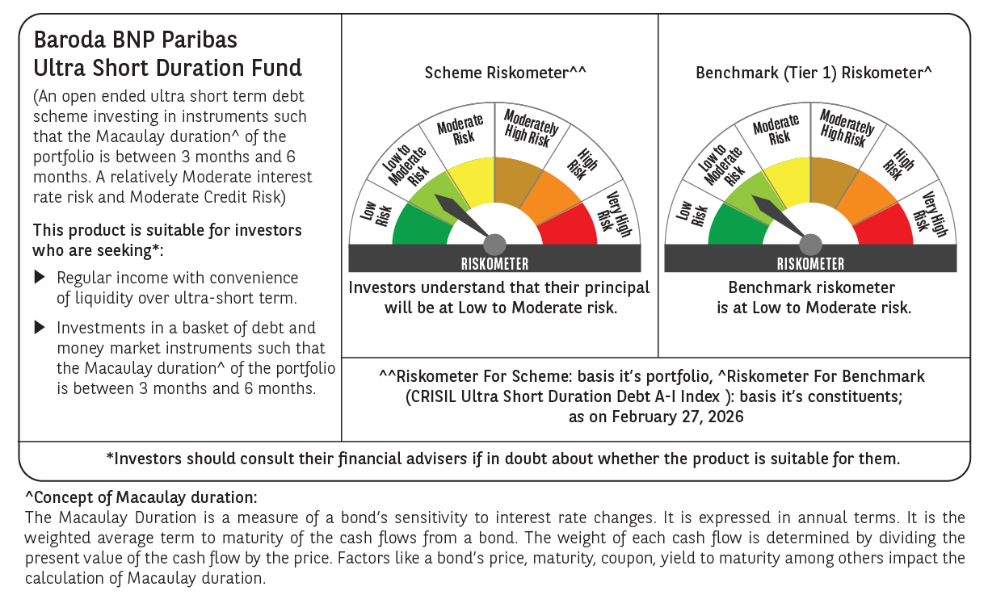

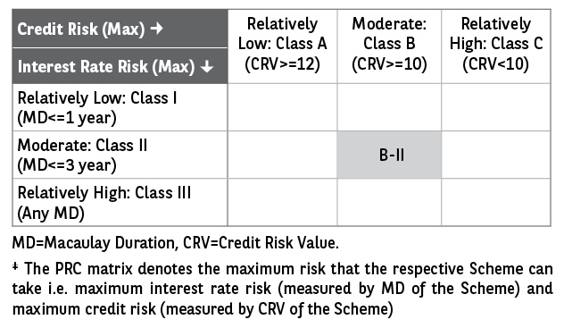

 | Monthly Performance Link: https://www.barodabnpparibasmf.in/assets/download_documents/Performance_of_Schemes_17049.pdf

