YR29
 | Baroda BNP Paribas Banking & Financial Services Fund

 | Monthly Portfolio Statement as on February 28, 2026
 | Name of the Instrument | ISIN | Industry / Rating | Quantity | Market/Fair Value (Rs. in Lakhs) | % to Net Assets | YTM~ | YTC^ | null
 | Equity & Equity related
 | (a) Listed / awaiting listing on Stock Exchanges
HDFB03 | HDFC Bank Limited | INE040A01034 | Banks | 525,000 | 4,660.69 | 11.75%
IBCL05 | ICICI Bank Limited | INE090A01021 | Banks | 250,000 | 3,447.25 | 8.69%
SBAI02 | State Bank of India | INE062A01020 | Banks | 271,200 | 3,259.01 | 8.22%
UTIB02 | Axis Bank Limited | INE238A01034 | Banks | 210,000 | 2,906.19 | 7.33%
KOMA03 | Kotak Mahindra Bank Limited | INE237A01036 | Banks | 650,000 | 2,698.80 | 6.81%
IIBL01 | IndusInd Bank Limited | INE095A01012 | Banks | 225,000 | 2,152.69 | 5.43%
CANB02 | Canara Bank | INE476A01022 | Banks | 1,100,000 | 1,731.07 | 4.37%
BAFL03 | Bajaj Finance Limited | INE296A01032 | Finance | 160,000 | 1,593.44 | 4.02%
SHTR02 | Shriram Finance Limited | INE721A01047 | Finance | 125,000 | 1,349.25 | 3.40%
SLIF01 | SBI Life Insurance Company Limited | INE123W01016 | Insurance | 50,000 | 1,018.60 | 2.57%
MCEX02 | Multi Commodity Exchange of India Limited | INE745G01043 | Capital Markets | 40,000 | 977.32 | 2.46%
RATN01 | RBL Bank Limited | INE976G01028 | Banks | 300,000 | 959.25 | 2.42%
USFB01 | Ujjivan Small Finance Bank Limited | INE551W01018 | Banks | 1,559,595 | 905.50 | 2.28%
KAVY06 | Karur Vysya Bank Limited | INE036D01028 | Banks | 270,000 | 880.74 | 2.22%
IINF02 | IIFL Finance Limited | INE530B01024 | Finance | 175,000 | 868.35 | 2.19%
CHOL02 | Cholamandalam Investment and Finance Company Ltd | INE121A01024 | Finance | 50,000 | 865.40 | 2.18%
BFSL02 | Bajaj Finserv Limited | INE918I01026 | Finance | 42,500 | 847.20 | 2.14%
AFPL02 | AU Small Finance Bank Limited | INE949L01017 | Banks | 70,000 | 670.85 | 1.69%
IPAM01 | ICICI Prudential Asset Management Company Limited | INE346A01027 | Capital Markets | 21,318 | 663.44 | 1.67%
FEBA02 | The Federal Bank Limited | INE171A01029 | Banks | 200,000 | 599.70 | 1.51%
IIFM02 | 360 One WAM Limited | INE466L01038 | Capital Markets | 50,000 | 551.80 | 1.39%
ILOM01 | ICICI Lombard General Insurance Company Limited | INE765G01017 | Insurance | 27,500 | 522.91 | 1.32%
PRUD01 | Prudent Corporate Advisory Services Limited | INE00F201020 | Capital Markets | 20,000 | 469.98 | 1.19%
IDBK01 | IDFC First Bank Limited | INE092T01019 | Banks | 600,000 | 440.88 | 1.11%
ONCO02 | One 97 Communications Limited | INE982J01020 | Financial Technology (Fintech) | 40,000 | 439.32 | 1.11%
ABFS01 | Aditya Birla Capital Limited | INE674K01013 | Finance | 125,000 | 430.56 | 1.09%
MALE02 | Poonawalla Fincorp Limited | INE511C01022 | Finance | 90,000 | 409.32 | 1.03%
 | Sub Total |  |  |  | 36,319.51 | 91.59%
 | (b) Unlisted |  |  |  | NIL | NIL
 | Sub Total |  |  |  | NIL | NIL
 | Total |  |  |  | 36,319.51 | 91.59%
 | Money Market Instruments
 | Treasury Bill
TBIL2566 | 364 Days Tbill (MD 17/09/2026) | IN002025Z252 | Sovereign | 500,000 | 485.58 | 1.22% | 5.42%
 | Sub Total |  |  |  | 485.58 | 1.22%
 | Total |  |  |  | 485.58 | 1.22%
 | Reverse Repo / TREPS
TRP_020326 | Clearing Corporation of India Ltd |  |  |  | 2,304.49 | 5.81% | 4.93%
 | Sub Total |  |  |  | 2,304.49 | 5.81%
 | Total |  |  |  | 2,304.49 | 5.81%
 | Net Receivables / (Payables) |  |  |  | 543.17 | 1.38%
 | GRAND TOTAL |  |  |  | 39,652.75 | 100.00%

 | ~ YTM as on February 28, 2026
 | ^ YTC represents Yield to Call provided by valuation agencies as on February 28, 2026. It is disclosed for Perpetual Bond issued by Banks (i.e. AT-1 Bond / Tier 1 Bond / Tier 2 Bond), as per AMFI Best Practices Guidelines Circular no. 135/BP/91/2020-21 read with SEBI circular No. SEBI/HO/IMD/DF4/CIR/P/2021/034 on Valuation of AT-1 Bonds and Tier 2 Bonds.

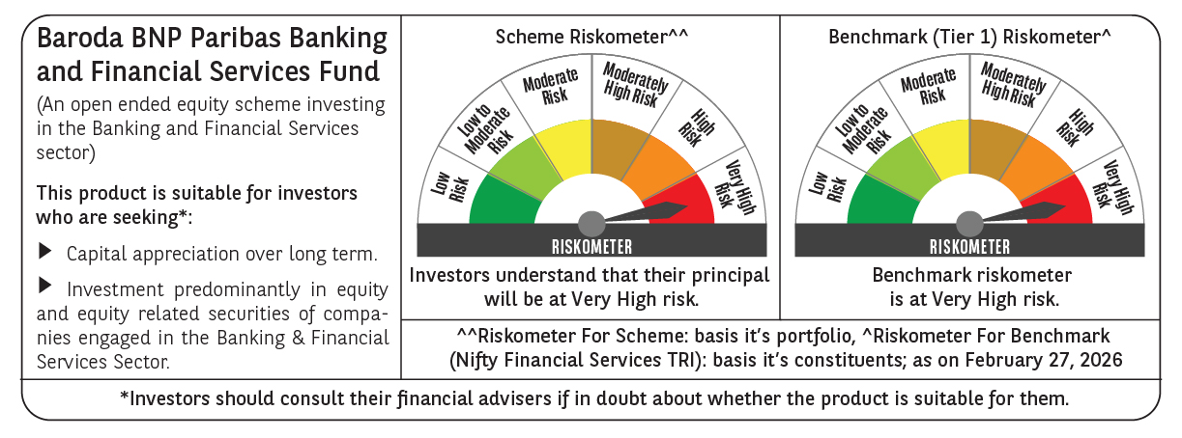

 | Monthly Performance Link: https://www.barodabnpparibasmf.in/assets/download_documents/Performance_of_Schemes_17049.pdf

