YR15
 | Baroda BNP Paribas Short Duration Fund

 | Monthly Portfolio Statement as on February 28, 2026
 | Name of the Instrument | ISIN | Rating | Quantity | Market/Fair Value (Rs. in Lakhs) | % to Net Assets | YTM~ | YTC^ | null
 | Debt Instruments
 | (a) Listed / awaiting listing on Stock Exchange
NBAR838 | 7.48% National Bank For Agriculture and Rural Development (15/09/2028) | INE261F08EO7 | CRISIL AAA | 1,500 | 1,513.26 | 5.09% | 7.06%
NHBA331 | 7.59% National Housing Bank (08/09/2027) ** | INE557F08FZ1 | CRISIL AAA | 1,500 | 1,513.15 | 5.09% | 6.95%
GOI5228 | 7.18% Government of India (14/08/2033) | IN0020230085 | Sovereign | 1,450,000 | 1,496.30 | 5.04% | 6.74%
SIDB553 | 7.68% Small Industries Dev Bank of India (10/08/2027) ** | INE556F08KP4 | CRISIL AAA | 1,300 | 1,311.33 | 4.41% | 7.05%
HPEC300 | 7.64% Hindustan Petroleum Corporation Limited (04/11/2027) ** | INE094A08135 | CRISIL AAA | 120 | 1,213.54 | 4.09% | 6.87%
SHTR526 | 8.7% Shriram Finance Limited (09/04/2028) ** | INE721A07SL9 | CRISIL AA+ | 1,000 | 1,020.01 | 3.43% | 7.62%
LARS419 | 7.725% Larsen & Toubro Limited (28/04/2028) ** | INE018A08BE9 | CRISIL AAA | 1,000 | 1,015.79 | 3.42% | 6.90%
PHFP225 | 8.15% PNB Housing Finance Limited (29/07/2027) ** | INE572E07183 | CARE AA+ | 1,000 | 1,010.52 | 3.40% | 7.29%
LICH680 | 7.74% LIC Housing Finance Limited (11/02/2028) | INE115A07QW5 | CRISIL AAA | 1,000 | 1,009.48 | 3.40% | 7.20%
ULCC169 | 7.34% UltraTech Cement Limited (03/03/2028) ** | INE481G08123 | CRISIL AAA | 1,000 | 1,007.79 | 3.39% | 6.91%
NCIP36 | 8.50% Nomura Capital India Pvt Limited (21/10/2026) ** | INE357L07457 | FITCH AAA | 1,000 | 1,004.45 | 3.38% | 7.60%
IRLY303 | 7.27% Indian Railway Finance Corporation Limited (15/06/2027) ** | INE053F07AB5 | CRISIL AAA | 100 | 1,003.73 | 3.38% | 6.96%
GOI7411 | 6.36% Government of India (16/02/2031) | IN0020250141 | Sovereign | 1,000,000 | 1,002.99 | 3.38% | 6.39%
IOIC673 | 7.25% Indian Oil Corporation Limited (05/01/2030) ** | INE242A08569 | CRISIL AAA | 800 | 807.23 | 2.72% | 6.97%
EXIM794 | 7.35% Export Import Bank of India (27/07/2028) | INE514E08GE8 | CRISIL AAA | 700 | 706.69 | 2.38% | 6.92%
HPEC303 | 7.74% Hindustan Petroleum Corporation Limited (02/03/2028) ** | INE094A08150 | CRISIL AAA | 650 | 660.37 | 2.22% | 6.86%
RECL473 | 6.87% REC Limited (31/05/2030) ** | INE020B08FU0 | ICRA AAA | 600 | 593.48 | 2.00% | 7.16%
GOI5379 | 7.32% Government of India (13/11/2030) | IN0020230135 | Sovereign | 500,000 | 520.30 | 1.75% | 6.40%
RUPL50 | 7.90% Jamnagar Utilities & Power Private Limited (10/08/2028) ** | INE936D07182 | CRISIL AAA | 500 | 507.42 | 1.71% | 7.18%
LICH693 | 7.645% LIC Housing Finance Limited (21/02/2030) ** | INE115A07RD3 | CRISIL AAA | 500 | 504.99 | 1.70% | 7.34%
ICFP147 | 10.5% IndoStar Capital Finance Limited (25/09/2026) | INE896L07983 | CARE AA- | 50,000 | 504.49 | 1.70% | 8.47%
NBAR805 | 7.53% National Bank For Agriculture and Rural Development (24/03/2028) ** | INE261F08EM1 | ICRA AAA | 500 | 504.39 | 1.70% | 7.05%
GOI6156 | 6.79% Government of India (07/10/2034) | IN0020240126 | Sovereign | 500,000 | 504.04 | 1.70% | 6.77%
NHBA329 | 7.59% National Housing Bank (14/07/2027) ** | INE557F08FY4 | CRISIL AAA | 500 | 503.94 | 1.70% | 6.95%
EOPR38 | 7.21% Embassy Office Parks REIT (17/03/2028) ** | INE041007167 | CRISIL AAA | 500 | 499.68 | 1.68% | 7.44%
MEBP36 | 7% Mindspace Business Parks REIT (14/09/2027) ** | INE0CCU07165 | CRISIL AAA | 500 | 499.62 | 1.68% | 7.24%
BHAT85 | 7.35% Bharti Telecom Limited (15/10/2027) ** | INE403D08272 | CRISIL AAA | 500 | 498.62 | 1.68% | 7.50%
BAFL997 | 7.37% Bajaj Finance Limited (27/09/2030) ** | INE296A07TQ9 | CRISIL AAA | 500 | 497.71 | 1.68% | 7.48%
BAFL990 | 7.07% Bajaj Finance Limited (21/09/2028) ** | INE296A07TN6 | CRISIL AAA | 500 | 496.33 | 1.67% | 7.35%
GOI6900 | 6.28% Government of India (14/07/2032) | IN0020250059 | Sovereign | 500,000 | 493.49 | 1.66% | 6.64%
SIDB657 | 7.22% Small Industries Dev Bank of India (10/04/2029) ** | INE556F08LC0 | CRISIL AAA | 400 | 400.81 | 1.35% | 7.15%
GOI7094 | 6.48% Government of India (06/10/2035) | IN0020250091 | Sovereign | 400,000 | 394.80 | 1.33% | 6.78%
GOI3079 | 7.11% State Government Securities (17/03/2031) | IN1520200297 | Sovereign | 200,000 | 201.71 | 0.68% | 7.02%
SIDB598 | 7.39% Small Industries Dev Bank of India (21/03/2030) ** | INE556F08KY6 | CRISIL AAA | 200 | 201.18 | 0.68% | 7.21%
NHBA336 | 7.35% National Housing Bank (02/01/2032) ** | INE557F08GD6 | CARE AAA | 200 | 200.51 | 0.67% | 7.30%
BSNL21 | 6.79% Bharat Sanchar Nigam Limited (23/09/2030) ** | INE103D08021 | CRISIL AAA(CE) | 20 | 195.43 | 0.66% | 7.52%
PGCI456 | 7.56% Power Grid Corporation of India Limited (31/03/2033) ** | INE752E08692 | CRISIL AAA | 250 | 183.92 | 0.62% | 7.28%
NHBA337 | 6.80% National Housing Bank (02/04/2032) ** | INE557F08GE4 | CARE AAA | 150 | 146.38 | 0.49% | 7.30%
 | Sub Total |  |  |  | 26,349.87 | 88.71%
 | (b) Privately placed / Unlisted |  |  |  | NIL | NIL
 | Sub Total |  |  |  | NIL | NIL
 | (c) Securitised Debt
VAJR28 | Vajra Trust (20/01/2029) ** | INE20NI15039 | CRISIL AAA(SO) | 9 | 895.61 | 3.01% | 10.04%
IUNT24 | India Universal Trust (21/11/2027) ** | INE1CBK15029 | CRISIL AAA(SO) | 5 | 352.26 | 1.19% | 7.89%
 | Sub Total |  |  |  | 1,247.87 | 4.20%
 | (b) Privately placed / Unlisted |  |  |  | NIL | NIL
 | Sub Total |  |  |  | NIL | NIL
 | Total |  |  |  | 27,597.74 | 92.91%
 | Money Market Instruments
 | Certificate of Deposit
IBCL1180 | ICICI Bank Limited (27/01/2027) ** # | INE090AD6279 | ICRA A1+ | 200 | 941.27 | 3.17% | 6.86%
 | Sub Total |  |  |  | 941.27 | 3.17%
 | Total |  |  |  | 941.27 | 3.17%
 | Others
 | Corporate Debt Market Development Fund
CDMD50ME | Corporate Debt Market Development Fund # | INF0RQ622028 |  | 867 | 101.15 | 0.34% | 5.45%
 | Sub Total |  |  |  | 101.15 | 0.34%
 | Total |  |  |  | 101.15 | 0.34%
 | Reverse Repo / TREPS
TRP_020326 | Clearing Corporation of India Ltd |  |  |  | 101.47 | 0.34% | 4.93%
 | Sub Total |  |  |  | 101.47 | 0.34%
 | (b) Privately placed / Unlisted |  |  |  | NIL | NIL
 | Sub Total |  |  |  | NIL | NIL
 | Total |  |  |  | 101.47 | 0.34%
 | Net Receivables / (Payables) |  |  |  | 964.59 | 3.24%
 | GRAND TOTAL |  |  |  | 29,706.22 | 100.00%

 | ** Thinly Traded / Non Traded Security
 | # Unlisted Security
 | ~ YTM as on February 28, 2026
 | ^ YTC represents Yield to Call provided by valuation agencies as on February 28, 2026. It is disclosed for Perpetual Bond issued by Banks (i.e. AT-1 Bond / Tier 1 Bond / Tier 2 Bond), as per AMFI Best Practices Guidelines Circular no. 135/BP/91/2020-21 read with SEBI circular No. SEBI/HO/IMD/DF4/CIR/P/2021/034 on Valuation of AT-1 Bonds and Tier 2 Bonds.

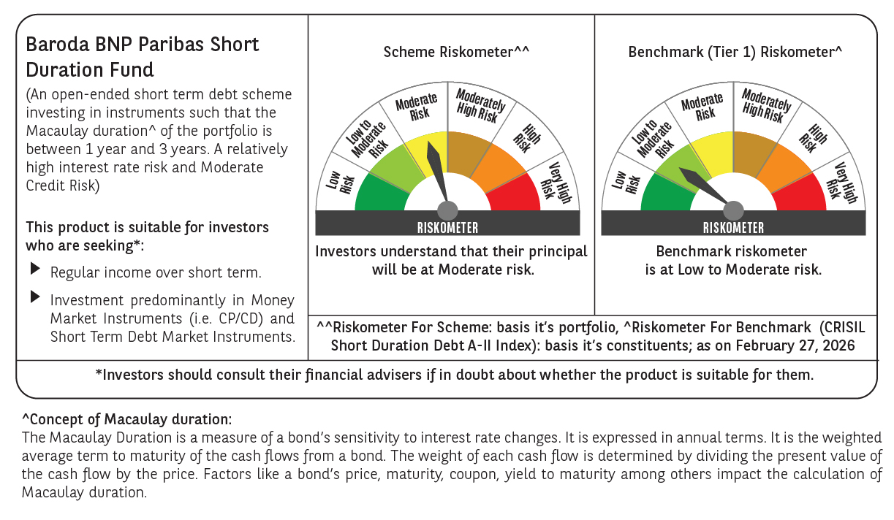



 | Monthly Performance Link: https://www.barodabnpparibasmf.in/assets/download_documents/Performance_of_Schemes_17049.pdf

