YR07
 | Baroda BNP Paribas Gilt Fund

 | Monthly Portfolio Statement as on February 28, 2026
 | Name of the Instrument | ISIN | Rating | Quantity | Market/Fair Value (Rs. in Lakhs) | % to Net Assets | YTM~ | YTC^ | null
 | Debt Instruments
 | (a) Listed / awaiting listing on Stock Exchange
GOI6638 | 6.9% Government of India (15/04/2065) | IN0020250018 | Sovereign | 21,600,000 | 20,234.73 | 19.16% | 7.53%
GOI6889 | 6.68% Government of India (07/07/2040) | IN0020250042 | Sovereign | 12,150,000 | 11,745.42 | 11.12% | 7.18%
GOI6919 | 6.01% Government of India (21/07/2030) | IN0020250067 | Sovereign | 10,950,000 | 10,855.79 | 10.28% | 6.33%
GOI7094 | 6.48% Government of India (06/10/2035) | IN0020250091 | Sovereign | 9,600,000 | 9,475.12 | 8.97% | 6.78%
GOI6019 | 7.09% Government of India (05/08/2054) | IN0020240118 | Sovereign | 8,800,000 | 8,517.85 | 8.07% | 7.50%
GOI6703 | 6.33% Government of India (05/05/2035) | IN0020250026 | Sovereign | 8,000,000 | 7,835.96 | 7.42% | 6.74%
GOI3591 | 6.91% State Government Securities (15/09/2033) | IN2220210248 | Sovereign | 5,700,000 | 5,593.13 | 5.30% | 7.37%
GOI4967 | 7.65% State Government Securities (01/02/2033) | IN1520220212 | Sovereign | 5,000,000 | 5,114.31 | 4.84% | 7.35%
GOI4333 | 7.29% State Government Securities (30/03/2032) | IN1520210239 | Sovereign | 5,000,000 | 5,061.04 | 4.79% | 7.16%
GOI5590 | 7.43% State Government Securities (28/02/2035) | IN2220230253 | Sovereign | 5,000,000 | 5,021.05 | 4.75% | 7.50%
GOI6960 | 7.24% Government of India (18/08/2055) | IN0020250075 | Sovereign | 2,500,000 | 2,469.42 | 2.34% | 7.48%
GOI6794 | 6.64% State Government Securities (21/05/2036) | IN1520250052 | Sovereign | 2,500,000 | 2,366.91 | 2.24% | 7.53%
GOI3079 | 7.11% State Government Securities (17/03/2031) | IN1520200297 | Sovereign | 2,000,000 | 2,017.12 | 1.91% | 7.02%
GOI5228 | 7.18% Government of India (14/08/2033) | IN0020230085 | Sovereign | 1,827,500 | 1,885.85 | 1.79% | 6.74%
GOI7411 | 6.36% Government of India (16/02/2031) | IN0020250141 | Sovereign | 1,500,000 | 1,504.48 | 1.42% | 6.39%
GOI6156 | 6.79% Government of India (07/10/2034) | IN0020240126 | Sovereign | 1,150,000 | 1,159.29 | 1.10% | 6.77%
GOI7446 | 7.4% State Government Securities (25/02/2036) | IN1520250318 | Sovereign | 1,000,000 | 1,000.04 | 0.95% | 7.54%
 | Sub Total |  |  |  | 101,857.51 | 96.45%
 | (b) Privately placed / Unlisted |  |  |  | NIL | NIL
 | Sub Total |  |  |  | NIL | NIL
 | Total |  |  |  | 101,857.51 | 96.45%
 | Reverse Repo / TREPS
TRP_020326 | Clearing Corporation of India Ltd |  |  |  | 2,008.80 | 1.90% | 4.93%
 | Sub Total |  |  |  | 2,008.80 | 1.90%
 | (b) Privately placed / Unlisted |  |  |  | NIL | NIL
 | Sub Total |  |  |  | NIL | NIL
 | Total |  |  |  | 2,008.80 | 1.90%
 | Net Receivables / (Payables) |  |  |  | 1,731.24 | 1.65%
 | GRAND TOTAL |  |  |  | 105,597.55 | 100.00%

 | ~ YTM as on February 28, 2026
 | ^ YTC represents Yield to Call provided by valuation agencies as on February 28, 2026. It is disclosed for Perpetual Bond issued by Banks (i.e. AT-1 Bond / Tier 1 Bond / Tier 2 Bond), as per AMFI Best Practices Guidelines Circular no. 135/BP/91/2020-21 read with SEBI circular No. SEBI/HO/IMD/DF4/CIR/P/2021/034 on Valuation of AT-1 Bonds and Tier 2 Bonds.

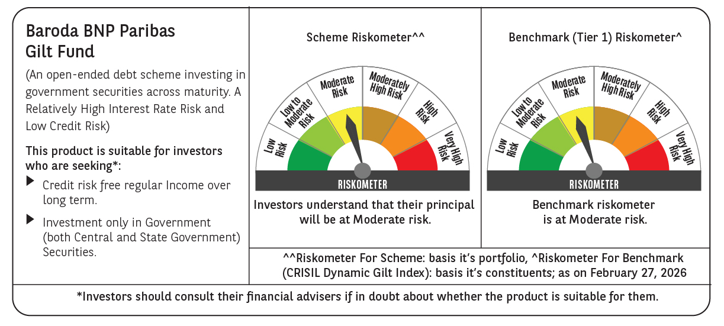



 | Monthly Performance Link: https://www.barodabnpparibasmf.in/assets/download_documents/Performance_of_Schemes_17049.pdf

