T0ME47
 | Baroda BNP Paribas Business Conglomerates Fund

 | Monthly Portfolio Statement as on February 28, 2026
 | Name of the Instrument | ISIN | Industry / Rating | Quantity | Market/Fair Value (Rs. in Lakhs) | % to Net Assets | YTM~ | YTC^ | null
 | Equity & Equity related
 | (a) Listed / awaiting listing on Stock Exchanges
LARS02 | Larsen & Toubro Limited | INE018A01030 | Construction | 162,000 | 6,930.85 | 9.71%
RIND01 | Reliance Industries Limited | INE002A01018 | Petroleum Products | 405,000 | 5,645.30 | 7.91%
MAHI02 | Mahindra & Mahindra Limited | INE101A01026 | Automobiles | 162,000 | 5,503.79 | 7.71%
BAFL03 | Bajaj Finance Limited | INE296A01032 | Finance | 315,000 | 3,137.09 | 4.39%
TWAT02 | Titan Company Limited | INE280A01028 | Consumer Durables | 56,700 | 2,453.69 | 3.44%
TCSL01 | Tata Consultancy Services Limited | INE467B01029 | IT - Software | 81,000 | 2,136.29 | 2.99%
SBAI02 | State Bank of India | INE062A01020 | Banks | 171,000 | 2,054.91 | 2.88%
HZIN02 | Hindustan Zinc Limited | INE267A01025 | Non - Ferrous Metals | 333,000 | 2,010.65 | 2.82%
JVSL04 | JSW Steel Limited | INE019A01038 | Ferrous Metals | 144,000 | 1,821.17 | 2.55%
BALN01 | Bajaj Auto Limited | INE917I01010 | Automobiles | 18,000 | 1,795.05 | 2.51%
ULCC01 | UltraTech Cement Limited | INE481G01011 | Cement & Cement Products | 13,500 | 1,711.40 | 2.40%
MUND02 | Adani Ports and Special Economic Zone Limited | INE742F01042 | Transport Infrastructure | 108,000 | 1,642.68 | 2.30%
TCAL01 | Tata Capital Limited | INE976I01016 | Finance | 468,000 | 1,561.25 | 2.19%
TOPH02 | Torrent Pharmaceuticals Limited | INE685A01028 | Pharmaceuticals & Biotechnology | 36,000 | 1,559.99 | 2.19%
TMLC01 | Tata Motors Ltd | INE1TAE01010 | Agricultural, Commercial & Construction Vehicles | 297,000 | 1,500.74 | 2.10%
IIBL01 | IndusInd Bank Limited | INE095A01012 | Banks | 153,000 | 1,463.83 | 2.05%
SAEL02 | TVS Motor Company Limited | INE494B01023 | Automobiles | 36,000 | 1,393.09 | 1.95%
HDFB03 | HDFC Bank Limited | INE040A01034 | Banks | 153,000 | 1,358.26 | 1.90%
ICII01 | Akzo Nobel India Limited | INE133A01011 | Consumer Durables | 44,200 | 1,297.40 | 1.82%
ITCL02 | ITC Limited | INE154A01025 | Diversified FMCG | 360,000 | 1,128.96 | 1.58%
TPOW02 | Tata Power Company Limited | INE245A01021 | Power | 297,000 | 1,121.32 | 1.57%
TEMA02 | Tech Mahindra Limited | INE669C01036 | IT - Software | 81,000 | 1,099.82 | 1.54%
COFE03 | Coromandel International Limited | INE169A01031 | Fertilizers & Agrochemicals | 49,500 | 1,098.90 | 1.54%
IHOT02 | The Indian Hotels Company Limited | INE053A01029 | Leisure Services | 153,000 | 1,020.59 | 1.43%
LGEL01 | LG Electronics India Ltd | INE324D01010 | Consumer Durables | 63,000 | 1,001.07 | 1.40%
CROM02 | CG Power and Industrial Solutions Limited | INE067A01029 | Electrical Equipment | 135,000 | 979.02 | 1.37%
ADAN02 | Adani Enterprises Limited | INE423A01024 | Metals & Minerals Trading | 45,000 | 972.81 | 1.36%
LTIL01 | LTIMindtree Limited | INE214T01019 | IT - Software | 21,600 | 963.79 | 1.35%
CHOL02 | Cholamandalam Investment and Finance Company Ltd | INE121A01024 | Finance | 54,000 | 934.63 | 1.31%
CHEL02 | Zydus Lifesciences Limited | INE010B01027 | Pharmaceuticals & Biotechnology | 99,000 | 912.48 | 1.28%
ISHA01 | Gillette India Limited | INE322A01010 | Personal Products | 10,800 | 900.99 | 1.26%
BFSL02 | Bajaj Finserv Limited | INE918I01026 | Finance | 45,000 | 897.03 | 1.26%
ICEM01 | The India Cements Limited | INE383A01012 | Cement & Cement Products | 216,000 | 876.96 | 1.23%
CALC03 | CESC Limited | INE486A01021 | Power | 540,000 | 854.01 | 1.20%
LTFL01 | L&T Finance Limited | INE498L01015 | Finance | 297,000 | 843.33 | 1.18%
JUFL02 | Jubilant Foodworks Limited | INE797F01020 | Leisure Services | 162,000 | 842.24 | 1.18%
JSWC01 | JSW Cement Limited | INE718I01012 | Cement & Cement Products | 630,000 | 788.00 | 1.10%
SCHI01 | Sanofi Consumer Healthcare India Limited | INE0UOS01011 | Pharmaceuticals & Biotechnology | 16,200 | 727.27 | 1.02%
TAEL01 | Tata Elxsi Limited | INE670A01012 | IT - Software | 15,300 | 690.49 | 0.97%
ZMPL01 | Eternal Limited | INE758T01015 | Retailing | 270,000 | 665.01 | 0.93%
ESMC02 | PB Fintech Limited | INE417T01026 | Financial Technology (Fintech) | 40,500 | 600.05 | 0.84%
ICON01 | Firstsource Solutions Limited | INE684F01012 | Commercial Services & Supplies | 270,000 | 575.51 | 0.81%
ADAN05 | Adani Enterprises Limited ** | IN9423A01048 | Metals & Minerals Trading | 6,500 | 111.27 | 0.16%
 | Sub Total |  |  |  | 67,582.98 | 94.68%
 | (b) Unlisted |  |  |  | NIL | NIL
 | Sub Total |  |  |  | NIL | NIL
 | Total |  |  |  | 67,582.98 | 94.68%
 | Derivatives
 | Index / Stock Futures
MCEXMAR26 | Multi Commodity Exchange of India Limited March 2026 Future |  |  | 33,750 | 826.88 | 1.16%
 | Sub Total |  |  |  | 826.88 | 1.16%
 | Total |  |  |  | 826.88 | 1.16%
 | Debt Instruments
 | (a) Listed / awaiting listing on Stock Exchange
GOI6156 | 6.79% Government of India (07/10/2034) | IN0020240126 | Sovereign | 1,500,000 | 1,512.12 | 2.12% | 6.77%
 | Sub Total |  |  |  | 1,512.12 | 2.12%
 | (b) Privately placed / Unlisted |  |  |  | NIL | NIL
 | Sub Total |  |  |  | NIL | NIL
 | Total |  |  |  | 1,512.12 | 2.12%
 | Reverse Repo / TREPS
TRP_020326 | Clearing Corporation of India Ltd |  |  |  | 2,663.48 | 3.73% | 4.93%
 | Sub Total |  |  |  | 2,663.48 | 3.73%
 | (b) Privately placed / Unlisted |  |  |  | NIL | NIL
 | Sub Total |  |  |  | NIL | NIL
 | Total |  |  |  | 2,663.48 | 3.73%
 | Net Receivables / (Payables) |  |  |  | (1,195.17) | (1.69)%
 | GRAND TOTAL |  |  |  | 71,390.29 | 100.00%

 | ** Thinly Traded / Non Traded Security
 | ~ YTM as on February 28, 2026
 | ^ YTC represents Yield to Call provided by valuation agencies as on February 28, 2026. It is disclosed for Perpetual Bond issued by Banks (i.e. AT-1 Bond / Tier 1 Bond / Tier 2 Bond), as per AMFI Best Practices Guidelines Circular no. 135/BP/91/2020-21 read with SEBI circular No. SEBI/HO/IMD/DF4/CIR/P/2021/034 on Valuation of AT-1 Bonds and Tier 2 Bonds.
 | Details of Stock Future / Index Future
 | Long/Short | Name of the Instrument | Industry | Quantity. | Market/Fair Value (Rs. in Lacs). | % to NAV.
 | Long | Multi Commodity Exchange of India Limited_30/03/2026 | Capital Markets | 33,750 | 826.88 | 1.16%

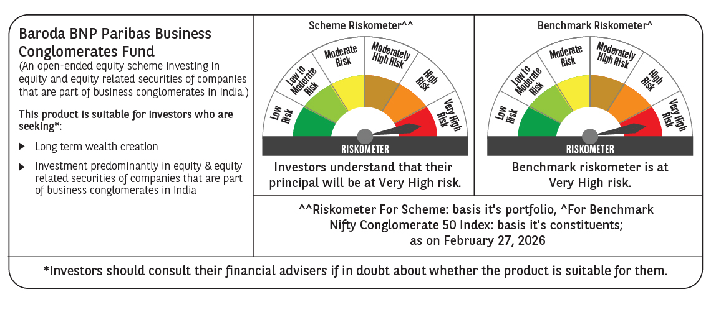

 | Monthly Performance Link: https://www.barodabnpparibasmf.in/assets/download_documents/Performance_of_Schemes_17049.pdf

