T0ME45
 | Baroda BNP Paribas Health and Wellness Fund

 | Monthly Portfolio Statement as on February 28, 2026
 | Name of the Instrument | ISIN | Industry | Quantity | Market/Fair Value (Rs. in Lakhs) | % to Net Assets | YTM~ | YTC^ | null
 | Equity & Equity related
 | (a) Listed / awaiting listing on Stock Exchanges
SPIL03 | Sun Pharmaceutical Industries Limited | INE044A01036 | Pharmaceuticals & Biotechnology | 300,000 | 5,211.00 | 9.23%
MAHE01 | Max Healthcare Institute Limited | INE027H01010 | Healthcare Services | 330,000 | 3,603.44 | 6.38%
LUPL02 | Lupin Limited | INE326A01037 | Pharmaceuticals & Biotechnology | 140,000 | 3,222.66 | 5.71%
ADHL01 | Aster DM Healthcare Limited | INE914M01019 | Healthcare Services | 450,000 | 2,945.70 | 5.22%
TOPH02 | Torrent Pharmaceuticals Limited | INE685A01028 | Pharmaceuticals & Biotechnology | 65,000 | 2,816.65 | 4.99%
BOOT01 | Abbott India Limited | INE358A01014 | Pharmaceuticals & Biotechnology | 9,800 | 2,599.94 | 4.60%
FRHL01 | Fortis Healthcare Limited | INE061F01013 | Healthcare Services | 275,000 | 2,592.29 | 4.59%
APOL02 | Apollo Hospitals Enterprise Limited | INE437A01024 | Healthcare Services | 30,000 | 2,346.45 | 4.15%
LAUR02 | Laurus Labs Limited | INE947Q01028 | Pharmaceuticals & Biotechnology | 215,000 | 2,312.97 | 4.09%
ASPH02 | AstraZeneca Pharma India Limited | INE203A01020 | Pharmaceuticals & Biotechnology | 26,000 | 2,300.74 | 4.07%
IPCA03 | IPCA Laboratories Limited | INE571A01038 | Pharmaceuticals & Biotechnology | 146,019 | 2,232.48 | 3.95%
JBCH03 | JB Chemicals & Pharmaceuticals Limited | INE572A01036 | Pharmaceuticals & Biotechnology | 100,000 | 2,053.50 | 3.64%
SLIF01 | SBI Life Insurance Company Limited | INE123W01016 | Insurance | 100,000 | 2,037.20 | 3.61%
IPLI01 | ICICI Prudential Life Insurance Company Limited | INE726G01019 | Insurance | 290,000 | 1,898.05 | 3.36%
GLAN02 | Gland Pharma Limited | INE068V01023 | Pharmaceuticals & Biotechnology | 95,900 | 1,747.49 | 3.09%
RACM01 | Rainbow Childrens Medicare Limited | INE961O01016 | Healthcare Services | 140,000 | 1,665.58 | 2.95%
EMPH02 | Emcure Pharmaceuticals Limited | INE168P01015 | Pharmaceuticals & Biotechnology | 108,535 | 1,579.73 | 2.80%
DLPL01 | Dr. Lal Path Labs Limited | INE600L01024 | Healthcare Services | 100,000 | 1,399.90 | 2.48%
DRRL03 | Dr. Reddy's Laboratories Limited | INE089A01031 | Pharmaceuticals & Biotechnology | 100,000 | 1,286.30 | 2.28%
AJPH03 | Ajanta Pharma Limited | INE031B01049 | Pharmaceuticals & Biotechnology | 42,500 | 1,272.41 | 2.25%
CIPL03 | Cipla Limited | INE059A01026 | Pharmaceuticals & Biotechnology | 90,000 | 1,213.38 | 2.15%
DIVI02 | Divi's Laboratories Limited | INE361B01024 | Pharmaceuticals & Biotechnology | 16,900 | 1,083.04 | 1.92%
MEDP01 | MedPlus Health Services Limited | INE804L01022 | Retailing | 92,700 | 785.73 | 1.39%
AMIO02 | Acutaas Chemicals Limited | INE00FF01025 | Pharmaceuticals & Biotechnology | 35,000 | 755.58 | 1.34%
NHSP02 | Nephrocare Health Services Ltd | INE428V01029 | Healthcare Services | 125,000 | 742.25 | 1.31%
MKIP01 | Mankind Pharma Limited | INE634S01028 | Pharmaceuticals & Biotechnology | 30,000 | 674.28 | 1.19%
INKN01 | Inventurus Knowledge Solutions Limited | INE115Q01022 | IT - Services | 45,000 | 619.11 | 1.10%
JLLH01 | Jupiter Life Line Hospitals Limited | INE682M01012 | Healthcare Services | 45,000 | 567.81 | 1.01%
METR01 | Metropolis Healthcare Limited | INE112L01020 | Healthcare Services | 28,586 | 544.22 | 0.96%
 | Sub Total |  |  |  | 54,109.88 | 95.81%
 | (b) Unlisted |  |  |  | NIL | NIL
 | Sub Total |  |  |  | NIL | NIL
 | Total |  |  |  | 54,109.88 | 95.81%
 | Reverse Repo / TREPS
TRP_020326 | Clearing Corporation of India Ltd |  |  |  | 1,836.70 | 3.25% | 4.93%
 | Sub Total |  |  |  | 1,836.70 | 3.25%
 | Total |  |  |  | 1,836.70 | 3.25%
 | Net Receivables / (Payables) |  |  |  | 538.29 | 0.94%
 | GRAND TOTAL |  |  |  | 56,484.87 | 100.00%

 | ~ YTM as on February 28, 2026
 | ^ YTC represents Yield to Call provided by valuation agencies as on February 28, 2026. It is disclosed for Perpetual Bond issued by Banks (i.e. AT-1 Bond / Tier 1 Bond / Tier 2 Bond), as per AMFI Best Practices Guidelines Circular no. 135/BP/91/2020-21 read with SEBI circular No. SEBI/HO/IMD/DF4/CIR/P/2021/034 on Valuation of AT-1 Bonds and Tier 2 Bonds.

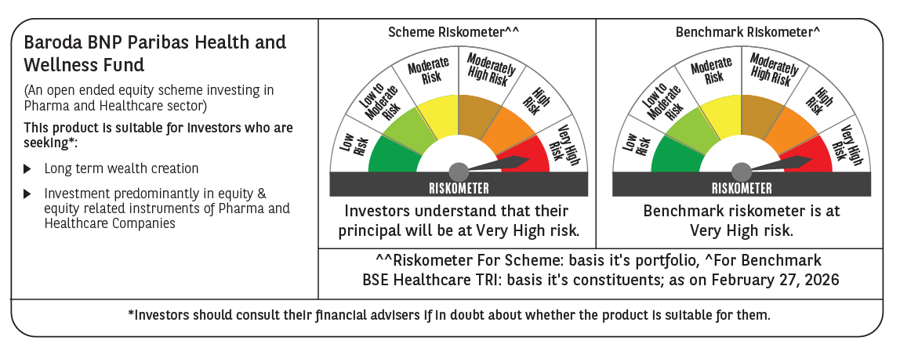

 | Monthly Performance Link: https://www.barodabnpparibasmf.in/assets/download_documents/Performance_of_Schemes_17049.pdf

