T0ME44
 | Baroda BNP Paribas Multi Asset Active FOF

 | Monthly Portfolio Statement as on February 28, 2026
 | Name of the Instrument | ISIN | Industry / Rating | Quantity | Market/Fair Value (Rs. in Lakhs) | % to Net Assets | YTM~ | YTC^ | null
 | Others
 | Exchange Traded Funds
152231 | Baroda BNP Paribas Gold ETF-RG | INF251K01SU9 |  | 1,944,032 | 2,982.15 | 23.03%
 | Sub Total |  |  |  | 2,982.15 | 23.03%
 | Mutual Fund Units
119400 | Baroda BNP Paribas Short Duration Dr Plan Growth | INF955L01BD5 |  | 19,487,347 | 6,426.95 | 49.64%
150187 | Baroda BNP Paribas Large Cap Direct Plan Growth | INF251K01HN7 |  | 936,897 | 2,430.12 | 18.77%
150180 | Baroda BNP Paribas Dynamic Bond Dr Plan Growth | INF251K01GW0 |  | 1,744,500 | 899.01 | 6.94%
150264 | BARODA BNP PARIBAS Focused Fund Dr Pl - Growth | INF251K01PN0 |  | 391,701 | 95.82 | 0.74%
 | Sub Total |  |  |  | 9,851.90 | 76.09%
 | Total |  |  |  | 12,834.05 | 99.12%
 | Reverse Repo / TREPS
TRP_020326 | Clearing Corporation of India Ltd |  |  |  | 230.89 | 1.78% | 4.93%
 | Sub Total |  |  |  | 230.89 | 1.78%
 | Total |  |  |  | 230.89 | 1.78%
 | Net Receivables / (Payables) |  |  |  | (117.05) | (0.90)%
 | GRAND TOTAL |  |  |  | 12,947.89 | 100.00%

 | ~ YTM as on February 28, 2026
 | ^ YTC represents Yield to Call provided by valuation agencies as on February 28, 2026. It is disclosed for Perpetual Bond issued by Banks (i.e. AT-1 Bond / Tier 1 Bond / Tier 2 Bond), as per AMFI Best Practices Guidelines Circular no. 135/BP/91/2020-21 read with SEBI circular No. SEBI/HO/IMD/DF4/CIR/P/2021/034 on Valuation of AT-1 Bonds and Tier 2 Bonds.

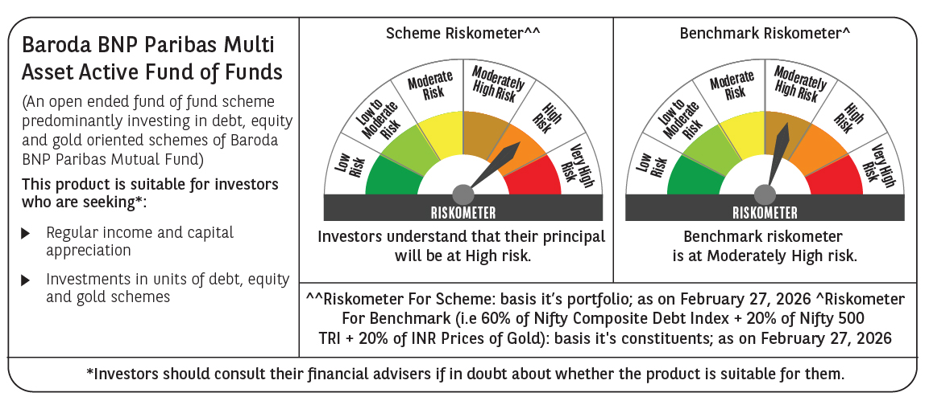

 | Monthly Performance Link: https://www.barodabnpparibasmf.in/assets/download_documents/Performance_of_Schemes_17049.pdf

