T0ME43
 | BBP Income Plus Arbitrage Active FOF

 | Monthly Portfolio Statement as on February 28, 2026
 | Name of the Instrument | ISIN | Industry / Rating | Quantity | Market/Fair Value (Rs. in Lakhs) | % to Net Assets | YTM~ | YTC^ | null
 | Others
 | Mutual Fund Units
150237 | Baroda BNP Paribas Corporate Bond Fund- DR GR | INF251K01GP4 |  | 16,567,556 | 5,033.07 | 62.86%
150251 | Baroda BNP Paribas Arbitrage Fund- DR GR | INF251K01OT0 |  | 16,307,120 | 2,885.28 | 36.04%
 | Sub Total |  |  |  | 7,918.35 | 98.90%
 | Total |  |  |  | 7,918.35 | 98.90%
 | Reverse Repo / TREPS
TRP_020326 | Clearing Corporation of India Ltd |  |  |  | 83.66 | 1.04% | 4.93%
 | Sub Total |  |  |  | 83.66 | 1.04%
 | Total |  |  |  | 83.66 | 1.04%
 | Net Receivables / (Payables) |  |  |  | 4.65 | 0.06%
 | GRAND TOTAL |  |  |  | 8,006.66 | 100.00%

 | ~ YTM as on February 28, 2026
 | ^ YTC represents Yield to Call provided by valuation agencies as on February 28, 2026. It is disclosed for Perpetual Bond issued by Banks (i.e. AT-1 Bond / Tier 1 Bond / Tier 2 Bond), as per AMFI Best Practices Guidelines Circular no. 135/BP/91/2020-21 read with SEBI circular No. SEBI/HO/IMD/DF4/CIR/P/2021/034 on Valuation of AT-1 Bonds and Tier 2 Bonds.

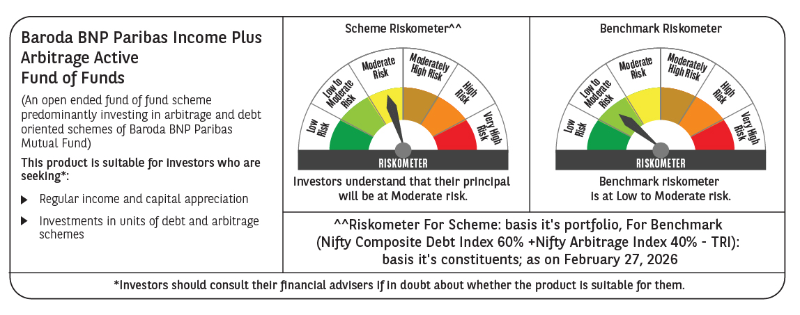

 | Monthly Performance Link: https://www.barodabnpparibasmf.in/assets/download_documents/Performance_of_Schemes_17049.pdf

