T0ME42
 | Baroda BNP Paribas Energy Opportunities Fund

 | Monthly Portfolio Statement as on February 28, 2026
 | Name of the Instrument | ISIN | Industry / Rating | Quantity | Market/Fair Value (Rs. in Lakhs) | % to Net Assets | YTM~ | YTC^ | null
 | Equity & Equity related
 | (a) Listed / awaiting listing on Stock Exchanges
NTPC01 | NTPC Limited | INE733E01010 | Power | 1,550,000 | 5,919.45 | 8.28%
RIND01 | Reliance Industries Limited | INE002A01018 | Petroleum Products | 420,000 | 5,854.38 | 8.19%
COAL01 | Coal India Limited | INE522F01014 | Consumable Fuels | 1,350,000 | 5,813.78 | 8.13%
HPEC01 | Hindustan Petroleum Corporation Limited | INE094A01015 | Petroleum Products | 975,000 | 4,277.81 | 5.98%
ONGC02 | Oil & Natural Gas Corporation Limited | INE213A01029 | Oil | 1,350,000 | 3,775.95 | 5.28%
PGCI01 | Power Grid Corporation of India Limited | INE752E01010 | Power | 1,250,000 | 3,733.13 | 5.22%
BPCL01 | Bharat Petroleum Corporation Limited | INE029A01011 | Petroleum Products | 950,000 | 3,661.30 | 5.12%
OIIL01 | Oil India Limited | INE274J01014 | Oil | 525,000 | 2,540.48 | 3.55%
BHAH02 | Bharat Heavy Electricals Limited | INE257A01026 | Electrical Equipment | 950,000 | 2,517.03 | 3.52%
NHPC01 | NHPC Limited | INE848E01016 | Power | 3,225,000 | 2,429.39 | 3.40%
LARS02 | Larsen & Toubro Limited | INE018A01030 | Construction | 55,000 | 2,353.07 | 3.29%
ABBP01 | Hitachi Energy India Limited | INE07Y701011 | Electrical Equipment | 9,000 | 2,300.58 | 3.22%
TPOW02 | Tata Power Company Limited | INE245A01021 | Power | 600,000 | 2,265.30 | 3.17%
ULCC01 | UltraTech Cement Limited | INE481G01011 | Cement & Cement Products | 15,000 | 1,901.55 | 2.66%
GAIL01 | GAIL (India) Limited | INE129A01019 | Gas | 1,100,000 | 1,864.83 | 2.61%
MREL01 | Chennai Petroleum Corporation Limited | INE178A01016 | Petroleum Products | 185,000 | 1,779.61 | 2.49%
TOPL01 | Torrent Power Limited | INE813H01021 | Power | 100,000 | 1,566.40 | 2.19%
ALLI02 | GE Vernova T&D India Limited | INE200A01026 | Electrical Equipment | 40,576 | 1,562.26 | 2.19%
MARE01 | Mangalore Refinery and Petrochemicals Limited | INE103A01014 | Petroleum Products | 750,000 | 1,474.88 | 2.06%
IOIC01 | Indian Oil Corporation Limited | INE242A01010 | Petroleum Products | 750,000 | 1,406.03 | 1.97%
BOCL01 | Linde India Limited | INE473A01011 | Chemicals & Petrochemicals | 18,950 | 1,275.34 | 1.78%
AEVO01 | Aegis Vopak Terminals Limited | INE0INX01018 | Oil | 450,000 | 1,026.32 | 1.44%
SIEM02 | Siemens Limited | INE003A01024 | Electrical Equipment | 30,000 | 1,025.58 | 1.43%
NAYV01 | NLC India Limited | INE589A01014 | Power | 384,000 | 998.59 | 1.40%
GUOL01 | Gulf Oil Lubricants India Limited | INE635Q01029 | Petroleum Products | 88,814 | 980.77 | 1.37%
KCUL02 | Cummins India Limited | INE298A01020 | Industrial Products | 20,000 | 979.66 | 1.37%
ICEM01 | The India Cements Limited | INE383A01012 | Cement & Cement Products | 210,000 | 852.60 | 1.19%
KSPL02 | KSB Limited | INE999A01023 | Industrial Products | 90,000 | 693.23 | 0.97%
 | Sub Total |  |  |  | 66,829.30 | 93.47%
 | (b) Unlisted
CEES01 | Clean Max Enviro Energy Solutions Limited # | INE647U01026 | Power | 90,272 | 950.56 | 1.33%
 | Sub Total |  |  |  | 950.56 | 1.33%
 | Total |  |  |  | 67,779.86 | 94.80%
 | Money Market Instruments
 | Treasury Bill
TBIL2566 | 364 Days Tbill (MD 17/09/2026) | IN002025Z252 | Sovereign | 1,000,000 | 971.16 | 1.36% | 5.42%
 | Sub Total |  |  |  | 971.16 | 1.36%
 | Total |  |  |  | 971.16 | 1.36%
 | Reverse Repo / TREPS
TRP_020326 | Clearing Corporation of India Ltd |  |  |  | 2,816.38 | 3.94% | 4.93%
 | Sub Total |  |  |  | 2,816.38 | 3.94%
 | Total |  |  |  | 2,816.38 | 3.94%
 | Net Receivables / (Payables) |  |  |  | (90.77) | (0.10)%
 | GRAND TOTAL |  |  |  | 71,476.63 | 100.00%

 | # Unlisted Security
 | ~ YTM as on February 28, 2026
 | ^ YTC represents Yield to Call provided by valuation agencies as on February 28, 2026. It is disclosed for Perpetual Bond issued by Banks (i.e. AT-1 Bond / Tier 1 Bond / Tier 2 Bond), as per AMFI Best Practices Guidelines Circular no. 135/BP/91/2020-21 read with SEBI circular No. SEBI/HO/IMD/DF4/CIR/P/2021/034 on Valuation of AT-1 Bonds and Tier 2 Bonds.

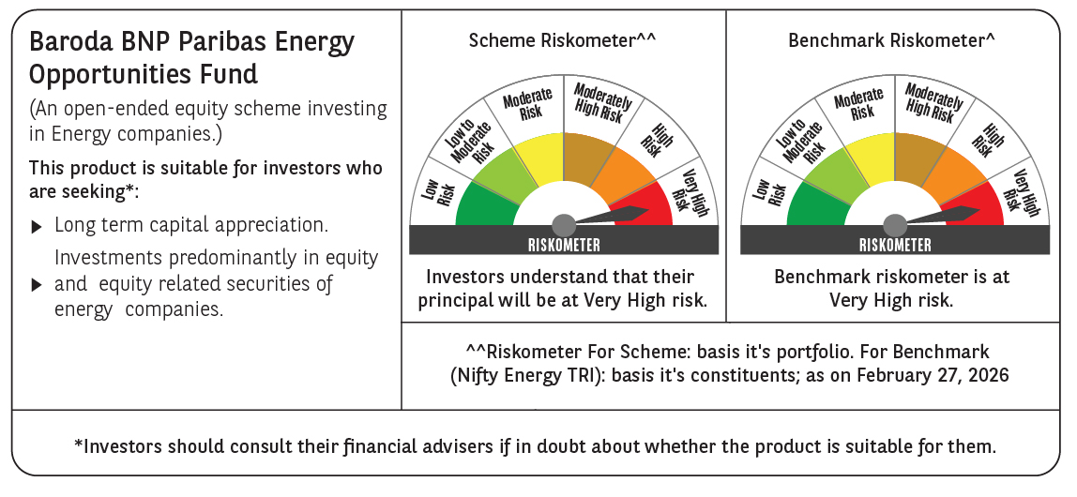

 | Monthly Performance Link: https://www.barodabnpparibasmf.in/assets/download_documents/Performance_of_Schemes_17049.pdf

