T0ME39
 | Baroda BNP Paribas Nifty200 Momentum 30 Index Fund

 | Monthly Portfolio Statement as on February 28, 2026
 | Name of the Instrument | ISIN | Industry / Rating | Quantity | Market/Fair Value (Rs. in Lakhs) | % to Net Assets | YTM~ | YTC^ | null
 | Equity & Equity related
 | (a) Listed / awaiting listing on Stock Exchanges
SBAI02 | State Bank of India | INE062A01020 | Banks | 12,013 | 144.36 | 6.15%
SHTR02 | Shriram Finance Limited | INE721A01047 | Finance | 11,976 | 129.27 | 5.51%
EIML02 | Eicher Motors Limited | INE066A01021 | Automobiles | 1,559 | 124.88 | 5.32%
HINI02 | Hindalco Industries Limited | INE038A01020 | Non - Ferrous Metals | 13,255 | 122.57 | 5.22%
BAFL03 | Bajaj Finance Limited | INE296A01032 | Finance | 11,717 | 116.69 | 4.97%
SAEL02 | TVS Motor Company Limited | INE494B01023 | Automobiles | 2,791 | 108.00 | 4.60%
MAUD01 | Maruti Suzuki India Limited | INE585B01010 | Automobiles | 695 | 103.26 | 4.40%
BTVL02 | Bharti Airtel Limited | INE397D01024 | Telecom - Services | 5,476 | 102.91 | 4.39%
ASPA02 | Asian Paints Limited | INE021A01026 | Consumer Durables | 4,273 | 101.54 | 4.33%
HERO02 | Hero MotoCorp Limited | INE158A01026 | Automobiles | 1,707 | 97.47 | 4.15%
INAV01 | InterGlobe Aviation Limited | INE646L01027 | Transport Services | 1,894 | 91.43 | 3.90%
SLIF01 | SBI Life Insurance Company Limited | INE123W01016 | Insurance | 4,394 | 89.51 | 3.81%
BSEL02 | BSE Limited | INE118H01025 | Capital Markets | 3,280 | 88.79 | 3.78%
FEBA02 | The Federal Bank Limited | INE171A01029 | Banks | 25,931 | 77.75 | 3.31%
AFPL02 | AU Small Finance Bank Limited | INE949L01017 | Banks | 7,735 | 74.13 | 3.16%
MUFL01 | Muthoot Finance Limited | INE414G01012 | Finance | 2,208 | 74.05 | 3.16%
KCUL02 | Cummins India Limited | INE298A01020 | Industrial Products | 1,490 | 72.98 | 3.11%
ASHL02 | Ashok Leyland Limited | INE208A01029 | Agricultural, Commercial & Construction Vehicles | 31,011 | 65.46 | 2.79%
CANB02 | Canara Bank | INE476A01022 | Banks | 41,121 | 64.71 | 2.76%
LTFL01 | L&T Finance Limited | INE498L01015 | Finance | 20,199 | 57.36 | 2.44%
CHOL02 | Cholamandalam Investment and Finance Company Ltd | INE121A01024 | Finance | 3,176 | 54.97 | 2.34%
MAXI02 | Max Financial Services Limited | INE180A01020 | Insurance | 2,934 | 53.21 | 2.27%
ONCO02 | One 97 Communications Limited | INE982J01020 | Financial Technology (Fintech) | 4,620 | 50.74 | 2.16%
FRHL01 | Fortis Healthcare Limited | INE061F01013 | Healthcare Services | 5,266 | 49.64 | 2.12%
INBK01 | Indian Bank | INE562A01011 | Banks | 4,864 | 48.18 | 2.05%
ABFS01 | Aditya Birla Capital Limited | INE674K01013 | Finance | 13,716 | 47.24 | 2.01%
FSNE01 | FSN E-Commerce Ventures Limited | INE388Y01029 | Retailing | 17,605 | 46.74 | 1.99%
GMRI03 | GMR Airports Limited | INE776C01039 | Transport Infrastructure | 38,841 | 39.09 | 1.67%
SECH03 | UPL Limited | INE628A01036 | Fertilizers & Agrochemicals | 5,598 | 35.68 | 1.52%
GLPH03 | Glenmark Pharmaceuticals Limited | INE935A01035 | Pharmaceuticals & Biotechnology | 1,455 | 31.09 | 1.32%
 | Sub Total |  |  |  | 2,363.70 | 100.71%
 | (b) Unlisted |  |  |  | NIL | NIL
 | Sub Total |  |  |  | NIL | NIL
 | Total |  |  |  | 2,363.70 | 100.71%
 | Debt Instruments
 | (a) Preference Shares
SAEL21PS | 6% TVS Motor Company Limited ** | INE494B04019 | CARE A1+ | 10,460 | 1.07 | 0.05%
 | Sub Total |  |  |  | 1.07 | 0.05%
 | Total |  |  |  | 1.07 | 0.05%
 | Reverse Repo / TREPS
TRP_020326 | Clearing Corporation of India Ltd |  |  |  | 3.48 | 0.15% | 4.93%
 | Sub Total |  |  |  | 3.48 | 0.15%
 | Total |  |  |  | 3.48 | 0.15%
 | Net Receivables / (Payables) |  |  |  | (21.68) | (0.91)%
 | GRAND TOTAL |  |  |  | 2,346.57 | 100.00%

 | ** Thinly Traded / Non Traded Security
 | ~ YTM as on February 28, 2026
 | ^ YTC represents Yield to Call provided by valuation agencies as on February 28, 2026. It is disclosed for Perpetual Bond issued by Banks (i.e. AT-1 Bond / Tier 1 Bond / Tier 2 Bond), as per AMFI Best Practices Guidelines Circular no. 135/BP/91/2020-21 read with SEBI circular No. SEBI/HO/IMD/DF4/CIR/P/2021/034 on Valuation of AT-1 Bonds and Tier 2 Bonds.

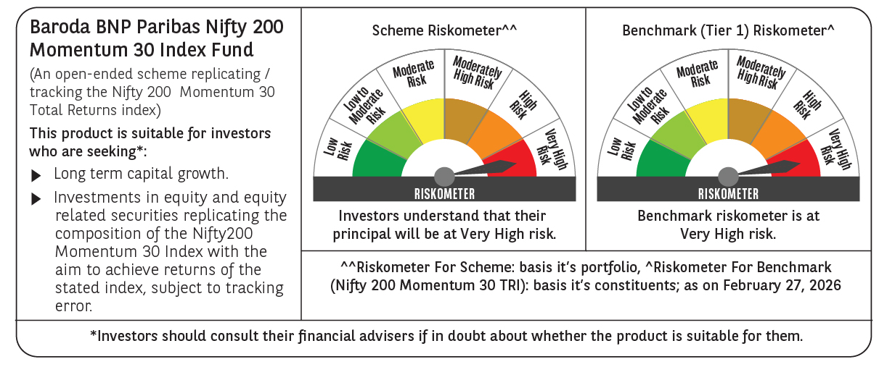

 | Monthly Performance Link: https://www.barodabnpparibasmf.in/assets/download_documents/Performance_of_Schemes_17049.pdf

