T0ME38
 | Baroda BNP Paribas Dividend Yield Fund

 | Monthly Portfolio Statement as on February 28, 2026
 | Name of the Instrument | ISIN | Industry / Rating | Quantity | Market/Fair Value (Rs. in Lakhs) | % to Net Assets | YTM~ | YTC^ | null
 | Equity & Equity related
 | (a) Listed / awaiting listing on Stock Exchanges
RIND01 | Reliance Industries Limited | INE002A01018 | Petroleum Products | 342,000 | 4,767.14 | 6.88%
HDFB03 | HDFC Bank Limited | INE040A01034 | Banks | 456,200 | 4,049.92 | 5.84%
LARS02 | Larsen & Toubro Limited | INE018A01030 | Construction | 81,000 | 3,465.42 | 5.00%
IBCL05 | ICICI Bank Limited | INE090A01021 | Banks | 221,200 | 3,050.13 | 4.40%
ALLI02 | GE Vernova T&D India Limited | INE200A01026 | Electrical Equipment | 60,000 | 2,310.12 | 3.33%
SESA02 | Vedanta Limited | INE205A01025 | Diversified Metals | 315,000 | 2,262.96 | 3.26%
JBCH03 | JB Chemicals & Pharmaceuticals Limited | INE572A01036 | Pharmaceuticals & Biotechnology | 110,000 | 2,258.85 | 3.26%
INFS02 | Infosys Limited | INE009A01021 | IT - Software | 135,000 | 1,755.14 | 2.53%
CANB02 | Canara Bank | INE476A01022 | Banks | 1,080,000 | 1,699.60 | 2.45%
HERO02 | Hero MotoCorp Limited | INE158A01026 | Automobiles | 29,700 | 1,695.87 | 2.45%
GLAX01 | GlaxoSmithKline Pharmaceuticals Limited | INE159A01016 | Pharmaceuticals & Biotechnology | 63,000 | 1,620.11 | 2.34%
ULCC01 | UltraTech Cement Limited | INE481G01011 | Cement & Cement Products | 12,500 | 1,584.63 | 2.29%
SPIL03 | Sun Pharmaceutical Industries Limited | INE044A01036 | Pharmaceuticals & Biotechnology | 90,000 | 1,563.30 | 2.26%
DIVI02 | Divi's Laboratories Limited | INE361B01024 | Pharmaceuticals & Biotechnology | 24,300 | 1,557.27 | 2.25%
BHFO02 | Bharat Forge Limited | INE465A01025 | Auto Components | 81,000 | 1,548.07 | 2.23%
HYUN01 | Hyundai Motor India Ltd | INE0V6F01027 | Automobiles | 67,500 | 1,461.65 | 2.11%
KOMA03 | Kotak Mahindra Bank Limited | INE237A01036 | Banks | 351,400 | 1,459.01 | 2.11%
BAFL03 | Bajaj Finance Limited | INE296A01032 | Finance | 135,000 | 1,344.47 | 1.94%
OIIL01 | Oil India Limited | INE274J01014 | Oil | 270,000 | 1,306.53 | 1.89%
SBAI02 | State Bank of India | INE062A01020 | Banks | 108,000 | 1,297.84 | 1.87%
NEST02 | Nestle India Limited | INE239A01024 | Food Products | 100,000 | 1,291.70 | 1.86%
MAHE01 | Max Healthcare Institute Limited | INE027H01010 | Healthcare Services | 117,000 | 1,277.58 | 1.84%
NACL03 | National Aluminium Company Limited | INE139A01034 | Non - Ferrous Metals | 360,000 | 1,276.56 | 1.84%
EIML02 | Eicher Motors Limited | INE066A01021 | Automobiles | 15,000 | 1,201.58 | 1.73%
HPEC01 | Hindustan Petroleum Corporation Limited | INE094A01015 | Petroleum Products | 270,000 | 1,184.63 | 1.71%
DRRL03 | Dr. Reddy's Laboratories Limited | INE089A01031 | Pharmaceuticals & Biotechnology | 90,000 | 1,157.67 | 1.67%
TEMA02 | Tech Mahindra Limited | INE669C01036 | IT - Software | 81,000 | 1,099.82 | 1.59%
TENN01 | Tenneco Clean Air India Limited | INE19RI01016 | Auto Components | 189,000 | 1,098.66 | 1.59%
NHPC01 | NHPC Limited | INE848E01016 | Power | 1,440,000 | 1,084.75 | 1.57%
BRIT03 | Britannia Industries Limited | INE216A01030 | Food Products | 18,000 | 1,080.45 | 1.56%
ESCO01 | Escorts Kubota Limited | INE042A01014 | Agricultural, Commercial & Construction Vehicles | 30,600 | 1,076.69 | 1.55%
RAKH02 | Radico Khaitan Limited | INE944F01028 | Beverages | 39,600 | 1,049.20 | 1.51%
BPCL01 | Bharat Petroleum Corporation Limited | INE029A01011 | Petroleum Products | 270,000 | 1,040.58 | 1.50%
ONGC02 | Oil & Natural Gas Corporation Limited | INE213A01029 | Oil | 360,000 | 1,006.92 | 1.45%
IIFM02 | 360 One WAM Limited | INE466L01038 | Capital Markets | 90,000 | 993.24 | 1.43%
LGEL01 | LG Electronics India Ltd | INE324D01010 | Consumer Durables | 54,000 | 858.06 | 1.24%
CHOL02 | Cholamandalam Investment and Finance Company Ltd | INE121A01024 | Finance | 49,500 | 856.75 | 1.24%
ITCL02 | ITC Limited | INE154A01025 | Diversified FMCG | 270,000 | 846.72 | 1.22%
MOTI02 | Bosch Limited | INE323A01026 | Auto Components | 2,250 | 819.56 | 1.18%
SJVN01 | SJVN Limited | INE002L01015 | Power | 1,080,000 | 788.72 | 1.14%
TCSL01 | Tata Consultancy Services Limited | INE467B01029 | IT - Software | 29,700 | 783.31 | 1.13%
HCLT02 | HCL Technologies Limited | INE860A01027 | IT - Software | 54,000 | 750.11 | 1.08%
IFEL01 | Oracle Financial Services Software Limited | INE881D01027 | IT - Software | 10,800 | 748.66 | 1.08%
ICRA01 | ICRA Limited | INE725G01011 | Capital Markets | 10,066 | 556.75 | 0.80%
WIPR02 | Wipro Limited | INE075A01022 | IT - Software | 270,000 | 542.59 | 0.78%
ILOM01 | ICICI Lombard General Insurance Company Limited | INE765G01017 | Insurance | 18,000 | 342.27 | 0.49%
SKFI01 | SKF India (Industrial) Ltd | INE2J8701016 | Industrial Products | 5,400 | 138.38 | 0.20%
 | Sub Total |  |  |  | 67,009.94 | 96.67%
 | (b) Unlisted |  |  |  | NIL | NIL
 | Sub Total |  |  |  | NIL | NIL
 | Total |  |  |  | 67,009.94 | 96.67%
 | Derivatives
 | Index / Stock Futures
MCEXMAR26 | Multi Commodity Exchange of India Limited March 2026 Future |  |  | 33,750 | 826.88 | 1.19%
 | Sub Total |  |  |  | 826.88 | 1.19%
 | Total |  |  |  | 826.88 | 1.19%
 | Money Market Instruments
 | Treasury Bill
TBIL2519 | 364 Days Tbill (MD 11/06/2026) | IN002025Z112 | Sovereign | 1,000,000 | 985.45 | 1.42% | 5.28%
 | Sub Total |  |  |  | 985.45 | 1.42%
 | Total |  |  |  | 985.45 | 1.42%
 | Reverse Repo / TREPS
TRP_020326 | Clearing Corporation of India Ltd |  |  |  | 1,505.99 | 2.17% | 4.93%
 | Sub Total |  |  |  | 1,505.99 | 2.17%
 | Total |  |  |  | 1,505.99 | 2.17%
 | Net Receivables / (Payables) |  |  |  | (1,017.74) | (1.45)%
 | GRAND TOTAL |  |  |  | 69,310.52 | 100.00%

 | ~ YTM as on February 28, 2026
 | ^ YTC represents Yield to Call provided by valuation agencies as on February 28, 2026. It is disclosed for Perpetual Bond issued by Banks (i.e. AT-1 Bond / Tier 1 Bond / Tier 2 Bond), as per AMFI Best Practices Guidelines Circular no. 135/BP/91/2020-21 read with SEBI circular No. SEBI/HO/IMD/DF4/CIR/P/2021/034 on Valuation of AT-1 Bonds and Tier 2 Bonds.
 | Details of Stock Future / Index Future
 | Long/Short | Name of the Instrument | Industry | Quantity. | Market/Fair Value (Rs. in Lacs). | % to NAV.
 | Long | Multi Commodity Exchange of India Limited_30/03/2026 | Capital Markets | 33,750 | 826.88 | 1.19%

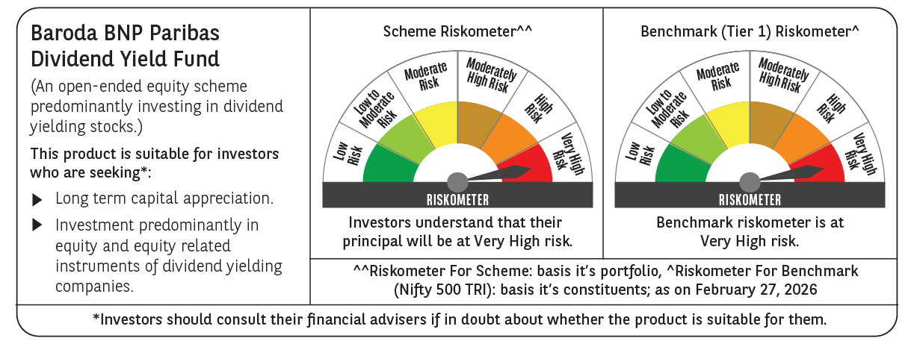

 | Monthly Performance Link: https://www.barodabnpparibasmf.in/assets/download_documents/Performance_of_Schemes_17049.pdf

