T0ME37
 | Baroda BNP Paribas Manufacturing Fund

 | Monthly Portfolio Statement as on February 28, 2026
 | Name of the Instrument | ISIN | Industry / Rating | Quantity | Market/Fair Value (Rs. in Lakhs) | % to Net Assets | YTM~ | YTC^ | null
 | Equity & Equity related
 | (a) Listed / awaiting listing on Stock Exchanges
ABBP01 | Hitachi Energy India Limited | INE07Y701011 | Electrical Equipment | 24,300 | 6,211.57 | 6.85%
DIVI02 | Divi's Laboratories Limited | INE361B01024 | Pharmaceuticals & Biotechnology | 81,000 | 5,190.89 | 5.72%
RIND01 | Reliance Industries Limited | INE002A01018 | Petroleum Products | 369,000 | 5,143.49 | 5.67%
SESA02 | Vedanta Limited | INE205A01025 | Diversified Metals | 612,000 | 4,396.61 | 4.85%
MAHI02 | Mahindra & Mahindra Limited | INE101A01026 | Automobiles | 90,000 | 3,057.66 | 3.37%
SAEL02 | TVS Motor Company Limited | INE494B01023 | Automobiles | 76,500 | 2,960.32 | 3.26%
SPIL03 | Sun Pharmaceutical Industries Limited | INE044A01036 | Pharmaceuticals & Biotechnology | 166,500 | 2,892.11 | 3.19%
NACL03 | National Aluminium Company Limited | INE139A01034 | Non - Ferrous Metals | 810,000 | 2,872.26 | 3.17%
BHAH02 | Bharat Heavy Electricals Limited | INE257A01026 | Electrical Equipment | 1,080,000 | 2,861.46 | 3.15%
MAUD01 | Maruti Suzuki India Limited | INE585B01010 | Automobiles | 18,900 | 2,807.97 | 3.10%
ASPH02 | AstraZeneca Pharma India Limited | INE203A01020 | Pharmaceuticals & Biotechnology | 27,000 | 2,389.23 | 2.63%
HERO02 | Hero MotoCorp Limited | INE158A01026 | Automobiles | 40,500 | 2,312.55 | 2.55%
JVSL04 | JSW Steel Limited | INE019A01038 | Ferrous Metals | 180,000 | 2,276.46 | 2.51%
TMLC01 | Tata Motors Ltd | INE1TAE01010 | Agricultural, Commercial & Construction Vehicles | 450,000 | 2,273.85 | 2.51%
BOCL01 | Linde India Limited | INE473A01011 | Chemicals & Petrochemicals | 33,300 | 2,241.09 | 2.47%
ESCO01 | Escorts Kubota Limited | INE042A01014 | Agricultural, Commercial & Construction Vehicles | 63,000 | 2,216.72 | 2.44%
BPCL01 | Bharat Petroleum Corporation Limited | INE029A01011 | Petroleum Products | 567,000 | 2,185.22 | 2.41%
LARS02 | Larsen & Toubro Limited | INE018A01030 | Construction | 45,000 | 1,925.24 | 2.12%
WABT01 | ZF Commercial Vehicle Control Systems India Limited | INE342J01019 | Auto Components | 12,600 | 1,910.66 | 2.11%
SUMI01 | Sumitomo Chemical India Limited | INE258G01013 | Fertilizers & Agrochemicals | 450,000 | 1,805.18 | 1.99%
KCUL02 | Cummins India Limited | INE298A01020 | Industrial Products | 36,000 | 1,763.39 | 1.94%
BHFO02 | Bharat Forge Limited | INE465A01025 | Auto Components | 90,000 | 1,720.08 | 1.90%
PRRC03 | Navin Fluorine International Limited | INE048G01026 | Chemicals & Petrochemicals | 24,269 | 1,518.39 | 1.67%
BHEL02 | Bharat Electronics Limited | INE263A01024 | Aerospace & Defense | 333,000 | 1,480.85 | 1.63%
SOKO03 | Jtekt India Limited | INE643A01035 | Auto Components | 990,000 | 1,477.87 | 1.63%
MOTI02 | Bosch Limited | INE323A01026 | Auto Components | 4,050 | 1,475.21 | 1.63%
HYUN01 | Hyundai Motor India Ltd | INE0V6F01027 | Automobiles | 67,500 | 1,461.65 | 1.61%
LGEL01 | LG Electronics India Ltd | INE324D01010 | Consumer Durables | 90,000 | 1,430.10 | 1.58%
NAYV01 | NLC India Limited | INE589A01014 | Power | 540,000 | 1,404.27 | 1.55%
ASEA02 | ABB India Limited | INE117A01022 | Electrical Equipment | 22,500 | 1,366.43 | 1.51%
IPCA03 | IPCA Laboratories Limited | INE571A01038 | Pharmaceuticals & Biotechnology | 81,000 | 1,238.41 | 1.37%
PIDI02 | Pidilite Industries Limited | INE318A01026 | Chemicals & Petrochemicals | 81,000 | 1,208.52 | 1.33%
TENN01 | Tenneco Clean Air India Limited | INE19RI01016 | Auto Components | 207,000 | 1,203.29 | 1.33%
BIRM01 | 3M India Limited | INE470A01017 | Diversified | 2,880 | 1,080.14 | 1.19%
KEWI01 | Kennametal India Limited | INE717A01029 | Industrial Manufacturing | 44,205 | 1,069.74 | 1.18%
BHAE02 | BEML Limited | INE258A01024 | Agricultural, Commercial & Construction Vehicles | 55,800 | 938.00 | 1.03%
DRRL03 | Dr. Reddy's Laboratories Limited | INE089A01031 | Pharmaceuticals & Biotechnology | 72,000 | 926.14 | 1.02%
ICEM01 | The India Cements Limited | INE383A01012 | Cement & Cement Products | 225,000 | 913.50 | 1.01%
JSWC01 | JSW Cement Limited | INE718I01012 | Cement & Cement Products | 630,000 | 788.00 | 0.87%
HZIN02 | Hindustan Zinc Limited | INE267A01025 | Non - Ferrous Metals | 126,000 | 760.79 | 0.84%
PFIZ01 | Pfizer Limited | INE182A01018 | Pharmaceuticals & Biotechnology | 13,320 | 674.29 | 0.74%
KSPL02 | KSB Limited | INE999A01023 | Industrial Products | 82,000 | 631.61 | 0.70%
SCDL01 | Sundaram Clayton Limited | INE0Q3R01026 | Auto Components | 40,741 | 579.21 | 0.64%
SKFI01 | SKF India (Industrial) Ltd | INE2J8701016 | Industrial Products | 9,000 | 230.63 | 0.25%
 | Sub Total |  |  |  | 87,271.05 | 96.22%
 | (b) Unlisted |  |  |  | NIL | NIL
 | Sub Total |  |  |  | NIL | NIL
 | Total |  |  |  | 87,271.05 | 96.22%
 | Derivatives
 | Index / Stock Futures
MCEXMAR26 | Multi Commodity Exchange of India Limited March 2026 Future |  |  | 39,375 | 964.69 | 1.06%
 | Sub Total |  |  |  | 964.69 | 1.06%
 | Total |  |  |  | 964.69 | 1.06%
 | Debt Instruments
 | (a) Preference Shares
SAEL21PS | 6% TVS Motor Company Limited ** | INE494B04019 | CARE A1+ | 180,000 | 18.49 | 0.02%
 | Sub Total |  |  |  | 18.49 | 0.02%
 | Total |  |  |  | 18.49 | 0.02%
 | Money Market Instruments
 | Treasury Bill
TBIL2487 | 364 Days Tbill (MD 19/03/2026) | IN002024Z495 | Sovereign | 1,500,000 | 1,496.61 | 1.65% | 4.60%
TBIL2525 | 364 Days Tbill (MD 25/06/2026) | IN002025Z138 | Sovereign | 1,000,000 | 983.49 | 1.08% | 5.28%
 | Sub Total |  |  |  | 2,480.10 | 2.73%
 | Total |  |  |  | 2,480.10 | 2.73%
 | Reverse Repo / TREPS
TRP_020326 | Clearing Corporation of India Ltd |  |  |  | 1,349.70 | 1.49% | 4.93%
 | Sub Total |  |  |  | 1,349.70 | 1.49%
 | Total |  |  |  | 1,349.70 | 1.49%
 | Net Receivables / (Payables) |  |  |  | (1,360.25) | (1.52)%
 | GRAND TOTAL |  |  |  | 90,723.78 | 100.00%

 | ** Thinly Traded / Non Traded Security
 | ~ YTM as on February 28, 2026
 | ^ YTC represents Yield to Call provided by valuation agencies as on February 28, 2026. It is disclosed for Perpetual Bond issued by Banks (i.e. AT-1 Bond / Tier 1 Bond / Tier 2 Bond), as per AMFI Best Practices Guidelines Circular no. 135/BP/91/2020-21 read with SEBI circular No. SEBI/HO/IMD/DF4/CIR/P/2021/034 on Valuation of AT-1 Bonds and Tier 2 Bonds.
 | Details of Stock Future / Index Future
 | Long/Short | Name of the Instrument | Industry | Quantity. | Market/Fair Value (Rs. in Lacs). | % to NAV.
 | Long | Multi Commodity Exchange of India Limited_30/03/2026 | Capital Markets | 39,375 | 964.69 | 1.06%

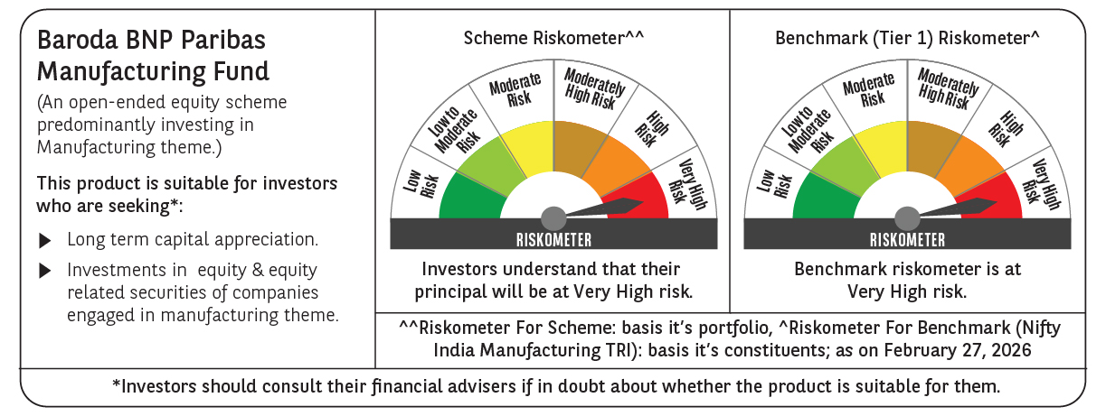

 | Monthly Performance Link: https://www.barodabnpparibasmf.in/assets/download_documents/Performance_of_Schemes_17049.pdf

