T0ME36
 | Baroda BNP Paribas NIFTY BANK ETF

 | Monthly Portfolio Statement as on February 28, 2026
 | Name of the Instrument | ISIN | Industry | Quantity | Market/Fair Value (Rs. in Lakhs) | % to Net Assets | YTM~ | YTC^ | null
 | Equity & Equity related
 | (a) Listed / awaiting listing on Stock Exchanges
HDFB03 | HDFC Bank Limited | INE040A01034 | Banks | 8,653 | 76.82 | 19.83%
IBCL05 | ICICI Bank Limited | INE090A01021 | Banks | 4,502 | 62.08 | 16.03%
SBAI02 | State Bank of India | INE062A01020 | Banks | 3,436 | 41.29 | 10.66%
UTIB02 | Axis Bank Limited | INE238A01034 | Banks | 2,796 | 38.69 | 9.99%
KOMA03 | Kotak Mahindra Bank Limited | INE237A01036 | Banks | 8,586 | 35.65 | 9.20%
FEBA02 | The Federal Bank Limited | INE171A01029 | Banks | 7,182 | 21.54 | 5.56%
IIBL01 | IndusInd Bank Limited | INE095A01012 | Banks | 1,876 | 17.95 | 4.63%
BKBA02 | Bank of Baroda | INE028A01039 | Banks | 5,254 | 16.92 | 4.37%
AFPL02 | AU Small Finance Bank Limited | INE949L01017 | Banks | 1,618 | 15.51 | 4.00%
CANB02 | Canara Bank | INE476A01022 | Banks | 9,674 | 15.22 | 3.93%
IDBK01 | IDFC First Bank Limited | INE092T01019 | Banks | 18,306 | 13.45 | 3.47%
PUBA02 | Punjab National Bank | INE160A01022 | Banks | 10,221 | 13.23 | 3.42%
UNBI01 | Union Bank of India | INE692A01016 | Banks | 4,789 | 9.69 | 2.50%
YESB03 | Yes Bank Limited | INE528G01035 | Banks | 42,508 | 8.81 | 2.27%
 | Sub Total |  |  |  | 386.85 | 99.86%
 | (b) Unlisted |  |  |  | NIL | NIL
 | Sub Total |  |  |  | NIL | NIL
 | Total |  |  |  | 386.85 | 99.86%
 | Reverse Repo / TREPS
TRP_020326 | Clearing Corporation of India Ltd |  |  |  | 0.21 | 0.05% | 4.92%
 | Sub Total |  |  |  | 0.21 | 0.05%
 | Total |  |  |  | 0.21 | 0.05%
 | Net Receivables / (Payables) |  |  |  | 0.32 | 0.09%
 | GRAND TOTAL |  |  |  | 387.38 | 100.00%

 | ~ YTM as on February 28, 2026
 | ^ YTC represents Yield to Call provided by valuation agencies as on February 28, 2026. It is disclosed for Perpetual Bond issued by Banks (i.e. AT-1 Bond / Tier 1 Bond / Tier 2 Bond), as per AMFI Best Practices Guidelines Circular no. 135/BP/91/2020-21 read with SEBI circular No. SEBI/HO/IMD/DF4/CIR/P/2021/034 on Valuation of AT-1 Bonds and Tier 2 Bonds.

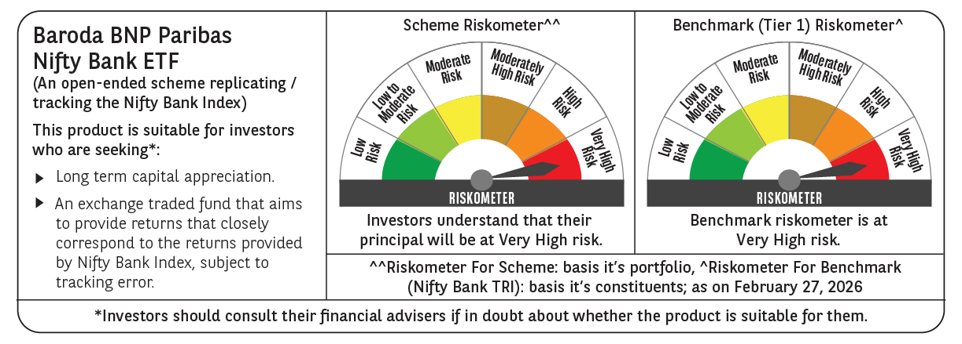

 | Monthly Performance Link: https://www.barodabnpparibasmf.in/assets/download_documents/Performance_of_Schemes_17049.pdf

