T0ME34
 | Baroda BNP Paribas Innovation Fund

 | Monthly Portfolio Statement as on February 28, 2026
 | Name of the Instrument | ISIN | Industry / Rating | Quantity | Market/Fair Value (Rs. in Lakhs) | % to Net Assets | YTM~ | YTC^ | null
 | Equity & Equity related
 | (a) Listed / awaiting listing on Stock Exchanges
ABBP01 | Hitachi Energy India Limited | INE07Y701011 | Electrical Equipment | 15,524 | 3,968.24 | 4.59%
BOCL01 | Linde India Limited | INE473A01011 | Chemicals & Petrochemicals | 57,774 | 3,888.19 | 4.49%
ONCO02 | One 97 Communications Limited | INE982J01020 | Financial Technology (Fintech) | 305,000 | 3,349.82 | 3.87%
PRRC03 | Navin Fluorine International Limited | INE048G01026 | Chemicals & Petrochemicals | 49,427 | 3,092.40 | 3.57%
ZMPL01 | Eternal Limited | INE758T01015 | Retailing | 1,194,500 | 2,942.05 | 3.40%
SAEL02 | TVS Motor Company Limited | INE494B01023 | Automobiles | 71,400 | 2,762.97 | 3.19%
MCEX02 | Multi Commodity Exchange of India Limited | INE745G01043 | Capital Markets | 112,250 | 2,742.60 | 3.17%
KCUL02 | Cummins India Limited | INE298A01020 | Industrial Products | 55,723 | 2,729.48 | 3.15%
BTVL02 | Bharti Airtel Limited | INE397D01024 | Telecom - Services | 133,108 | 2,501.50 | 2.89%
IBCL05 | ICICI Bank Limited | INE090A01021 | Banks | 180,000 | 2,482.02 | 2.87%
ESMC02 | PB Fintech Limited | INE417T01026 | Financial Technology (Fintech) | 166,100 | 2,460.94 | 2.84%
BIRM01 | 3M India Limited | INE470A01017 | Diversified | 6,264 | 2,349.31 | 2.71%
AMIO02 | Acutaas Chemicals Limited | INE00FF01025 | Pharmaceuticals & Biotechnology | 108,462 | 2,341.48 | 2.71%
BAFL03 | Bajaj Finance Limited | INE296A01032 | Finance | 230,000 | 2,290.57 | 2.65%
DIVI02 | Divi's Laboratories Limited | INE361B01024 | Pharmaceuticals & Biotechnology | 35,300 | 2,262.20 | 2.61%
RIND01 | Reliance Industries Limited | INE002A01018 | Petroleum Products | 147,600 | 2,057.40 | 2.38%
FSNE01 | FSN E-Commerce Ventures Limited | INE388Y01029 | Retailing | 740,000 | 1,964.55 | 2.27%
MAHI02 | Mahindra & Mahindra Limited | INE101A01026 | Automobiles | 56,700 | 1,926.33 | 2.23%
INAV01 | InterGlobe Aviation Limited | INE646L01027 | Transport Services | 37,950 | 1,831.92 | 2.12%
SAGI01 | Sagility Limited | INE0W2G01015 | IT - Services | 4,550,420 | 1,799.69 | 2.08%
BLTE01 | Swiggy Limited | INE00H001014 | Retailing | 590,000 | 1,780.33 | 2.06%
KFIN01 | KFin Technologies Limited | INE138Y01010 | Capital Markets | 180,000 | 1,722.06 | 1.99%
IEIN02 | Info Edge (India) Limited | INE663F01032 | Retailing | 163,000 | 1,678.25 | 1.94%
MOTI02 | Bosch Limited | INE323A01026 | Auto Components | 4,539 | 1,653.33 | 1.91%
LENS01 | Lenskart Solutions Limited | INE956O01016 | Retailing | 301,638 | 1,621.00 | 1.87%
MAXI02 | Max Financial Services Limited | INE180A01020 | Insurance | 88,500 | 1,604.86 | 1.85%
AMBE01 | Amber Enterprises India Limited | INE371P01015 | Consumer Durables | 19,900 | 1,586.83 | 1.83%
USFB01 | Ujjivan Small Finance Bank Limited | INE551W01018 | Banks | 2,641,407 | 1,533.60 | 1.77%
TRFO01 | Travel Food Services Limited | INE103V01028 | Leisure Services | 116,000 | 1,431.67 | 1.65%
ALLI02 | GE Vernova T&D India Limited | INE200A01026 | Electrical Equipment | 36,000 | 1,386.07 | 1.60%
TBOT01 | TBO Tek Limited | INE673O01025 | Leisure Services | 113,073 | 1,386.05 | 1.60%
BSEL02 | BSE Limited | INE118H01025 | Capital Markets | 49,000 | 1,326.48 | 1.53%
SOKO03 | Jtekt India Limited | INE643A01035 | Auto Components | 807,136 | 1,204.89 | 1.39%
PFIZ01 | Pfizer Limited | INE182A01018 | Pharmaceuticals & Biotechnology | 22,879 | 1,158.18 | 1.34%
INFS02 | Infosys Limited | INE009A01021 | IT - Software | 87,998 | 1,144.06 | 1.32%
AMLL01 | Amagi Media Labs Limited | INE121R01077 | IT - Services | 272,636 | 1,041.47 | 1.20%
PINP01 | Pine Labs Limited | INE15B701018 | Financial Technology (Fintech) | 500,000 | 951.05 | 1.10%
KPEL01 | KPIT Technologies Limited | INE04I401011 | IT - Software | 121,000 | 933.03 | 1.08%
LGEL01 | LG Electronics India Ltd | INE324D01010 | Consumer Durables | 57,994 | 921.52 | 1.06%
FRAN01 | Fractal Analytics Ltd | INE212S01015 | IT - Software | 117,693 | 916.24 | 1.06%
TAEL01 | Tata Elxsi Limited | INE670A01012 | IT - Software | 18,000 | 812.34 | 0.94%
PRUD01 | Prudent Corporate Advisory Services Limited | INE00F201020 | Capital Markets | 21,925 | 515.22 | 0.60%
 | Sub Total |  |  |  | 80,052.19 | 92.48%
 | (b) Unlisted |  |  |  | NIL | NIL
 | Sub Total |  |  |  | NIL | NIL
 | Total |  |  |  | 80,052.19 | 92.48%
 | Derivatives
 | Index / Stock Futures
BHAHMAR26 | Bharat Heavy Electricals Limited March 2026 Future |  |  | 393,750 | 1,049.15 | 1.21%
 | Sub Total |  |  |  | 1,049.15 | 1.21%
 | Total |  |  |  | 1,049.15 | 1.21%
 | Debt Instruments
 | (a) Preference Shares
SAEL21PS | 6% TVS Motor Company Limited ** | INE494B04019 | CARE A1+ | 472,000 | 48.49 | 0.06%
 | Sub Total |  |  |  | 48.49 | 0.06%
 | Total |  |  |  | 48.49 | 0.06%
 | Money Market Instruments
 | Treasury Bill
TBIL2503 | 364 Days Tbill (MD 01/05/2026) | IN002025Z054 | Sovereign | 1,000,000 | 991.32 | 1.15% | 5.24%
 | Sub Total |  |  |  | 991.32 | 1.15%
 | Total |  |  |  | 991.32 | 1.15%
 | Reverse Repo / TREPS
TRP_020326 | Clearing Corporation of India Ltd |  |  |  | 5,494.22 | 6.35% | 4.93%
 | Sub Total |  |  |  | 5,494.22 | 6.35%
 | Total |  |  |  | 5,494.22 | 6.35%
 | Net Receivables / (Payables) |  |  |  | (1,089.61) | (1.25)%
 | GRAND TOTAL |  |  |  | 86,545.76 | 100.00%

 | ** Thinly Traded / Non Traded Security
 | ~ YTM as on February 28, 2026
 | ^ YTC represents Yield to Call provided by valuation agencies as on February 28, 2026. It is disclosed for Perpetual Bond issued by Banks (i.e. AT-1 Bond / Tier 1 Bond / Tier 2 Bond), as per AMFI Best Practices Guidelines Circular no. 135/BP/91/2020-21 read with SEBI circular No. SEBI/HO/IMD/DF4/CIR/P/2021/034 on Valuation of AT-1 Bonds and Tier 2 Bonds.
 | Details of Stock Future / Index Future
 | Long/Short | Name of the Instrument | Industry | Quantity. | Market/Fair Value (Rs. in Lacs). | % to NAV.
 | Long | Bharat Heavy Electricals Limited_30/03/2026 | Electrical Equipment | 393,750 | 1,049.15 | 1.21%

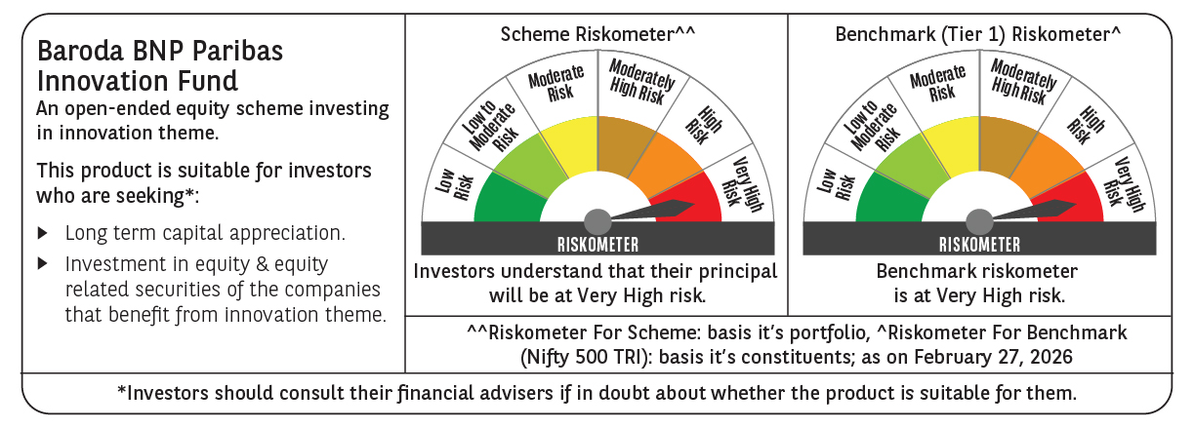

 | Monthly Performance Link: https://www.barodabnpparibasmf.in/assets/download_documents/Performance_of_Schemes_17049.pdf

