T0ME33
 | Baroda BNP Paribas Nifty 50 Index Fund

 | Monthly Portfolio Statement as on February 28, 2026
 | Name of the Instrument | ISIN | Industry | Quantity | Market/Fair Value (Rs. in Lakhs) | % to Net Assets | YTM~ | YTC^ | null
 | Equity & Equity related
 | (a) Listed / awaiting listing on Stock Exchanges
HDFB03 | HDFC Bank Limited | INE040A01034 | Banks | 84,695 | 751.88 | 11.93%
IBCL05 | ICICI Bank Limited | INE090A01021 | Banks | 38,764 | 534.52 | 8.48%
RIND01 | Reliance Industries Limited | INE002A01018 | Petroleum Products | 37,690 | 525.36 | 8.34%
BTVL02 | Bharti Airtel Limited | INE397D01024 | Telecom - Services | 15,583 | 292.85 | 4.65%
SBAI02 | State Bank of India | INE062A01020 | Banks | 23,296 | 279.95 | 4.44%
LARS02 | Larsen & Toubro Limited | INE018A01030 | Construction | 6,423 | 274.80 | 4.36%
INFS02 | Infosys Limited | INE009A01021 | IT - Software | 19,026 | 247.36 | 3.92%
UTIB02 | Axis Bank Limited | INE238A01034 | Banks | 15,647 | 216.54 | 3.44%
KOMA03 | Kotak Mahindra Bank Limited | INE237A01036 | Banks | 40,816 | 169.47 | 2.69%
ITCL02 | ITC Limited | INE154A01025 | Diversified FMCG | 53,501 | 167.78 | 2.66%
MAHI02 | Mahindra & Mahindra Limited | INE101A01026 | Automobiles | 4,853 | 164.88 | 2.62%
BAFL03 | Bajaj Finance Limited | INE296A01032 | Finance | 14,743 | 146.83 | 2.33%
TCSL01 | Tata Consultancy Services Limited | INE467B01029 | IT - Software | 5,522 | 145.64 | 2.31%
HLEL02 | Hindustan Unilever Limited | INE030A01027 | Diversified FMCG | 4,848 | 113.35 | 1.80%
MAUD01 | Maruti Suzuki India Limited | INE585B01010 | Automobiles | 717 | 106.52 | 1.69%
SPIL03 | Sun Pharmaceutical Industries Limited | INE044A01036 | Pharmaceuticals & Biotechnology | 5,734 | 99.60 | 1.58%
NTPC01 | NTPC Limited | INE733E01010 | Power | 25,882 | 98.84 | 1.57%
ZMPL01 | Eternal Limited | INE758T01015 | Retailing | 40,125 | 98.83 | 1.57%
TWAT02 | Titan Company Limited | INE280A01028 | Consumer Durables | 2,256 | 97.63 | 1.55%
TISC03 | Tata Steel Limited | INE081A01020 | Ferrous Metals | 44,496 | 94.48 | 1.50%
BHEL02 | Bharat Electronics Limited | INE263A01024 | Aerospace & Defense | 19,566 | 87.01 | 1.38%
ULCC01 | UltraTech Cement Limited | INE481G01011 | Cement & Cement Products | 649 | 82.27 | 1.31%
SHTR02 | Shriram Finance Limited | INE721A01047 | Finance | 7,581 | 81.83 | 1.30%
HCLT02 | HCL Technologies Limited | INE860A01027 | IT - Software | 5,655 | 78.55 | 1.25%
PGCI01 | Power Grid Corporation of India Limited | INE752E01010 | Power | 24,834 | 74.17 | 1.18%
HINI02 | Hindalco Industries Limited | INE038A01020 | Non - Ferrous Metals | 7,869 | 72.76 | 1.15%
JVSL04 | JSW Steel Limited | INE019A01038 | Ferrous Metals | 5,107 | 64.59 | 1.02%
MUND02 | Adani Ports and Special Economic Zone Limited | INE742F01042 | Transport Infrastructure | 4,145 | 63.05 | 1.00%
BFSL02 | Bajaj Finserv Limited | INE918I01026 | Finance | 3,144 | 62.67 | 0.99%
EIML02 | Eicher Motors Limited | INE066A01021 | Automobiles | 751 | 60.16 | 0.95%
ONGC02 | Oil & Natural Gas Corporation Limited | INE213A01029 | Oil | 21,415 | 59.90 | 0.95%
BALN01 | Bajaj Auto Limited | INE917I01010 | Automobiles | 596 | 59.44 | 0.94%
ASPA02 | Asian Paints Limited | INE021A01026 | Consumer Durables | 2,492 | 59.21 | 0.94%
INAV01 | InterGlobe Aviation Limited | INE646L01027 | Transport Services | 1,224 | 59.08 | 0.94%
GRAS02 | Grasim Industries Limited | INE047A01021 | Cement & Cement Products | 2,100 | 58.80 | 0.93%
COAL01 | Coal India Limited | INE522F01014 | Consumable Fuels | 12,305 | 52.99 | 0.84%
NEST02 | Nestle India Limited | INE239A01024 | Food Products | 3,947 | 50.98 | 0.81%
SLIF01 | SBI Life Insurance Company Limited | INE123W01016 | Insurance | 2,482 | 50.56 | 0.80%
LAKM02 | Trent Limited | INE849A01020 | Retailing | 1,229 | 47.92 | 0.76%
TEMA02 | Tech Mahindra Limited | INE669C01036 | IT - Software | 3,456 | 46.93 | 0.74%
RELS01 | Jio Financial Services Limited | INE758E01017 | Finance | 17,967 | 45.89 | 0.73%
MAHE01 | Max Healthcare Institute Limited | INE027H01010 | Healthcare Services | 4,099 | 44.76 | 0.71%
APOL02 | Apollo Hospitals Enterprise Limited | INE437A01024 | Healthcare Services | 564 | 44.11 | 0.70%
TELC03 | Tata Motors Passenger Vehicles Limited | INE155A01022 | Automobiles | 11,403 | 43.63 | 0.69%
DRRL03 | Dr. Reddy's Laboratories Limited | INE089A01031 | Pharmaceuticals & Biotechnology | 3,349 | 43.08 | 0.68%
HDLI01 | HDFC Life Insurance Company Limited | INE795G01014 | Insurance | 5,922 | 42.36 | 0.67%
CIPL03 | Cipla Limited | INE059A01026 | Pharmaceuticals & Biotechnology | 3,062 | 41.28 | 0.66%
TTEA02 | Tata Consumer Products Limited | INE192A01025 | Agricultural Food & other Products | 3,606 | 41.14 | 0.65%
WIPR02 | Wipro Limited | INE075A01022 | IT - Software | 15,562 | 31.27 | 0.50%
ADAN02 | Adani Enterprises Limited | INE423A01024 | Metals & Minerals Trading | 1,411 | 30.50 | 0.48%
ADAN05 | Adani Enterprises Limited ** | IN9423A01048 | Metals & Minerals Trading | 300 | 5.14 | 0.08%
 | Sub Total |  |  |  | 6,313.14 | 100.16%
 | (b) Unlisted |  |  |  | NIL | NIL
 | Sub Total |  |  |  | NIL | NIL
 | Total |  |  |  | 6,313.14 | 100.16%
 | Reverse Repo / TREPS
TRP_020326 | Clearing Corporation of India Ltd |  |  |  | 12.82 | 0.20% | 4.93%
 | Sub Total |  |  |  | 12.82 | 0.20%
 | Total |  |  |  | 12.82 | 0.20%
 | Net Receivables / (Payables) |  |  |  | (23.63) | (0.36)%
 | GRAND TOTAL |  |  |  | 6,302.33 | 100.00%

 | ** Thinly Traded / Non Traded Security
 | ~ YTM as on February 28, 2026
 | ^ YTC represents Yield to Call provided by valuation agencies as on February 28, 2026. It is disclosed for Perpetual Bond issued by Banks (i.e. AT-1 Bond / Tier 1 Bond / Tier 2 Bond), as per AMFI Best Practices Guidelines Circular no. 135/BP/91/2020-21 read with SEBI circular No. SEBI/HO/IMD/DF4/CIR/P/2021/034 on Valuation of AT-1 Bonds and Tier 2 Bonds.

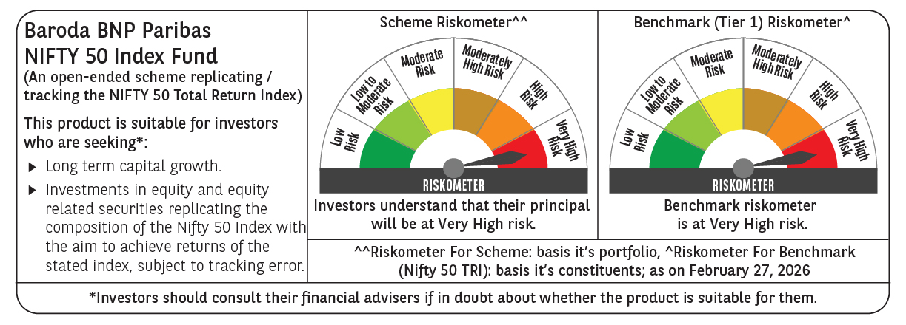

 | Monthly Performance Link: https://www.barodabnpparibasmf.in/assets/download_documents/Performance_of_Schemes_17049.pdf

