T0ME32
 | Baroda BNP Paribas Small Cap Fund

 | Monthly Portfolio Statement as on February 28, 2026
 | Name of the Instrument | ISIN | Industry | Quantity | Market/Fair Value (Rs. in Lakhs) | % to Net Assets | YTM~ | YTC^ | null
 | Equity & Equity related
 | (a) Listed / awaiting listing on Stock Exchanges
CUBI02 | City Union Bank Limited | INE491A01021 | Banks | 1,350,000 | 3,821.18 | 3.32%
KAVY06 | Karur Vysya Bank Limited | INE036D01028 | Banks | 1,100,000 | 3,588.20 | 3.11%
PRRC03 | Navin Fluorine International Limited | INE048G01026 | Chemicals & Petrochemicals | 56,706 | 3,547.81 | 3.08%
NACL03 | National Aluminium Company Limited | INE139A01034 | Non - Ferrous Metals | 1,000,000 | 3,546.00 | 3.08%
LAUR02 | Laurus Labs Limited | INE947Q01028 | Pharmaceuticals & Biotechnology | 325,000 | 3,496.35 | 3.03%
BHAH02 | Bharat Heavy Electricals Limited | INE257A01026 | Electrical Equipment | 1,300,000 | 3,444.35 | 2.99%
BHAE02 | BEML Limited | INE258A01024 | Agricultural, Commercial & Construction Vehicles | 200,000 | 3,362.00 | 2.92%
SOKO03 | Jtekt India Limited | INE643A01035 | Auto Components | 2,100,377 | 3,135.44 | 2.72%
MCEX02 | Multi Commodity Exchange of India Limited | INE745G01043 | Capital Markets | 125,000 | 3,054.13 | 2.65%
CANH02 | Can Fin Homes Limited | INE477A01020 | Finance | 347,000 | 2,926.60 | 2.54%
RAKH02 | Radico Khaitan Limited | INE944F01028 | Beverages | 109,684 | 2,906.08 | 2.52%
ASPH02 | AstraZeneca Pharma India Limited | INE203A01020 | Pharmaceuticals & Biotechnology | 32,200 | 2,849.38 | 2.47%
JBCH03 | JB Chemicals & Pharmaceuticals Limited | INE572A01036 | Pharmaceuticals & Biotechnology | 138,667 | 2,847.53 | 2.47%
SSNL02 | Delhivery Limited | INE148O01028 | Transport Services | 625,000 | 2,708.75 | 2.35%
SAGI01 | Sagility Limited | INE0W2G01015 | IT - Services | 6,800,000 | 2,689.40 | 2.33%
ADHL01 | Aster DM Healthcare Limited | INE914M01019 | Healthcare Services | 400,000 | 2,618.40 | 2.27%
USFB01 | Ujjivan Small Finance Bank Limited | INE551W01018 | Banks | 4,500,000 | 2,612.70 | 2.27%
MFSL01 | Mas Financial Services Limited | INE348L01012 | Finance | 800,000 | 2,594.80 | 2.25%
EMPH02 | Emcure Pharmaceuticals Limited | INE168P01015 | Pharmaceuticals & Biotechnology | 170,465 | 2,481.12 | 2.15%
IINF02 | IIFL Finance Limited | INE530B01024 | Finance | 500,000 | 2,481.00 | 2.15%
AMBE01 | Amber Enterprises India Limited | INE371P01015 | Consumer Durables | 30,000 | 2,392.20 | 2.08%
DLPL01 | Dr. Lal Path Labs Limited | INE600L01024 | Healthcare Services | 170,000 | 2,379.83 | 2.06%
MSUW01 | Motherson Sumi Wiring India Limited | INE0FS801015 | Auto Components | 5,500,000 | 2,376.00 | 2.06%
ICEM01 | The India Cements Limited | INE383A01012 | Cement & Cement Products | 550,000 | 2,233.00 | 1.94%
MALE02 | Poonawalla Fincorp Limited | INE511C01022 | Finance | 475,000 | 2,160.30 | 1.87%
AFFI02 | Affle 3i Limited | INE00WC01027 | IT - Services | 150,000 | 2,065.80 | 1.79%
PHWL01 | PhysicsWallah Limited | INE0LP301011 | Other Consumer Services | 2,382,100 | 2,062.18 | 1.79%
RATN01 | RBL Bank Limited | INE976G01028 | Banks | 600,000 | 1,918.50 | 1.66%
CRAF01 | Craftsman Automation Limited | INE00LO01017 | Auto Components | 23,976 | 1,804.43 | 1.57%
CNAF02 | Zydus Wellness Limited | INE768C01028 | Food Products | 423,400 | 1,629.67 | 1.41%
AMIO02 | Acutaas Chemicals Limited | INE00FF01025 | Pharmaceuticals & Biotechnology | 75,000 | 1,619.10 | 1.40%
SCLB01 | Leela Palaces Hotels & Resorts Limited | INE0AQ201015 | Leisure Services | 353,066 | 1,601.33 | 1.39%
DCMC02 | DCM Shriram Limited | INE499A01024 | Diversified | 150,000 | 1,555.80 | 1.35%
NHSP02 | Nephrocare Health Services Ltd | INE428V01029 | Healthcare Services | 260,000 | 1,543.88 | 1.34%
ABBP01 | Hitachi Energy India Limited | INE07Y701011 | Electrical Equipment | 6,000 | 1,533.72 | 1.33%
PFIZ01 | Pfizer Limited | INE182A01018 | Pharmaceuticals & Biotechnology | 30,000 | 1,518.66 | 1.32%
TRFO01 | Travel Food Services Limited | INE103V01028 | Leisure Services | 120,000 | 1,481.04 | 1.28%
KFIN01 | KFin Technologies Limited | INE138Y01010 | Capital Markets | 150,000 | 1,435.05 | 1.24%
ECLE01 | eClerx Services Limited | INE738I01010 | Commercial Services & Supplies | 45,000 | 1,427.58 | 1.24%
MNGF02 | Manappuram Finance Limited | INE522D01027 | Finance | 500,000 | 1,416.25 | 1.23%
PHFP02 | PNB Housing Finance Limited | INE572E01012 | Finance | 170,000 | 1,402.08 | 1.22%
GUOL01 | Gulf Oil Lubricants India Limited | INE635Q01029 | Petroleum Products | 124,551 | 1,375.42 | 1.19%
KSPL02 | KSB Limited | INE999A01023 | Industrial Products | 175,000 | 1,347.94 | 1.17%
INKN01 | Inventurus Knowledge Solutions Limited | INE115Q01022 | IT - Services | 90,000 | 1,238.22 | 1.07%
FRAN01 | Fractal Analytics Ltd | INE212S01015 | IT - Software | 150,000 | 1,167.75 | 1.01%
DOMS01 | Doms Industries Limited | INE321T01012 | Household Products | 39,870 | 929.77 | 0.81%
MCEL03 | The Ramco Cements Limited | INE331A01037 | Cement & Cement Products | 79,500 | 898.19 | 0.78%
KAYN01 | Kaynes Technology India Limited | INE918Z01012 | Industrial Manufacturing | 20,600 | 794.44 | 0.69%
 | Sub Total |  |  |  | 106,019.35 | 91.96%
 | (b) Unlisted
CEES01 | Clean Max Enviro Energy Solutions Limited # | INE647U01026 | Power | 170,926 | 1,799.85 | 1.56%
 | Sub Total |  |  |  | 1,799.85 | 1.56%
 | Total |  |  |  | 107,819.20 | 93.52%
 | Reverse Repo / TREPS
TRP_020326 | Clearing Corporation of India Ltd |  |  |  | 7,004.28 | 6.08% | 4.93%
 | Sub Total |  |  |  | 7,004.28 | 6.08%
 | Total |  |  |  | 7,004.28 | 6.08%
 | Net Receivables / (Payables) |  |  |  | 445.06 | 0.40%
 | GRAND TOTAL |  |  |  | 115,268.54 | 100.00%

 | # Unlisted Security
 | ~ YTM as on February 28, 2026
 | ^ YTC represents Yield to Call provided by valuation agencies as on February 28, 2026. It is disclosed for Perpetual Bond issued by Banks (i.e. AT-1 Bond / Tier 1 Bond / Tier 2 Bond), as per AMFI Best Practices Guidelines Circular no. 135/BP/91/2020-21 read with SEBI circular No. SEBI/HO/IMD/DF4/CIR/P/2021/034 on Valuation of AT-1 Bonds and Tier 2 Bonds.

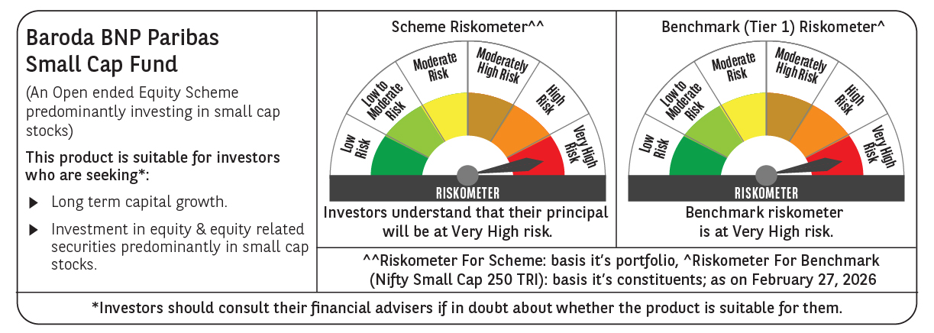

 | Monthly Performance Link: https://www.barodabnpparibasmf.in/assets/download_documents/Performance_of_Schemes_17049.pdf

