T0ME30
 | Baroda BNP Paribas Value Fund

 | Monthly Portfolio Statement as on February 28, 2026
 | Name of the Instrument | ISIN | Industry / Rating | Quantity | Market/Fair Value (Rs. in Lakhs) | % to Net Assets | YTM~ | YTC^ | null
 | Equity & Equity related
 | (a) Listed / awaiting listing on Stock Exchanges
RIND01 | Reliance Industries Limited | INE002A01018 | Petroleum Products | 513,000 | 7,150.71 | 6.45%
HDFB03 | HDFC Bank Limited | INE040A01034 | Banks | 721,400 | 6,404.23 | 5.77%
IBCL05 | ICICI Bank Limited | INE090A01021 | Banks | 360,000 | 4,964.04 | 4.48%
LARS02 | Larsen & Toubro Limited | INE018A01030 | Construction | 108,000 | 4,620.56 | 4.17%
ALLI02 | GE Vernova T&D India Limited | INE200A01026 | Electrical Equipment | 108,000 | 4,158.22 | 3.75%
DIVI02 | Divi's Laboratories Limited | INE361B01024 | Pharmaceuticals & Biotechnology | 49,500 | 3,172.21 | 2.86%
BHAH02 | Bharat Heavy Electricals Limited | INE257A01026 | Electrical Equipment | 1,170,000 | 3,099.92 | 2.79%
SESA02 | Vedanta Limited | INE205A01025 | Diversified Metals | 396,000 | 2,844.86 | 2.56%
INFS02 | Infosys Limited | INE009A01021 | IT - Software | 207,000 | 2,691.21 | 2.43%
KOMA03 | Kotak Mahindra Bank Limited | INE237A01036 | Banks | 621,000 | 2,578.39 | 2.32%
HERO02 | Hero MotoCorp Limited | INE158A01026 | Automobiles | 45,000 | 2,569.50 | 2.32%
OIIL01 | Oil India Limited | INE274J01014 | Oil | 450,000 | 2,177.55 | 1.96%
SPIL03 | Sun Pharmaceutical Industries Limited | INE044A01036 | Pharmaceuticals & Biotechnology | 120,000 | 2,084.40 | 1.88%
PGCI01 | Power Grid Corporation of India Limited | INE752E01010 | Power | 693,000 | 2,069.64 | 1.87%
ULCC01 | UltraTech Cement Limited | INE481G01011 | Cement & Cement Products | 16,200 | 2,053.67 | 1.85%
JBCH03 | JB Chemicals & Pharmaceuticals Limited | INE572A01036 | Pharmaceuticals & Biotechnology | 99,000 | 2,032.97 | 1.83%
BHEL02 | Bharat Electronics Limited | INE263A01024 | Aerospace & Defense | 450,000 | 2,001.15 | 1.80%
TEMA02 | Tech Mahindra Limited | INE669C01036 | IT - Software | 144,000 | 1,955.23 | 1.76%
EIML02 | Eicher Motors Limited | INE066A01021 | Automobiles | 24,300 | 1,946.55 | 1.75%
TCSL01 | Tata Consultancy Services Limited | INE467B01029 | IT - Software | 72,000 | 1,898.93 | 1.71%
TMLC01 | Tata Motors Ltd | INE1TAE01010 | Agricultural, Commercial & Construction Vehicles | 375,000 | 1,894.88 | 1.71%
SOKO03 | Jtekt India Limited | INE643A01035 | Auto Components | 1,260,000 | 1,880.93 | 1.70%
HPEC01 | Hindustan Petroleum Corporation Limited | INE094A01015 | Petroleum Products | 414,000 | 1,816.43 | 1.64%
CANB02 | Canara Bank | INE476A01022 | Banks | 1,080,000 | 1,699.60 | 1.53%
NHPC01 | NHPC Limited | INE848E01016 | Power | 2,250,000 | 1,694.93 | 1.53%
ITCL02 | ITC Limited | INE154A01025 | Diversified FMCG | 540,000 | 1,693.44 | 1.53%
CHEL02 | Zydus Lifesciences Limited | INE010B01027 | Pharmaceuticals & Biotechnology | 180,000 | 1,659.06 | 1.50%
ICEM01 | The India Cements Limited | INE383A01012 | Cement & Cement Products | 396,000 | 1,607.76 | 1.45%
USFB01 | Ujjivan Small Finance Bank Limited | INE551W01018 | Banks | 2,700,000 | 1,567.62 | 1.41%
IDBI01 | IDBI Bank Limited | INE008A01015 | Banks | 1,350,000 | 1,566.14 | 1.41%
HDLI01 | HDFC Life Insurance Company Limited | INE795G01014 | Insurance | 216,000 | 1,545.05 | 1.39%
NACL03 | National Aluminium Company Limited | INE139A01034 | Non - Ferrous Metals | 432,000 | 1,531.87 | 1.38%
MAUD01 | Maruti Suzuki India Limited | INE585B01010 | Automobiles | 10,000 | 1,485.70 | 1.34%
YESB03 | Yes Bank Limited | INE528G01035 | Banks | 6,750,000 | 1,398.60 | 1.26%
BPCL01 | Bharat Petroleum Corporation Limited | INE029A01011 | Petroleum Products | 342,000 | 1,318.07 | 1.19%
SJVN01 | SJVN Limited | INE002L01015 | Power | 1,800,000 | 1,314.54 | 1.19%
TENN01 | Tenneco Clean Air India Limited | INE19RI01016 | Auto Components | 225,000 | 1,307.93 | 1.18%
SBAI02 | State Bank of India | INE062A01020 | Banks | 108,000 | 1,297.84 | 1.17%
ALKE01 | Alkem Laboratories Limited | INE540L01014 | Pharmaceuticals & Biotechnology | 22,500 | 1,268.89 | 1.14%
HLEL02 | Hindustan Unilever Limited | INE030A01027 | Diversified FMCG | 54,000 | 1,262.57 | 1.14%
LGEL01 | LG Electronics India Ltd | INE324D01010 | Consumer Durables | 76,500 | 1,215.59 | 1.10%
SCHI01 | Sanofi Consumer Healthcare India Limited | INE0UOS01011 | Pharmaceuticals & Biotechnology | 26,000 | 1,167.22 | 1.05%
KPIT03 | Birlasoft Limited | INE836A01035 | IT - Software | 297,000 | 1,158.60 | 1.04%
CALC03 | CESC Limited | INE486A01021 | Power | 720,000 | 1,138.68 | 1.03%
UTIB02 | Axis Bank Limited | INE238A01034 | Banks | 81,000 | 1,120.96 | 1.01%
IIBL01 | IndusInd Bank Limited | INE095A01012 | Banks | 108,000 | 1,033.29 | 0.93%
HZIN02 | Hindustan Zinc Limited | INE267A01025 | Non - Ferrous Metals | 162,000 | 978.16 | 0.88%
ICII01 | Akzo Nobel India Limited | INE133A01011 | Consumer Durables | 31,500 | 924.62 | 0.83%
WIPR02 | Wipro Limited | INE075A01022 | IT - Software | 450,000 | 904.32 | 0.82%
HOCH01 | Sanofi India Limited | INE058A01010 | Pharmaceuticals & Biotechnology | 20,700 | 820.78 | 0.74%
SCDL01 | Sundaram Clayton Limited | INE0Q3R01026 | Auto Components | 54,851 | 779.82 | 0.70%
SKFI01 | SKF India (Industrial) Ltd | INE2J8701016 | Industrial Products | 9,000 | 230.63 | 0.21%
 | Sub Total |  |  |  | 104,758.46 | 94.44%
 | (b) Unlisted |  |  |  | NIL | NIL
 | Sub Total |  |  |  | NIL | NIL
 | Total |  |  |  | 104,758.46 | 94.44%
 | Derivatives
 | Index / Stock Futures
MCEXMAR26 | Multi Commodity Exchange of India Limited March 2026 Future |  |  | 45,000 | 1,102.50 | 0.99%
 | Sub Total |  |  |  | 1,102.50 | 0.99%
 | Total |  |  |  | 1,102.50 | 0.99%
 | Money Market Instruments
 | Treasury Bill
TBIL2490 | 364 Days Tbill (MD 26/03/2026) | IN002024Z503 | Sovereign | 500,000 | 498.45 | 0.45% | 4.55%
TBIL2499 | 364 Days Tbill (MD 16/04/2026) | IN002025Z039 | Sovereign | 500,000 | 496.73 | 0.45% | 5.23%
 | Sub Total |  |  |  | 995.18 | 0.90%
 | Total |  |  |  | 995.18 | 0.90%
 | Reverse Repo / TREPS
TRP_020326 | Clearing Corporation of India Ltd |  |  |  | 4,930.92 | 4.45% | 4.93%
 | Sub Total |  |  |  | 4,930.92 | 4.45%
 | Total |  |  |  | 4,930.92 | 4.45%
 | Net Receivables / (Payables) |  |  |  | (869.60) | (0.78)%
 | GRAND TOTAL |  |  |  | 110,917.46 | 100.00%

 | ~ YTM as on February 28, 2026
 | ^ YTC represents Yield to Call provided by valuation agencies as on February 28, 2026. It is disclosed for Perpetual Bond issued by Banks (i.e. AT-1 Bond / Tier 1 Bond / Tier 2 Bond), as per AMFI Best Practices Guidelines Circular no. 135/BP/91/2020-21 read with SEBI circular No. SEBI/HO/IMD/DF4/CIR/P/2021/034 on Valuation of AT-1 Bonds and Tier 2 Bonds.
 | Details of Stock Future / Index Future
 | Long/Short | Name of the Instrument | Industry | Quantity. | Market/Fair Value (Rs. in Lacs). | % to NAV.
 | Long | Multi Commodity Exchange of India Limited_30/03/2026 | Capital Markets | 45,000 | 1,102.50 | 0.99%

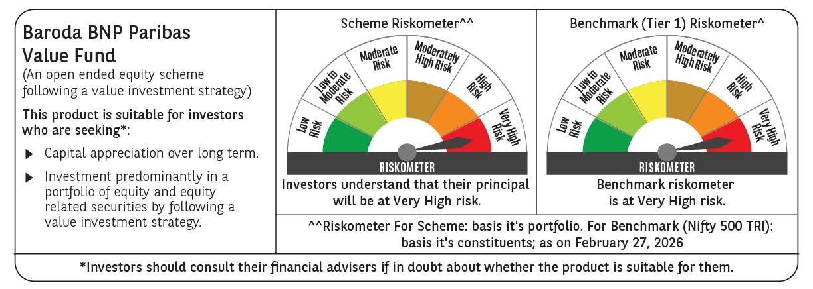

 | Monthly Performance Link: https://www.barodabnpparibasmf.in/assets/download_documents/Performance_of_Schemes_17049.pdf

