T0ME25
 | Baroda BNP Paribas Flexi Cap Fund

 | Monthly Portfolio Statement as on February 28, 2026
 | Name of the Instrument | ISIN | Industry / Rating | Quantity | Market/Fair Value (Rs. in Lakhs) | % to Net Assets | YTM~ | YTC^ | null
 | Equity & Equity related
 | (a) Listed / awaiting listing on Stock Exchanges
HDFB03 | HDFC Bank Limited | INE040A01034 | Banks | 675,000 | 5,992.31 | 4.89%
FEBA02 | The Federal Bank Limited | INE171A01029 | Banks | 1,450,000 | 4,347.83 | 3.55%
IIBL01 | IndusInd Bank Limited | INE095A01012 | Banks | 425,000 | 4,066.19 | 3.32%
RIND01 | Reliance Industries Limited | INE002A01018 | Petroleum Products | 280,000 | 3,902.92 | 3.18%
LARS02 | Larsen & Toubro Limited | INE018A01030 | Construction | 90,000 | 3,850.47 | 3.14%
BTVL02 | Bharti Airtel Limited | INE397D01024 | Telecom - Services | 200,000 | 3,758.60 | 3.06%
JSPL03 | Jindal Steel Limited | INE749A01030 | Ferrous Metals | 300,000 | 3,732.60 | 3.04%
HPEC01 | Hindustan Petroleum Corporation Limited | INE094A01015 | Petroleum Products | 850,000 | 3,729.38 | 3.04%
BHAH02 | Bharat Heavy Electricals Limited | INE257A01026 | Electrical Equipment | 1,300,000 | 3,444.35 | 2.81%
CANB02 | Canara Bank | INE476A01022 | Banks | 2,100,000 | 3,304.77 | 2.69%
MAHE01 | Max Healthcare Institute Limited | INE027H01010 | Healthcare Services | 290,000 | 3,166.66 | 2.58%
KAVY06 | Karur Vysya Bank Limited | INE036D01028 | Banks | 900,000 | 2,935.80 | 2.39%
ULCC01 | UltraTech Cement Limited | INE481G01011 | Cement & Cement Products | 22,500 | 2,852.33 | 2.33%
EIML02 | Eicher Motors Limited | INE066A01021 | Automobiles | 35,000 | 2,803.68 | 2.29%
RAKH02 | Radico Khaitan Limited | INE944F01028 | Beverages | 105,000 | 2,781.98 | 2.27%
UTIB02 | Axis Bank Limited | INE238A01034 | Banks | 200,000 | 2,767.80 | 2.26%
MAHI02 | Mahindra & Mahindra Limited | INE101A01026 | Automobiles | 80,000 | 2,717.92 | 2.22%
SOEL02 | Solar Industries India Limited | INE343H01029 | Chemicals & Petrochemicals | 20,000 | 2,700.80 | 2.20%
SPIL03 | Sun Pharmaceutical Industries Limited | INE044A01036 | Pharmaceuticals & Biotechnology | 150,000 | 2,605.50 | 2.12%
INFS02 | Infosys Limited | INE009A01021 | IT - Software | 200,000 | 2,600.20 | 2.12%
HYUN01 | Hyundai Motor India Ltd | INE0V6F01027 | Automobiles | 120,000 | 2,598.48 | 2.12%
IBCL05 | ICICI Bank Limited | INE090A01021 | Banks | 180,000 | 2,482.02 | 2.02%
KOMA03 | Kotak Mahindra Bank Limited | INE237A01036 | Banks | 597,000 | 2,478.74 | 2.02%
ILOM01 | ICICI Lombard General Insurance Company Limited | INE765G01017 | Insurance | 130,000 | 2,471.95 | 2.02%
ZMPL01 | Eternal Limited | INE758T01015 | Retailing | 1,000,000 | 2,463.00 | 2.01%
SHTR02 | Shriram Finance Limited | INE721A01047 | Finance | 225,000 | 2,428.65 | 1.98%
BLUS03 | Blue Star Limited | INE472A01039 | Consumer Durables | 120,000 | 2,329.44 | 1.90%
HINI02 | Hindalco Industries Limited | INE038A01020 | Non - Ferrous Metals | 250,000 | 2,311.75 | 1.88%
ABBP01 | Hitachi Energy India Limited | INE07Y701011 | Electrical Equipment | 9,000 | 2,300.58 | 1.88%
VMML01 | Vishal Mega Mart Limited | INE01EA01019 | Retailing | 1,900,000 | 2,237.82 | 1.82%
TEMA02 | Tech Mahindra Limited | INE669C01036 | IT - Software | 160,000 | 2,172.48 | 1.77%
SAGI01 | Sagility Limited | INE0W2G01015 | IT - Services | 5,252,101 | 2,077.21 | 1.69%
AMLL01 | Amagi Media Labs Limited | INE121R01077 | IT - Services | 471,491 | 1,801.10 | 1.47%
AJPH03 | Ajanta Pharma Limited | INE031B01049 | Pharmaceuticals & Biotechnology | 60,000 | 1,796.34 | 1.46%
ALLI02 | GE Vernova T&D India Limited | INE200A01026 | Electrical Equipment | 46,441 | 1,788.07 | 1.46%
TTEA02 | Tata Consumer Products Limited | INE192A01025 | Agricultural Food & other Products | 150,000 | 1,711.50 | 1.40%
METR01 | Metropolis Healthcare Limited | INE112L01020 | Healthcare Services | 88,892 | 1,692.33 | 1.38%
ONCO02 | One 97 Communications Limited | INE982J01020 | Financial Technology (Fintech) | 150,000 | 1,647.45 | 1.34%
MALE02 | Poonawalla Fincorp Limited | INE511C01022 | Finance | 335,000 | 1,523.58 | 1.24%
BOCL01 | Linde India Limited | INE473A01011 | Chemicals & Petrochemicals | 22,000 | 1,480.60 | 1.21%
PSYL02 | Persistent Systems Limited | INE262H01021 | IT - Software | 30,000 | 1,419.90 | 1.16%
NHPC01 | NHPC Limited | INE848E01016 | Power | 1,600,000 | 1,205.28 | 0.98%
FRAN01 | Fractal Analytics Ltd | INE212S01015 | IT - Software | 100,000 | 778.50 | 0.63%
CEPL02 | Century Plyboards (India) Limited | INE348B01021 | Consumer Durables | 57,805 | 424.90 | 0.35%
 | Sub Total |  |  |  | 113,683.76 | 92.69%
 | (b) Unlisted |  |  |  | NIL | NIL
 | Sub Total |  |  |  | NIL | NIL
 | Total |  |  |  | 113,683.76 | 92.69%
 | Money Market Instruments
 | Treasury Bill
TBIL2566 | 364 Days Tbill (MD 17/09/2026) | IN002025Z252 | Sovereign | 1,500,000 | 1,456.74 | 1.19% | 5.42%
 | Sub Total |  |  |  | 1,456.74 | 1.19%
 | Total |  |  |  | 1,456.74 | 1.19%
 | Reverse Repo / TREPS
TRP_020326 | Clearing Corporation of India Ltd |  |  |  | 6,826.36 | 5.57% | 4.93%
 | Sub Total |  |  |  | 6,826.36 | 5.57%
 | Total |  |  |  | 6,826.36 | 5.57%
 | Net Receivables / (Payables) |  |  |  | 676.76 | 0.55%
 | GRAND TOTAL |  |  |  | 122,643.62 | 100.00%

 | ~ YTM as on February 28, 2026
 | ^ YTC represents Yield to Call provided by valuation agencies as on February 28, 2026. It is disclosed for Perpetual Bond issued by Banks (i.e. AT-1 Bond / Tier 1 Bond / Tier 2 Bond), as per AMFI Best Practices Guidelines Circular no. 135/BP/91/2020-21 read with SEBI circular No. SEBI/HO/IMD/DF4/CIR/P/2021/034 on Valuation of AT-1 Bonds and Tier 2 Bonds.

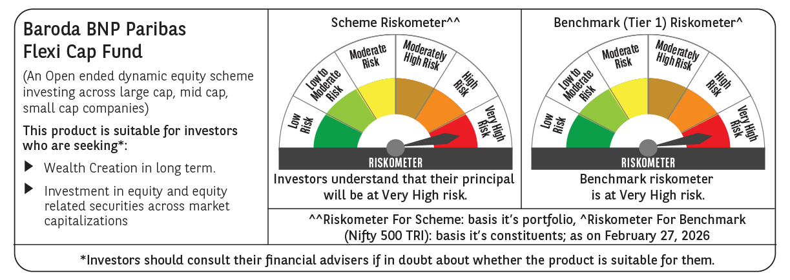

 | Monthly Performance Link: https://www.barodabnpparibasmf.in/assets/download_documents/Performance_of_Schemes_17049.pdf

