T0ME21
 | Baroda BNP Paribas India Consumption Fund

 | Monthly Portfolio Statement as on February 28, 2026
 | Name of the Instrument | ISIN | Industry / Rating | Quantity | Market/Fair Value (Rs. in Lakhs) | % to Net Assets | YTM~ | YTC^ | null
 | Equity & Equity related
 | (a) Listed / awaiting listing on Stock Exchanges
MAHI02 | Mahindra & Mahindra Limited | INE101A01026 | Automobiles | 332,500 | 11,296.36 | 7.76%
BTVL02 | Bharti Airtel Limited | INE397D01024 | Telecom - Services | 600,000 | 11,275.80 | 7.75%
MAUD01 | Maruti Suzuki India Limited | INE585B01010 | Automobiles | 66,300 | 9,850.19 | 6.77%
TWAT02 | Titan Company Limited | INE280A01028 | Consumer Durables | 200,000 | 8,655.00 | 5.95%
EIML02 | Eicher Motors Limited | INE066A01021 | Automobiles | 95,000 | 7,609.98 | 5.23%
SAEL02 | TVS Motor Company Limited | INE494B01023 | Automobiles | 165,000 | 6,385.01 | 4.39%
HLEL02 | Hindustan Unilever Limited | INE030A01027 | Diversified FMCG | 235,000 | 5,494.54 | 3.78%
ITCL02 | ITC Limited | INE154A01025 | Diversified FMCG | 1,700,000 | 5,331.20 | 3.66%
BRIT03 | Britannia Industries Limited | INE216A01030 | Food Products | 75,000 | 4,501.88 | 3.09%
ZMPL01 | Eternal Limited | INE758T01015 | Retailing | 1,800,000 | 4,433.40 | 3.05%
PHMI02 | The Phoenix Mills Limited | INE211B01039 | Realty | 240,000 | 3,980.64 | 2.73%
GCPL02 | Godrej Consumer Products Limited | INE102D01028 | Personal Products | 323,000 | 3,932.53 | 2.70%
MARC02 | Marico Limited | INE196A01026 | Agricultural Food & other Products | 484,000 | 3,817.07 | 2.62%
LGEL01 | LG Electronics India Ltd | INE324D01010 | Consumer Durables | 220,000 | 3,495.80 | 2.40%
AVSP01 | Avenue Supermarts Limited | INE192R01011 | Retailing | 90,000 | 3,462.84 | 2.38%
BLTE01 | Swiggy Limited | INE00H001014 | Retailing | 1,100,000 | 3,319.25 | 2.28%
NEST02 | Nestle India Limited | INE239A01024 | Food Products | 250,000 | 3,229.25 | 2.22%
HERO02 | Hero MotoCorp Limited | INE158A01026 | Automobiles | 50,000 | 2,855.00 | 1.96%
LAKM02 | Trent Limited | INE849A01020 | Retailing | 66,000 | 2,573.67 | 1.77%
DABU02 | Dabur India Limited | INE016A01026 | Personal Products | 450,000 | 2,333.25 | 1.60%
RAKH02 | Radico Khaitan Limited | INE944F01028 | Beverages | 85,000 | 2,252.08 | 1.55%
MEBR01 | Metro Brands Limited | INE317I01021 | Consumer Durables | 212,821 | 2,248.67 | 1.54%
MAHE01 | Max Healthcare Institute Limited | INE027H01010 | Healthcare Services | 200,000 | 2,183.90 | 1.50%
ESMC02 | PB Fintech Limited | INE417T01026 | Financial Technology (Fintech) | 135,000 | 2,000.16 | 1.37%
BEFS02 | Mrs. Bectors Food Specialities Limited | INE495P01020 | Food Products | 950,000 | 1,981.89 | 1.36%
BINL01 | Indus Towers Limited | INE121J01017 | Telecom - Services | 435,000 | 1,979.03 | 1.36%
TTEA02 | Tata Consumer Products Limited | INE192A01025 | Agricultural Food & other Products | 165,000 | 1,882.65 | 1.29%
JUFL02 | Jubilant Foodworks Limited | INE797F01020 | Leisure Services | 360,000 | 1,871.64 | 1.29%
FSNE01 | FSN E-Commerce Ventures Limited | INE388Y01029 | Retailing | 700,000 | 1,858.36 | 1.28%
SCLB01 | Leela Palaces Hotels & Resorts Limited | INE0AQ201015 | Leisure Services | 380,000 | 1,723.49 | 1.18%
HAIL03 | Havells India Limited | INE176B01034 | Consumer Durables | 115,000 | 1,606.67 | 1.10%
VMML01 | Vishal Mega Mart Limited | INE01EA01019 | Retailing | 1,300,000 | 1,531.14 | 1.05%
PROG01 | Procter & Gamble Hygiene and Health Care Limited | INE179A01014 | Personal Products | 13,000 | 1,475.63 | 1.01%
VNBL03 | Varun Beverages Limited | INE200M01039 | Beverages | 320,000 | 1,444.48 | 0.99%
ICII01 | Akzo Nobel India Limited | INE133A01011 | Consumer Durables | 44,892 | 1,317.71 | 0.91%
ISHA01 | Gillette India Limited | INE322A01010 | Personal Products | 15,000 | 1,251.38 | 0.86%
ORKL01 | Orkla India Limited | INE16NZ01023 | Food Products | 211,280 | 1,239.47 | 0.85%
CNAF02 | Zydus Wellness Limited | INE768C01028 | Food Products | 300,000 | 1,154.70 | 0.79%
UBBL02 | United Breweries Limited | INE686F01025 | Beverages | 46,714 | 749.76 | 0.52%
TBOT01 | TBO Tek Limited | INE673O01025 | Leisure Services | 55,000 | 674.19 | 0.46%
KWWA01 | Kwality Walls (India) Limited | INE2KCE01013 | Food Products | 265,000 | 69.22 | 0.05%
 | Sub Total |  |  |  | 140,328.88 | 96.40%
 | (b) Unlisted |  |  |  | NIL | NIL
 | Sub Total |  |  |  | NIL | NIL
 | Total |  |  |  | 140,328.88 | 96.40%
 | Derivatives
 | Index / Stock Futures
MCSPMAR26 | United Spirits Limited March 2026 Future |  |  | 96,000 | 1,330.75 | 0.91%
 | Sub Total |  |  |  | 1,330.75 | 0.91%
 | Total |  |  |  | 1,330.75 | 0.91%
 | Debt Instruments
 | (a) Preference Shares
SAEL21PS | 6% TVS Motor Company Limited ** | INE494B04019 | CARE A1+ | 540,000 | 55.47 | 0.04%
 | Sub Total |  |  |  | 55.47 | 0.04%
 | Total |  |  |  | 55.47 | 0.04%
 | Money Market Instruments
 | Treasury Bill
TBIL2525 | 364 Days Tbill (MD 25/06/2026) | IN002025Z138 | Sovereign | 1,000,000 | 983.49 | 0.68% | 5.28%
 | Sub Total |  |  |  | 983.49 | 0.68%
 | Total |  |  |  | 983.49 | 0.68%
 | Reverse Repo / TREPS
TRP_020326 | Clearing Corporation of India Ltd |  |  |  | 4,284.06 | 2.94% | 4.93%
 | Sub Total |  |  |  | 4,284.06 | 2.94%
 | Total |  |  |  | 4,284.06 | 2.94%
 | Net Receivables / (Payables) |  |  |  | (1,437.08) | (0.97)%
 | GRAND TOTAL |  |  |  | 145,545.57 | 100.00%

 | ** Thinly Traded / Non Traded Security
 | ~ YTM as on February 28, 2026
 | ^ YTC represents Yield to Call provided by valuation agencies as on February 28, 2026. It is disclosed for Perpetual Bond issued by Banks (i.e. AT-1 Bond / Tier 1 Bond / Tier 2 Bond), as per AMFI Best Practices Guidelines Circular no. 135/BP/91/2020-21 read with SEBI circular No. SEBI/HO/IMD/DF4/CIR/P/2021/034 on Valuation of AT-1 Bonds and Tier 2 Bonds.
 | Details of Stock Future / Index Future
 | Long/Short | Name of the Instrument | Industry | Quantity. | Market/Fair Value (Rs. in Lacs). | % to NAV.
 | Long | United Spirits Limited_30/03/2026 | Beverages | 96,000 | 1,330.75 | 0.91%

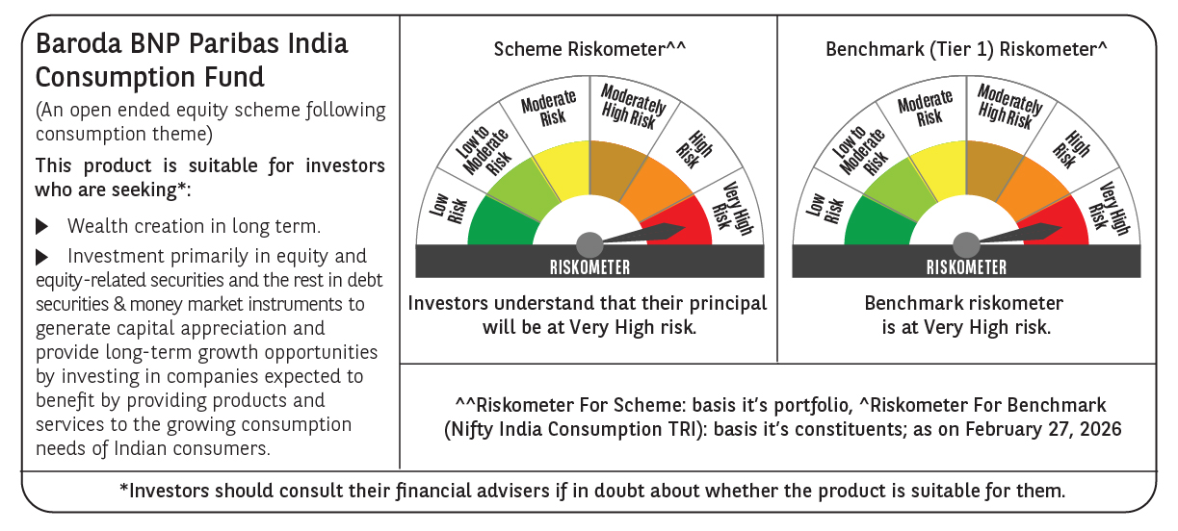

 | Monthly Performance Link: https://www.barodabnpparibasmf.in/assets/download_documents/Performance_of_Schemes_17049.pdf

