T0ME20
 | Baroda BNP Paribas Focused Fund

 | Monthly Portfolio Statement as on February 28, 2026
 | Name of the Instrument | ISIN | Industry | Quantity | Market/Fair Value (Rs. in Lakhs) | % to Net Assets | YTM~ | YTC^ | null
 | Equity & Equity related
 | (a) Listed / awaiting listing on Stock Exchanges
BTVL02 | Bharti Airtel Limited | INE397D01024 | Telecom - Services | 250,000 | 4,698.25 | 6.96%
IIBL01 | IndusInd Bank Limited | INE095A01012 | Banks | 375,000 | 3,587.81 | 5.32%
BHAH02 | Bharat Heavy Electricals Limited | INE257A01026 | Electrical Equipment | 1,350,000 | 3,576.83 | 5.30%
HDFB03 | HDFC Bank Limited | INE040A01034 | Banks | 400,000 | 3,551.00 | 5.26%
LARS02 | Larsen & Toubro Limited | INE018A01030 | Construction | 75,000 | 3,208.73 | 4.75%
HPEC01 | Hindustan Petroleum Corporation Limited | INE094A01015 | Petroleum Products | 725,000 | 3,180.94 | 4.71%
UTIB02 | Axis Bank Limited | INE238A01034 | Banks | 220,000 | 3,044.58 | 4.51%
MAHE01 | Max Healthcare Institute Limited | INE027H01010 | Healthcare Services | 275,000 | 3,002.86 | 4.45%
MAHI02 | Mahindra & Mahindra Limited | INE101A01026 | Automobiles | 85,000 | 2,887.79 | 4.28%
ILOM01 | ICICI Lombard General Insurance Company Limited | INE765G01017 | Insurance | 150,000 | 2,852.25 | 4.23%
SPIL03 | Sun Pharmaceutical Industries Limited | INE044A01036 | Pharmaceuticals & Biotechnology | 150,000 | 2,605.50 | 3.86%
MCEX02 | Multi Commodity Exchange of India Limited | INE745G01043 | Capital Markets | 100,000 | 2,443.30 | 3.62%
TEMA02 | Tech Mahindra Limited | INE669C01036 | IT - Software | 167,500 | 2,274.32 | 3.37%
CANB02 | Canara Bank | INE476A01022 | Banks | 1,400,000 | 2,203.18 | 3.26%
HYUN01 | Hyundai Motor India Ltd | INE0V6F01027 | Automobiles | 100,000 | 2,165.40 | 3.21%
PRRC03 | Navin Fluorine International Limited | INE048G01026 | Chemicals & Petrochemicals | 33,429 | 2,091.49 | 3.10%
VMML01 | Vishal Mega Mart Limited | INE01EA01019 | Retailing | 1,750,000 | 2,061.15 | 3.05%
BAFL03 | Bajaj Finance Limited | INE296A01032 | Finance | 200,000 | 1,991.80 | 2.95%
BHEL02 | Bharat Electronics Limited | INE263A01024 | Aerospace & Defense | 425,000 | 1,889.98 | 2.80%
IHOT02 | The Indian Hotels Company Limited | INE053A01029 | Leisure Services | 250,000 | 1,667.63 | 2.47%
KOMA03 | Kotak Mahindra Bank Limited | INE237A01036 | Banks | 400,000 | 1,660.80 | 2.46%
BRIT03 | Britannia Industries Limited | INE216A01030 | Food Products | 25,000 | 1,500.63 | 2.22%
ONCO02 | One 97 Communications Limited | INE982J01020 | Financial Technology (Fintech) | 125,000 | 1,372.88 | 2.03%
NHPC01 | NHPC Limited | INE848E01016 | Power | 1,400,000 | 1,054.62 | 1.56%
IBCL05 | ICICI Bank Limited | INE090A01021 | Banks | 75,000 | 1,034.18 | 1.53%
PGCI01 | Power Grid Corporation of India Limited | INE752E01010 | Power | 300,000 | 895.95 | 1.33%
INKN01 | Inventurus Knowledge Solutions Limited | INE115Q01022 | IT - Services | 47,680 | 655.98 | 0.97%
 | Sub Total |  |  |  | 63,159.83 | 93.56%
 | (b) Unlisted |  |  |  | NIL | NIL
 | Sub Total |  |  |  | NIL | NIL
 | Total |  |  |  | 63,159.83 | 93.56%
 | Reverse Repo / TREPS
TRP_020326 | Clearing Corporation of India Ltd |  |  |  | 2,692.12 | 3.99% | 4.93%
 | Sub Total |  |  |  | 2,692.12 | 3.99%
 | Total |  |  |  | 2,692.12 | 3.99%
 | Net Receivables / (Payables) |  |  |  | 1,645.23 | 2.45%
 | GRAND TOTAL |  |  |  | 67,497.18 | 100.00%

 | ~ YTM as on February 28, 2026
 | ^ YTC represents Yield to Call provided by valuation agencies as on February 28, 2026. It is disclosed for Perpetual Bond issued by Banks (i.e. AT-1 Bond / Tier 1 Bond / Tier 2 Bond), as per AMFI Best Practices Guidelines Circular no. 135/BP/91/2020-21 read with SEBI circular No. SEBI/HO/IMD/DF4/CIR/P/2021/034 on Valuation of AT-1 Bonds and Tier 2 Bonds.

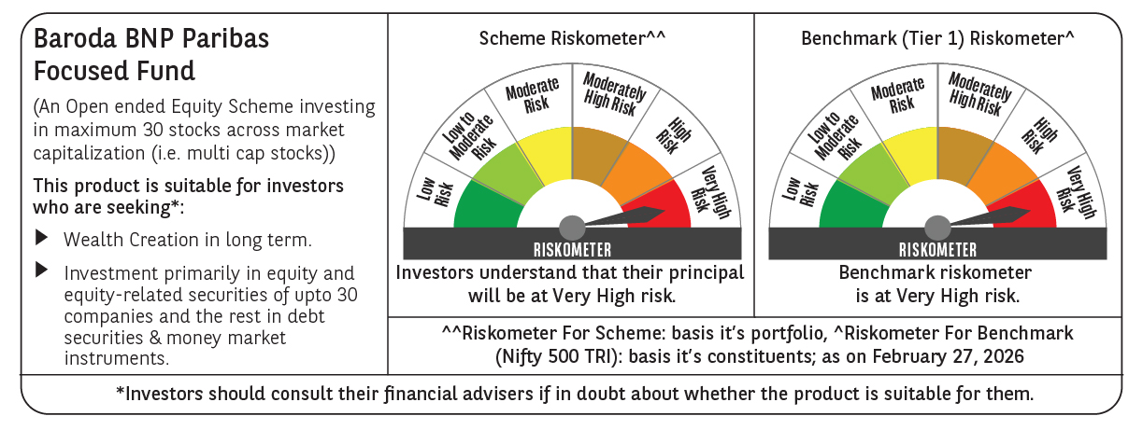

 | Monthly Performance Link: https://www.barodabnpparibasmf.in/assets/download_documents/Performance_of_Schemes_17049.pdf

