T0ME05
 | Baroda BNP Paribas ELSS Tax Saver Fund

 | Monthly Portfolio Statement as on February 28, 2026
 | Name of the Instrument | ISIN | Industry / Rating | Quantity | Market/Fair Value (Rs. in Lakhs) | % to Net Assets | YTM~ | YTC^ | null
 | Equity & Equity related
 | (a) Listed / awaiting listing on Stock Exchanges
HDFB03 | HDFC Bank Limited | INE040A01034 | Banks | 656,320 | 5,826.48 | 6.43%
IBCL05 | ICICI Bank Limited | INE090A01021 | Banks | 329,900 | 4,548.99 | 5.02%
RIND01 | Reliance Industries Limited | INE002A01018 | Petroleum Products | 255,800 | 3,565.60 | 3.93%
SBAI02 | State Bank of India | INE062A01020 | Banks | 278,000 | 3,340.73 | 3.69%
BTVL02 | Bharti Airtel Limited | INE397D01024 | Telecom - Services | 144,966 | 2,724.35 | 3.01%
ABBP01 | Hitachi Energy India Limited | INE07Y701011 | Electrical Equipment | 9,766 | 2,496.38 | 2.75%
LARS02 | Larsen & Toubro Limited | INE018A01030 | Construction | 56,220 | 2,405.26 | 2.65%
SAEL02 | TVS Motor Company Limited | INE494B01023 | Automobiles | 60,500 | 2,341.17 | 2.58%
KCUL02 | Cummins India Limited | INE298A01020 | Industrial Products | 45,502 | 2,228.82 | 2.46%
BHAH02 | Bharat Heavy Electricals Limited | INE257A01026 | Electrical Equipment | 821,380 | 2,176.25 | 2.40%
TWAT02 | Titan Company Limited | INE280A01028 | Consumer Durables | 48,500 | 2,098.84 | 2.32%
INFS02 | Infosys Limited | INE009A01021 | IT - Software | 158,994 | 2,067.08 | 2.28%
HINI02 | Hindalco Industries Limited | INE038A01020 | Non - Ferrous Metals | 220,000 | 2,034.34 | 2.24%
PRRC03 | Navin Fluorine International Limited | INE048G01026 | Chemicals & Petrochemicals | 31,685 | 1,982.37 | 2.19%
ZMPL01 | Eternal Limited | INE758T01015 | Retailing | 790,813 | 1,947.77 | 2.15%
RAKH02 | Radico Khaitan Limited | INE944F01028 | Beverages | 73,000 | 1,934.14 | 2.13%
BOCL01 | Linde India Limited | INE473A01011 | Chemicals & Petrochemicals | 28,225 | 1,899.54 | 2.10%
MAUD01 | Maruti Suzuki India Limited | INE585B01010 | Automobiles | 12,500 | 1,857.13 | 2.05%
TEMA02 | Tech Mahindra Limited | INE669C01036 | IT - Software | 134,100 | 1,820.81 | 2.01%
BRIT03 | Britannia Industries Limited | INE216A01030 | Food Products | 30,150 | 1,809.75 | 2.00%
SAGI01 | Sagility Limited | INE0W2G01015 | IT - Services | 4,551,400 | 1,800.08 | 1.99%
SPIL03 | Sun Pharmaceutical Industries Limited | INE044A01036 | Pharmaceuticals & Biotechnology | 101,500 | 1,763.06 | 1.95%
TMLC01 | Tata Motors Ltd | INE1TAE01010 | Agricultural, Commercial & Construction Vehicles | 330,000 | 1,667.49 | 1.84%
UTIB02 | Axis Bank Limited | INE238A01034 | Banks | 120,000 | 1,660.68 | 1.83%
MAXI02 | Max Financial Services Limited | INE180A01020 | Insurance | 90,700 | 1,644.75 | 1.81%
ULCC01 | UltraTech Cement Limited | INE481G01011 | Cement & Cement Products | 12,500 | 1,584.63 | 1.75%
KOMA03 | Kotak Mahindra Bank Limited | INE237A01036 | Banks | 375,000 | 1,557.00 | 1.72%
MAHI02 | Mahindra & Mahindra Limited | INE101A01026 | Automobiles | 45,000 | 1,528.83 | 1.69%
ESMC02 | PB Fintech Limited | INE417T01026 | Financial Technology (Fintech) | 101,800 | 1,508.27 | 1.66%
FEBA02 | The Federal Bank Limited | INE171A01029 | Banks | 500,000 | 1,499.25 | 1.65%
RCAM01 | Nippon Life India Asset Management Limited | INE298J01013 | Capital Markets | 160,000 | 1,489.92 | 1.64%
TRFO01 | Travel Food Services Limited | INE103V01028 | Leisure Services | 117,883 | 1,454.91 | 1.61%
INAV01 | InterGlobe Aviation Limited | INE646L01027 | Transport Services | 29,150 | 1,407.13 | 1.55%
TCAL01 | Tata Capital Limited | INE976I01016 | Finance | 400,000 | 1,334.40 | 1.47%
USFB01 | Ujjivan Small Finance Bank Limited | INE551W01018 | Banks | 2,246,633 | 1,304.40 | 1.44%
LTIL01 | LTIMindtree Limited | INE214T01019 | IT - Software | 28,700 | 1,280.59 | 1.41%
VMML01 | Vishal Mega Mart Limited | INE01EA01019 | Retailing | 1,026,667 | 1,209.21 | 1.33%
ONCO02 | One 97 Communications Limited | INE982J01020 | Financial Technology (Fintech) | 110,000 | 1,208.13 | 1.33%
NTPC01 | NTPC Limited | INE733E01010 | Power | 315,000 | 1,202.99 | 1.33%
CHOL02 | Cholamandalam Investment and Finance Company Ltd | INE121A01024 | Finance | 69,471 | 1,202.40 | 1.33%
ABFS01 | Aditya Birla Capital Limited | INE674K01013 | Finance | 327,600 | 1,128.42 | 1.25%
CAMS02 | Computer Age Management Services Limited | INE596I01020 | Capital Markets | 157,500 | 1,067.22 | 1.18%
DIVI02 | Divi's Laboratories Limited | INE361B01024 | Pharmaceuticals & Biotechnology | 16,200 | 1,038.18 | 1.15%
BHEL02 | Bharat Electronics Limited | INE263A01024 | Aerospace & Defense | 218,000 | 969.45 | 1.07%
AFPL02 | AU Small Finance Bank Limited | INE949L01017 | Banks | 94,500 | 905.64 | 1.00%
LGEL01 | LG Electronics India Ltd | INE324D01010 | Consumer Durables | 45,000 | 715.05 | 0.79%
TAEL01 | Tata Elxsi Limited | INE670A01012 | IT - Software | 15,000 | 676.95 | 0.75%
AMLL01 | Amagi Media Labs Limited | INE121R01077 | IT - Services | 150,000 | 573.00 | 0.63%
 | Sub Total |  |  |  | 87,487.83 | 96.54%
 | (b) Unlisted
SDSL01 | DSQ SOFTWARE # | INE286A01017 | Software | 2,500 | $0.00 | 0.00%
SHMM01 | TRANSTREAM INDIA COM LTD # | INE981A01013 | Miscellaneous | 1,000 | $0.00 | 0.00%
 | Sub Total |  |  |  | 0.00 | 0.00%
 | Total |  |  |  | 87,487.83 | 96.54%
 | Debt Instruments
 | (a) Preference Shares
SAEL21PS | 6% TVS Motor Company Limited ** | INE494B04019 | CARE A1+ | 242,000 | 24.86 | 0.03%
 | Sub Total |  |  |  | 24.86 | 0.03%
 | Total |  |  |  | 24.86 | 0.03%
 | Reverse Repo / TREPS
TRP_020326 | Clearing Corporation of India Ltd |  |  |  | 3,242.30 | 3.58% | 4.93%
 | Sub Total |  |  |  | 3,242.30 | 3.58%
 | Total |  |  |  | 3,242.30 | 3.58%
 | Net Receivables / (Payables) |  |  |  | (133.25) | (0.15)%
 | GRAND TOTAL |  |  |  | 90,621.74 | 100.00%

 | ** Thinly Traded / Non Traded Security
 | # Unlisted Security
 | $ Less Than 0.01% of Net Asset Value
 | ~ YTM as on February 28, 2026
 | ^ YTC represents Yield to Call provided by valuation agencies as on February 28, 2026. It is disclosed for Perpetual Bond issued by Banks (i.e. AT-1 Bond / Tier 1 Bond / Tier 2 Bond), as per AMFI Best Practices Guidelines Circular no. 135/BP/91/2020-21 read with SEBI circular No. SEBI/HO/IMD/DF4/CIR/P/2021/034 on Valuation of AT-1 Bonds and Tier 2 Bonds.

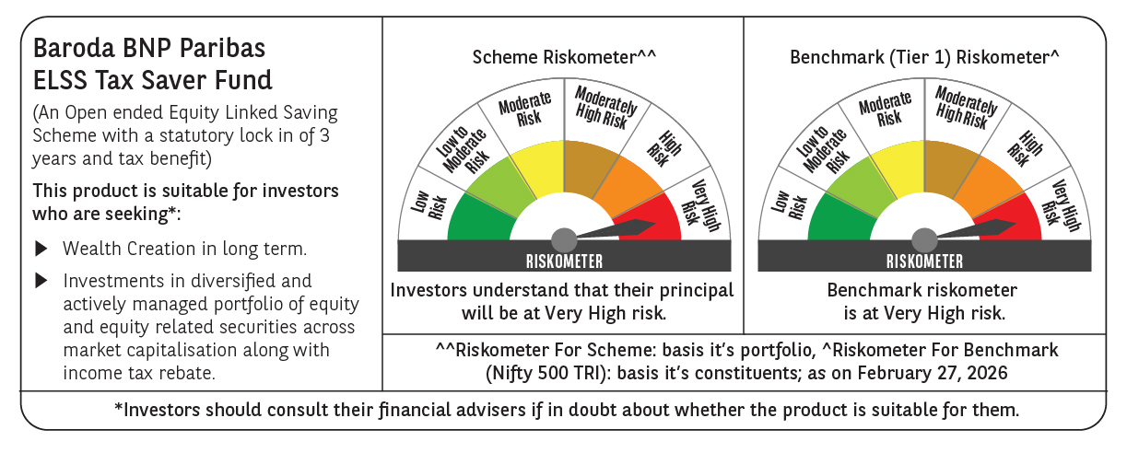

 | Monthly Performance Link: https://www.barodabnpparibasmf.in/assets/download_documents/Performance_of_Schemes_17049.pdf

