T0ME04
 | Baroda BNP Paribas Large Cap Fund

 | Monthly Portfolio Statement as on February 28, 2026
 | Name of the Instrument | ISIN | Industry / Rating | Quantity | Market/Fair Value (Rs. in Lakhs) | % to Net Assets | YTM~ | YTC^ | null
 | Equity & Equity related
 | (a) Listed / awaiting listing on Stock Exchanges
HDFB03 | HDFC Bank Limited | INE040A01034 | Banks | 1,980,000 | 17,577.45 | 6.66%
RIND01 | Reliance Industries Limited | INE002A01018 | Petroleum Products | 1,134,000 | 15,806.83 | 5.99%
IBCL05 | ICICI Bank Limited | INE090A01021 | Banks | 1,143,000 | 15,760.83 | 5.97%
LARS02 | Larsen & Toubro Limited | INE018A01030 | Construction | 288,000 | 12,321.50 | 4.67%
ABBP01 | Hitachi Energy India Limited | INE07Y701011 | Electrical Equipment | 42,930 | 10,973.77 | 4.16%
BTVL02 | Bharti Airtel Limited | INE397D01024 | Telecom - Services | 549,000 | 10,317.36 | 3.91%
SBAI02 | State Bank of India | INE062A01020 | Banks | 774,000 | 9,301.16 | 3.52%
KOMA03 | Kotak Mahindra Bank Limited | INE237A01036 | Banks | 1,800,000 | 7,473.60 | 2.83%
INFS02 | Infosys Limited | INE009A01021 | IT - Software | 504,000 | 6,552.50 | 2.48%
SESA02 | Vedanta Limited | INE205A01025 | Diversified Metals | 900,000 | 6,465.60 | 2.45%
ZMPL01 | Eternal Limited | INE758T01015 | Retailing | 2,430,000 | 5,985.09 | 2.27%
NTPC01 | NTPC Limited | INE733E01010 | Power | 1,530,000 | 5,843.07 | 2.21%
ULCC01 | UltraTech Cement Limited | INE481G01011 | Cement & Cement Products | 43,200 | 5,476.46 | 2.08%
TEMA02 | Tech Mahindra Limited | INE669C01036 | IT - Software | 360,000 | 4,888.08 | 1.85%
SPIL03 | Sun Pharmaceutical Industries Limited | INE044A01036 | Pharmaceuticals & Biotechnology | 279,000 | 4,846.23 | 1.84%
TCSL01 | Tata Consultancy Services Limited | INE467B01029 | IT - Software | 180,000 | 4,747.32 | 1.80%
DIVI02 | Divi's Laboratories Limited | INE361B01024 | Pharmaceuticals & Biotechnology | 73,800 | 4,729.47 | 1.79%
PUBA02 | Punjab National Bank | INE160A01022 | Banks | 3,600,000 | 4,659.84 | 1.77%
TCAL01 | Tata Capital Limited | INE976I01016 | Finance | 1,350,000 | 4,503.60 | 1.71%
EIML02 | Eicher Motors Limited | INE066A01021 | Automobiles | 54,000 | 4,325.67 | 1.64%
NEST02 | Nestle India Limited | INE239A01024 | Food Products | 324,000 | 4,185.11 | 1.59%
TMLC01 | Tata Motors Ltd | INE1TAE01010 | Agricultural, Commercial & Construction Vehicles | 810,000 | 4,092.93 | 1.55%
DRRL03 | Dr. Reddy's Laboratories Limited | INE089A01031 | Pharmaceuticals & Biotechnology | 315,000 | 4,051.85 | 1.54%
BAFL03 | Bajaj Finance Limited | INE296A01032 | Finance | 405,000 | 4,033.40 | 1.53%
ITCL02 | ITC Limited | INE154A01025 | Diversified FMCG | 1,260,000 | 3,951.36 | 1.50%
HLEL02 | Hindustan Unilever Limited | INE030A01027 | Diversified FMCG | 162,000 | 3,787.72 | 1.44%
MAUD01 | Maruti Suzuki India Limited | INE585B01010 | Automobiles | 24,300 | 3,610.25 | 1.37%
HYUN01 | Hyundai Motor India Ltd | INE0V6F01027 | Automobiles | 166,500 | 3,605.39 | 1.37%
HERO02 | Hero MotoCorp Limited | INE158A01026 | Automobiles | 63,000 | 3,597.30 | 1.36%
BHAH02 | Bharat Heavy Electricals Limited | INE257A01026 | Electrical Equipment | 1,350,000 | 3,576.83 | 1.36%
MOTI02 | Bosch Limited | INE323A01026 | Auto Components | 9,720 | 3,540.51 | 1.34%
TWAT02 | Titan Company Limited | INE280A01028 | Consumer Durables | 77,400 | 3,349.49 | 1.27%
BFSL02 | Bajaj Finserv Limited | INE918I01026 | Finance | 162,000 | 3,229.31 | 1.22%
PGCI01 | Power Grid Corporation of India Limited | INE752E01010 | Power | 1,080,000 | 3,225.42 | 1.22%
BPCL01 | Bharat Petroleum Corporation Limited | INE029A01011 | Petroleum Products | 810,000 | 3,121.74 | 1.18%
UTIB02 | Axis Bank Limited | INE238A01034 | Banks | 225,000 | 3,113.78 | 1.18%
JVSL04 | JSW Steel Limited | INE019A01038 | Ferrous Metals | 243,000 | 3,073.22 | 1.16%
LGEL01 | LG Electronics India Ltd | INE324D01010 | Consumer Durables | 189,000 | 3,003.21 | 1.14%
BHEL02 | Bharat Electronics Limited | INE263A01024 | Aerospace & Defense | 675,000 | 3,001.73 | 1.14%
MCSP02 | United Spirits Limited | INE854D01024 | Beverages | 198,000 | 2,733.98 | 1.04%
HDLI01 | HDFC Life Insurance Company Limited | INE795G01014 | Insurance | 378,000 | 2,703.83 | 1.02%
ESCO01 | Escorts Kubota Limited | INE042A01014 | Agricultural, Commercial & Construction Vehicles | 75,600 | 2,660.06 | 1.01%
IIBL01 | IndusInd Bank Limited | INE095A01012 | Banks | 270,000 | 2,583.23 | 0.98%
NHPC01 | NHPC Limited | INE848E01016 | Power | 3,330,000 | 2,508.49 | 0.95%
VNBL03 | Varun Beverages Limited | INE200M01039 | Beverages | 540,000 | 2,437.56 | 0.92%
PSYL02 | Persistent Systems Limited | INE262H01021 | IT - Software | 45,000 | 2,129.85 | 0.81%
HZIN02 | Hindustan Zinc Limited | INE267A01025 | Non - Ferrous Metals | 333,000 | 2,010.65 | 0.76%
TOPH02 | Torrent Pharmaceuticals Limited | INE685A01028 | Pharmaceuticals & Biotechnology | 36,000 | 1,559.99 | 0.59%
IPAM01 | ICICI Prudential Asset Management Company Limited | INE346A01027 | Capital Markets | 41,570 | 1,293.70 | 0.49%
GMRI03 | GMR Airports Limited | INE776C01039 | Transport Infrastructure | 1,260,000 | 1,267.94 | 0.48%
 | Sub Total |  |  |  | 253,595.26 | 96.11%
 | (b) Unlisted |  |  |  | NIL | NIL
 | Sub Total |  |  |  | NIL | NIL
 | Total |  |  |  | 253,595.26 | 96.11%
 | Derivatives
 | Index / Stock Futures
MCEXMAR26 | Multi Commodity Exchange of India Limited March 2026 Future |  |  | 118,125 | 2,894.06 | 1.10%
PGCIMAR26 | Power Grid Corporation of India Limited March 2026 Future |  |  | 342,000 | 1,027.20 | 0.39%
NIFTYFMAR26 | NIFTY March 2026 Future |  |  | -9,945 | (2,519.92) | (0.96)%
 | Sub Total |  |  |  | 1,401.34 | 0.53%
 | Total |  |  |  | 1,401.34 | 0.53%
 | Money Market Instruments
 | Treasury Bill
TBIL2525 | 364 Days Tbill (MD 25/06/2026) | IN002025Z138 | Sovereign | 1,500,000 | 1,475.23 | 0.56% | 5.28%
TBIL2490 | 364 Days Tbill (MD 26/03/2026) | IN002024Z503 | Sovereign | 1,200,000 | 1,196.27 | 0.45% | 4.55%
 | Sub Total |  |  |  | 2,671.50 | 1.01%
 | Total |  |  |  | 2,671.50 | 1.01%
 | Reverse Repo / TREPS
TRP_020326 | Clearing Corporation of India Ltd |  |  |  | 7,715.43 | 2.92% | 4.93%
 | Sub Total |  |  |  | 7,715.43 | 2.92%
 | Total |  |  |  | 7,715.43 | 2.92%
 | Net Receivables / (Payables) |  |  |  | (1,519.53) | (0.57)%
 | GRAND TOTAL |  |  |  | 263,864.00 | 100.00%

 | ~ YTM as on February 28, 2026
 | ^ YTC represents Yield to Call provided by valuation agencies as on February 28, 2026. It is disclosed for Perpetual Bond issued by Banks (i.e. AT-1 Bond / Tier 1 Bond / Tier 2 Bond), as per AMFI Best Practices Guidelines Circular no. 135/BP/91/2020-21 read with SEBI circular No. SEBI/HO/IMD/DF4/CIR/P/2021/034 on Valuation of AT-1 Bonds and Tier 2 Bonds.
 | Details of Stock Future / Index Future
 | Long/Short | Name of the Instrument | Industry | Quantity. | Market/Fair Value (Rs. in Lacs). | % to NAV.
 | Long | Multi Commodity Exchange of India Limited_30/03/2026 | Capital Markets | 118,125 | 2,894.06 | 1.10%
 | Short | NIFTY_30/03/2026 | Index | 9,945 | 2,519.92 | 0.96%
 | Long | Power Grid Corporation of India Limited_30/03/2026 | Power | 342,000 | 1,027.20 | 0.39%

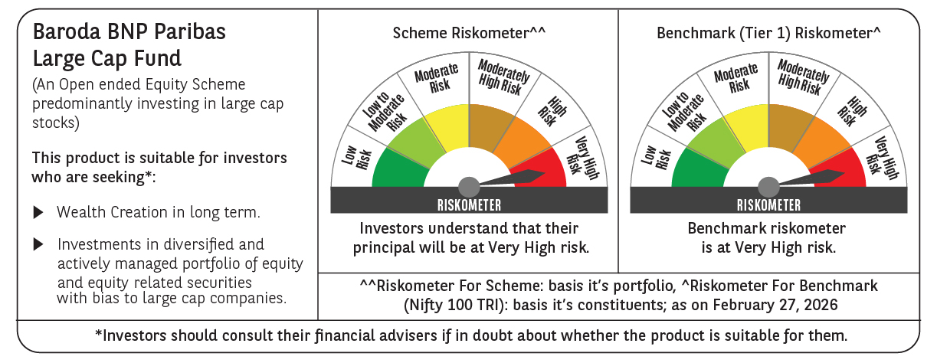

 | Monthly Performance Link: https://www.barodabnpparibasmf.in/assets/download_documents/Performance_of_Schemes_17049.pdf

