T0MD13
 | Baroda BNP Paribas Corporate Bond Fund

 | Monthly Portfolio Statement as on February 28, 2026
 | Name of the Instrument | ISIN | Industry / Rating | Quantity | Market/Fair Value (Rs. in Lakhs) | % to Net Assets | YTM~ | YTC^ | null
 | Equity & Equity related
 | (b) Invits
NHIT01 | National Highways Infra Trust | INE0H7R23014 | Transport Infrastructure | 450,000 | 697.50 | 1.91%
PIIT01 | Powergrid Infrastructure Investment Trust | INE0GGX23010 | Power | 301,229 | 279.18 | 0.76%
IGIF01 | IndiGrid Infrastructure Trust | INE219X23014 | Power | 115,337 | 191.77 | 0.52%
 | Sub Total |  |  |  | 1,168.45 | 3.19%
 | Total |  |  |  | 1,168.45 | 3.19%
 | Debt Instruments
 | (a) Listed / awaiting listing on Stock Exchange
GOI5228 | 7.18% Government of India (14/08/2033) | IN0020230085 | Sovereign | 2,200,000 | 2,270.24 | 6.20% | 6.74%
NBAR805 | 7.53% National Bank For Agriculture and Rural Development (24/03/2028) ** | INE261F08EM1 | ICRA AAA | 2,000 | 2,017.55 | 5.51% | 7.05%
NTPC166 | 7.32% NTPC Limited (17/07/2029) ** | INE733E07KL3 | CRISIL AAA | 150 | 1,515.79 | 4.14% | 6.94%
BHFL139 | 7.08% Bajaj Housing Finance Limited (12/06/2030) ** | INE377Y07573 | CRISIL AAA | 1,500 | 1,481.27 | 4.05% | 7.42%
SIDB598 | 7.39% Small Industries Dev Bank of India (21/03/2030) ** | INE556F08KY6 | CRISIL AAA | 1,200 | 1,207.09 | 3.30% | 7.21%
NHBA336 | 7.35% National Housing Bank (02/01/2032) ** | INE557F08GD6 | CARE AAA | 1,100 | 1,102.79 | 3.01% | 7.30%
HPEC301 | 7.54% Hindustan Petroleum Corporation Limited (15/04/2033) ** | INE094A08143 | CRISIL AAA | 100 | 1,018.92 | 2.78% | 7.19%
HPEC303 | 7.74% Hindustan Petroleum Corporation Limited (02/03/2028) ** | INE094A08150 | CRISIL AAA | 1,000 | 1,015.95 | 2.78% | 6.86%
IRLY383 | 7.37% Indian Railway Finance Corporation Limited (31/07/2029) ** | INE053F08411 | CRISIL AAA | 1,000 | 1,012.38 | 2.77% | 6.96%
LICH693 | 7.645% LIC Housing Finance Limited (21/02/2030) ** | INE115A07RD3 | CRISIL AAA | 1,000 | 1,009.98 | 2.76% | 7.34%
LICH680 | 7.74% LIC Housing Finance Limited (11/02/2028) | INE115A07QW5 | CRISIL AAA | 1,000 | 1,009.48 | 2.76% | 7.20%
IOIC673 | 7.25% Indian Oil Corporation Limited (05/01/2030) ** | INE242A08569 | CRISIL AAA | 1,000 | 1,009.04 | 2.76% | 6.97%
TCHF414 | 7.712% Tata Capital Housing Finance Limited (14/01/2028) ** | INE033L07IK9 | CRISIL AAA | 1,000 | 1,008.14 | 2.75% | 7.21%
ULCC169 | 7.34% UltraTech Cement Limited (03/03/2028) ** | INE481G08123 | CRISIL AAA | 1,000 | 1,007.79 | 2.75% | 6.91%
BAFL943 | 7.7951% Bajaj Finance Limited (10/12/2027) ** | INE296A07TF2 | CRISIL AAA | 1,000 | 1,007.68 | 2.75% | 7.29%
GAIL40 | 7.34% GAIL (India) Limited (20/12/2027) ** | INE129A08014 | CARE AAA | 100 | 1,007.44 | 2.75% | 6.87%
LICH678 | 7.8650% LIC Housing Finance Limited (20/08/2026) | INE115A07QT1 | CRISIL AAA | 1,000 | 1,001.26 | 2.74% | 7.29%
EOPR38 | 7.21% Embassy Office Parks REIT (17/03/2028) ** | INE041007167 | CRISIL AAA | 1,000 | 999.36 | 2.73% | 7.44%
MEBP36 | 7% Mindspace Business Parks REIT (14/09/2027) ** | INE0CCU07165 | CRISIL AAA | 1,000 | 999.24 | 2.73% | 7.24%
BAFL990 | 7.07% Bajaj Finance Limited (21/09/2028) ** | INE296A07TN6 | CRISIL AAA | 1,000 | 992.66 | 2.71% | 7.35%
RIND263 | 8.65% Reliance Industries Limited (11/12/2028) ** | INE002A08567 | CRISIL AAA | 80 | 833.97 | 2.28% | 6.90%
BAFL997 | 7.37% Bajaj Finance Limited (27/09/2030) ** | INE296A07TQ9 | CRISIL AAA | 800 | 796.34 | 2.18% | 7.48%
GOI6919 | 6.01% Government of India (21/07/2030) | IN0020250067 | Sovereign | 800,000 | 793.12 | 2.17% | 6.33%
RECL473 | 6.87% REC Limited (31/05/2030) ** | INE020B08FU0 | ICRA AAA | 800 | 791.31 | 2.16% | 7.16%
PGCI455 | 7.52% Power Grid Corporation of India Limited (23/03/2033) ** | INE752E08684 | CRISIL AAA | 1,000 | 734.78 | 2.01% | 7.28%
RUPL50 | 7.90% Jamnagar Utilities & Power Private Limited (10/08/2028) ** | INE936D07182 | CRISIL AAA | 500 | 507.42 | 1.39% | 7.18%
LICH671 | 7.77% LIC Housing Finance Limited (11/08/2028) ** | INE115A07QM6 | CRISIL AAA | 50 | 505.80 | 1.38% | 7.21%
EXIM794 | 7.35% Export Import Bank of India (27/07/2028) | INE514E08GE8 | CRISIL AAA | 500 | 504.78 | 1.38% | 6.92%
GOI6156 | 6.79% Government of India (07/10/2034) | IN0020240126 | Sovereign | 500,000 | 504.04 | 1.38% | 6.77%
NHBA329 | 7.59% National Housing Bank (14/07/2027) ** | INE557F08FY4 | CRISIL AAA | 500 | 503.94 | 1.38% | 6.95%
GOI7411 | 6.36% Government of India (16/02/2031) | IN0020250141 | Sovereign | 500,000 | 501.49 | 1.37% | 6.39%
SIDB657 | 7.22% Small Industries Dev Bank of India (10/04/2029) ** | INE556F08LC0 | CRISIL AAA | 500 | 501.01 | 1.37% | 7.15%
NBAR719 | 7.50% National Bank For Agriculture and Rural Development (31/08/2026) | INE261F08EA6 | CRISIL AAA | 500 | 499.78 | 1.37% | 7.32%
BHAT85 | 7.35% Bharti Telecom Limited (15/10/2027) ** | INE403D08272 | CRISIL AAA | 500 | 498.62 | 1.36% | 7.50%
BSNL21 | 6.79% Bharat Sanchar Nigam Limited (23/09/2030) ** | INE103D08021 | CRISIL AAA(CE) | 30 | 293.14 | 0.80% | 7.52%
GOI6889 | 6.68% Government of India (07/07/2040) | IN0020250042 | Sovereign | 200,000 | 193.34 | 0.53% | 7.18%
GOI4485 | 7.38% Government of India (20/06/2027) | IN0020220037 | Sovereign | 100,000 | 102.27 | 0.28% | 5.61%
 | Sub Total |  |  |  | 32,759.20 | 89.52%
 | (b) Privately placed / Unlisted |  |  |  | NIL | NIL
 | Sub Total |  |  |  | NIL | NIL
 | (d) Securitised Debt
VAJR29 | Vajra Trust (20/06/2031) ** | INE20NI15047 | CRISIL AAA(SO) | 5 | 496.27 | 1.36% | 10.04%
IUNT24 | India Universal Trust (21/11/2027) ** | INE1CBK15029 | CRISIL AAA(SO) | 5 | 352.26 | 0.96% | 7.89%
VAJR28 | Vajra Trust (20/01/2029) ** | INE20NI15039 | CRISIL AAA(SO) | 3 | 298.54 | 0.82% | 10.04%
SATR47 | Sansar Trust (25/09/2029) ** | INE17O215012 | CRISIL AAA(SO) | 30,000,000 | 118.05 | 0.32% | 8.80%
 | Sub Total |  |  |  | 1,265.12 | 3.46%
 | (b) Privately placed / Unlisted |  |  |  | NIL | NIL
 | Sub Total |  |  |  | NIL | NIL
 | Total |  |  |  | 34,024.32 | 92.98%
 | Others
 | Corporate Debt Market Development Fund
CDMD50ME | Corporate Debt Market Development Fund # | INF0RQ622028 |  | 1,106 | 129.00 | 0.35% | 5.45%
 | Sub Total |  |  |  | 129.00 | 0.35%
 | Total |  |  |  | 129.00 | 0.35%
 | Reverse Repo / TREPS
TRP_020326 | Clearing Corporation of India Ltd |  |  |  | 193.96 | 0.53% | 4.93%
 | Sub Total |  |  |  | 193.96 | 0.53%
 | (b) Privately placed / Unlisted |  |  |  | NIL | NIL
 | Sub Total |  |  |  | NIL | NIL
 | Total |  |  |  | 193.96 | 0.53%
 | Net Receivables / (Payables) |  |  |  | 1,089.86 | 2.95%
 | GRAND TOTAL |  |  |  | 36,605.59 | 100.00%

 | ** Thinly Traded / Non Traded Security
 | # Unlisted Security
 | ~ YTM as on February 28, 2026
 | ^ YTC represents Yield to Call provided by valuation agencies as on February 28, 2026. It is disclosed for Perpetual Bond issued by Banks (i.e. AT-1 Bond / Tier 1 Bond / Tier 2 Bond), as per AMFI Best Practices Guidelines Circular no. 135/BP/91/2020-21 read with SEBI circular No. SEBI/HO/IMD/DF4/CIR/P/2021/034 on Valuation of AT-1 Bonds and Tier 2 Bonds.

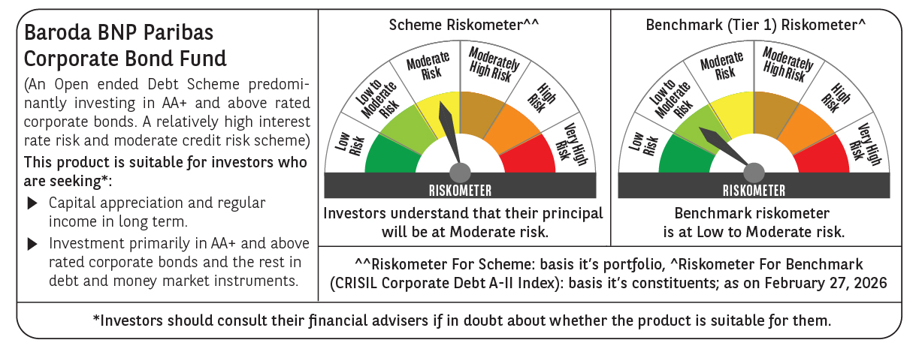



 | Monthly Performance Link: https://www.barodabnpparibasmf.in/assets/download_documents/Performance_of_Schemes_17049.pdf

