T0MD09
 | Baroda BNP Paribas Low Duration Fund

 | Monthly Portfolio Statement as on February 28, 2026
 | Name of the Instrument | ISIN | Rating | Quantity | Market/Fair Value (Rs. in Lakhs) | % to Net Assets | YTM~ | YTC^ | null
 | Debt Instruments
 | (a) Listed / awaiting listing on Stock Exchange
IRLY371 | 7.23% Indian Railway Finance Corporation Limited (15/10/2026) ** | INE053F08304 | CRISIL AAA | 2,000 | 2,000.72 | 6.65% | 7.23%
NBAR719 | 7.50% National Bank For Agriculture and Rural Development (31/08/2026) | INE261F08EA6 | CRISIL AAA | 1,900 | 1,899.17 | 6.31% | 7.32%
GOI6919 | 6.01% Government of India (21/07/2030) | IN0020250067 | Sovereign | 1,400,000 | 1,387.95 | 4.61% | 6.33%
RECL474 | 6.52% REC Limited (31/01/2028) ** | INE020B08FW6 | ICRA AAA | 1,300 | 1,290.06 | 4.29% | 6.95%
PHFP225 | 8.15% PNB Housing Finance Limited (29/07/2027) ** | INE572E07183 | CARE AA+ | 1,000 | 1,010.52 | 3.36% | 7.29%
PFPL129 | 9% Piramal Finance Limited (28/06/2027) ** | INE202B07JT0 | CARE AA | 1,000 | 1,005.14 | 3.34% | 8.52%
SHTR490 | 8.75% Shriram Finance Limited (15/06/2026) ** | INE721A07RH9 | CRISIL AA+ | 1,000 | 1,003.02 | 3.33% | 7.83%
LICH678 | 7.8650% LIC Housing Finance Limited (20/08/2026) | INE115A07QT1 | CRISIL AAA | 1,000 | 1,001.26 | 3.33% | 7.29%
MEBP36 | 7% Mindspace Business Parks REIT (14/09/2027) ** | INE0CCU07165 | CRISIL AAA | 1,000 | 999.24 | 3.32% | 7.24%
TOPL49 | 8.32% Torrent Power Limited (28/02/2027) ** | INE813H07382 | CRISIL AA+ | 900 | 907.54 | 3.02% | 7.46%
RECL428 | 7.56% REC Limited (30/06/2026) ** | INE020B08ED9 | CRISIL AAA | 900 | 900.12 | 2.99% | 7.16%
BAFL943 | 7.7951% Bajaj Finance Limited (10/12/2027) ** | INE296A07TF2 | CRISIL AAA | 700 | 705.37 | 2.34% | 7.29%
GOI5817 | 7.04% Government of India (03/06/2029) | IN0020240050 | Sovereign | 600,000 | 618.57 | 2.06% | 6.06%
GOI6306 | 6.75% Government of India (23/12/2029) | IN0020240183 | Sovereign | 500,000 | 511.33 | 1.70% | 6.16%
ICFP147 | 10.5% IndoStar Capital Finance Limited (25/09/2026) | INE896L07983 | CARE AA- | 50,000 | 504.49 | 1.68% | 8.47%
EOPR38 | 7.21% Embassy Office Parks REIT (17/03/2028) ** | INE041007167 | CRISIL AAA | 500 | 499.68 | 1.66% | 7.44%
BHAT85 | 7.35% Bharti Telecom Limited (15/10/2027) ** | INE403D08272 | CRISIL AAA | 500 | 498.62 | 1.66% | 7.50%
MEBP27 | 8.02% Mindspace Business Parks REIT (13/04/2026) ** | INE0CCU07074 | CRISIL AAA | 400 | 400.37 | 1.33% | 7.42%
GOI4485 | 7.38% Government of India (20/06/2027) | IN0020220037 | Sovereign | 200,000 | 204.55 | 0.68% | 5.61%
 | Sub Total |  |  |  | 17,347.72 | 57.66%
 | (b) Privately placed / Unlisted |  |  |  | NIL | NIL
 | Sub Total |  |  |  | NIL | NIL
 | (c) Securitised Debt
VAJR28 | Vajra Trust (20/01/2029) ** | INE20NI15039 | CRISIL AAA(SO) | 5 | 497.56 | 1.65% | 10.04%
IUNT23 | India Universal Trust (21/11/2026) ** | INE1CBK15011 | CRISIL AAA(SO) | 5 | 128.61 | 0.43% | 7.90%
 | Sub Total |  |  |  | 626.17 | 2.08%
 | (b) Privately placed / Unlisted |  |  |  | NIL | NIL
 | Sub Total |  |  |  | NIL | NIL
 | Total |  |  |  | 17,973.89 | 59.74%
 | Money Market Instruments
 | Certificate of Deposit
SIDB604 | Small Industries Dev Bank of India (05/05/2026) ** # | INE556F16BH3 | CRISIL A1+ | 500 | 2,468.14 | 8.20% | 7.25%
IIBL1010 | IndusInd Bank Limited (27/01/2027) ** # | INE095A169C7 | CRISIL A1+ | 400 | 1,873.87 | 6.23% | 7.40%
EXIM808 | Export Import Bank of India (11/06/2026) # | INE514E16CM3 | CRISIL A1+ | 300 | 1,471.14 | 4.89% | 7.02%
UTIB1363 | Axis Bank Limited (25/06/2026) ** # | INE238AD6AZ4 | CRISIL A1+ | 200 | 978.09 | 3.25% | 7.05%
IBCL1180 | ICICI Bank Limited (27/01/2027) ** # | INE090AD6279 | ICRA A1+ | 200 | 941.27 | 3.13% | 6.86%
CANB1077 | Canara Bank (03/06/2026) ** # | INE476A16F60 | CRISIL A1+ | 180 | 884.02 | 2.94% | 7.02%
HDFB1041 | HDFC Bank Limited (24/02/2027) # | INE040A16IO0 | CARE A1+ | 160 | 749.23 | 2.49% | 6.87%
UNBI444 | Union Bank of India (25/06/2026) ** # | INE692A16JQ1 | ICRA A1+ | 100 | 489.09 | 1.63% | 7.02%
INBK469 | Indian Bank (12/03/2026) # | INE562A16OI3 | CRISIL A1+ | 60 | 299.50 | 1.00% | 5.55%
 | Sub Total |  |  |  | 10,154.35 | 33.76%
 | Commercial Paper
CHOL1101 | Cholamandalam Investment and Finance Company Ltd (27/11/2026) ** | INE121A14YB7 | ICRA A1+ | 200 | 946.15 | 3.14% | 7.67%
 | Sub Total |  |  |  | 946.15 | 3.14%
 | Total |  |  |  | 11,100.50 | 36.90%
 | Others
 | Corporate Debt Market Development Fund
CDMD50ME | Corporate Debt Market Development Fund # | INF0RQ622028 |  | 746 | 87.07 | 0.29% | 5.45%
 | Sub Total |  |  |  | 87.07 | 0.29%
 | Total |  |  |  | 87.07 | 0.29%
 | Reverse Repo / TREPS
TRP_020326 | Clearing Corporation of India Ltd |  |  |  | 357.76 | 1.19% | 4.93%
 | Sub Total |  |  |  | 357.76 | 1.19%
 | (b) Privately placed / Unlisted |  |  |  | NIL | NIL
 | Sub Total |  |  |  | NIL | NIL
 | Total |  |  |  | 357.76 | 1.19%
 | Net Receivables / (Payables) |  |  |  | 570.66 | 1.88%
 | GRAND TOTAL |  |  |  | 30,089.88 | 100.00%

 | ** Thinly Traded / Non Traded Security
 | # Unlisted Security
 | ~ YTM as on February 28, 2026
 | ^ YTC represents Yield to Call provided by valuation agencies as on February 28, 2026. It is disclosed for Perpetual Bond issued by Banks (i.e. AT-1 Bond / Tier 1 Bond / Tier 2 Bond), as per AMFI Best Practices Guidelines Circular no. 135/BP/91/2020-21 read with SEBI circular No. SEBI/HO/IMD/DF4/CIR/P/2021/034 on Valuation of AT-1 Bonds and Tier 2 Bonds.

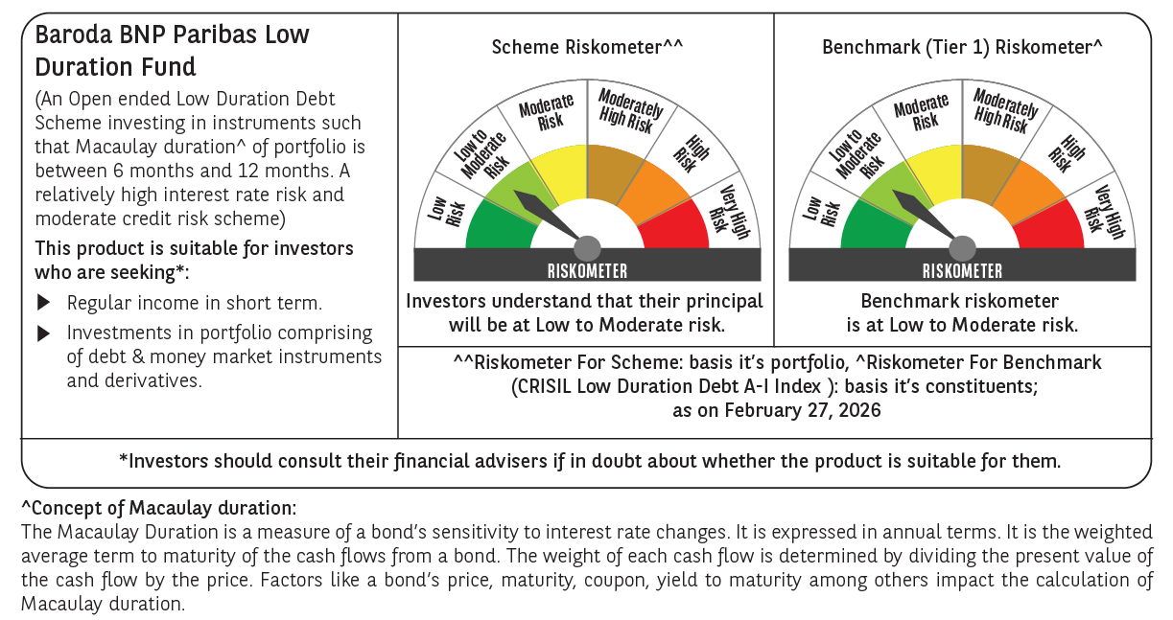



 | Monthly Performance Link: https://www.barodabnpparibasmf.in/assets/download_documents/Performance_of_Schemes_17049.pdf

