YR56
 | Baroda BNP Paribas Business Cycle Fund

 | Monthly Portfolio Statement as on January 31, 2026
 | Name of the Instrument | ISIN | Industry / Rating | Quantity | Market/Fair Value (Rs. in Lakhs) | % to Net Assets | YTM~ | YTC^ | null
 | Equity & Equity related
 | (a) Listed / awaiting listing on Stock Exchanges
HDFB03 | HDFC Bank Limited | INE040A01034 | Banks | 360,000 | 3,345.30 | 5.94%
IBCL05 | ICICI Bank Limited | INE090A01021 | Banks | 225,000 | 3,048.75 | 5.41%
RIND01 | Reliance Industries Limited | INE002A01018 | Petroleum Products | 207,000 | 2,888.48 | 5.12%
LARS02 | Larsen & Toubro Limited | INE018A01030 | Construction | 63,000 | 2,477.35 | 4.40%
ABBP01 | Hitachi Energy India Limited | INE07Y701011 | Electrical Equipment | 10,980 | 2,071.05 | 3.67%
SPIL03 | Sun Pharmaceutical Industries Limited | INE044A01036 | Pharmaceuticals & Biotechnology | 94,500 | 1,507.56 | 2.67%
SBAI02 | State Bank of India | INE062A01020 | Banks | 130,500 | 1,405.68 | 2.49%
INFS02 | Infosys Limited | INE009A01021 | IT - Software | 81,000 | 1,329.21 | 2.36%
KOMA03 | Kotak Mahindra Bank Limited | INE237A01036 | Banks | 315,000 | 1,285.20 | 2.28%
PSYL02 | Persistent Systems Limited | INE262H01021 | IT - Software | 20,700 | 1,249.25 | 2.22%
BTVL02 | Bharti Airtel Limited | INE397D01024 | Telecom - Services | 63,000 | 1,240.28 | 2.20%
SAEL02 | TVS Motor Company Limited | INE494B01023 | Automobiles | 32,400 | 1,191.48 | 2.11%
DIVI02 | Divi's Laboratories Limited | INE361B01024 | Pharmaceuticals & Biotechnology | 18,000 | 1,089.18 | 1.93%
NEST02 | Nestle India Limited | INE239A01024 | Food Products | 81,000 | 1,079.24 | 1.91%
PINP01 | Pine Labs Limited | INE15B701018 | Financial Technology (Fintech) | 450,000 | 1,026.50 | 1.82%
ICEM01 | The India Cements Limited | INE383A01012 | Cement & Cement Products | 216,000 | 988.63 | 1.75%
EIML02 | Eicher Motors Limited | INE066A01021 | Automobiles | 13,500 | 961.54 | 1.71%
BHAH02 | Bharat Heavy Electricals Limited | INE257A01026 | Electrical Equipment | 360,000 | 945.72 | 1.68%
WABT01 | ZF Commercial Vehicle Control Systems India Limited | INE342J01019 | Auto Components | 6,300 | 944.31 | 1.68%
TMLC01 | Tata Motors Ltd | INE1TAE01010 | Agricultural, Commercial & Construction Vehicles | 189,000 | 866.57 | 1.54%
HZIN02 | Hindustan Zinc Limited | INE267A01025 | Non - Ferrous Metals | 135,000 | 848.48 | 1.51%
MAUD01 | Maruti Suzuki India Limited | INE585B01010 | Automobiles | 5,400 | 788.35 | 1.40%
PHMI02 | The Phoenix Mills Limited | INE211B01039 | Realty | 46,800 | 781.89 | 1.39%
TCSL01 | Tata Consultancy Services Limited | INE467B01029 | IT - Software | 25,000 | 780.98 | 1.39%
FEBA02 | The Federal Bank Limited | INE171A01029 | Banks | 270,000 | 776.93 | 1.38%
YESB03 | Yes Bank Limited | INE528G01035 | Banks | 3,600,000 | 770.76 | 1.37%
BOCL01 | Linde India Limited | INE473A01011 | Chemicals & Petrochemicals | 12,600 | 756.88 | 1.34%
UTIB02 | Axis Bank Limited | INE238A01034 | Banks | 54,000 | 740.02 | 1.31%
ITCL02 | ITC Limited | INE154A01025 | Diversified FMCG | 225,000 | 724.84 | 1.29%
BHEL02 | Bharat Electronics Limited | INE263A01024 | Aerospace & Defense | 153,000 | 686.97 | 1.22%
BFSL02 | Bajaj Finserv Limited | INE918I01026 | Finance | 34,200 | 667.79 | 1.18%
IIFM02 | 360 One WAM Limited | INE466L01038 | Capital Markets | 58,500 | 663.57 | 1.18%
NHPC01 | NHPC Limited | INE848E01016 | Power | 823,867 | 644.26 | 1.14%
IDBK01 | IDFC First Bank Limited | INE092T01019 | Banks | 738,000 | 616.82 | 1.09%
TCAL01 | Tata Capital Limited | INE976I01016 | Finance | 180,000 | 615.78 | 1.09%
FRHL01 | Fortis Healthcare Limited | INE061F01013 | Healthcare Services | 72,000 | 613.08 | 1.09%
SCLB01 | Leela Palaces Hotels & Resorts Limited | INE0AQ201015 | Leisure Services | 144,000 | 606.24 | 1.08%
LGEL01 | LG Electronics India Ltd | INE324D01010 | Consumer Durables | 41,400 | 605.52 | 1.07%
SOKO03 | Jtekt India Limited | INE643A01035 | Auto Components | 441,000 | 603.42 | 1.07%
ASEA02 | ABB India Limited | INE117A01022 | Electrical Equipment | 10,800 | 602.48 | 1.07%
HYUN01 | Hyundai Motor India Ltd | INE0V6F01027 | Automobiles | 27,000 | 592.97 | 1.05%
HDLI01 | HDFC Life Insurance Company Limited | INE795G01014 | Insurance | 81,000 | 592.11 | 1.05%
MOTI02 | Bosch Limited | INE323A01026 | Auto Components | 1,620 | 591.79 | 1.05%
IINF02 | IIFL Finance Limited | INE530B01024 | Finance | 108,000 | 571.00 | 1.01%
COLG02 | Colgate Palmolive (India) Limited | INE259A01022 | Personal Products | 27,000 | 570.83 | 1.01%
ESMC02 | PB Fintech Limited | INE417T01026 | Financial Technology (Fintech) | 34,200 | 565.84 | 1.00%
VNBL03 | Varun Beverages Limited | INE200M01039 | Beverages | 117,000 | 551.36 | 0.98%
DRRL03 | Dr. Reddy's Laboratories Limited | INE089A01031 | Pharmaceuticals & Biotechnology | 45,000 | 548.15 | 0.97%
IFEL01 | Oracle Financial Services Software Limited | INE881D01027 | IT - Software | 7,020 | 544.75 | 0.97%
TWAT02 | Titan Company Limited | INE280A01028 | Consumer Durables | 13,500 | 536.95 | 0.95%
TOPH02 | Torrent Pharmaceuticals Limited | INE685A01028 | Pharmaceuticals & Biotechnology | 13,500 | 534.71 | 0.95%
ICII01 | Akzo Nobel India Limited | INE133A01011 | Consumer Durables | 19,000 | 532.00 | 0.94%
SAGI01 | Sagility Limited | INE0W2G01015 | IT - Services | 1,050,420 | 524.47 | 0.93%
ZMPL01 | Eternal Limited | INE758T01015 | Retailing | 189,000 | 517.10 | 0.92%
BLTE01 | Swiggy Limited | INE00H001014 | Retailing | 162,000 | 501.80 | 0.89%
NAPH02 | Natco Pharma Limited | INE987B01026 | Pharmaceuticals & Biotechnology | 54,000 | 451.39 | 0.80%
PFIZ01 | Pfizer Limited | INE182A01018 | Pharmaceuticals & Biotechnology | 7,200 | 328.58 | 0.58%
SCDL01 | Sundaram Clayton Limited | INE0Q3R01026 | Auto Components | 23,792 | 295.16 | 0.52%
TAEL01 | Tata Elxsi Limited | INE670A01012 | IT - Software | 4,500 | 239.56 | 0.43%
GMRI03 | GMR Airports Limited | INE776C01039 | Transport Infrastructure | 173,553 | 162.95 | 0.29%
AMLL01 | Amagi Media Labs Limited | INE121R01077 | IT - Services | 14,933 | 54.76 | 0.10%
 | Sub Total |  |  |  | 54,644.57 | 96.94%
 | (b) Unlisted |  |  |  | NIL | NIL
 | Sub Total |  |  |  | NIL | NIL
 | Total |  |  |  | 54,644.57 | 96.94%
 | Derivatives
 | Index / Stock Futures
MCEXFEB26 | Multi Commodity Exchange of India Limited February 2026 Future |  |  | 28,125 | 711.56 | 1.26%
 | Sub Total |  |  |  | 711.56 | 1.26%
 | Index / Stock Options
EL24FB262160P | Multi Commodity Exchange of India Limited 2160 Put February 2026 Option |  |  | 11,250 | 2.47 | 0.00%
 | Sub Total |  |  |  | 2.47 | 0.00%
 | Total |  |  |  | 714.03 | 1.26%
 | Debt Instruments
 | (a) Preference Shares
SAEL21PS | 6% TVS Motor Company Limited ** | INE494B04019 | CARE A1+ | 136,800 | 13.99 | 0.02%
 | Sub Total |  |  |  | 13.99 | 0.02%
 | Total |  |  |  | 13.99 | 0.02%
 | Money Market Instruments
 | Treasury Bill
TBIL2525 | 364 Days Tbill (MD 25/06/2026) | IN002025Z138 | Sovereign | 500,000 | 489.31 | 0.87% | 5.54%
 | Sub Total |  |  |  | 489.31 | 0.87%
 | Total |  |  |  | 489.31 | 0.87%
 | Reverse Repo / TREPS
TRP_020226 | Clearing Corporation of India Ltd |  |  |  | 1,299.41 | 2.31% | 5.01%
 | Sub Total |  |  |  | 1,299.41 | 2.31%
 | Total |  |  |  | 1,299.41 | 2.31%
 | Net Receivables / (Payables) |  |  |  | (800.05) | (1.40)%
 | GRAND TOTAL |  |  |  | 56,361.26 | 100.00%

 | ** Thinly Traded / Non Traded Security
 | $ Less Than 0.01% of Net Asset Value
 | ~ YTM as on January 31, 2026
 | ^ YTC represents Yield to Call provided by valuation agencies as on January 31, 2026. It is disclosed for Perpetual Bond issued by Banks (i.e. AT-1 Bond / Tier 1 Bond / Tier 2 Bond), as per AMFI Best Practices Guidelines Circular no. 135/BP/91/2020-21 read with SEBI circular No. SEBI/HO/IMD/DF4/CIR/P/2021/034 on Valuation of AT-1 Bonds and Tier 2 Bonds.
 | Details of Stock Future / Index Future
 | Long/Short | Name of the Instrument | Industry | Quantity. | Market/Fair Value (Rs. in Lacs). | % to NAV.
 | Long | Multi Commodity Exchange of India Limited_24/02/2026 | Capital Markets | 28,125 | 711.56 | 1.26%

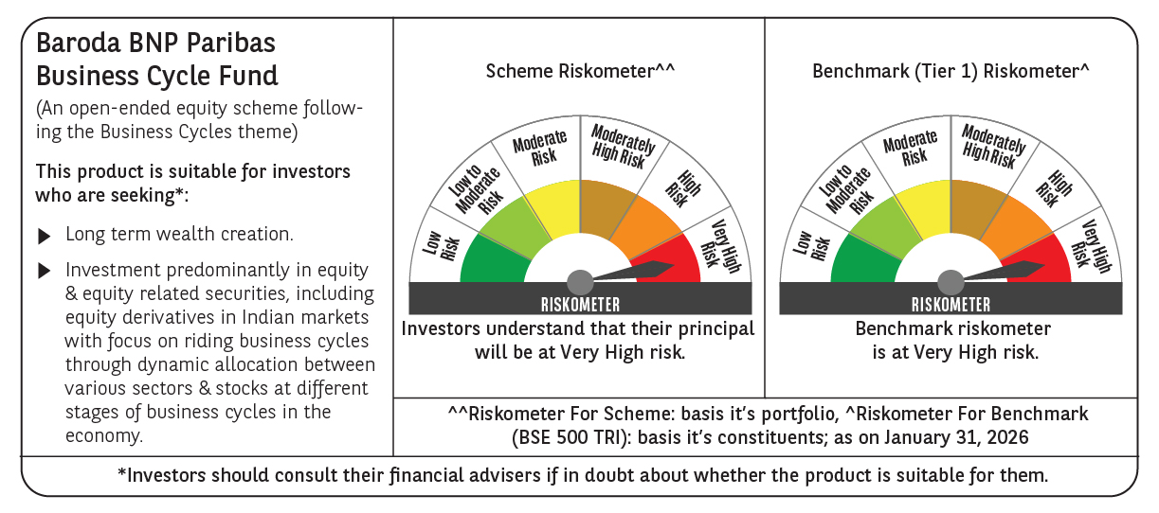

 | Monthly Performance Link: https://www.barodabnpparibasmf.in/assets/download_documents/Performance-of-Schemes-jan-2026_16576.pdf

