YR54
 | Baroda BNP Paribas Large & Mid Cap Fund

 | Monthly Portfolio Statement as on January 31, 2026
 | Name of the Instrument | ISIN | Industry / Rating | Quantity | Market/Fair Value (Rs. in Lakhs) | % to Net Assets | YTM~ | YTC^ | null
 | Equity & Equity related
 | (a) Listed / awaiting listing on Stock Exchanges
HDFB03 | HDFC Bank Limited | INE040A01034 | Banks | 1,000,000 | 9,292.50 | 5.43%
RIND01 | Reliance Industries Limited | INE002A01018 | Petroleum Products | 400,000 | 5,581.60 | 3.26%
INFS02 | Infosys Limited | INE009A01021 | IT - Software | 328,687 | 5,393.75 | 3.15%
FEBA02 | The Federal Bank Limited | INE171A01029 | Banks | 1,850,000 | 5,323.38 | 3.11%
JKCE01 | JK Cement Limited | INE823G01014 | Cement & Cement Products | 90,000 | 4,971.15 | 2.91%
IIBL01 | IndusInd Bank Limited | INE095A01012 | Banks | 550,000 | 4,928.55 | 2.88%
BTVL02 | Bharti Airtel Limited | INE397D01024 | Telecom - Services | 250,000 | 4,921.75 | 2.88%
HPEC01 | Hindustan Petroleum Corporation Limited | INE094A01015 | Petroleum Products | 1,050,000 | 4,483.50 | 2.62%
IHOT02 | The Indian Hotels Company Limited | INE053A01029 | Leisure Services | 650,000 | 4,381.98 | 2.56%
LARS02 | Larsen & Toubro Limited | INE018A01030 | Construction | 110,000 | 4,325.53 | 2.53%
ZMPL01 | Eternal Limited | INE758T01015 | Retailing | 1,500,000 | 4,104.00 | 2.40%
PSYL02 | Persistent Systems Limited | INE262H01021 | IT - Software | 65,000 | 3,922.75 | 2.29%
PRRC03 | Navin Fluorine International Limited | INE048G01026 | Chemicals & Petrochemicals | 63,617 | 3,880.00 | 2.27%
BRIT03 | Britannia Industries Limited | INE216A01030 | Food Products | 65,000 | 3,809.33 | 2.23%
BHAH02 | Bharat Heavy Electricals Limited | INE257A01026 | Electrical Equipment | 1,450,000 | 3,809.15 | 2.23%
HZIN02 | Hindustan Zinc Limited | INE267A01025 | Non - Ferrous Metals | 600,000 | 3,771.00 | 2.20%
ESCO01 | Escorts Kubota Limited | INE042A01014 | Agricultural, Commercial & Construction Vehicles | 110,000 | 3,718.88 | 2.17%
BLUS03 | Blue Star Limited | INE472A01039 | Consumer Durables | 200,000 | 3,633.80 | 2.12%
CANB02 | Canara Bank | INE476A01022 | Banks | 2,450,000 | 3,611.79 | 2.11%
MAHI02 | Mahindra & Mahindra Limited | INE101A01026 | Automobiles | 105,000 | 3,603.39 | 2.11%
EIML02 | Eicher Motors Limited | INE066A01021 | Automobiles | 50,000 | 3,561.25 | 2.08%
RAKH02 | Radico Khaitan Limited | INE944F01028 | Beverages | 125,000 | 3,535.13 | 2.07%
ILOM01 | ICICI Lombard General Insurance Company Limited | INE765G01017 | Insurance | 190,000 | 3,446.79 | 2.01%
JSPL03 | Jindal Steel Limited | INE749A01030 | Ferrous Metals | 300,000 | 3,396.00 | 1.99%
IBCL05 | ICICI Bank Limited | INE090A01021 | Banks | 250,000 | 3,387.50 | 1.98%
MOSU03 | Samvardhana Motherson International Limited | INE775A01035 | Auto Components | 3,000,000 | 3,387.00 | 1.98%
SHTR02 | Shriram Finance Limited | INE721A01047 | Finance | 325,000 | 3,315.00 | 1.94%
HYUN01 | Hyundai Motor India Ltd | INE0V6F01027 | Automobiles | 150,000 | 3,294.30 | 1.93%
KAVY06 | Karur Vysya Bank Limited | INE036D01028 | Banks | 1,050,000 | 3,164.70 | 1.85%
SAGI01 | Sagility Limited | INE0W2G01015 | IT - Services | 6,302,521 | 3,146.85 | 1.84%
TEMA02 | Tech Mahindra Limited | INE669C01036 | IT - Software | 180,000 | 3,137.58 | 1.83%
MCEX02 | Multi Commodity Exchange of India Limited | INE745G01043 | Capital Markets | 120,000 | 3,033.60 | 1.77%
ONCO02 | One 97 Communications Limited | INE982J01020 | Financial Technology (Fintech) | 250,000 | 2,843.75 | 1.66%
AJPH03 | Ajanta Pharma Limited | INE031B01049 | Pharmaceuticals & Biotechnology | 90,000 | 2,503.71 | 1.46%
SMAW01 | Smartworks Coworking Spaces Ltd | INE0NAZ01010 | Commercial Services & Supplies | 507,384 | 2,347.67 | 1.37%
ALLI02 | GE Vernova T&D India Limited | INE200A01026 | Electrical Equipment | 72,500 | 2,341.97 | 1.37%
IIFM02 | 360 One WAM Limited | INE466L01038 | Capital Markets | 200,000 | 2,268.60 | 1.33%
KOMA03 | Kotak Mahindra Bank Limited | INE237A01036 | Banks | 550,000 | 2,244.00 | 1.31%
SPIL03 | Sun Pharmaceutical Industries Limited | INE044A01036 | Pharmaceuticals & Biotechnology | 130,000 | 2,073.89 | 1.21%
SOEL02 | Solar Industries India Limited | INE343H01029 | Chemicals & Petrochemicals | 15,000 | 2,022.00 | 1.18%
MAXI02 | Max Financial Services Limited | INE180A01020 | Insurance | 125,000 | 2,017.00 | 1.18%
LGEL01 | LG Electronics India Ltd | INE324D01010 | Consumer Durables | 135,000 | 1,974.51 | 1.15%
BOCL01 | Linde India Limited | INE473A01011 | Chemicals & Petrochemicals | 31,000 | 1,862.17 | 1.09%
MALE02 | Poonawalla Fincorp Limited | INE511C01022 | Finance | 465,000 | 1,855.35 | 1.08%
JLLH01 | Jupiter Life Line Hospitals Limited | INE682M01012 | Healthcare Services | 127,500 | 1,722.78 | 1.01%
FSNE01 | FSN E-Commerce Ventures Limited | INE388Y01029 | Retailing | 700,000 | 1,662.50 | 0.97%
NHPC01 | NHPC Limited | INE848E01016 | Power | 1,650,000 | 1,290.30 | 0.75%
KAYN01 | Kaynes Technology India Limited | INE918Z01012 | Industrial Manufacturing | 30,000 | 1,042.62 | 0.61%
 | Sub Total |  |  |  | 163,346.30 | 95.46%
 | (b) Unlisted |  |  |  | NIL | NIL
 | Sub Total |  |  |  | NIL | NIL
 | Total |  |  |  | 163,346.30 | 95.46%
 | Money Market Instruments
 | Treasury Bill
TBIL2566 | 364 Days Tbill (MD 17/09/2026) | IN002025Z252 | Sovereign | 1,500,000 | 1,449.31 | 0.85% | 5.60%
TBIL2490 | 364 Days Tbill (MD 26/03/2026) | IN002024Z503 | Sovereign | 500,000 | 496.22 | 0.29% | 5.24%
 | Sub Total |  |  |  | 1,945.53 | 1.14%
 | Total |  |  |  | 1,945.53 | 1.14%
 | Reverse Repo / TREPS
TRP_020226 | Clearing Corporation of India Ltd |  |  |  | 4,554.08 | 2.66% | 5.01%
 | Sub Total |  |  |  | 4,554.08 | 2.66%
 | Total |  |  |  | 4,554.08 | 2.66%
 | Net Receivables / (Payables) |  |  |  | 1,231.08 | 0.74%
 | GRAND TOTAL |  |  |  | 171,076.99 | 100.00%

 | ~ YTM as on January 31, 2026
 | ^ YTC represents Yield to Call provided by valuation agencies as on January 31, 2026. It is disclosed for Perpetual Bond issued by Banks (i.e. AT-1 Bond / Tier 1 Bond / Tier 2 Bond), as per AMFI Best Practices Guidelines Circular no. 135/BP/91/2020-21 read with SEBI circular No. SEBI/HO/IMD/DF4/CIR/P/2021/034 on Valuation of AT-1 Bonds and Tier 2 Bonds.

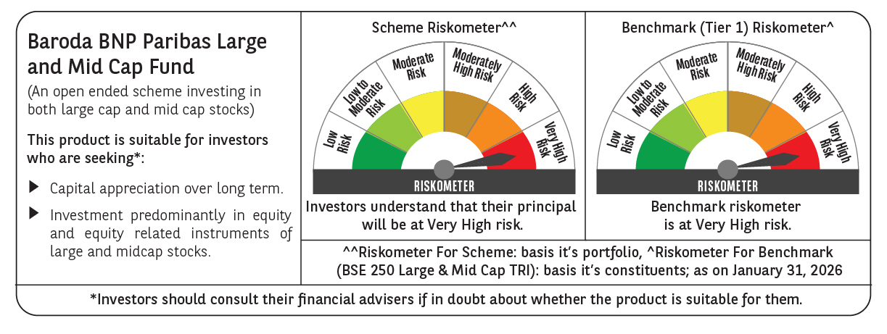

 | Monthly Performance Link: https://www.barodabnpparibasmf.in/assets/download_documents/Performance-of-Schemes-jan-2026_16576.pdf

