YR51
 | Baroda BNP Paribas Overnight Fund

 | Monthly Portfolio Statement as on January 31, 2026
 | Name of the Instrument | ISIN | Rating | Quantity | Market/Fair Value (Rs. in Lakhs) | % to Net Assets | YTM~ | YTC^ | null
 | Money Market Instruments
 | Treasury Bill
TBIL2545 | 182 Days Tbill (MD 05/02/2026) | IN002025Y198 | Sovereign | 1,000,000 | 999.44 | 0.80% | 5.08%
TBIL2468 | 364 Days Tbill (MD 05/02/2026) | IN002024Z438 | Sovereign | 500,000 | 499.72 | 0.40% | 5.08%
TBIL2471 | 364 Days Tbill (MD 12/02/2026) | IN002024Z446 | Sovereign | 500,000 | 499.23 | 0.40% | 5.10%
 | Sub Total |  |  |  | 1,998.39 | 1.60%
 | Total |  |  |  | 1,998.39 | 1.60%
 | Reverse Repo / TREPS
TRP_020226 | Clearing Corporation of India Ltd |  |  |  | 84,962.48 | 67.84% | 5.01%
REP7_300126 | Clearing Corporation of India Ltd |  |  |  | 38,699.53 | 30.90% | 5.40%
 | Sub Total |  |  |  | 123,662.01 | 98.74%
 | Total |  |  |  | 123,662.01 | 98.74%
 | Net Receivables / (Payables) |  |  |  | (422.74) | (0.34)%
 | GRAND TOTAL |  |  |  | 125,237.66 | 100.00%

 | ~ YTM as on January 31, 2026
 | ^ YTC represents Yield to Call provided by valuation agencies as on January 31, 2026. It is disclosed for Perpetual Bond issued by Banks (i.e. AT-1 Bond / Tier 1 Bond / Tier 2 Bond), as per AMFI Best Practices Guidelines Circular no. 135/BP/91/2020-21 read with SEBI circular No. SEBI/HO/IMD/DF4/CIR/P/2021/034 on Valuation of AT-1 Bonds and Tier 2 Bonds.

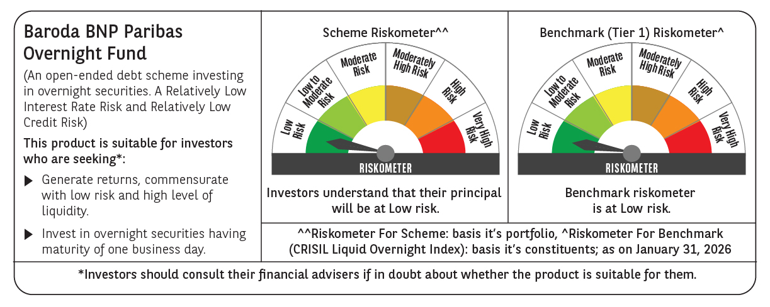

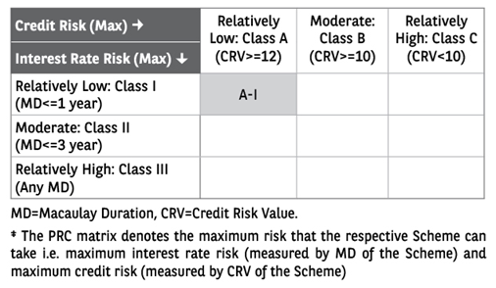

 | Monthly Performance Link: https://www.barodabnpparibasmf.in/assets/download_documents/Performance-of-Schemes-jan-2026_16576.pdf

