YR47
 | Baroda BNP Paribas Ultra Short Duration Fund

 | Monthly Portfolio Statement as on January 31, 2026
 | Name of the Instrument | ISIN | Rating | Quantity | Market/Fair Value (Rs. in Lakhs) | % to Net Assets | YTM~ | YTC^ | null
 | Debt Instruments
 | (a) Listed / awaiting listing on Stock Exchange
MUFL464 | 8.05% Muthoot Finance Limited (25/11/2027) ** | INE414G07JQ6 | CRISIL AA+ | 2,500 | 2,500.46 | 3.14% | 8.01%
RECL439 | 7.64% REC Limited (30/06/2026) | INE020B08EM0 | CRISIL AAA | 2,500 | 2,499.58 | 3.14% | 7.35%
MEBP27 | 8.02% Mindspace Business Parks REIT (13/04/2026) ** | INE0CCU07074 | CRISIL AAA | 2,100 | 2,101.55 | 2.64% | 7.85%
RECL428 | 7.56% REC Limited (30/06/2026) | INE020B08ED9 | CRISIL AAA | 1,600 | 1,599.25 | 2.01% | 7.35%
PFPL129 | 9% Piramal Finance Limited (28/06/2027) ** | INE202B07JT0 | CARE AA | 1,500 | 1,508.88 | 1.89% | 8.48%
SHTR490 | 8.75% Shriram Finance Limited (15/06/2026) ** | INE721A07RH9 | CRISIL AA+ | 1,500 | 1,506.37 | 1.89% | 7.61%
LICH678 | 7.8650% LIC Housing Finance Limited (20/08/2026) ** | INE115A07QT1 | CRISIL AAA | 500 | 500.46 | 0.63% | 7.43%
IRLY371 | 7.23% Indian Railway Finance Corporation Limited (15/10/2026) ** | INE053F08304 | CRISIL AAA | 500 | 499.85 | 0.63% | 7.31%
GOI6919 | 6.01% Government of India (21/07/2030) | IN0020250067 | Sovereign | 500,000 | 493.21 | 0.62% | 6.46%
 | Sub Total |  |  |  | 13,209.61 | 16.59%
 | (b) Privately placed / Unlisted |  |  |  | NIL | NIL
 | Sub Total |  |  |  | NIL | NIL
 | (c) Securitised Debt
VAJR27 | Vajra Trust (20/01/2028) ** | INE20NI15021 | CRISIL AAA(SO) | 19 | 1,896.73 | 2.38% | 9.99%
IUNT23 | India Universal Trust (21/11/2026) ** | INE1CBK15011 | CRISIL AAA(SO) | 13 | 397.60 | 0.50% | 8.21%
VAJR26 | Vajra Trust (20/10/2026) ** | INE20NI15013 | CRISIL AAA(SO) | 16 | 15.85 | 0.02% | 9.87%
 | Sub Total |  |  |  | 2,310.18 | 2.90%
 | (b) Privately placed / Unlisted |  |  |  | NIL | NIL
 | Sub Total |  |  |  | NIL | NIL
 | Total |  |  |  | 15,519.79 | 19.49%
 | Money Market Instruments
 | Certificate of Deposit
EXIM802 | Export Import Bank of India (20/03/2026) # | INE514E16CK7 | CRISIL A1+ | 1,000 | 4,957.55 | 6.22% | 6.65%
INBK502 | Indian Bank (30/04/2026) ** # | INE562A16PQ3 | CRISIL A1+ | 1,000 | 4,914.37 | 6.17% | 7.23%
UNBI444 | Union Bank of India (25/06/2026) # | INE692A16JQ1 | ICRA A1+ | 900 | 4,376.55 | 5.49% | 7.15%
NBAR874 | National Bank For Agriculture and Rural Development (28/01/2027) ** # | INE261F16AH2 | CRISIL A1+ | 600 | 2,800.63 | 3.52% | 7.20%
IIBL1010 | IndusInd Bank Limited (27/01/2027) ** # | INE095A169C7 | CRISIL A1+ | 600 | 2,794.65 | 3.51% | 7.45%
CANB1077 | Canara Bank (03/06/2026) ** # | INE476A16F60 | CRISIL A1+ | 520 | 2,538.80 | 3.19% | 7.21%
SBAI244 | State Bank of India (27/03/2026) ** # | INE062A16614 | CRISIL A1+ | 500 | 2,475.85 | 3.11% | 6.59%
IDBK535 | IDFC First Bank Limited (15/05/2026) ** # | INE092T16YP5 | CRISIL A1+ | 500 | 2,449.07 | 3.07% | 7.37%
IIBL1002 | IndusInd Bank Limited (15/05/2026) ** # | INE095A160C6 | CRISIL A1+ | 500 | 2,448.36 | 3.07% | 7.48%
HDFB1006 | HDFC Bank Limited (24/06/2026) ** # | INE040A16HB9 | CRISIL A1+ | 500 | 2,431.04 | 3.05% | 7.24%
UTIB1369 | Axis Bank Limited (11/08/2026) ** # | INE238AD6BD9 | CRISIL A1+ | 500 | 2,408.97 | 3.02% | 7.22%
AFPL169 | AU Small Finance Bank Limited (28/08/2026) ** # | INE949L16DQ5 | CARE A1+ | 500 | 2,395.67 | 3.01% | 7.64%
KMBK889 | Kotak Mahindra Bank Limited (24/09/2026) ** # | INE237AD6042 | CRISIL A1+ | 500 | 2,391.19 | 3.00% | 7.07%
INBK504 | Indian Bank (29/05/2026) ** # | INE562A16PR1 | CRISIL A1+ | 400 | 1,954.59 | 2.45% | 7.25%
UTIB1363 | Axis Bank Limited (25/06/2026) ** # | INE238AD6AZ4 | CRISIL A1+ | 300 | 1,457.99 | 1.83% | 7.30%
CANB1073 | Canara Bank (26/05/2026) ** # | INE476A16E87 | CRISIL A1+ | 160 | 782.38 | 0.98% | 7.21%
 | Sub Total |  |  |  | 43,577.66 | 54.69%
 | Commercial Paper
MUFL472 | Muthoot Finance Limited (11/09/2026) ** | INE414G14UU1 | CRISIL A1+ | 600 | 2,861.22 | 3.59% | 7.98%
EOPR36 | Embassy Office Parks REIT (20/03/2026) ** | INE041014064 | CRISIL A1+ | 500 | 2,478.07 | 3.11% | 6.87%
SCIN342 | Standard Chartered Capital Limited (23/09/2026) ** | INE403G14TV4 | CRISIL A1+ | 500 | 2,376.73 | 2.98% | 8.09%
 | Sub Total |  |  |  | 7,716.02 | 9.68%
 | Treasury Bill
TBIL2471 | 364 Days Tbill (MD 12/02/2026) | IN002024Z446 | Sovereign | 500,000 | 499.23 | 0.63% | 5.10%
 | Sub Total |  |  |  | 499.23 | 0.63%
 | Total |  |  |  | 51,792.91 | 65.00%
 | Others
 | Corporate Debt Market Development Fund
CDMD50ME | Corporate Debt Market Development Fund # | INF0RQ622028 |  | 2,878 | 333.81 | 0.42% | 5.59%
 | Sub Total |  |  |  | 333.81 | 0.42%
 | Total |  |  |  | 333.81 | 0.42%
 | Reverse Repo / TREPS
TRP_020226 | Clearing Corporation of India Ltd |  |  |  | 11,913.81 | 14.95% | 5.01%
 | Sub Total |  |  |  | 11,913.81 | 14.95%
 | (b) Privately placed / Unlisted |  |  |  | NIL | NIL
 | Sub Total |  |  |  | NIL | NIL
 | Total |  |  |  | 11,913.81 | 14.95%
 | Net Receivables / (Payables) |  |  |  | 110.88 | 0.14%
 | GRAND TOTAL |  |  |  | 79,671.20 | 100.00%

 | ** Thinly Traded / Non Traded Security
 | # Unlisted Security
 | ~ YTM as on January 31, 2026
 | ^ YTC represents Yield to Call provided by valuation agencies as on January 31, 2026. It is disclosed for Perpetual Bond issued by Banks (i.e. AT-1 Bond / Tier 1 Bond / Tier 2 Bond), as per AMFI Best Practices Guidelines Circular no. 135/BP/91/2020-21 read with SEBI circular No. SEBI/HO/IMD/DF4/CIR/P/2021/034 on Valuation of AT-1 Bonds and Tier 2 Bonds.

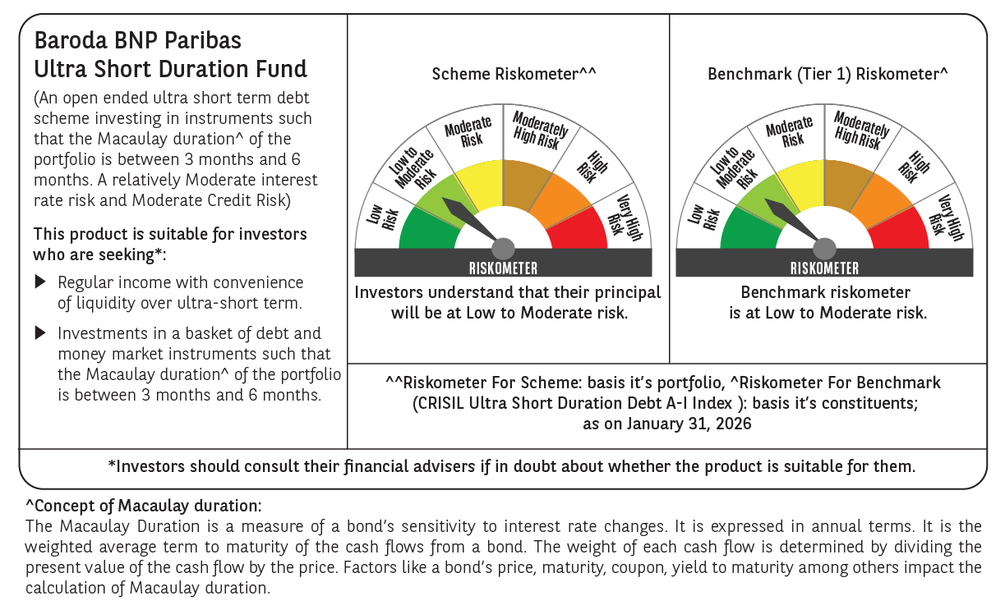

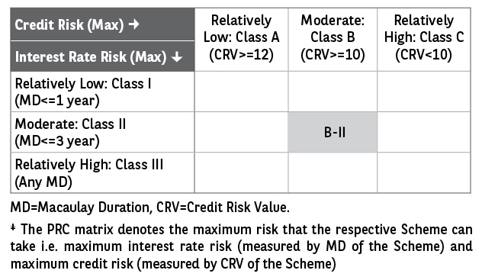

 | Monthly Performance Link: https://www.barodabnpparibasmf.in/assets/download_documents/Performance-of-Schemes-jan-2026_16576.pdf

