YR29
 | Baroda BNP Paribas Banking & Financial Services Fund

 | Monthly Portfolio Statement as on January 31, 2026
 | Name of the Instrument | ISIN | Industry / Rating | Quantity | Market/Fair Value (Rs. in Lakhs) | % to Net Assets | YTM~ | YTC^ | null
 | Equity & Equity related
 | (a) Listed / awaiting listing on Stock Exchanges
HDFB03 | HDFC Bank Limited | INE040A01034 | Banks | 650,000 | 6,040.13 | 15.94%
IBCL05 | ICICI Bank Limited | INE090A01021 | Banks | 250,000 | 3,387.50 | 8.94%
SBAI02 | State Bank of India | INE062A01020 | Banks | 271,200 | 2,921.23 | 7.71%
KOMA03 | Kotak Mahindra Bank Limited | INE237A01036 | Banks | 650,000 | 2,652.00 | 7.00%
UTIB02 | Axis Bank Limited | INE238A01034 | Banks | 150,000 | 2,055.60 | 5.42%
IIBL01 | IndusInd Bank Limited | INE095A01012 | Banks | 190,000 | 1,702.59 | 4.49%
CANB02 | Canara Bank | INE476A01022 | Banks | 1,100,000 | 1,621.62 | 4.28%
SHTR02 | Shriram Finance Limited | INE721A01047 | Finance | 125,000 | 1,275.00 | 3.36%
BAFL03 | Bajaj Finance Limited | INE296A01032 | Finance | 110,000 | 1,022.84 | 2.70%
USFB01 | Ujjivan Small Finance Bank Limited | INE551W01018 | Banks | 1,559,595 | 1,019.51 | 2.69%
MCEX02 | Multi Commodity Exchange of India Limited | INE745G01043 | Capital Markets | 40,000 | 1,011.20 | 2.67%
RATN01 | RBL Bank Limited | INE976G01028 | Banks | 300,000 | 896.25 | 2.37%
BFSL02 | Bajaj Finserv Limited | INE918I01026 | Finance | 42,500 | 829.86 | 2.19%
CHOL02 | Cholamandalam Investment and Finance Company Ltd | INE121A01024 | Finance | 50,000 | 815.80 | 2.15%
KAVY06 | Karur Vysya Bank Limited | INE036D01028 | Banks | 270,000 | 813.78 | 2.15%
AGBL01 | Angel One Limited | INE732I01013 | Capital Markets | 30,000 | 762.27 | 2.01%
SLIF01 | SBI Life Insurance Company Limited | INE123W01016 | Insurance | 35,300 | 705.47 | 1.86%
AFPL02 | AU Small Finance Bank Limited | INE949L01017 | Banks | 70,000 | 687.65 | 1.81%
FEBA02 | The Federal Bank Limited | INE171A01029 | Banks | 200,000 | 575.50 | 1.52%
IIFM02 | 360 One WAM Limited | INE466L01038 | Capital Markets | 50,000 | 567.15 | 1.50%
IDBK01 | IDFC First Bank Limited | INE092T01019 | Banks | 600,000 | 501.48 | 1.32%
PUBA02 | Punjab National Bank | INE160A01022 | Banks | 400,000 | 500.76 | 1.32%
ILOM01 | ICICI Lombard General Insurance Company Limited | INE765G01017 | Insurance | 27,500 | 498.88 | 1.32%
PRUD01 | Prudent Corporate Advisory Services Limited | INE00F201020 | Capital Markets | 20,000 | 479.38 | 1.27%
ONCO02 | One 97 Communications Limited | INE982J01020 | Financial Technology (Fintech) | 40,000 | 455.00 | 1.20%
HDLI01 | HDFC Life Insurance Company Limited | INE795G01014 | Insurance | 60,000 | 438.60 | 1.16%
ABFS01 | Aditya Birla Capital Limited | INE674K01013 | Finance | 125,000 | 424.75 | 1.12%
MALE02 | Poonawalla Fincorp Limited | INE511C01022 | Finance | 100,000 | 399.00 | 1.05%
IINF02 | IIFL Finance Limited | INE530B01024 | Finance | 70,000 | 370.09 | 0.98%
IPAM01 | ICICI Prudential Asset Management Company Limited | INE346A01027 | Capital Markets | 10,000 | 297.26 | 0.78%
 | Sub Total |  |  |  | 35,728.15 | 94.28%
 | (b) Unlisted |  |  |  | NIL | NIL
 | Sub Total |  |  |  | NIL | NIL
 | Total |  |  |  | 35,728.15 | 94.28%
 | Money Market Instruments
 | Treasury Bill
TBIL2566 | 364 Days Tbill (MD 17/09/2026) | IN002025Z252 | Sovereign | 500,000 | 483.10 | 1.27% | 5.60%
 | Sub Total |  |  |  | 483.10 | 1.27%
 | Total |  |  |  | 483.10 | 1.27%
 | Reverse Repo / TREPS
TRP_020226 | Clearing Corporation of India Ltd |  |  |  | 1,267.81 | 3.35% | 5.01%
 | Sub Total |  |  |  | 1,267.81 | 3.35%
 | Total |  |  |  | 1,267.81 | 3.35%
 | Net Receivables / (Payables) |  |  |  | 413.29 | 1.10%
 | GRAND TOTAL |  |  |  | 37,892.35 | 100.00%

 | ~ YTM as on January 31, 2026
 | ^ YTC represents Yield to Call provided by valuation agencies as on January 31, 2026. It is disclosed for Perpetual Bond issued by Banks (i.e. AT-1 Bond / Tier 1 Bond / Tier 2 Bond), as per AMFI Best Practices Guidelines Circular no. 135/BP/91/2020-21 read with SEBI circular No. SEBI/HO/IMD/DF4/CIR/P/2021/034 on Valuation of AT-1 Bonds and Tier 2 Bonds.

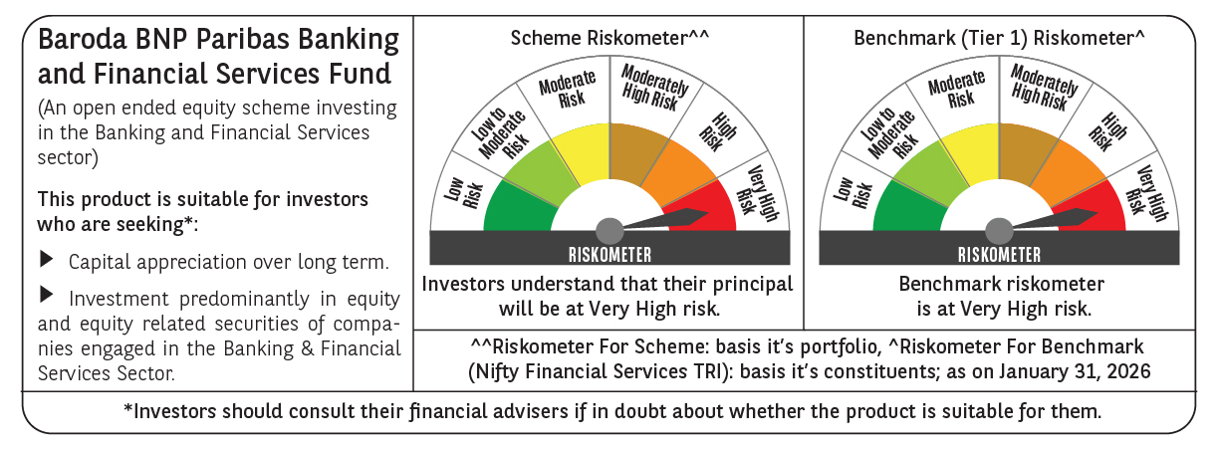

 | Monthly Performance Link: https://www.barodabnpparibasmf.in/assets/download_documents/Performance-of-Schemes-jan-2026_16576.pdf

