YR15
 | Baroda BNP Paribas Short Duration Fund

 | Monthly Portfolio Statement as on January 31, 2026
 | Name of the Instrument | ISIN | Rating | Quantity | Market/Fair Value (Rs. in Lakhs) | % to Net Assets | YTM~ | YTC^ | null
 | Debt Instruments
 | (a) Listed / awaiting listing on Stock Exchange
NHBA331 | 7.59% National Housing Bank (08/09/2027) ** | INE557F08FZ1 | CRISIL AAA | 1,500 | 1,511.98 | 5.46% | 7.03%
NBAR838 | 7.48% National Bank For Agriculture and Rural Development (15/09/2028) | INE261F08EO7 | CRISIL AAA | 1,500 | 1,509.51 | 5.45% | 7.18%
SIDB553 | 7.68% Small Industries Dev Bank of India (10/08/2027) ** | INE556F08KP4 | CRISIL AAA | 1,300 | 1,308.26 | 4.73% | 7.24%
HPEC300 | 7.64% Hindustan Petroleum Corporation Limited (04/11/2027) ** | INE094A08135 | CRISIL AAA | 120 | 1,212.21 | 4.38% | 6.98%
SHTR526 | 8.7% Shriram Finance Limited (09/04/2028) ** | INE721A07SL9 | CRISIL AA+ | 1,000 | 1,015.09 | 3.67% | 7.90%
LARS419 | 7.725% Larsen & Toubro Limited (28/04/2028) ** | INE018A08BE9 | CRISIL AAA | 1,000 | 1,011.22 | 3.65% | 7.14%
PHFP225 | 8.15% PNB Housing Finance Limited (29/07/2027) ** | INE572E07183 | CARE AA+ | 1,000 | 1,008.27 | 3.64% | 7.49%
LICH680 | 7.74% LIC Housing Finance Limited (11/02/2028) ** | INE115A07QW5 | CRISIL AAA | 1,000 | 1,008.13 | 3.64% | 7.29%
ULCC169 | 7.34% UltraTech Cement Limited (03/03/2028) ** | INE481G08123 | CRISIL AAA | 1,000 | 1,004.21 | 3.63% | 7.11%
IRLY303 | 7.27% Indian Railway Finance Corporation Limited (15/06/2027) ** | INE053F07AB5 | CRISIL AAA | 100 | 1,001.03 | 3.62% | 7.18%
NCIP36 | 8.50% Nomura Capital India Pvt Limited (21/10/2026) ** | INE357L07457 | FITCH AAA | 1,000 | 1,000.59 | 3.62% | 8.27%
GOI5228 | 7.18% Government of India (14/08/2033) | IN0020230085 | Sovereign | 950,000 | 975.10 | 3.52% | 6.84%
IOIC673 | 7.25% Indian Oil Corporation Limited (05/01/2030) | INE242A08569 | CRISIL AAA | 800 | 803.33 | 2.90% | 7.12%
EXIM794 | 7.35% Export Import Bank of India (27/07/2028) ** | INE514E08GE8 | CRISIL AAA | 700 | 705.32 | 2.55% | 7.03%
HPEC303 | 7.74% Hindustan Petroleum Corporation Limited (02/03/2028) ** | INE094A08150 | CRISIL AAA | 650 | 659.52 | 2.38% | 6.95%
RECL473 | 6.87% REC Limited (31/05/2030) ** | INE020B08FU0 | ICRA AAA | 600 | 590.85 | 2.13% | 7.28%
GOI5379 | 7.32% Government of India (13/11/2030) | IN0020230135 | Sovereign | 500,000 | 518.35 | 1.87% | 6.52%
RUPL50 | 7.90% Jamnagar Utilities & Power Private Limited (10/08/2028) ** | INE936D07182 | CRISIL AAA | 500 | 505.04 | 1.82% | 7.42%
LICH693 | 7.645% LIC Housing Finance Limited (21/02/2030) ** | INE115A07RD3 | CRISIL AAA | 500 | 504.00 | 1.82% | 7.41%
ICFP147 | 10.5% IndoStar Capital Finance Limited (25/09/2026) ** | INE896L07983 | CARE AA- | 50,000 | 503.47 | 1.82% | 9.03%
NBAR805 | 7.53% National Bank For Agriculture and Rural Development (24/03/2028) ** | INE261F08EM1 | ICRA AAA | 500 | 503.35 | 1.82% | 7.16%
GOI6156 | 6.79% Government of India (07/10/2034) | IN0020240126 | Sovereign | 500,000 | 501.75 | 1.81% | 6.85%
EOPR38 | 7.21% Embassy Office Parks REIT (17/03/2028) ** | INE041007167 | CRISIL AAA | 500 | 498.02 | 1.80% | 7.61%
MEBP36 | 7% Mindspace Business Parks REIT (14/09/2027) ** | INE0CCU07165 | CRISIL AAA | 500 | 497.67 | 1.80% | 7.51%
BHAT85 | 7.35% Bharti Telecom Limited (15/10/2027) ** | INE403D08272 | CRISIL AAA | 500 | 496.79 | 1.79% | 7.73%
BAFL997 | 7.37% Bajaj Finance Limited (27/09/2030) | INE296A07TQ9 | CRISIL AAA | 500 | 494.96 | 1.79% | 7.62%
BAFL990 | 7.07% Bajaj Finance Limited (21/09/2028) ** | INE296A07TN6 | CRISIL AAA | 500 | 494.27 | 1.79% | 7.52%
GOI6919 | 6.01% Government of India (21/07/2030) | IN0020250067 | Sovereign | 500,000 | 493.21 | 1.78% | 6.46%
GOI7094 | 6.48% Government of India (06/10/2035) | IN0020250091 | Sovereign | 500,000 | 492.36 | 1.78% | 6.81%
GOI6889 | 6.68% Government of India (07/07/2040) | IN0020250042 | Sovereign | 300,000 | 288.95 | 1.04% | 7.22%
NHAI60 | 8.37% National Highways Authority Of India (20/01/2029) ** | INE906B07GN5 | CRISIL AAA | 20 | 206.57 | 0.75% | 7.10%
SIDB598 | 7.39% Small Industries Dev Bank of India (21/03/2030) ** | INE556F08KY6 | CRISIL AAA | 200 | 200.46 | 0.72% | 7.32%
NHBA336 | 7.35% National Housing Bank (02/01/2032) | INE557F08GD6 | CARE AAA | 200 | 200.23 | 0.72% | 7.33%
BSNL21 | 6.79% Bharat Sanchar Nigam Limited (23/09/2030) ** | INE103D08021 | CRISIL AAA(CE) | 20 | 194.73 | 0.70% | 7.61%
PGCI456 | 7.56% Power Grid Corporation of India Limited (31/03/2033) ** | INE752E08692 | CRISIL AAA | 250 | 190.13 | 0.69% | 7.30%
NHBA337 | 6.80% National Housing Bank (02/04/2032) ** | INE557F08GE4 | CARE AAA | 150 | 146.13 | 0.53% | 7.33%
 | Sub Total |  |  |  | 24,255.06 | 87.61%
 | (b) Privately placed / Unlisted |  |  |  | NIL | NIL
 | Sub Total |  |  |  | NIL | NIL
 | (c) Securitised Debt
VAJR28 | Vajra Trust (20/01/2029) ** | INE20NI15039 | CRISIL AAA(SO) | 9 | 893.67 | 3.23% | 10.18%
IUNT24 | India Universal Trust (21/11/2027) ** | INE1CBK15029 | CRISIL AAA(SO) | 5 | 361.50 | 1.31% | 8.10%
 | Sub Total |  |  |  | 1,255.17 | 4.54%
 | (b) Privately placed / Unlisted |  |  |  | NIL | NIL
 | Sub Total |  |  |  | NIL | NIL
 | Total |  |  |  | 25,510.23 | 92.15%
 | Money Market Instruments
 | Certificate of Deposit
IBCL1180 | ICICI Bank Limited (27/01/2027) ** # | INE090AD6279 | ICRA A1+ | 200 | 935.50 | 3.38% | 6.99%
 | Sub Total |  |  |  | 935.50 | 3.38%
 | Total |  |  |  | 935.50 | 3.38%
 | Others
 | Corporate Debt Market Development Fund
CDMD50ME | Corporate Debt Market Development Fund # | INF0RQ622028 |  | 867 | 100.58 | 0.36% | 5.59%
 | Sub Total |  |  |  | 100.58 | 0.36%
 | Total |  |  |  | 100.58 | 0.36%
 | Reverse Repo / TREPS
TRP_020226 | Clearing Corporation of India Ltd |  |  |  | 207.64 | 0.75% | 5.01%
 | Sub Total |  |  |  | 207.64 | 0.75%
 | (b) Privately placed / Unlisted |  |  |  | NIL | NIL
 | Sub Total |  |  |  | NIL | NIL
 | Total |  |  |  | 207.64 | 0.75%
 | Net Receivables / (Payables) |  |  |  | 924.22 | 3.36%
 | GRAND TOTAL |  |  |  | 27,678.17 | 100.00%

 | ** Thinly Traded / Non Traded Security
 | # Unlisted Security
 | ~ YTM as on January 31, 2026
 | ^ YTC represents Yield to Call provided by valuation agencies as on January 31, 2026. It is disclosed for Perpetual Bond issued by Banks (i.e. AT-1 Bond / Tier 1 Bond / Tier 2 Bond), as per AMFI Best Practices Guidelines Circular no. 135/BP/91/2020-21 read with SEBI circular No. SEBI/HO/IMD/DF4/CIR/P/2021/034 on Valuation of AT-1 Bonds and Tier 2 Bonds.

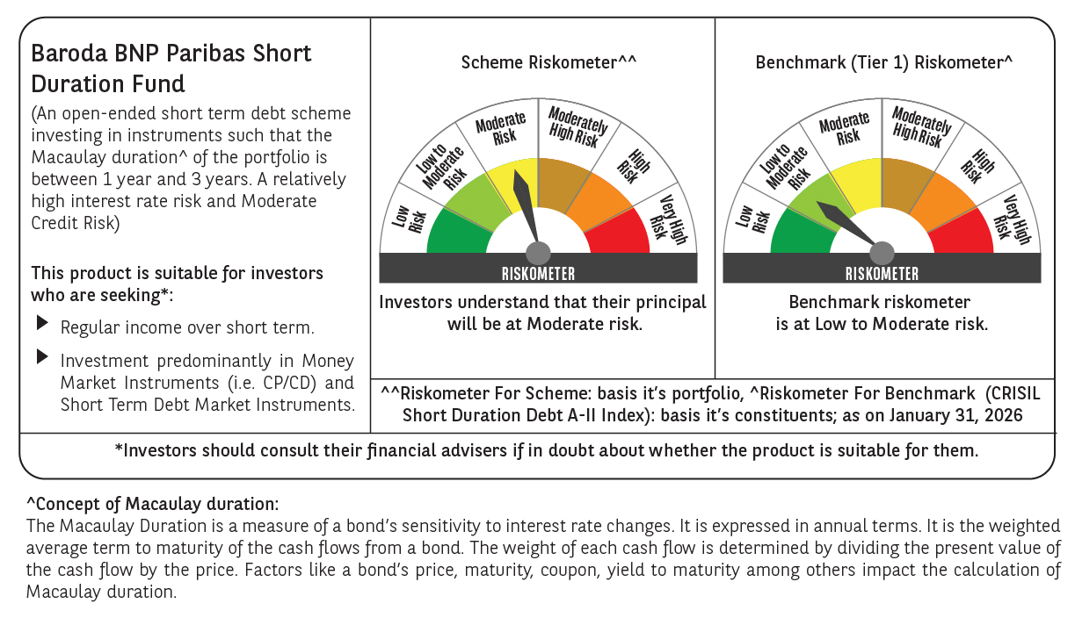



 | Monthly Performance Link: https://www.barodabnpparibasmf.in/assets/download_documents/Performance-of-Schemes-jan-2026_16576.pdf

