YR07
 | Baroda BNP Paribas Gilt Fund

 | Monthly Portfolio Statement as on January 31, 2026
 | Name of the Instrument | ISIN | Rating | Quantity | Market/Fair Value (Rs. in Lakhs) | % to Net Assets | YTM~ | YTC^ | null
 | Debt Instruments
 | (a) Listed / awaiting listing on Stock Exchange
GOI6638 | 6.9% Government of India (15/04/2065) | IN0020250018 | Sovereign | 25,100,000 | 23,475.63 | 20.74% | 7.54%
GOI7094 | 6.48% Government of India (06/10/2035) | IN0020250091 | Sovereign | 23,400,000 | 23,042.59 | 20.35% | 6.81%
GOI6019 | 7.09% Government of India (05/08/2054) | IN0020240118 | Sovereign | 10,300,000 | 9,949.73 | 8.79% | 7.51%
GOI6703 | 6.33% Government of India (05/05/2035) | IN0020250026 | Sovereign | 9,600,000 | 9,362.37 | 8.27% | 6.80%
GOI6889 | 6.68% Government of India (07/07/2040) | IN0020250042 | Sovereign | 8,050,000 | 7,753.53 | 6.85% | 7.22%
GOI6919 | 6.01% Government of India (21/07/2030) | IN0020250067 | Sovereign | 7,150,000 | 7,052.87 | 6.23% | 6.46%
GOI3591 | 6.91% State Government Securities (15/09/2033) | IN2220210248 | Sovereign | 5,700,000 | 5,566.82 | 4.92% | 7.45%
GOI4967 | 7.65% State Government Securities (01/02/2033) | IN1520220212 | Sovereign | 5,000,000 | 5,090.68 | 4.50% | 7.45%
GOI4333 | 7.29% State Government Securities (30/03/2032) | IN1520210239 | Sovereign | 5,000,000 | 5,009.56 | 4.43% | 7.38%
GOI5590 | 7.43% State Government Securities (28/02/2035) | IN2220230253 | Sovereign | 5,000,000 | 4,999.91 | 4.42% | 7.57%
GOI5228 | 7.18% Government of India (14/08/2033) | IN0020230085 | Sovereign | 2,327,500 | 2,389.00 | 2.11% | 6.84%
GOI2950 | 6.61% State Government Securities (02/09/2035) | IN1920200202 | Sovereign | 2,500,000 | 2,362.79 | 2.09% | 7.56%
GOI6794 | 6.64% State Government Securities (21/05/2036) | IN1520250052 | Sovereign | 2,500,000 | 2,357.95 | 2.08% | 7.58%
GOI6156 | 6.79% Government of India (07/10/2034) | IN0020240126 | Sovereign | 1,150,000 | 1,154.03 | 1.02% | 6.85%
 | Sub Total |  |  |  | 109,567.46 | 96.80%
 | (b) Privately placed / Unlisted |  |  |  | NIL | NIL
 | Sub Total |  |  |  | NIL | NIL
 | Total |  |  |  | 109,567.46 | 96.80%
 | Reverse Repo / TREPS
TRP_020226 | Clearing Corporation of India Ltd |  |  |  | 2,763.84 | 2.44% | 5.01%
 | Sub Total |  |  |  | 2,763.84 | 2.44%
 | (b) Privately placed / Unlisted |  |  |  | NIL | NIL
 | Sub Total |  |  |  | NIL | NIL
 | Total |  |  |  | 2,763.84 | 2.44%
 | Net Receivables / (Payables) |  |  |  | 875.34 | 0.76%
 | GRAND TOTAL |  |  |  | 113,206.64 | 100.00%

 | ~ YTM as on January 31, 2026
 | ^ YTC represents Yield to Call provided by valuation agencies as on January 31, 2026. It is disclosed for Perpetual Bond issued by Banks (i.e. AT-1 Bond / Tier 1 Bond / Tier 2 Bond), as per AMFI Best Practices Guidelines Circular no. 135/BP/91/2020-21 read with SEBI circular No. SEBI/HO/IMD/DF4/CIR/P/2021/034 on Valuation of AT-1 Bonds and Tier 2 Bonds.

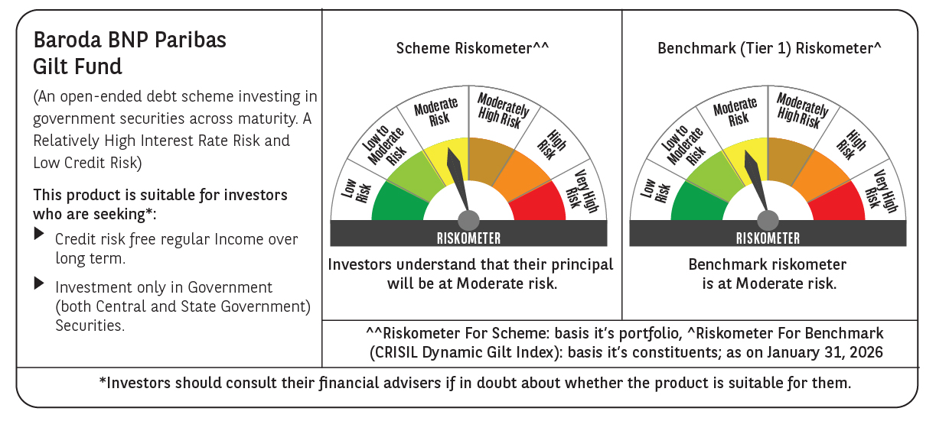



 | Monthly Performance Link: https://www.barodabnpparibasmf.in/assets/download_documents/Performance-of-Schemes-jan-2026_16576.pdf

