YR04
 | Baroda BNP Paribas Multi Cap Fund

 | Monthly Portfolio Statement as on January 31, 2026
 | Name of the Instrument | ISIN | Industry / Rating | Quantity | Market/Fair Value (Rs. in Lakhs) | % to Net Assets | YTM~ | YTC^ | null
 | Equity & Equity related
 | (a) Listed / awaiting listing on Stock Exchanges
HDFB03 | HDFC Bank Limited | INE040A01034 | Banks | 1,269,472 | 11,796.57 | 3.87%
RIND01 | Reliance Industries Limited | INE002A01018 | Petroleum Products | 700,000 | 9,767.80 | 3.20%
PRRC03 | Navin Fluorine International Limited | INE048G01026 | Chemicals & Petrochemicals | 130,000 | 7,928.70 | 2.60%
BTVL02 | Bharti Airtel Limited | INE397D01024 | Telecom - Services | 400,000 | 7,874.80 | 2.58%
SAGI01 | Sagility Limited | INE0W2G01015 | IT - Services | 15,751,261 | 7,864.60 | 2.58%
KAVY06 | Karur Vysya Bank Limited | INE036D01028 | Banks | 2,600,000 | 7,836.40 | 2.57%
IIBL01 | IndusInd Bank Limited | INE095A01012 | Banks | 850,000 | 7,616.85 | 2.50%
SAEL02 | TVS Motor Company Limited | INE494B01023 | Automobiles | 200,000 | 7,354.80 | 2.41%
TEMA02 | Tech Mahindra Limited | INE669C01036 | IT - Software | 400,000 | 6,972.40 | 2.29%
ZMPL01 | Eternal Limited | INE758T01015 | Retailing | 2,500,000 | 6,840.00 | 2.24%
RAKH02 | Radico Khaitan Limited | INE944F01028 | Beverages | 240,000 | 6,787.44 | 2.23%
INFS02 | Infosys Limited | INE009A01021 | IT - Software | 402,614 | 6,606.90 | 2.17%
BRIT03 | Britannia Industries Limited | INE216A01030 | Food Products | 111,000 | 6,505.16 | 2.13%
ICEM01 | The India Cements Limited | INE383A01012 | Cement & Cement Products | 1,400,000 | 6,407.80 | 2.10%
TWAT02 | Titan Company Limited | INE280A01028 | Consumer Durables | 160,000 | 6,363.84 | 2.09%
SLIF01 | SBI Life Insurance Company Limited | INE123W01016 | Insurance | 300,000 | 5,995.50 | 1.97%
SSNL02 | Delhivery Limited | INE148O01028 | Transport Services | 1,400,000 | 5,921.30 | 1.94%
BHAH02 | Bharat Heavy Electricals Limited | INE257A01026 | Electrical Equipment | 2,250,000 | 5,910.75 | 1.94%
CANB02 | Canara Bank | INE476A01022 | Banks | 4,000,000 | 5,896.80 | 1.93%
AMBE01 | Amber Enterprises India Limited | INE371P01015 | Consumer Durables | 102,500 | 5,858.90 | 1.92%
MAHI02 | Mahindra & Mahindra Limited | INE101A01026 | Automobiles | 170,000 | 5,834.06 | 1.91%
LARS02 | Larsen & Toubro Limited | INE018A01030 | Construction | 138,897 | 5,461.85 | 1.79%
PSYL02 | Persistent Systems Limited | INE262H01021 | IT - Software | 90,000 | 5,431.50 | 1.78%
IBCL05 | ICICI Bank Limited | INE090A01021 | Banks | 400,000 | 5,420.00 | 1.78%
ONCO02 | One 97 Communications Limited | INE982J01020 | Financial Technology (Fintech) | 475,000 | 5,403.13 | 1.77%
BHAE02 | BEML Limited | INE258A01024 | Agricultural, Commercial & Construction Vehicles | 300,000 | 5,384.70 | 1.77%
BAFL03 | Bajaj Finance Limited | INE296A01032 | Finance | 575,000 | 5,346.64 | 1.75%
VMML01 | Vishal Mega Mart Limited | INE01EA01019 | Retailing | 4,200,000 | 5,289.90 | 1.74%
DLPL01 | Dr. Lal Path Labs Limited | INE600L01024 | Healthcare Services | 375,000 | 5,285.63 | 1.73%
NMDC01 | NMDC Limited | INE584A01023 | Minerals & Mining | 6,500,000 | 5,278.65 | 1.73%
RCAM01 | Nippon Life India Asset Management Limited | INE298J01013 | Capital Markets | 600,000 | 5,268.60 | 1.73%
MAUD01 | Maruti Suzuki India Limited | INE585B01010 | Automobiles | 35,000 | 5,109.65 | 1.68%
TRFO01 | Travel Food Services Limited | INE103V01028 | Leisure Services | 454,564 | 4,850.20 | 1.59%
MAHE01 | Max Healthcare Institute Limited | INE027H01010 | Healthcare Services | 500,000 | 4,784.00 | 1.57%
BLUS03 | Blue Star Limited | INE472A01039 | Consumer Durables | 260,000 | 4,723.94 | 1.55%
PUBA02 | Punjab National Bank | INE160A01022 | Banks | 3,500,000 | 4,381.65 | 1.44%
RACM01 | Rainbow Childrens Medicare Limited | INE961O01016 | Healthcare Services | 374,094 | 4,257.56 | 1.40%
ABBP01 | Hitachi Energy India Limited | INE07Y701011 | Electrical Equipment | 22,500 | 4,243.95 | 1.39%
BSEL02 | BSE Limited | INE118H01025 | Capital Markets | 150,000 | 4,195.50 | 1.38%
RATN01 | RBL Bank Limited | INE976G01028 | Banks | 1,400,000 | 4,182.50 | 1.37%
BOCL01 | Linde India Limited | INE473A01011 | Chemicals & Petrochemicals | 66,611 | 4,001.32 | 1.31%
NACL03 | National Aluminium Company Limited | INE139A01034 | Non - Ferrous Metals | 1,000,000 | 3,854.50 | 1.26%
AMIO02 | Acutaas Chemicals Limited | INE00FF01025 | Pharmaceuticals & Biotechnology | 200,000 | 3,825.00 | 1.26%
INSP01 | Indiqube Spaces Limited | INE06ST01018 | Commercial Services & Supplies | 2,139,756 | 3,771.53 | 1.24%
JBCH03 | JB Chemicals & Pharmaceuticals Limited | INE572A01036 | Pharmaceuticals & Biotechnology | 200,000 | 3,739.00 | 1.23%
PRUD01 | Prudent Corporate Advisory Services Limited | INE00F201020 | Capital Markets | 150,000 | 3,595.35 | 1.18%
HPEC01 | Hindustan Petroleum Corporation Limited | INE094A01015 | Petroleum Products | 825,000 | 3,522.75 | 1.16%
TEGA01 | Tega Industries Limited | INE011K01018 | Industrial Manufacturing | 200,000 | 3,405.00 | 1.12%
FAGP02 | Schaeffler India Limited | INE513A01022 | Auto Components | 90,000 | 3,259.89 | 1.07%
MALE02 | Poonawalla Fincorp Limited | INE511C01022 | Finance | 800,000 | 3,192.00 | 1.05%
ABFS01 | Aditya Birla Capital Limited | INE674K01013 | Finance | 900,000 | 3,058.20 | 1.00%
NHPC01 | NHPC Limited | INE848E01016 | Power | 3,300,000 | 2,580.60 | 0.85%
DIVI02 | Divi's Laboratories Limited | INE361B01024 | Pharmaceuticals & Biotechnology | 32,591 | 1,972.08 | 0.65%
LGEL01 | LG Electronics India Ltd | INE324D01010 | Consumer Durables | 100,000 | 1,462.60 | 0.48%
LTHL01 | Lemon Tree Hotels Limited | INE970X01018 | Leisure Services | 1,000,000 | 1,290.90 | 0.42%
SMAW01 | Smartworks Coworking Spaces Ltd | INE0NAZ01010 | Commercial Services & Supplies | 10,200 | 47.20 | 0.02%
 | Sub Total |  |  |  | 290,818.84 | 95.41%
 | (b) Unlisted
AMCL01 | Amex Carb & Chem Limited # | EQ528501XXXX | Miscellaneous | 149,000 | 0.01 | 0.00%
ACOT01 | Accord Cotsyn Limited # | EQ528401XXXX | Retailing | 25,000 | $0.00 | 0.00%
SINV02 | SIV Industries Limited # | INE639A01017 | Textiles - Synthetic | 14,750 | $0.00 | 0.00%
ROYL01 | Royal Indutries Limited # | EQ528201XXXX | Retailing | 10,000 | $0.00 | 0.00%
SDSL01 | DSQ SOFTWARE # | INE286A01017 | Software | 8,000 | $0.00 | 0.00%
WPIL01 | Western Paques (India) Limited # | EQ816301XXXX | Miscellaneous | 6,650 | $0.00 | 0.00%
 | Sub Total |  |  |  | 0.01 | 0.00%
 | Total |  |  |  | 290,818.85 | 95.41%
 | Debt Instruments
 | (a) Preference Shares
SAEL21PS | 6% TVS Motor Company Limited ** | INE494B04019 | CARE A1+ | 800,000 | 81.79 | 0.03%
 | Sub Total |  |  |  | 81.79 | 0.03%
 | Total |  |  |  | 81.79 | 0.03%
 | Money Market Instruments
 | Treasury Bill
TBIL2566 | 364 Days Tbill (MD 17/09/2026) | IN002025Z252 | Sovereign | 3,500,000 | 3,381.73 | 1.11% | 5.60%
 | Sub Total |  |  |  | 3,381.73 | 1.11%
 | Total |  |  |  | 3,381.73 | 1.11%
 | Reverse Repo / TREPS
TRP_020226 | Clearing Corporation of India Ltd |  |  |  | 8,129.81 | 2.67% | 5.01%
 | Sub Total |  |  |  | 8,129.81 | 2.67%
 | Total |  |  |  | 8,129.81 | 2.67%
 | Net Receivables / (Payables) |  |  |  | 2,362.29 | 0.78%
 | GRAND TOTAL |  |  |  | 304,774.47 | 100.00%

 | ** Thinly Traded / Non Traded Security
 | # Unlisted Security
 | $ Less Than 0.01% of Net Asset Value
 | ~ YTM as on January 31, 2026
 | ^ YTC represents Yield to Call provided by valuation agencies as on January 31, 2026. It is disclosed for Perpetual Bond issued by Banks (i.e. AT-1 Bond / Tier 1 Bond / Tier 2 Bond), as per AMFI Best Practices Guidelines Circular no. 135/BP/91/2020-21 read with SEBI circular No. SEBI/HO/IMD/DF4/CIR/P/2021/034 on Valuation of AT-1 Bonds and Tier 2 Bonds.

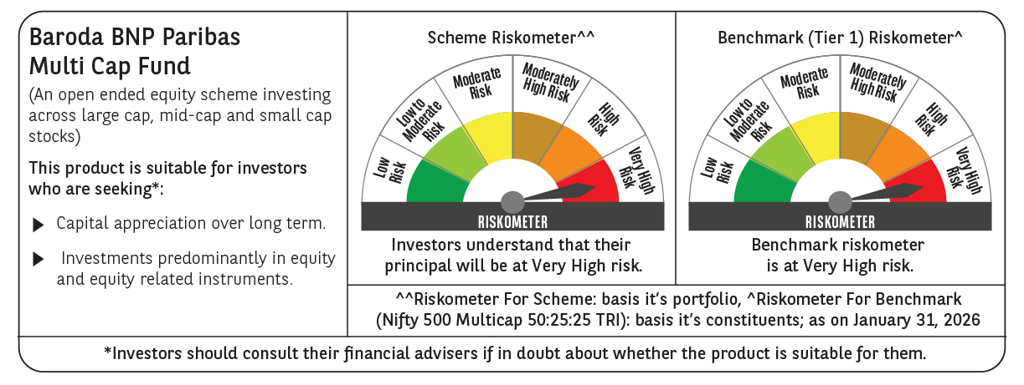

 | Monthly Performance Link: https://www.barodabnpparibasmf.in/assets/download_documents/Performance-of-Schemes-jan-2026_16576.pdf

