T0ME47
 | Baroda BNP Paribas Business Conglomerates Fund

 | Monthly Portfolio Statement as on January 31, 2026
 | Name of the Instrument | ISIN | Industry / Rating | Quantity | Market/Fair Value (Rs. in Lakhs) | % to Net Assets | YTM~ | YTC^ | null
 | Equity & Equity related
 | (a) Listed / awaiting listing on Stock Exchanges
LARS02 | Larsen & Toubro Limited | INE018A01030 | Construction | 180,000 | 7,078.14 | 9.68%
RIND01 | Reliance Industries Limited | INE002A01018 | Petroleum Products | 414,000 | 5,776.96 | 7.90%
MAHI02 | Mahindra & Mahindra Limited | INE101A01026 | Automobiles | 162,000 | 5,559.52 | 7.60%
TCSL01 | Tata Consultancy Services Limited | INE467B01029 | IT - Software | 108,000 | 3,373.81 | 4.61%
BAFL03 | Bajaj Finance Limited | INE296A01032 | Finance | 324,000 | 3,012.71 | 4.12%
TWAT02 | Titan Company Limited | INE280A01028 | Consumer Durables | 56,700 | 2,255.19 | 3.08%
HZIN02 | Hindustan Zinc Limited | INE267A01025 | Non - Ferrous Metals | 333,000 | 2,092.91 | 2.86%
BALN01 | Bajaj Auto Limited | INE917I01010 | Automobiles | 19,800 | 1,900.31 | 2.60%
SBAI02 | State Bank of India | INE062A01020 | Banks | 171,000 | 1,841.93 | 2.52%
JVSL04 | JSW Steel Limited | INE019A01038 | Ferrous Metals | 144,000 | 1,748.74 | 2.39%
ULCC01 | UltraTech Cement Limited | INE481G01011 | Cement & Cement Products | 13,500 | 1,713.69 | 2.34%
TCAL01 | Tata Capital Limited | INE976I01016 | Finance | 468,000 | 1,601.03 | 2.19%
MUND02 | Adani Ports and Special Economic Zone Limited | INE742F01042 | Transport Infrastructure | 108,000 | 1,533.38 | 2.10%
TOPH02 | Torrent Pharmaceuticals Limited | INE685A01028 | Pharmaceuticals & Biotechnology | 36,000 | 1,425.89 | 1.95%
HDFB03 | HDFC Bank Limited | INE040A01034 | Banks | 153,000 | 1,421.75 | 1.94%
TEMA02 | Tech Mahindra Limited | INE669C01036 | IT - Software | 81,000 | 1,411.91 | 1.93%
IIBL01 | IndusInd Bank Limited | INE095A01012 | Banks | 153,000 | 1,371.03 | 1.88%
TMLC01 | Tata Motors Ltd | INE1TAE01010 | Agricultural, Commercial & Construction Vehicles | 297,000 | 1,361.75 | 1.86%
SAEL02 | TVS Motor Company Limited | INE494B01023 | Automobiles | 36,000 | 1,323.86 | 1.81%
LTIL01 | LTIMindtree Limited | INE214T01019 | IT - Software | 21,600 | 1,290.49 | 1.77%
ICII01 | Akzo Nobel India Limited | INE133A01011 | Consumer Durables | 44,200 | 1,237.60 | 1.69%
ITCL02 | ITC Limited | INE154A01025 | Diversified FMCG | 360,000 | 1,159.74 | 1.59%
COFE03 | Coromandel International Limited | INE169A01031 | Fertilizers & Agrochemicals | 49,500 | 1,129.89 | 1.55%
TPOW02 | Tata Power Company Limited | INE245A01021 | Power | 297,000 | 1,087.91 | 1.49%
IHOT02 | The Indian Hotels Company Limited | INE053A01029 | Leisure Services | 153,000 | 1,031.45 | 1.41%
ICEM01 | The India Cements Limited | INE383A01012 | Cement & Cement Products | 216,000 | 988.63 | 1.35%
ISHA01 | Gillette India Limited | INE322A01010 | Personal Products | 10,800 | 950.35 | 1.30%
LGEL01 | LG Electronics India Ltd | INE324D01010 | Consumer Durables | 63,000 | 921.44 | 1.26%
ADAN02 | Adani Enterprises Limited | INE423A01024 | Metals & Minerals Trading | 45,000 | 909.18 | 1.24%
CHOL02 | Cholamandalam Investment and Finance Company Ltd | INE121A01024 | Finance | 54,000 | 881.06 | 1.21%
BFSL02 | Bajaj Finserv Limited | INE918I01026 | Finance | 45,000 | 878.67 | 1.20%
CHEL02 | Zydus Lifesciences Limited | INE010B01027 | Pharmaceuticals & Biotechnology | 99,000 | 876.45 | 1.20%
LTFL01 | L&T Finance Limited | INE498L01015 | Finance | 297,000 | 850.46 | 1.16%
TAEL01 | Tata Elxsi Limited | INE670A01012 | IT - Software | 15,300 | 814.50 | 1.11%
CALC03 | CESC Limited | INE486A01021 | Power | 540,000 | 810.86 | 1.11%
JUFL02 | Jubilant Foodworks Limited | INE797F01020 | Leisure Services | 162,000 | 805.22 | 1.10%
CROM02 | CG Power and Industrial Solutions Limited | INE067A01029 | Electrical Equipment | 135,000 | 788.47 | 1.08%
ICON01 | Firstsource Solutions Limited | INE684F01012 | Commercial Services & Supplies | 234,000 | 748.45 | 1.02%
ZMPL01 | Eternal Limited | INE758T01015 | Retailing | 270,000 | 738.72 | 1.01%
JSWC01 | JSW Cement Limited | INE718I01012 | Cement & Cement Products | 630,000 | 719.46 | 0.98%
SCHI01 | Sanofi Consumer Healthcare India Limited | INE0UOS01011 | Pharmaceuticals & Biotechnology | 16,200 | 687.98 | 0.94%
RELS01 | Jio Financial Services Limited | INE758E01017 | Finance | 270,000 | 687.15 | 0.94%
ESMC02 | PB Fintech Limited | INE417T01026 | Financial Technology (Fintech) | 40,500 | 670.07 | 0.92%
ADAN04 | Adani Enterprises Limited Partly paid up ** | IN9423A01030 | Metals & Minerals Trading | 6,500 | 72.83 | 0.10%
 | Sub Total |  |  |  | 69,541.54 | 95.09%
 | (b) Unlisted |  |  |  | NIL | NIL
 | Sub Total |  |  |  | NIL | NIL
 | Total |  |  |  | 69,541.54 | 95.09%
 | Derivatives
 | Index / Stock Futures
MCEXFEB26 | Multi Commodity Exchange of India Limited February 2026 Future |  |  | 33,750 | 853.88 | 1.17%
 | Sub Total |  |  |  | 853.88 | 1.17%
 | Index / Stock Options
EL24FB262160P | Multi Commodity Exchange of India Limited 2160 Put February 2026 Option |  |  | 16,875 | 3.70 | 0.01%
 | Sub Total |  |  |  | 3.70 | 0.01%
 | Total |  |  |  | 857.58 | 1.18%
 | Debt Instruments
 | (a) Listed / awaiting listing on Stock Exchange
GOI6156 | 6.79% Government of India (07/10/2034) | IN0020240126 | Sovereign | 1,500,000 | 1,505.25 | 2.06% | 6.85%
 | Sub Total |  |  |  | 1,505.25 | 2.06%
 | (b) Privately placed / Unlisted |  |  |  | NIL | NIL
 | Sub Total |  |  |  | NIL | NIL
 | Total |  |  |  | 1,505.25 | 2.06%
 | Reverse Repo / TREPS
TRP_020226 | Clearing Corporation of India Ltd |  |  |  | 2,289.11 | 3.13% | 5.01%
 | Sub Total |  |  |  | 2,289.11 | 3.13%
 | (b) Privately placed / Unlisted |  |  |  | NIL | NIL
 | Sub Total |  |  |  | NIL | NIL
 | Total |  |  |  | 2,289.11 | 3.13%
 | Net Receivables / (Payables) |  |  |  | (1,080.83) | (1.46)%
 | GRAND TOTAL |  |  |  | 73,112.65 | 100.00%

 | ** Thinly Traded / Non Traded Security
 | ~ YTM as on January 31, 2026
 | ^ YTC represents Yield to Call provided by valuation agencies as on January 31, 2026. It is disclosed for Perpetual Bond issued by Banks (i.e. AT-1 Bond / Tier 1 Bond / Tier 2 Bond), as per AMFI Best Practices Guidelines Circular no. 135/BP/91/2020-21 read with SEBI circular No. SEBI/HO/IMD/DF4/CIR/P/2021/034 on Valuation of AT-1 Bonds and Tier 2 Bonds.
 | Details of Stock Future / Index Future
 | Long/Short | Name of the Instrument | Industry | Quantity. | Market/Fair Value (Rs. in Lacs). | % to NAV.
 | Long | Multi Commodity Exchange of India Limited_24/02/2026 | Capital Markets | 33,750 | 853.88 | 1.17%

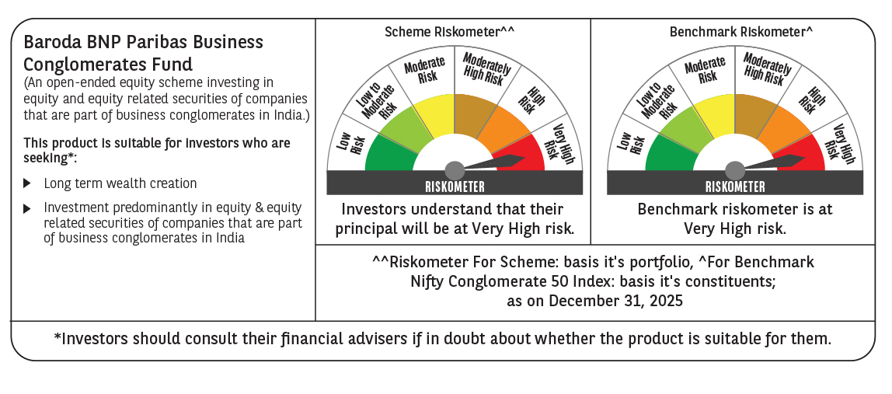

 | Monthly Performance Link: https://www.barodabnpparibasmf.in/assets/download_documents/Performance-of-Schemes-jan-2026_16576.pdf

