T0ME45
 | Baroda BNP Paribas Health and Wellness Fund

 | Monthly Portfolio Statement as on January 31, 2026
 | Name of the Instrument | ISIN | Industry | Quantity | Market/Fair Value (Rs. in Lakhs) | % to Net Assets | YTM~ | YTC^ | null
 | Equity & Equity related
 | (a) Listed / awaiting listing on Stock Exchanges
SPIL03 | Sun Pharmaceutical Industries Limited | INE044A01036 | Pharmaceuticals & Biotechnology | 290,000 | 4,626.37 | 8.49%
MKIP01 | Mankind Pharma Limited | INE634S01028 | Pharmaceuticals & Biotechnology | 190,000 | 4,035.60 | 7.41%
CIPL03 | Cipla Limited | INE059A01026 | Pharmaceuticals & Biotechnology | 260,000 | 3,442.40 | 6.32%
MAHE01 | Max Healthcare Institute Limited | INE027H01010 | Healthcare Services | 330,000 | 3,157.44 | 5.80%
BOOT01 | Abbott India Limited | INE358A01014 | Pharmaceuticals & Biotechnology | 9,800 | 2,701.37 | 4.96%
LUPL02 | Lupin Limited | INE326A01037 | Pharmaceuticals & Biotechnology | 125,000 | 2,691.00 | 4.94%
TOPH02 | Torrent Pharmaceuticals Limited | INE685A01028 | Pharmaceuticals & Biotechnology | 65,000 | 2,574.52 | 4.73%
ADHL01 | Aster DM Healthcare Limited | INE914M01019 | Healthcare Services | 450,000 | 2,484.68 | 4.56%
ASPH02 | AstraZeneca Pharma India Limited | INE203A01020 | Pharmaceuticals & Biotechnology | 26,000 | 2,223.00 | 4.08%
IPCA03 | IPCA Laboratories Limited | INE571A01038 | Pharmaceuticals & Biotechnology | 146,019 | 2,147.65 | 3.94%
APOL02 | Apollo Hospitals Enterprise Limited | INE437A01024 | Healthcare Services | 30,000 | 2,088.15 | 3.83%
JBCH03 | JB Chemicals & Pharmaceuticals Limited | INE572A01036 | Pharmaceuticals & Biotechnology | 100,000 | 1,869.50 | 3.43%
IPLI01 | ICICI Prudential Life Insurance Company Limited | INE726G01019 | Insurance | 290,000 | 1,846.87 | 3.39%
GLAN02 | Gland Pharma Limited | INE068V01023 | Pharmaceuticals & Biotechnology | 95,900 | 1,770.89 | 3.25%
FRHL01 | Fortis Healthcare Limited | INE061F01013 | Healthcare Services | 200,000 | 1,703.00 | 3.13%
RACM01 | Rainbow Childrens Medicare Limited | INE961O01016 | Healthcare Services | 140,000 | 1,593.34 | 2.92%
LAUR02 | Laurus Labs Limited | INE947Q01028 | Pharmaceuticals & Biotechnology | 160,000 | 1,544.00 | 2.83%
AJPH03 | Ajanta Pharma Limited | INE031B01049 | Pharmaceuticals & Biotechnology | 55,232 | 1,536.50 | 2.82%
EMPH02 | Emcure Pharmaceuticals Limited | INE168P01015 | Pharmaceuticals & Biotechnology | 100,000 | 1,463.80 | 2.69%
DLPL01 | Dr. Lal Path Labs Limited | INE600L01024 | Healthcare Services | 100,000 | 1,409.50 | 2.59%
DRRL03 | Dr. Reddy's Laboratories Limited | INE089A01031 | Pharmaceuticals & Biotechnology | 100,000 | 1,218.10 | 2.24%
MEDP01 | MedPlus Health Services Limited | INE804L01022 | Retailing | 130,000 | 1,038.64 | 1.91%
DIVI02 | Divi's Laboratories Limited | INE361B01024 | Pharmaceuticals & Biotechnology | 16,900 | 1,022.62 | 1.88%
INKN01 | Inventurus Knowledge Solutions Limited | INE115Q01022 | IT - Services | 40,000 | 620.76 | 1.14%
JLLH01 | Jupiter Life Line Hospitals Limited | INE682M01012 | Healthcare Services | 45,000 | 608.04 | 1.12%
METR01 | Metropolis Healthcare Limited | INE112L01020 | Healthcare Services | 28,586 | 535.42 | 0.98%
NHSP02 | Nephrocare Health Services Ltd | INE428V01029 | Healthcare Services | 100,000 | 527.70 | 0.97%
SLIF01 | SBI Life Insurance Company Limited | INE123W01016 | Insurance | 15,000 | 299.78 | 0.55%
 | Sub Total |  |  |  | 52,780.64 | 96.90%
 | (b) Unlisted |  |  |  | NIL | NIL
 | Sub Total |  |  |  | NIL | NIL
 | Total |  |  |  | 52,780.64 | 96.90%
 | Reverse Repo / TREPS
TRP_020226 | Clearing Corporation of India Ltd |  |  |  | 1,147.80 | 2.11% | 5.01%
 | Sub Total |  |  |  | 1,147.80 | 2.11%
 | Total |  |  |  | 1,147.80 | 2.11%
 | Net Receivables / (Payables) |  |  |  | 552.59 | 0.99%
 | GRAND TOTAL |  |  |  | 54,481.03 | 100.00%

 | ~ YTM as on January 31, 2026
 | ^ YTC represents Yield to Call provided by valuation agencies as on January 31, 2026. It is disclosed for Perpetual Bond issued by Banks (i.e. AT-1 Bond / Tier 1 Bond / Tier 2 Bond), as per AMFI Best Practices Guidelines Circular no. 135/BP/91/2020-21 read with SEBI circular No. SEBI/HO/IMD/DF4/CIR/P/2021/034 on Valuation of AT-1 Bonds and Tier 2 Bonds.

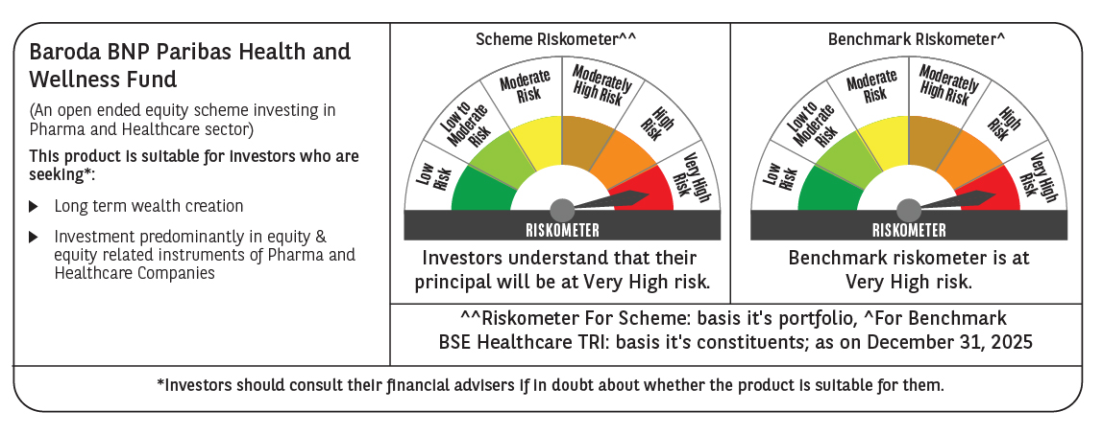

 | Monthly Performance Link: https://www.barodabnpparibasmf.in/assets/download_documents/Performance-of-Schemes-jan-2026_16576.pdf

